Sheet1
Bugs

TITLE | SEVERITY | DATE OF CREATION | DESCRIPTION | Expected Result | Actual Result | Version | Attachement
Email verification bar missing in sticky header | Medium | 2022-08-26 | Open the homepage > Check the top of the page for the email verification reminder | The email verification reminder should be displayed | The email reminder is not displayed | https://secret-tester.bitstarz.com/

User registered on secret-tester is automatically registered on the production environment | Critical | 2022-08-26 | Scenario: Create a user on the Secret-Tester.bitstarz.com environment > Login with the same user on the secret-tester environment > Open the production of bitstarz.com > Check if the user is logged in | The user should not be able to log in on production with the same credentials | The user is logged in and active | https://www.bitstarz.com/?t=8383 | https://www.awesomescreenshot.com/video/10753984?key=ebf18ddecace7d06f37835502f4440fe

Different font and spacing used on staging and prod for body strings | Medium | 2022-08-26 | Compare the font used on staging and production | The font/spacing should be the same on both domains | The font in body differs on staging and production | https://secret-tester.bitstarz.com/ https://www.bitstarz.com/ | https://www.awesomescreenshot.com/video/10754276?key=28c0dd8560313ac572b72939acfcc72e

New games added are not displayed on the homepage banner | High | 2022-08-26 | Check the banner beneath the quick deposit > Check the last 7 days box if any graphical distortions are present | No graphical distortion should be present on the page | The number of new games is missing from the box on the page | https://secret-tester.bitstarz.com/

Console errors present - Resources not loaded | Critical | 2022-08-26 | Open the homepage > Open the console > Check for errors in the console | No errors should be present in the console | Failed to load resources are present in the console | https://secret-tester.bitstarz.com/

Console error present - Uncaught error | Critical | 2022-08-26 | Open the homepage > Open the console > Check for errors in the console | No errors should be present in the console | Uncaught error is present in the console > Refer to the attached screenshot | https://secret-tester.bitstarz.com/ | 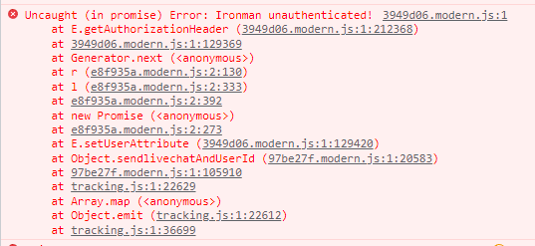

Games are missing thumbnails | High | 2022-08-26 | On the homepage scroll down the the New Games section > Observe the thumbnails for the new given games | New games should have their respective thumbnails | The games thumbnails are missing entirely | https://secret-tester.bitstarz.com/
 |  |  |  |  |  |  | 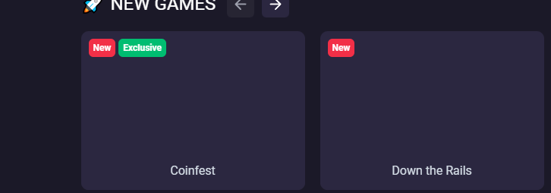

Payment methods are missing from the bottom of the deposit modal | Critical | 2022-08-26 | Clear the cache > Navigate to homepage > Check the deposit modal for currency symbols selected and payment methods | By default the amount displayed is in euro and the payment methods available should be displayed beneath | The Euro is selected as a default currency but the payment method states bitcoin only | https://secret-tester.bitstarz.com/ | 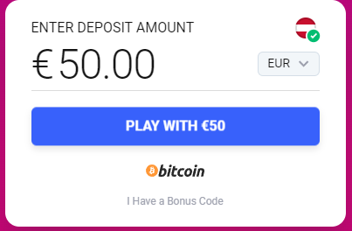

Deposit button color is different | Medium | 2022-08-26 | Compare the both instances of the site and check the deposit button on the modal | The buttons should be the same color | The buttons are different color | https://secret-tester.bitstarz.com/ | https://www.awesomescreenshot.com/video/10754182?key=e0c1e47f4d717573c1c5b45315c53950
Quick deposit, changing currencies is not possible | High | 2022-08-26 | Scroll to the bottom of the page check in the quick deposit if the user is possible to change the currency for deposit | The deposit currency is possible to change | The deposit currency is not possible to change | https://secret-tester.bitstarz.com/ | https://www.awesomescreenshot.com/video/10754186?key=512707b9e8df5844765414d194500368
Bonus changed to VIP after trying to deposit 20 eth and claiming the 100% bonus | Critical | 2022-08-26 | Select the eternium currency on the modal -> Click on the deposit and input 20 ETH-> observe the bonus behavior | The bonus should remain the same as the bonus is 100% up to 20 eth | The bonus changes to the VIP bonus | https://secret-tester.bitstarz.com/ | 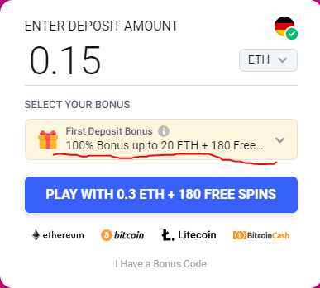 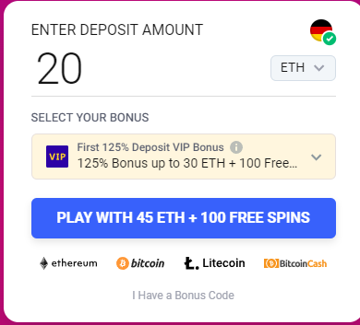

Bonus changed to VIP after trying to deposit 50 LTC and claiming the 100% bonus | Critical | 2022-08-26 | Select the LTC currency on the modal -> Click on the deposit input and 50 LTC -> observe the bonus behavior | The bonus should remain the same as the bonus is 100% up to 100 LTC | The bonus changes to the VIP bonus | https://secret-tester.bitstarz.com/ | https://www.awesomescreenshot.com/video/10753990?key=f76c79259dc943658b5d9aee346476f5
Bonus changed to VIP after trying to deposit 10 BCH and claiming the 100% bonus | Critical | 2022-08-26 | Select the BCH currency on the modal -> Click on the deposit input and 10 BCH -> observe the bonus behavior | The bonus should remain the same as the bonus is 100% up to 20 BCH | The bonus changes to the VIP bonus | https://secret-tester.bitstarz.com/ | https://www.awesomescreenshot.com/video/10754017?key=0213feaafbd64a7bf52f1c9f54a5437d
deposit x more to get a bonus is not displayed to the user when depositing less than the bonus | High | 2022-08-26 | Input a deposit value less than the minimal value for the deposit check if the deposit x more to get a bonus message is displayed | The message Deposit XX or more to get a bonus in green font is displayed | The Message is not displayed at all | https://secret-tester.bitstarz.com/ | https://www.awesomescreenshot.com/video/10754040?key=ef3859ea6438dcb4485491aeebd99d2e
Bonus changed to VIP after trying to deposit 75000 Doge and claiming the 100% bonus | Critical | 2022-08-26 | Select the Doge currency on the modal -> Click on the deposit input and 75000 Doge -> observe the bonus behavior | The bonus should remain the same as the bonus is 100% up to 150k Doge | The bonus changes to the VIP bonus | https://secret-tester.bitstarz.com/ | https://www.awesomescreenshot.com/video/10754026?key=82b65560902faadabc142bf4fe64c776
Mobile - Can't change currencies on mobile devices | High | 2022-08-27 | Open the homepage on a mobile device -> Try to change the currency | The dropdown should open and the user can choose the currency | The dropdown modal doesn't open | https://secret-tester.bitstarz.com/ | https://www.awesomescreenshot.com/video/10754052?key=e4658a56ad07e99fa88c4e5deea2178e
Differences with first deposit bonuses on staging and prod | High | 2022-08-27 | Check the production for the 1st deposit bonus and compare it to the staging | The bonus amount should be the same on both environment | The staging has DEPOSIT €200 AND PLAY WITH €400 bonus and staging has DEPOSIT €50 AND PLAY WITH €100 | https://secret-tester.bitstarz.com/ | https://www.awesomescreenshot.com/video/10754069?key=28c356cae51b8a80da4d9164587c26bc
Users that select the vip, finish the registration flow and refresh the page won't be offered the VIP bonus anymore | Critical | 2022-08-27 | Select the VIP bonus, finish the registration and refresh the page -> check the player state after the refresh | The players should be returned to the modal and offered the VIP bonus that he claimed | The user is returned to the deposit and if the modal is closed the user is no longer offered the vip bonus | https://secret-tester.bitstarz.com/ | https://www.awesomescreenshot.com/video/10754313?key=7f73942cedbba4e34cef3f50c17591c3
User that has claimed VIP bonus does not recieve the VIP invitation upon finishing registration | High | 2022-08-27 | Select the VIP bonus, finish the registration, after finishing registration check if the player has been sent the VIP invitation | The player should recieve the VIP invitation after selecting the VIP bonus | The player does not recieve the VIP invitation | https://secret-tester.bitstarz.com/ | https://www.awesomescreenshot.com/video/10754105?key=73205dc07afc63e6a7f540b04dde01ea
Production - Password reset - Expired password reset via mail and field validation messages overlap | low | 2022-08-28 | Trigger a suspicious login email, invalidate the link thats given in the mail, proceed to reset via the same link, fill out the form correctly, then delete the confirm password field, observe the messages | The messages should be written underneath eachother no overlapping should be present | The messages overlap | https://www.bitstarz.com/ | 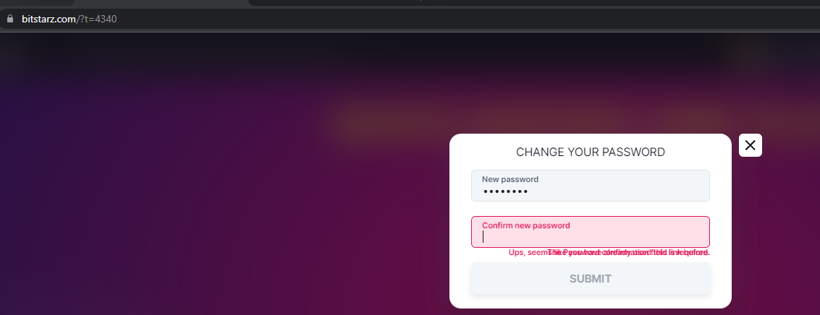

Mobile - Can't change bonus on a mobile device | Critical | 8/28/2022 | Open the site on mobile -> Check the bonus dropdown menu and try to tap on it | The bonus menu should respond allowing the player to pick a bonus | The bonus is not possible to pick | https://secret-tester.bitstarz.com/ | https://www.awesomescreenshot.com/video/10754136?key=f5d96c3540f3828adb022e60c6972395

