Linear
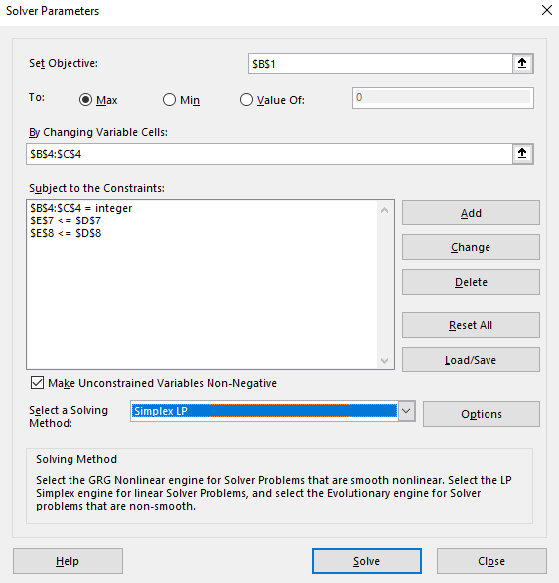
Revenue | $2,580

 | Guns | Butter
Purchase Amnt | 4.00 | 12.00

 | Guns | Butter | Limit | Used
Storage | 0.5 | 1.5 | 21 | 20
Price | $150 | $100 | $1,800 | $1,800
Revenue | $195 | $150

Non-Linear
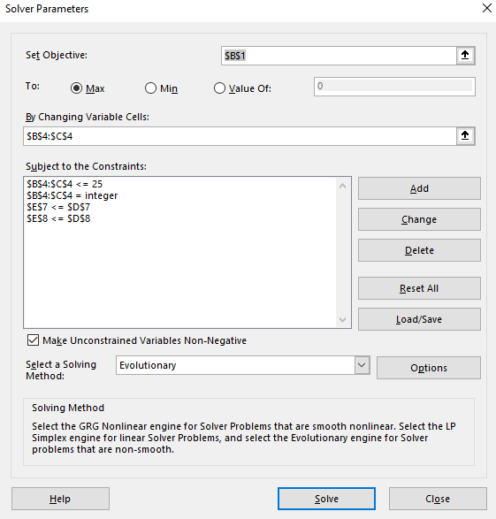
Revenue | $3,020

 | Guns | Butter
Purchase Amnt | 6.00 | 9.00

 | Guns | Butter | Limit | Used
Storage | 0.5 | 1.5 | 21 | 16.5
Price | $150 | $100 | $1,800 | $1,800
Revenue | $195 | $150

