OptMdl
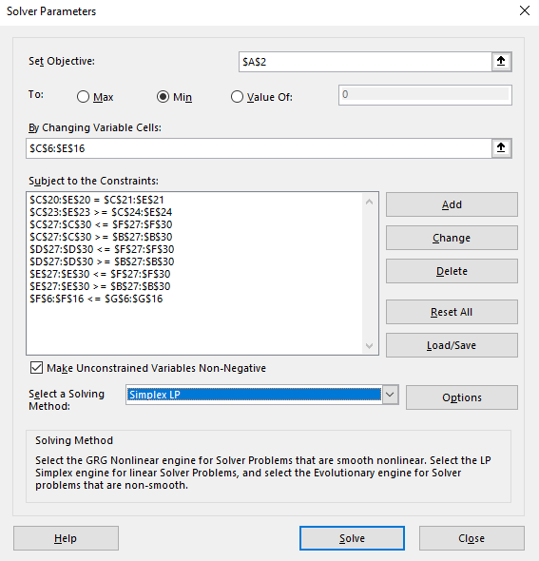
TOTAL COST(GOAL)
$1,227,560

PURCHASE DECISIONS |  |  |  |  |  | SPECS
Varietal | Region | Jan | Feb | Mar | Total Ordered | Qty Available (1,000 Gallons) | Brix / Acid Ratio | Acid (%) | Astringency (1-10 Scale) | Color (1-10 Scale) | Price (per 1K Gallons) | Shipping
Hamlin | Brazil | 0.00 | 0.00 | 0.00 | 0 | 672 | 10.5 | 0.006 | 3 | 3 | 500 | 100
Mosambi | India | 13.50 | 0.00 | 0.00 | 13.5 | 400 | 6.5 | 0.014 | 7 | 1 | 310 | 150
Valencia | Florida | 240.00 | 240.00 | 280.00 | 760 | 1200 | 12 | 0.0095 | 3 | 3 | 750 | 0
Hamlin | California | 22.90 | 0.00 | 88.27 | 111.16666667 | 168 | 11 | 0.01 | 3 | 5 | 600 | 60
Gardner | Arizona | 0.00 | 84.00 | 0.00 | 84 | 84 | 12 | 0.007 | 1 | 5 | 600 | 75
Sunstar | Texas | 0.00 | 44.10 | 29.24 | 73.333333333 | 210 | 10 | 0.007 | 1 | 5 | 625 | 50
Jincheng | China | 0.00 | 0.00 | 0.00 | 0 | 588 | 9 | 0.0135 | 7 | 3 | 440 | 120
Berna | Spain | 0.00 | 95.71 | 72.29 | 168 | 168 | 15 | 0.011 | 4 | 8 | 600 | 110
Verna | Mexico | 109.20 | 53.56 | 137.24 | 300 | 300 | 8 | 0.013 | 8 | 3 | 300 | 90
Biondo Commune | Egypt | 101.30 | 82.63 | 26.07 | 210 | 210 | 13 | 0.013 | 3 | 5 | 460 | 130
Belladonna | Italy | 113.10 | 0.00 | 66.90 | 180 | 180 | 14 | 0.005 | 3 | 9 | 505 | 115
Monthly | Price | $334,399 | $369,465 | $411,555
 | Shipping | $39,402 | $34,596 | $38,144
CONSTRAINTS
Total Ordered |  | 600 | 600 | 700
Total Required |  | 600 | 600 | 700

Valencia Ordered |  | 240 | 240 | 280
Valencia Required |  | 240 | 240 | 280

Quality | Minimum |  |  |  | Maximum
BAR | 11.5 | 11.655916667 | 12.112181818 | 11.544367965 | 12.5
ACID | 0.0075 | 0.01 | 0.01 | 0.01 | 0.01
ASTRINGENCY | 0 | 4 | 3.1788888889 | 4 | 4
COLOR | 4.5 | 4.5 | 4.5 | 4.5 | 5.5

RlxQlty
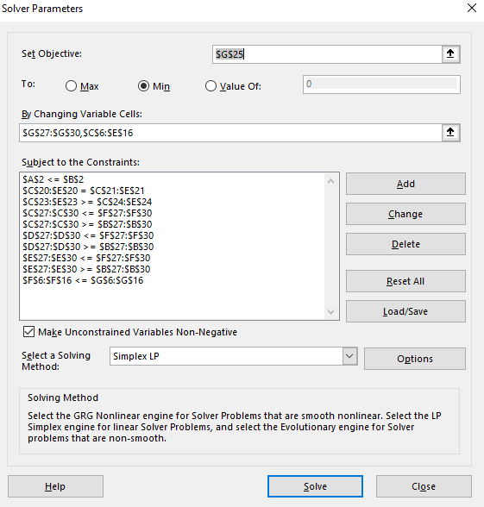
TOTAL COST | Cost Limit |  | Average % Relaxed:
$1,170,000 | $1,170,000 |  | 34.8%

PURCHASE DECISIONS |  |  |  |  |  | SPECS
Varietal | Region | Jan | Feb | Mar | Total Ordered | Qty Available (1,000 Gallons) | Brix / Acid Ratio | Acid (%) | Astringency (1-10 Scale) | Color (1-10 Scale) | Price (per 1K Gallons) | Shipping
Hamlin | Brazil | 79.29 | 77.62 | 90.56 | 247.5 | 672 | 10.5 | 0.006 | 3 | 3 | 500 | 100
Mosambi | India | 73.49 | 48.75 | 56.88 | 179.1 | 400 | 6.5 | 0.014 | 7 | 1 | 310 | 150
Valencia | Florida | 240.00 | 240.00 | 280.00 | 760.0 | 1200 | 12 | 0.0095 | 3 | 3 | 750 | 0
Hamlin | California | 0.00 | 0.00 | 0.00 | 0.0 | 168 | 11 | 0.01 | 3 | 5 | 600 | 60
Gardner | Arizona | 0.00 | 0.00 | 0.00 | 0.0 | 84 | 12 | 0.007 | 1 | 5 | 600 | 75
Sunstar | Texas | 0.00 | 0.00 | 0.00 | 0.0 | 210 | 10 | 0.007 | 1 | 5 | 625 | 50
Jincheng | China | 0.00 | 0.00 | 0.00 | 0.0 | 588 | 9 | 0.0135 | 7 | 3 | 440 | 120
Berna | Spain | 23.42 | 0.00 | 0.00 | 23.4 | 168 | 15 | 0.011 | 4 | 8 | 600 | 110
Verna | Mexico | 77.99 | 102.47 | 119.54 | 300.0 | 300 | 8 | 0.013 | 8 | 3 | 300 | 90
Biondo Commune | Egypt | 51.86 | 72.99 | 85.15 | 210.0 | 210 | 13 | 0.013 | 3 | 5 | 460 | 130
Belladonna | Italy | 53.95 | 58.18 | 67.87 | 180.0 | 180 | 14 | 0.005 | 3 | 9 | 505 | 115
Monthly | Price | $330,976 | $327,616 | $382,218
 | Shipping | $41,494 | $40,475 | $47,221
CONSTRAINTS
Total Ordered |  | 600 | 600 | 700
Total Required |  | 600 | 600 | 700

Valencia Ordered |  | 240 | 240 | 280
Valencia Required |  | 240 | 240 | 280

Quality | Minimum |  |  |  | Maximum | Relax% | Minimum | Maximum
BAR | 10.99 | 10.99 | 10.99 | 10.99 | 13.01 | 51% | 11.5 | 12.5
ACID | 0.01 | 0.01 | 0.01 | 0.01 | 0.01 | 0% | 0.0075 | 0.01
ASTRINGENCY | -0.18 | 4.18 | 4.18 | 4.18 | 4.18 | 4% | 0 | 4
COLOR | 3.66 | 3.66 | 3.66 | 3.66 | 6.34 | 84% | 4.5 | 5.5

Frontier
Cost vs quality
Cost Limit | Quality | Relax%
$1,227,000 | 100.00% | 0.00%
$1,207,000 | 93.70% | 6.30%
$1,187,000 | 80.70% | 19.30%
$1,170,000 | 65.20% | 34.80%
$1,167,000 | 62.50% | 37.50%
$1,147,000 | 43.40% | 56.60%
$1,127,000 | 5.80% | 94.20%

Cost vs degradation

