Sheet2
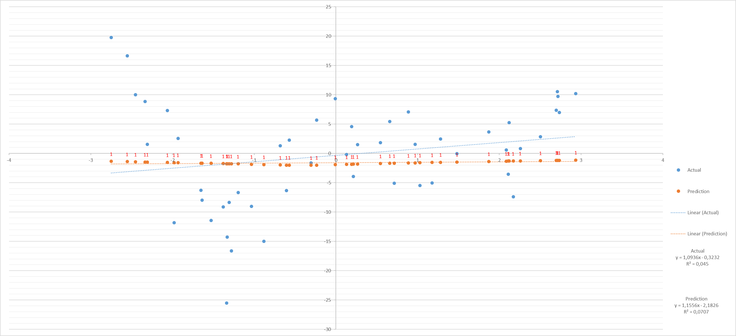

Sheet3
Average of Mean Square Error | Column Labels
Row Labels | 100 | 1000 | 10000 | Grand Total
1 | 76.47 | 76.47 | 76.47 | 76.47
2 | 82.7907 | 82.7648 | 95.7554 | 87.103633333
3 | 72.2096 | 75.1334 | 100.9759 | 82.772966667
4 | 64.4531 | 57.879 | 78.2146 | 66.8489
5 | 61.3896 | 47.0462 | 63.4197 | 57.285166667
6 | 56.3152 | 47.329 | 59.6192 | 54.421133333
7 | 54.4522 | 38.7248 | 80.756 | 57.977666667
8 | 49.4219 | 39.2065 | 44.9574 | 44.5286
9 | 47.7907 | 36.648 | 43.8969 | 42.778533333
10 | 46.7983 | 36.4324 | 56.6509 | 46.6272
Grand Total | 61.20913 | 53.76341 | 70.0716 | 61.68138

Average of Mean Error | Column Labels
Row Labels | 100 | 1000 | 10000 | Grand Total
1 | 1.34 | 1.34 | 1.34 | 1.34
2 | 1.2491 | 1.1976 | 1.0019 | 1.1495333333
3 | 1.1048 | 0.9112 | 0.5077 | 0.84123333333
4 | 0.9803 | 0.70626262626 | 0.34898989899 | 0.67953020134
5 | 0.9618 | 1.1305 | 0.77383838384 | 0.95598662207
6 | 0.9936 | 1.1483 | 0.7423 | 0.9614
7 | 1.0660606061 | 1.3123 | 1.0603 | 1.1464882943
8 | 0.9141 | 1.6028282828 | 1.2535353535 | 1.2556711409
9 | 1.055 | 1.8541 | 0.9635 | 1.2908666667
10 | 0.9465 | 1.8426 | 0.9296 | 1.2395666667
Grand Total | 1.0611211211 | 1.3048697395 | 0.89246740221 | 1.0862090848

