Num_Songs_Per_Show
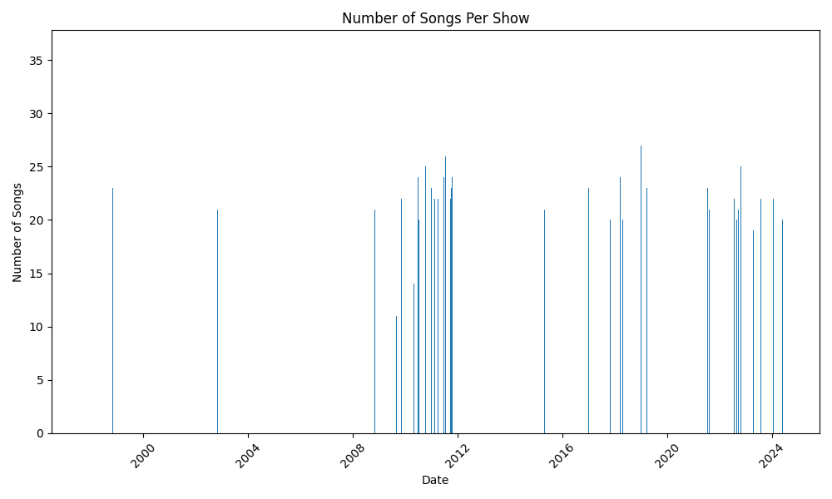

Top_10_Most_Played_Songs
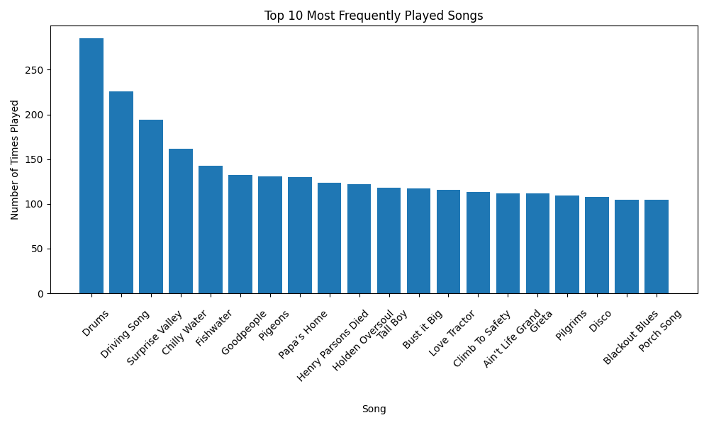

Top_20_Loc_By_Num_Shows
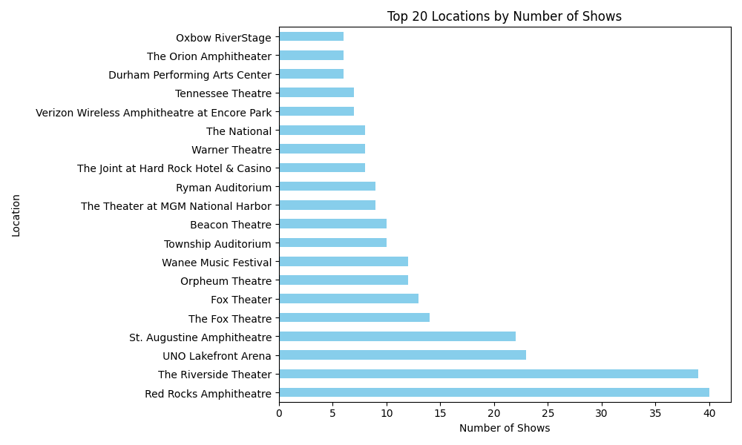

Rep_Of_Disco_Over_Time
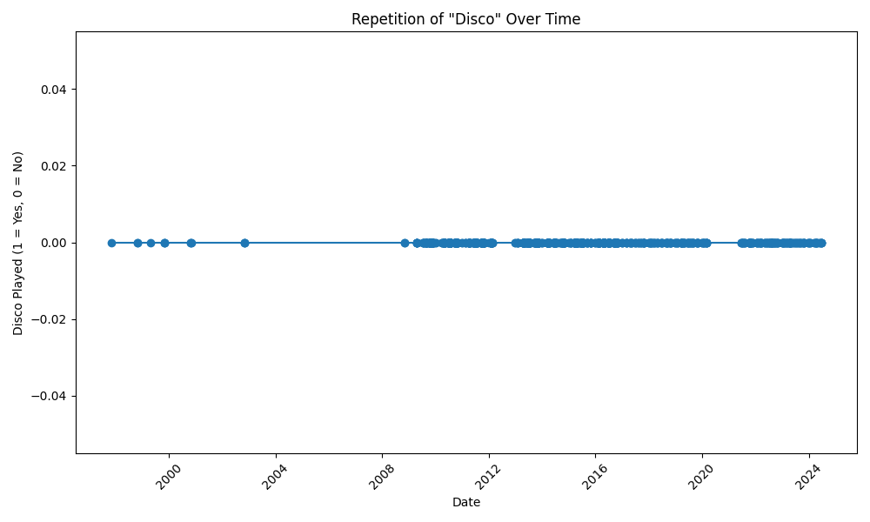

Top_10_Most_Pop_Closing_Songs
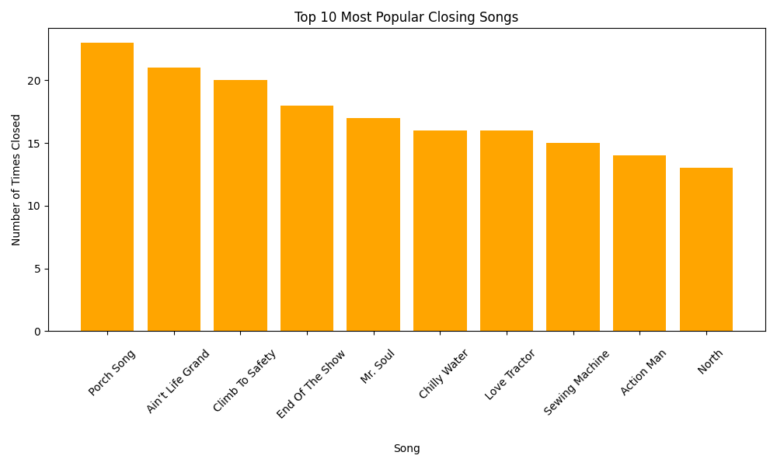

Top_10_Most_Pop_Opening_Songs
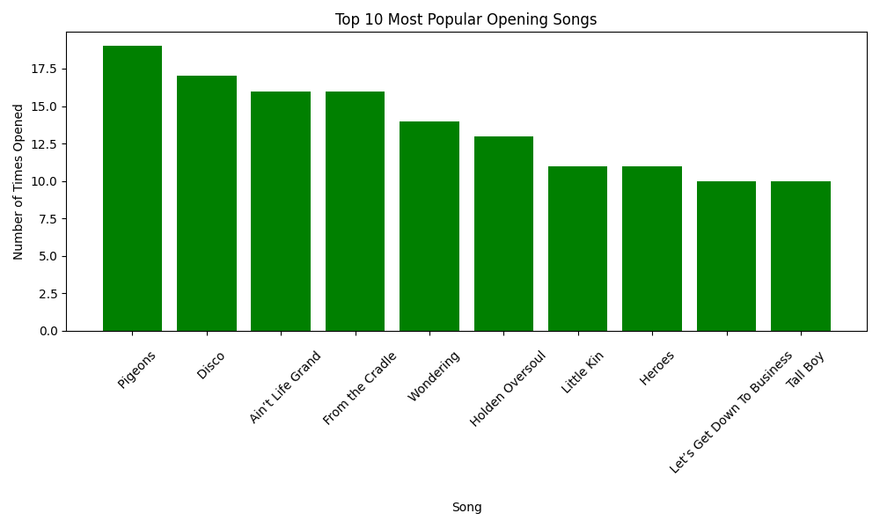

Num_Songs_Per_Show_Over_Time
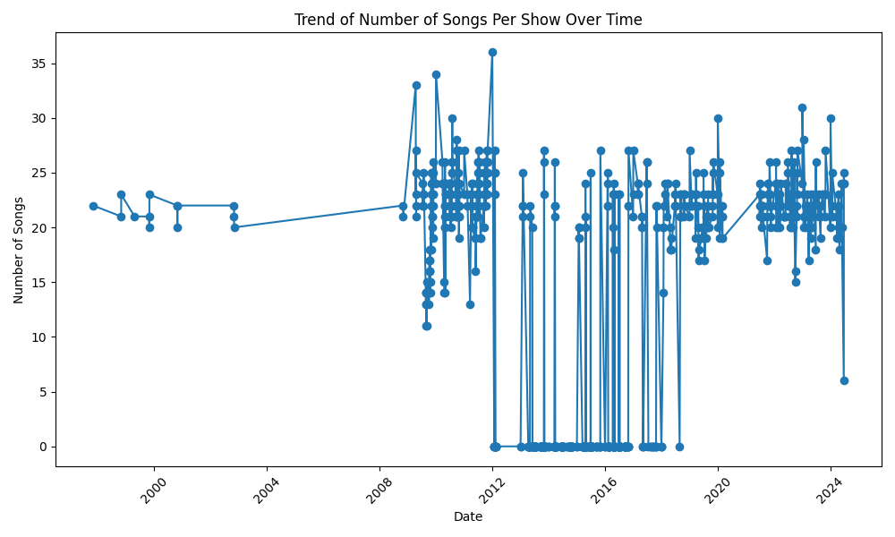

Num_Shows_By_Loc_Heatmap
