Tabelle1
Step | Remark | Wooden Log | Rough Stone | Sawn Planks | Nails | Padlock |  | Wooden Log | Rough Stone | Nails | Padlock
1 | Wooden Fence (foundation) | 1 | 2 |  |  |  |  | 1 | 2 | 0 | 0
2 | Wooden Fence Frame | 1 | 1 |  |  |  |  | 2 | 3 | 0 | 0
3 | Wooden Fence 1st Panel |  |  | 1 | 1 |  |  | 2.5 | 3 | 1 | 0
4 | Wooden Fence 2nd Panel |  |  | 2 |  |  |  | 3.5 | 3 | 1 | 0
5 | Wooden Fence 3rd Panel |  |  | 2 |  |  |  | 4.5 | 3 | 1 | 0
6 | Wooden Fence 4th Panel |  |  | 2 |  |  |  | 5.5 | 3 | 1 | 0
7 | Wooden Fence lvl.1 |  |  | 3 | 1 |  |  | 7 | 3 | 2 | 0
8 | Wooden Fence lvl.2 |  |  | 3 | 1 |  |  | 8.5 | 3 | 3 | 0
9 | Wooden Fence lvl.3 | 3 |  |  | 1 |  |  | 11.5 | 3 | 4 | 0
10 | Wooden Fence lvl.4 |  |  | 3 | 1 |  |  | 13 | 3 | 5 | 0
11 | Wooden Fence lvl.5 |  |  | 3 | 1 |  |  | 14.5 | 3 | 6 | 0
12 | Wooden Fence lvl.6 |  |  | 3 | 1 |  |  | 16 | 3 | 7 | 0
 |  | 5 | 3 | 22 | 7 | 0

1 | Wooden Gate Foundation | 1 |  |  |  |  |  | 1 | 0 | 0 | 0
2 | Wooden Gate lvl.1 | 1 | 1 |  |  |  |  | 2 | 1 | 0 | 0
3 | Wooden Gate lvl.2 | 1 |  |  |  | 1 |  | 3 | 1 | 0 | 1
4 | Wooden Gate lvl.3 | 1 |  | 1 | 1 |  |  | 4.5 | 1 | 1 | 1
5 | Wooden Gate lvl.4 | 2 |  | 1 |  |  |  | 7 | 1 | 1 | 1
 |  | 6 | 1 | 2 | 1 | 1

 |  |  |  |  |  |  | Für 3 minimale Wände und ein Tor:
 |  |  |  |  |  |  |  | 23 | 10 | 4 | 1

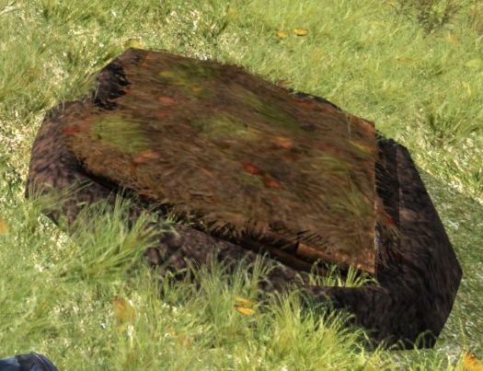
 |  | Sand Bags | Wood Pile | Nails
1 | Stash | 1 |  |  |  |  |  | Required Tools: | etool | Space: 0/12/0
2 | Stash + |  | 1 |  |  |  |  |  | etool | Space: 0/14/0
3 | Stash ++ |  | 1 |  |  |  |  |  | etool | Space: 0/16/0
4 | Stash +++ |  | 1 |  |  |  |  |  | etool | Space: 0/18/0
5 | Stash ++++ |  | 1 |  |  |  |  |  | etool | Space: | 0/20/0
6 | Stash Medium |  | 1 |  |  |  |  |  | etool | Space: | 1/25/0
7 | Stash Medium + |  | 1 |  |  |  |  |  | etool | Space: | 2/50/0
8 | Stash Medium ++ |  | 1 |  |  |  |  |  | etool |  | 4/75/0
9 | Stash Medium +++ |  | 1 | 1 |  |  |  |  | etool |  | 8/100/0
10 | Stash Medium ++++ |  | 1 | 1 |  |  |  |  | etool |  | 16/125/0
 |  | 1 | 9 | 2

