Trucks
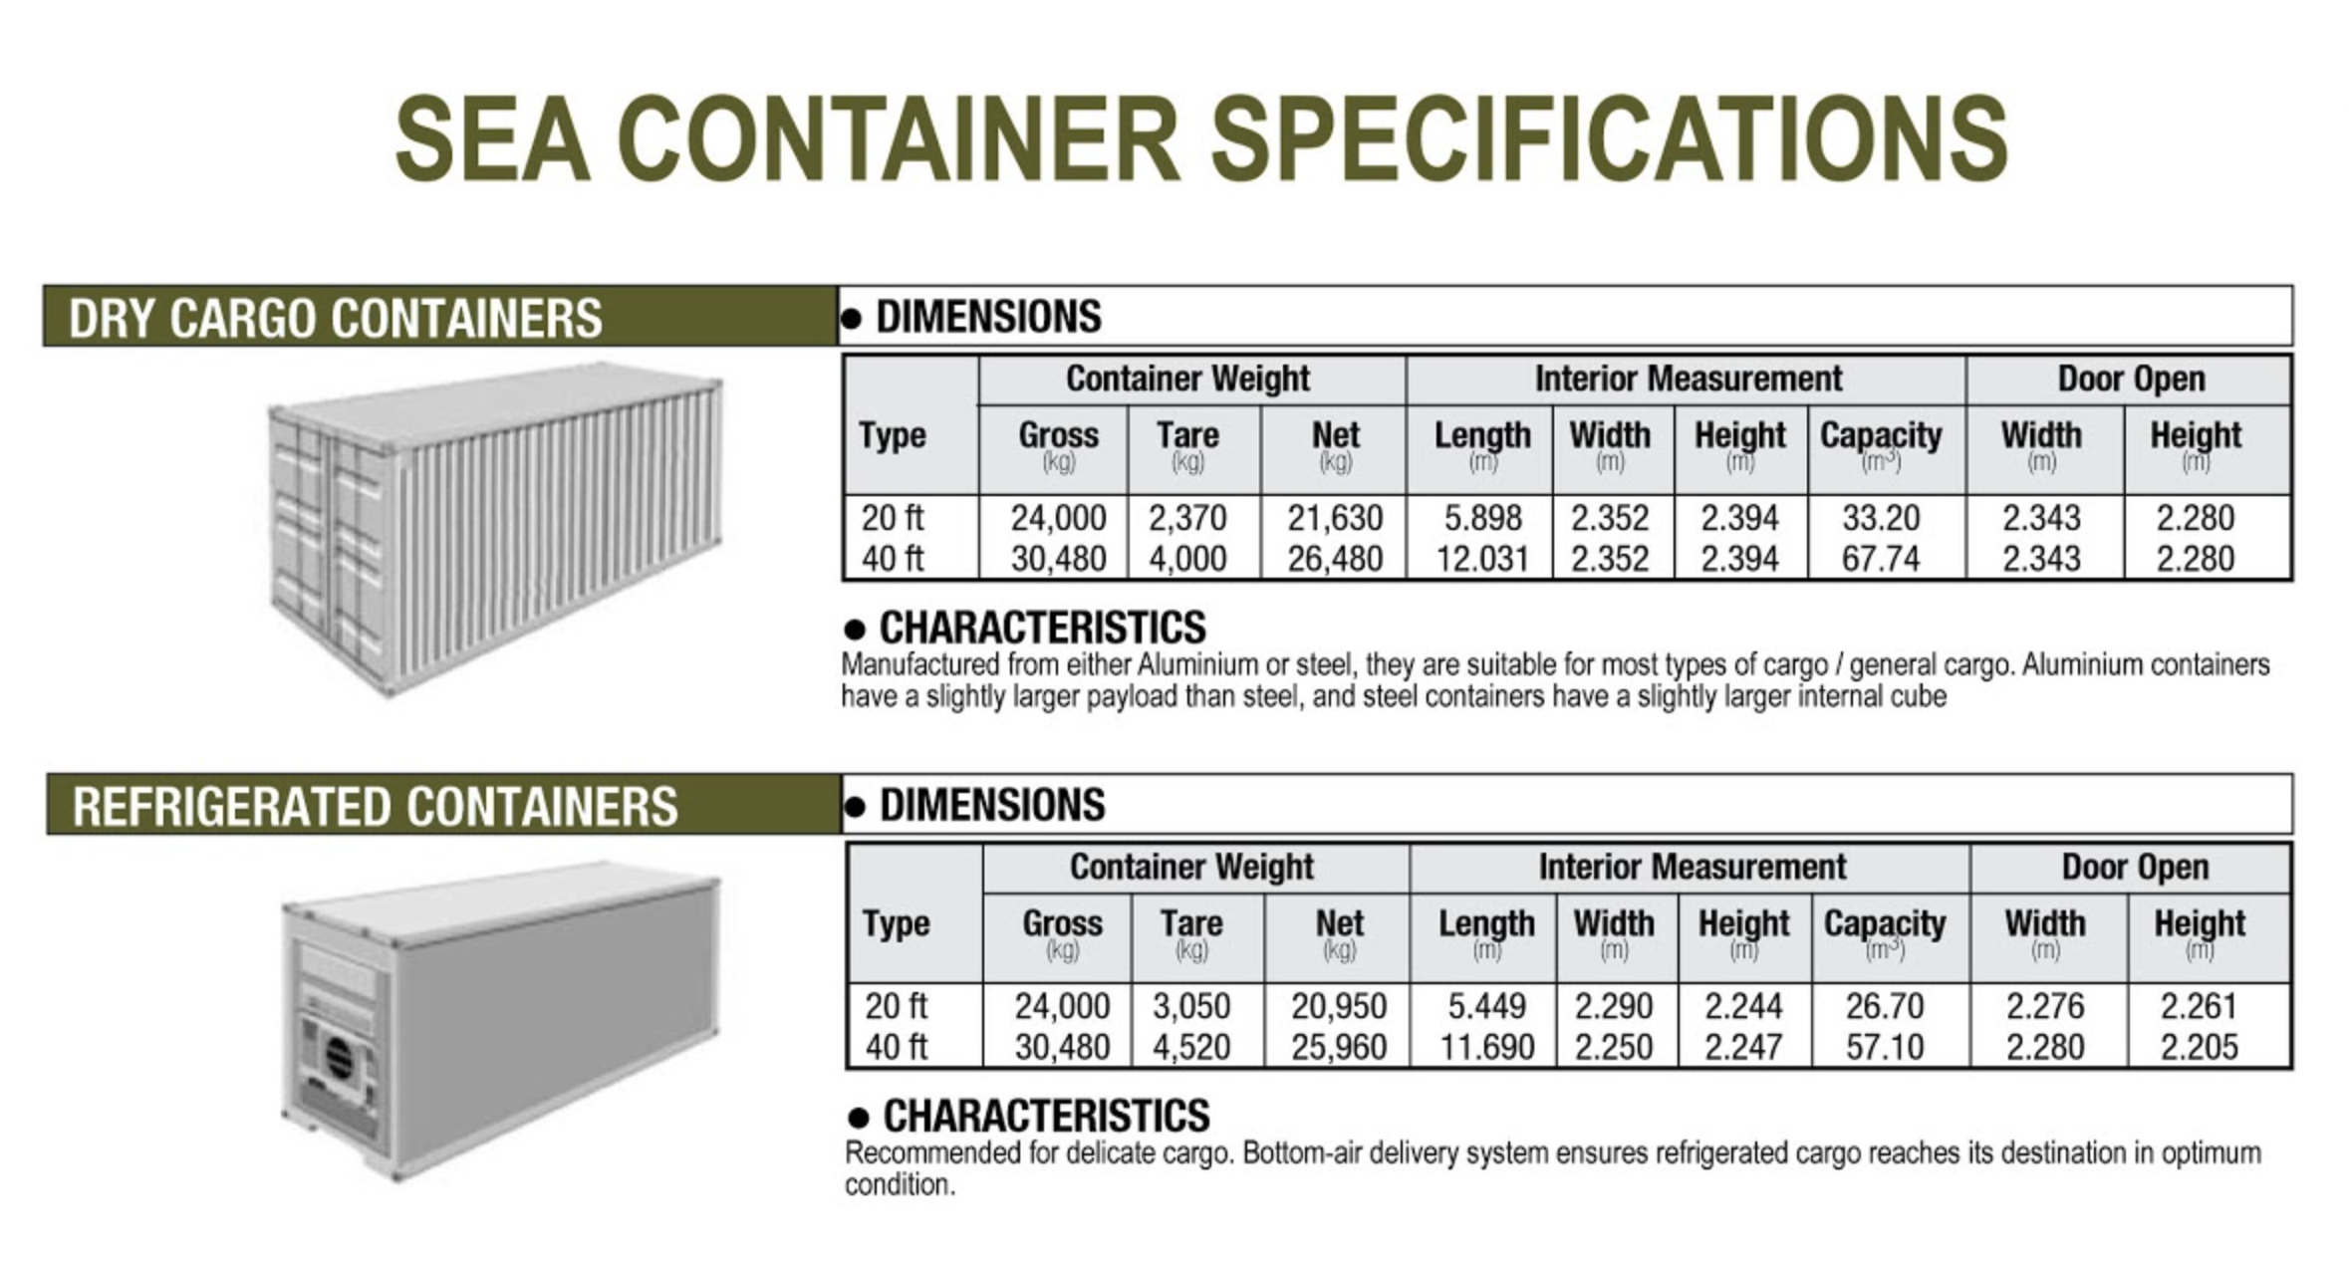
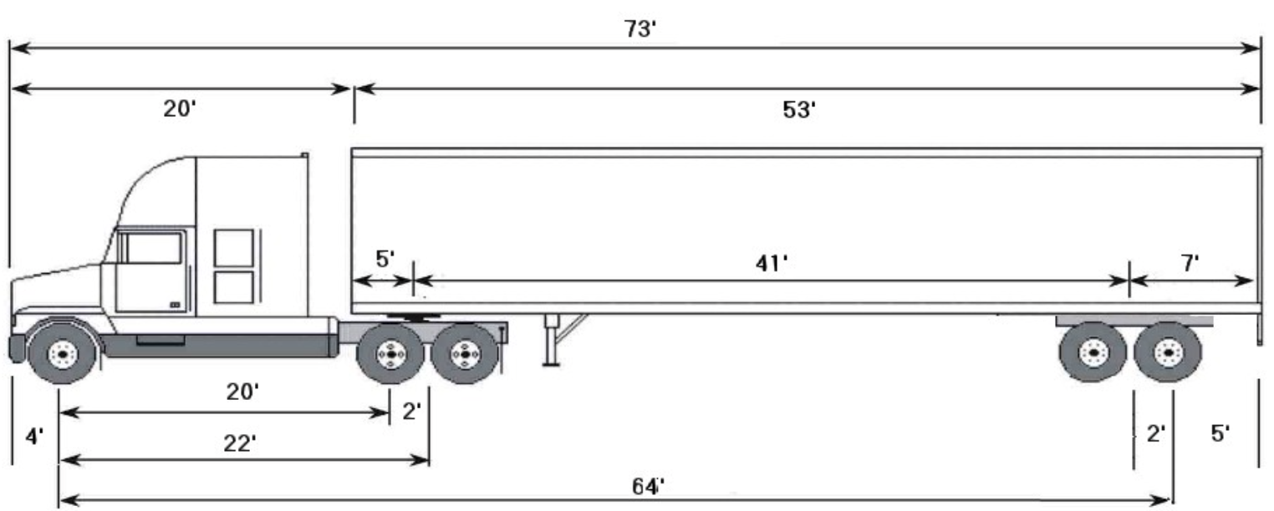
Truck Type | Dock | How Used | Dock Height | Cargo Area Length | Average Turnaround Time (mins) | Load / Unload | Arrival Distribution
Container Truck | 1 - Container | Inbound overseas freight container | 55" to 62" | 40 ft. | 240 | Unpack and palletize | Binomial: 1, 0.06
2-axle City Delivery Truck | 2 - City Delivery / Transship | Local deliveries to bars and restaurants in repackaged boxes | 45" to 48" | 21 ft. | 60 | Boxed - hand truck | Binomial: 3, 0.4
3-axle Box Truck | 2 - City Delivery / Transship | Transshipments between DCs with cases on pallets for stocking and rebalancing | 45" to 48" | 25 ft. | 60 | Palletized - hand truck | Binomial: 3, 0.4
5-axle Semi Trailer | 3 - Semi | Inbound FTL and LTL shipments on pallets | 48" to 52" | 53 ft. | 60 | Palletized - fork lift | Binomial: 5, 0.5

