Shool Finance
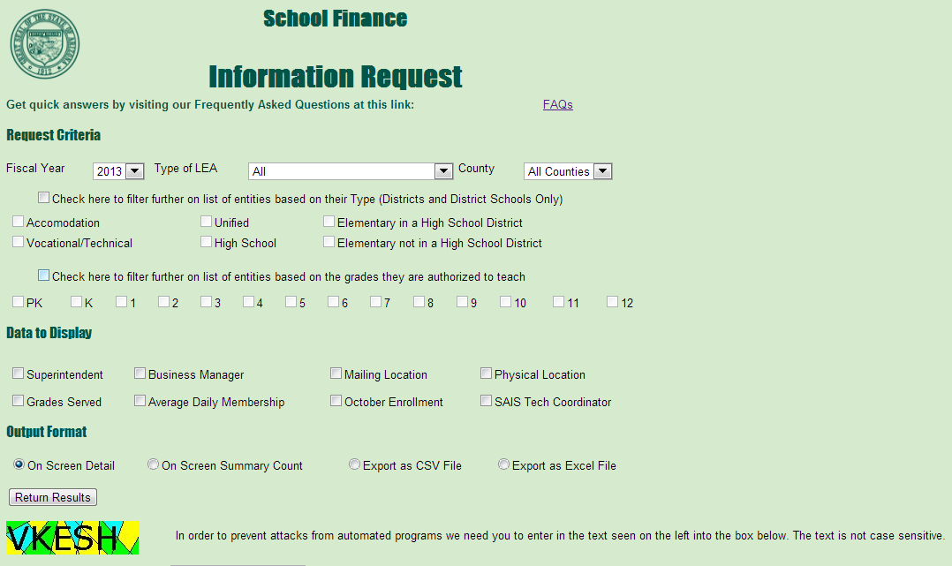
http://www.ade.az.gov/schoolfinance/forms/leaquery/informationrequest.aspx

Edd
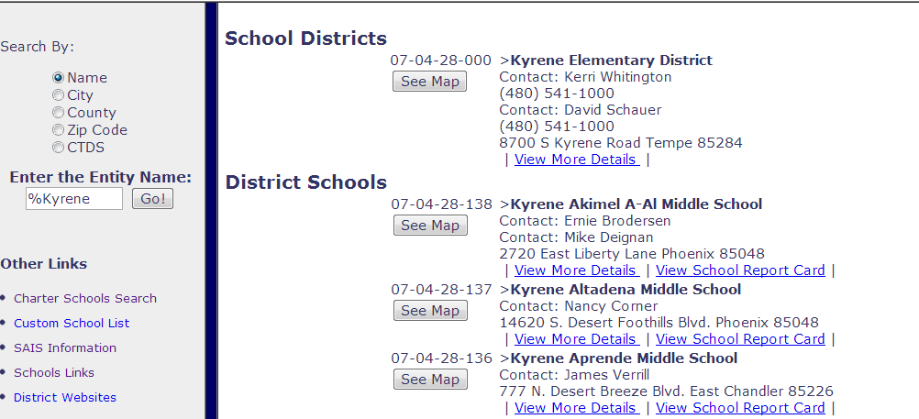
http://www.ade.az.gov/edd/
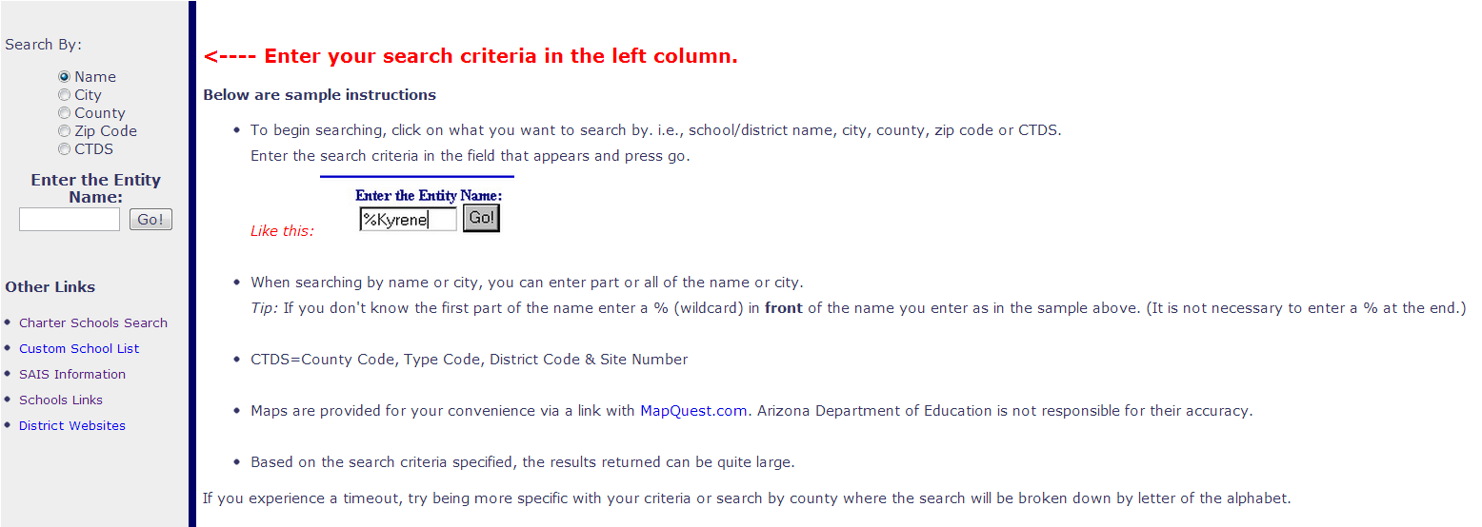

RESULT

Edd Reports
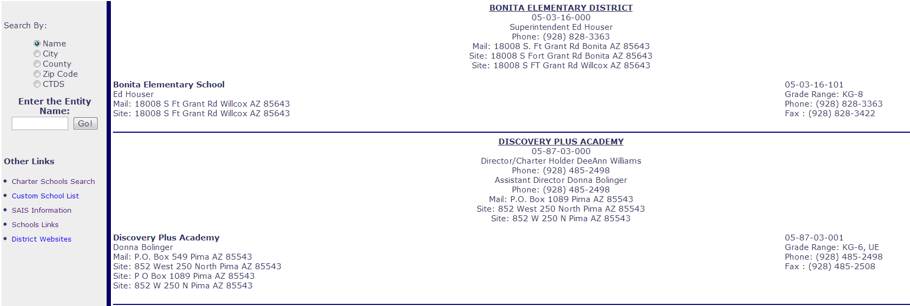
http://www.ade.az.gov/edd/report/


Results

Wizard
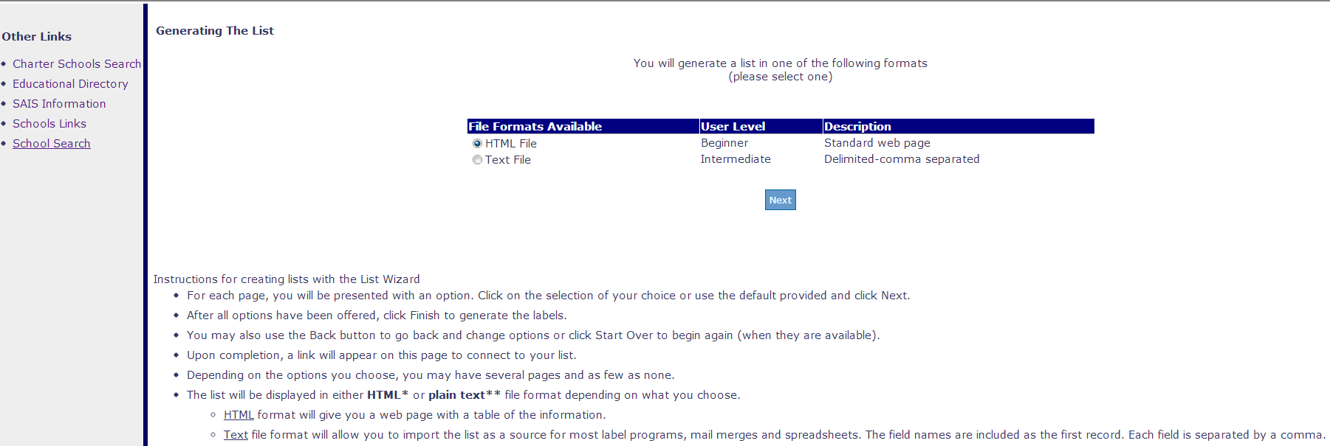
http://www.ade.az.gov/wizard/

ADMS 45-1
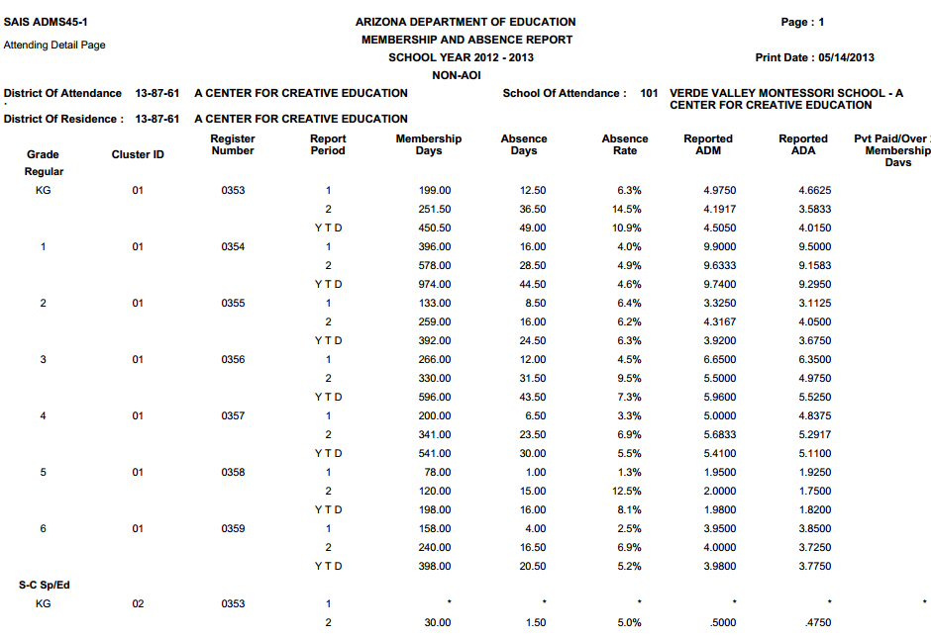
ADMS 45-1 Detailed ADM Attending Count Report (2013) - [5/14/2013 11:54:23 AM]

ADMS 46-1
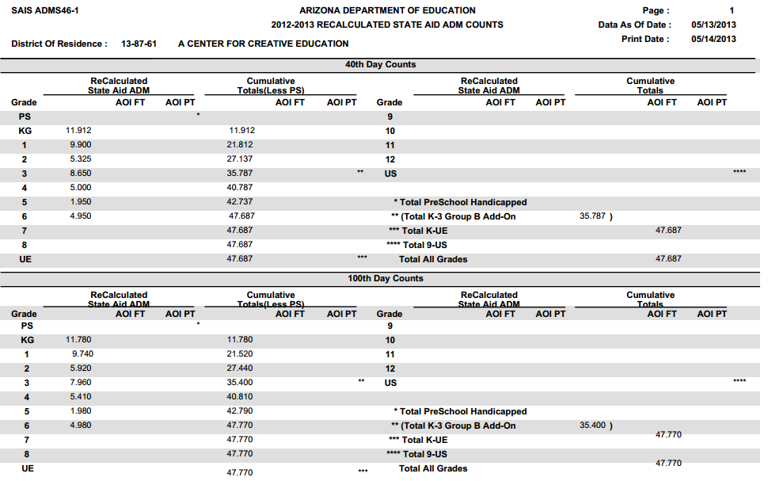
ADMS 46-1 Recalculated ADM State Aid Report (2013) - [5/14/2013 1:29:36 PM]

ADMS 540-1
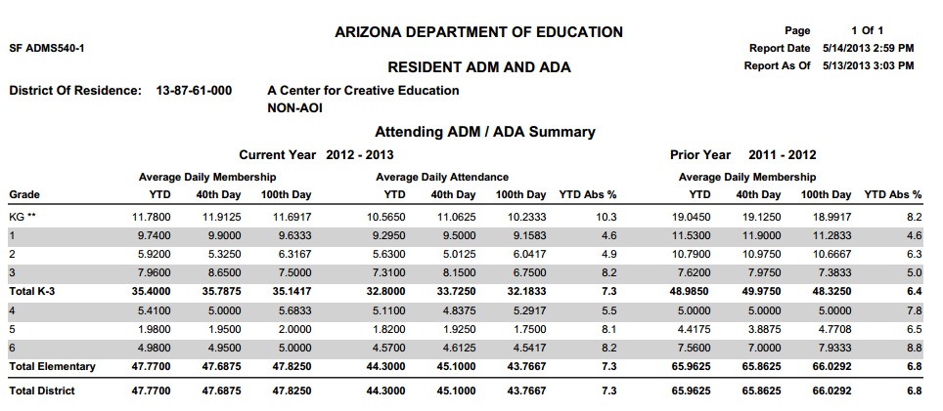
ADMS 540-1 Current / Prior Year Resident ADM and ADA (2013) - [5/14/2013 2:17:00 PM]

Charter Equalization Report
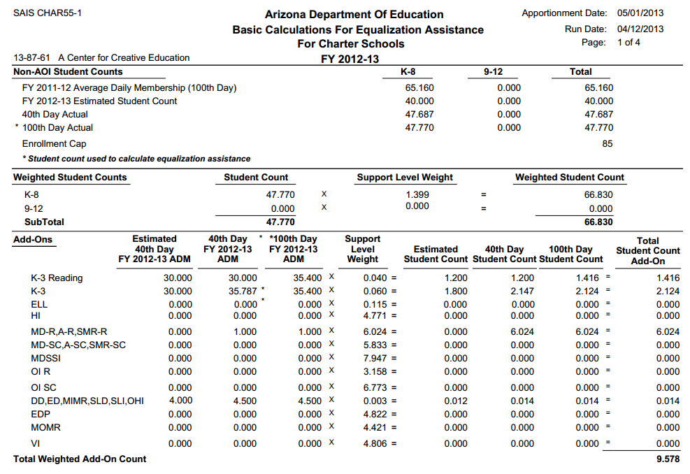
Charter Equalization Report (CHAR55-1) (2013) - [4/12/2013 10:11:24 AM]

Charter Payments Report
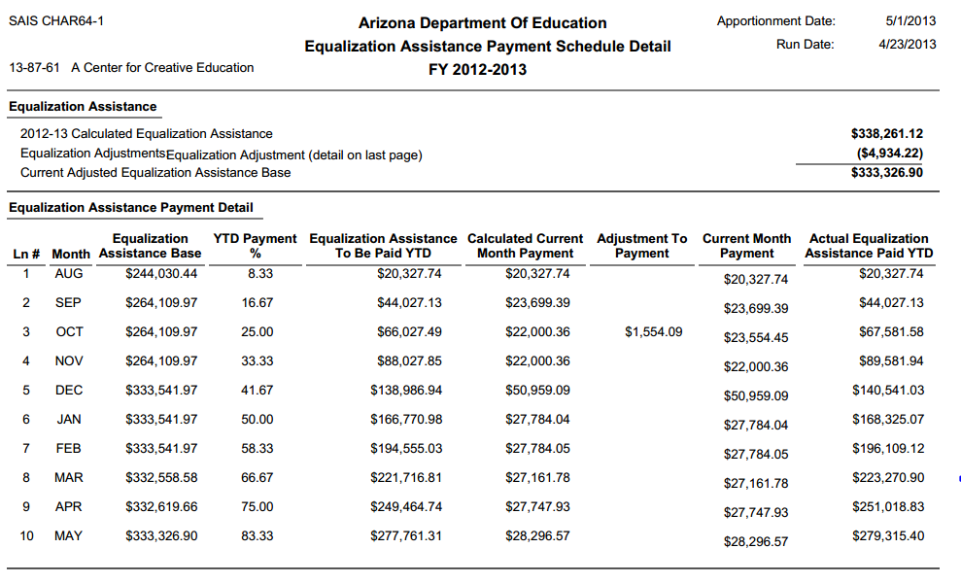
Charter Payments Report (CHAR64-1) (2013) - [4/23/2013]

Charter School Enrollment Sum.
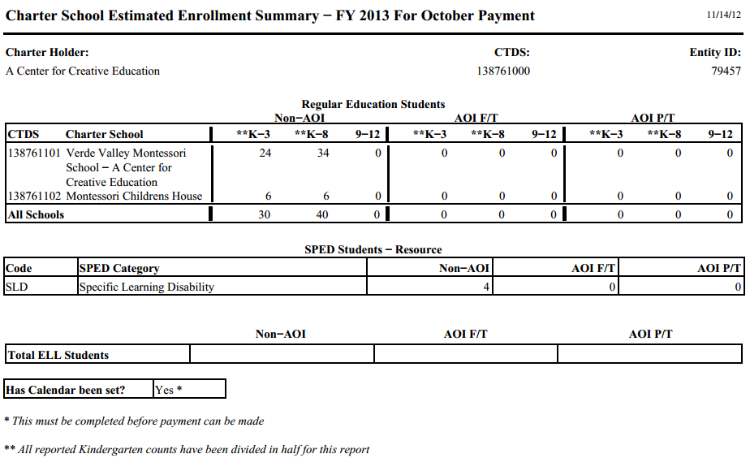
Charter School Student Enrollment Summary (2013) - [11/14/2012 9:06:18 AM]

Classroom Site Fund
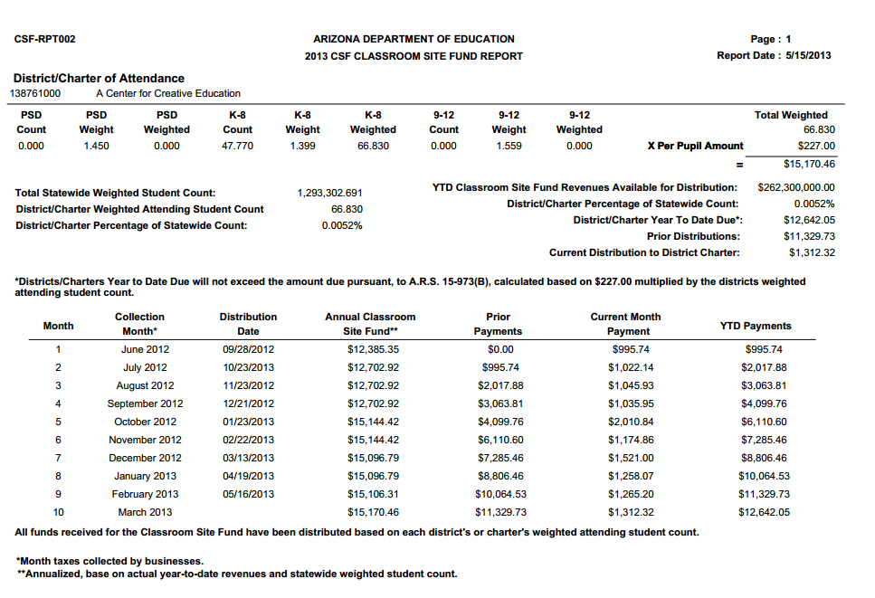
Classroom Site Fund(CSF 301) (2013) - [5/15/2013 8:47:12 AM]

SPED28
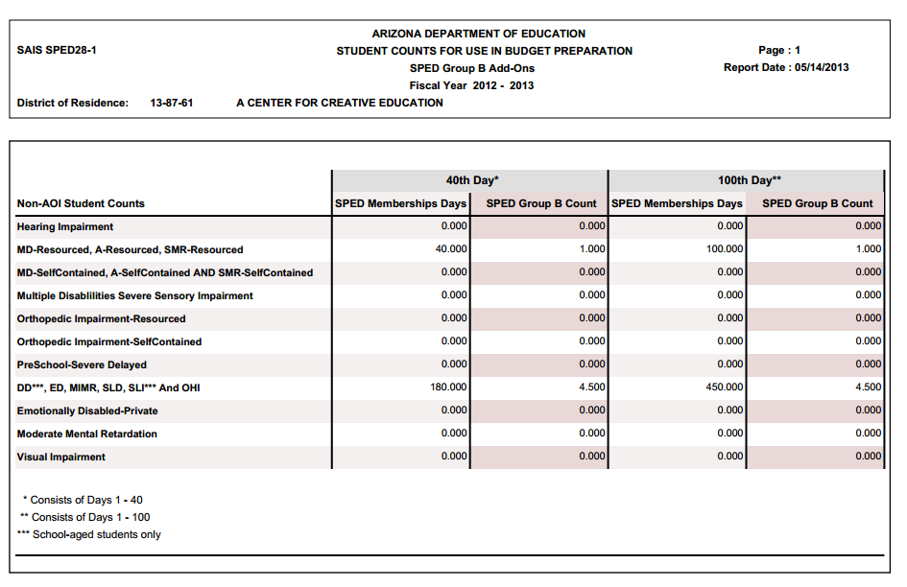
SPED28 Student SPED ADM for 40th day and 100th Day (2013) - [5/14/2013 2:18:00 PM]

APOR59
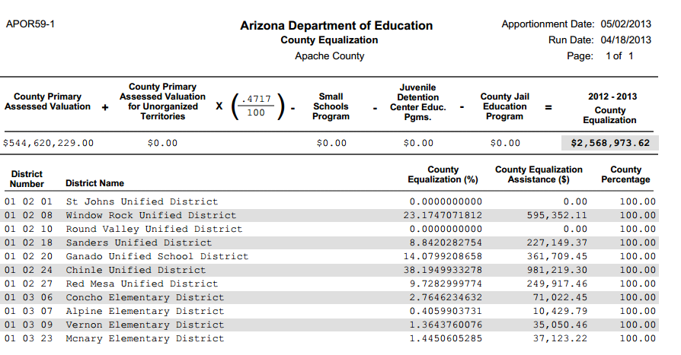
APOR59

County Jails
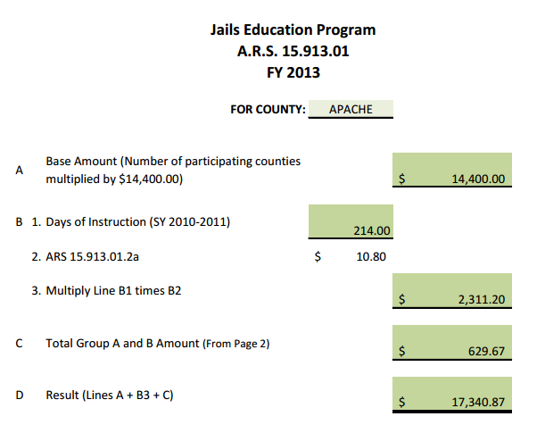
County Jails

APOR65
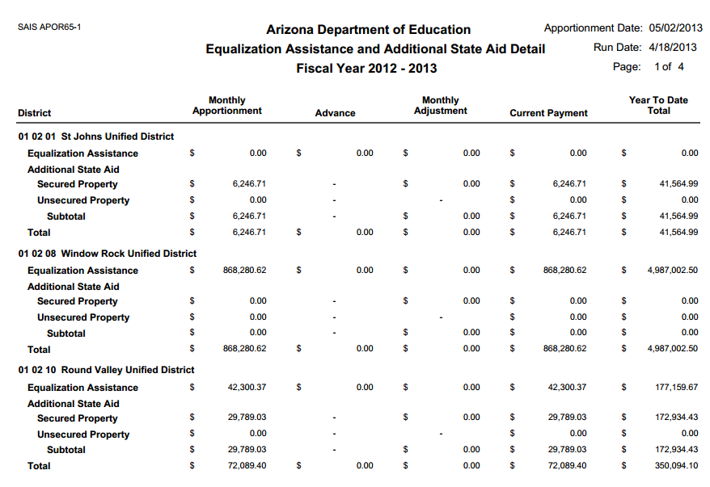
APOR65

Classroom Site Fund-B
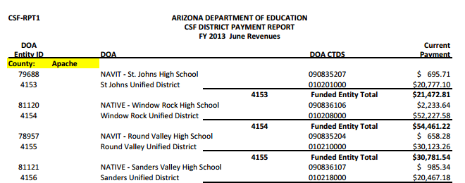
Classroom Site Fund

Juvenile Detention
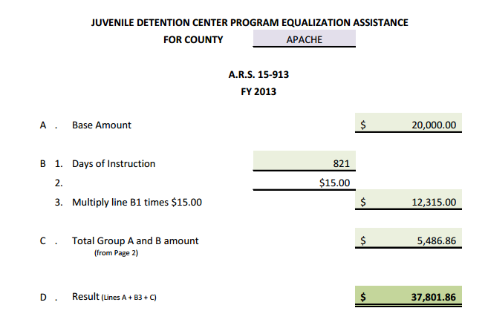
Juvenile Detention

