Dashboard
Days Completed | 42%
Days Remaining | 58%
OVERALL TASK PROGRESS
 | Not Started | In Progress | Completed
 | 4 | 34 | 3
Actual | 42%
Budget | 58%
BUDGET VS ACTUAL
 | Actual | Budget
Total | 8.5M | 19.9M
Project Follow-up |  |  | Schedule: | 17-feb-20 to 21-feb-25 |  | Scrolling bar:

42%

Project | Task | Manager | Start Date | End Date | Duration | Days comp. | Progress | Budget | Actual | 2020-02-27 | 2020-02-28 | 2020-02-29 | 2020-03-01 | 2020-03-02 | 2020-03-03 | 2020-03-04 | 2020-03-05 | 2020-03-06 | 2020-03-07 | 2020-03-08 | 2020-03-09 | 2020-03-10 | 2020-03-11 | 2020-03-12 | 2020-03-13 | 2020-03-14 | 2020-03-15 | 2020-03-16 | 2020-03-17 | 2020-03-18 | 2020-03-19 | 2020-03-20 | 2020-03-21 | 2020-03-22 | 2020-03-23
New Project | Task 1 | Ana | 2025-02-16 | 2025-02-21 | 5 | 2 | 40% | 218,000 € | 97,337 €
Web | Task 1 | Bruno | 2020-02-17 | 2020-02-21 | 5 | 2 | 40% | 218,000 € | 97,337 €
 | Task 2 | Pedro | 2020-02-17 | 2020-02-24 | 6 | 3 | 50% | 393,000 € | 177,440 €
 | Task 3 | Ana | 2020-02-18 | 2020-03-02 | 10 | 4 | 40% | 86,000 € | 31,046 €
 | Task 4 | Bruno | 2020-02-21 | 2020-03-04 | 9 | 3 | 33% | 732,000 € | 261,324 €
 | Task 5 | Pedro | 2020-02-17 | 2020-02-20 | 4 | 1 | 25% | 492,000 € | 116,850 €
 | Task 6 | Ana | 2020-02-20 | 2020-02-27 | 6 | 0 | 0% | 188,000 € | 0 €
 | Task 7 | Bruno | 2020-02-20 | 2020-02-28 | 7 | 3 | 43% | 180,000 € | 79,380 €
 | Task 8 | Pedro | 2020-02-24 | 2020-02-28 | 5 | 2 | 40% | 582,000 € | 195,231 €
 | Task 9 | Ana | 2020-02-24 | 2020-03-05 | 9 | 1 | 11% | 562,000 € | 74,746 €
 | Task 10 | Juan | 2020-02-24 | 2020-03-02 | 6 | 3 | 50% | 416,000 € | 175,015 €
App | Task 1 | Pedro | 2020-02-18 | 2020-02-26 | 7 | 7 | 100% | 293,000 € | 273,001 €
 | Task 2 | Ana | 2020-02-17 | 2020-02-27 | 9 | 4 | 44% | 224,000 € | 57,910 €
 | Task 3 | Bruno | 2020-02-18 | 2020-02-27 | 8 | 0 | 0% | 978,000 € | 0 €
 | Task 4 | Pedro | 2020-02-20 | 2020-02-28 | 7 | 3 | 43% | 932,000 € | 379,157 €
 | Task 5 | Ana | 2020-02-21 | 2020-02-26 | 4 | 1 | 25% | 854,000 € | 322,812 €
 | Task 6 | Bruno | 2020-02-21 | 2020-02-28 | 6 | 3 | 50% | 81,000 € | 38,461 €
 | Task 7 | Pedro | 2020-02-24 | 2020-03-02 | 6 | 5 | 83% | 169,000 € | 136,468 €
 | Task 8 | Ana | 2020-02-25 | 2020-02-28 | 4 | 1 | 25% | 61,000 € | 12,078 €
 | Task 9 | Bruno | 2020-02-27 | 2020-03-06 | 7 | 3 | 43% | 645,000 € | 273,048 €
 | Task 10 | Pedro | 2020-02-17 | 2020-02-19 | 3 | 3 | 100% | 68,000 € | 64,987 €
Software | Task 1 | Ana | 2020-02-17 | 2020-02-28 | 10 | 5 | 50% | 839,000 € | 406,974 €
 | Task 2 | Bruno | 2020-02-21 | 2020-02-27 | 5 | 4 | 80% | 729,000 € | 487,139 €
 | Task 3 | Pedro | 2020-02-24 | 2020-03-03 | 7 | 3 | 43% | 826,000 € | 298,186 €
 | Task 4 | Ana | 2020-02-26 | 2020-03-05 | 7 | 2 | 29% | 895,000 € | 280,583 €
 | Task 5 | Bruno | 2020-02-28 | 2020-03-03 | 3 | 2 | 67% | 341,000 € | 129,785 €
Infraestructure | Task 1 | Pedro | 2020-03-02 | 2020-03-12 | 9 | 8 | 89% | 787,000 € | 727,188 €
 | Task 2 | Ana | 2020-03-02 | 2020-03-13 | 10 | 2 | 20% | 228,000 € | 47,880 €
 | Task 3 | Bruno | 2020-02-17 | 2020-02-20 | 4 | 0 | 0% | 147,000 € | 0 €
 | Task 4 | Pedro | 2020-02-19 | 2020-02-28 | 8 | 5 | 63% | 338,000 € | 205,123 €
 | Task 5 | Ana | 2020-02-24 | 2020-03-06 | 10 | 3 | 30% | 857,000 € | 305,949 €
 | Task 6 | Bruno | 2020-02-25 | 2020-03-03 | 6 | 3 | 50% | 602,000 € | 322,371 €
 | Task 7 | Pedro | 2020-02-25 | 2020-02-28 | 4 | 2 | 50% | 990,000 € | 451,440 €
VDI | Task 1 | Ana | 2020-02-28 | 2020-03-10 | 8 | 3 | 38% | 96,000 € | 32,256 €
 | Task 2 | Bruno | 2020-03-02 | 2020-03-12 | 9 | 4 | 44% | 513,000 € | 226,233 €
 | Task 3 | Pedro | 2020-02-20 | 2020-02-26 | 5 | 3 | 60% | 616,000 € | 401,579 €
 | Task 4 | Ana | 2020-02-19 | 2020-02-21 | 3 | 3 | 100% | 817,000 € | 807,069 €
 | Task 5 | Bruno | 2020-02-21 | 2020-03-02 | 7 | 3 | 43% | 372,000 € | 173,166 €
 | Task 6 | Pedro | 2020-02-24 | 2020-03-06 | 10 | 2 | 20% | 50,000 € | 8,400 €
 | Task 7 | Ana | 2020-02-24 | 2020-03-06 | 10 | 3 | 30% | 807,000 € | 262,679 €
 | Task 8 | Maria | 2020-02-24 | 2020-02-26 | 3 | 0 | 0% | 691,000 € | 25,000 €
Total general |  |  |  |  |  |  |  | 19,913,000 € | 8,462,628 €

Data
ADD DATA
UPDATE WORKBOOK
Project | Task | Manager | Start Date | Duration | End Date | Days completed | Progress | Budget | Actual | El archivo que añades DEBE TENER los mismos encabezados de las columnas de esta pestaña. The file you add MUST HAVE the same column headers from this sheet. | Si un Proyecto tiene una Tarea duplicada, se subraya en ROJO. If a Project has a duplicate Task, is highlighted in RED.
New Project | Task 1 | Ana | 2025-02-16 | 5 | 2025-02-21 | 2 | 40% | 218,000 | 97,337
Web | Task 1 | Bruno | 2020-02-17 | 5 | 2020-02-21 | 2 | 40% | 218,000 | 97,337
Web | Task 2 | Pedro | 2020-02-17 | 6 | 2020-02-24 | 3 | 50% | 393,000 | 177,440
Web | Task 3 | Ana | 2020-02-18 | 10 | 2020-03-02 | 4 | 40% | 86,000 | 31,046
Web | Task 4 | Bruno | 2020-02-21 | 9 | 2020-03-04 | 3 | 33% | 732,000 | 261,324
Web | Task 5 | Pedro | 2020-02-17 | 4 | 2020-02-20 | 1 | 25% | 492,000 | 116,850
Web | Task 6 | Ana | 2020-02-20 | 6 | 2020-02-27 | 0 | 0% | 188,000 | 0
Web | Task 7 | Bruno | 2020-02-20 | 7 | 2020-02-28 | 3 | 43% | 180,000 | 79,380
Web | Task 8 | Pedro | 2020-02-24 | 5 | 2020-02-28 | 2 | 40% | 582,000 | 195,231
Web | Task 9 | Ana | 2020-02-24 | 9 | 2020-03-05 | 1 | 11% | 562,000 | 74,746
Web | Task 10 | Juan | 2020-02-24 | 6 | 2020-03-02 | 3 | 50% | 416,000 | 175,015
App | Task 1 | Pedro | 2020-02-18 | 7 | 2020-02-26 | 7 | 100% | 293,000 | 273,001
App | Task 2 | Ana | 2020-02-17 | 9 | 2020-02-27 | 4 | 44% | 224,000 | 57,910
App | Task 3 | Bruno | 2020-02-18 | 8 | 2020-02-27 | 0 | 0% | 978,000 | 0
App | Task 4 | Pedro | 2020-02-20 | 7 | 2020-02-28 | 3 | 43% | 932,000 | 379,157
App | Task 5 | Ana | 2020-02-21 | 4 | 2020-02-26 | 1 | 25% | 854,000 | 322,812
App | Task 6 | Bruno | 2020-02-21 | 6 | 2020-02-28 | 3 | 50% | 81,000 | 38,461
App | Task 7 | Pedro | 2020-02-24 | 6 | 2020-03-02 | 5 | 83% | 169,000 | 136,468
App | Task 8 | Ana | 2020-02-25 | 4 | 2020-02-28 | 1 | 25% | 61,000 | 12,078
App | Task 9 | Bruno | 2020-02-27 | 7 | 2020-03-06 | 3 | 43% | 645,000 | 273,048
App | Task 10 | Pedro | 2020-02-17 | 3 | 2020-02-19 | 3 | 100% | 68,000 | 64,987
Software | Task 1 | Ana | 2020-02-17 | 10 | 2020-02-28 | 5 | 50% | 839,000 | 406,974
Software | Task 2 | Bruno | 2020-02-21 | 5 | 2020-02-27 | 4 | 80% | 729,000 | 487,139
Software | Task 3 | Pedro | 2020-02-24 | 7 | 2020-03-03 | 3 | 43% | 826,000 | 298,186
Software | Task 4 | Ana | 2020-02-26 | 7 | 2020-03-05 | 2 | 29% | 895,000 | 280,583
Software | Task 5 | Bruno | 2020-02-28 | 3 | 2020-03-03 | 2 | 67% | 341,000 | 129,785
Infraestructure | Task 1 | Pedro | 2020-03-02 | 9 | 2020-03-12 | 8 | 89% | 787,000 | 727,188
Infraestructure | Task 2 | Ana | 2020-03-02 | 10 | 2020-03-13 | 2 | 20% | 228,000 | 47,880
Infraestructure | Task 3 | Bruno | 2020-02-17 | 4 | 2020-02-20 | 0 | 0% | 147,000 | 0
Infraestructure | Task 4 | Pedro | 2020-02-19 | 8 | 2020-02-28 | 5 | 63% | 338,000 | 205,123
Infraestructure | Task 5 | Ana | 2020-02-24 | 10 | 2020-03-06 | 3 | 30% | 857,000 | 305,949
Infraestructure | Task 6 | Bruno | 2020-02-25 | 6 | 2020-03-03 | 3 | 50% | 602,000 | 322,371
Infraestructure | Task 7 | Pedro | 2020-02-25 | 4 | 2020-02-28 | 2 | 50% | 990,000 | 451,440
VDI | Task 1 | Ana | 2020-02-28 | 8 | 2020-03-10 | 3 | 38% | 96,000 | 32,256
VDI | Task 2 | Bruno | 2020-03-02 | 9 | 2020-03-12 | 4 | 44% | 513,000 | 226,233
VDI | Task 3 | Pedro | 2020-02-20 | 5 | 2020-02-26 | 3 | 60% | 616,000 | 401,579
VDI | Task 4 | Ana | 2020-02-19 | 3 | 2020-02-21 | 3 | 100% | 817,000 | 807,069
VDI | Task 5 | Bruno | 2020-02-21 | 7 | 2020-03-02 | 3 | 43% | 372,000 | 173,166
VDI | Task 6 | Pedro | 2020-02-24 | 10 | 2020-03-06 | 2 | 20% | 50,000 | 8,400
VDI | Task 7 | Ana | 2020-02-24 | 10 | 2020-03-06 | 3 | 30% | 807,000 | 262,679
VDI | Task 8 | Maria | 2020-02-24 | 3 | 2020-02-26 | 0 | 0% | 691,000 | 25,000

Instructions workbook
Project Management Controller Instructions
TECHNIQUES USED:
I used several techniques to build this Excel project management dashboard and below you’ll find links to the individual tutorials on those topics:
Excel Tables
PivotTables
COUNTIF and COUNTIFS functions
GETPIVOTDATA function
WORKDAY.INTL function
WEEKDAY function
Excel Charts
Slicers
TEXT function
Form Controls
SEQUENCE function
Conditional Formatting Data Bars
Conditional Formatting with Formulas
Custom Number Formats
Step 1 | Format source data in an Excel Table - CTRL+T

Step 2 | Dashboard PivotTable
 | Insert Dashboard PivotTable in cell A5
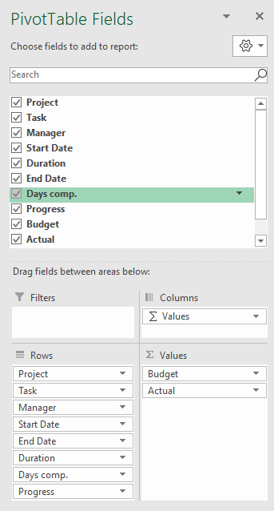

2.02 | Format PivotTable with Tabular layout & no subtotals
2.03 | Format PivotTable Budget & Actual values via Field Settings
2.04 | PivotTable Options > Turn off Expand/Collapse buttons
2.05 | Format PivotTable in light grey
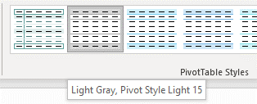

Step 3 | Insert Table for Tasks Bar Chart on Workings Sheet

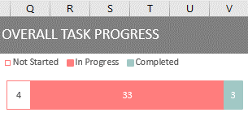

 | Bar chart height 3.73 x 9.0 wide.

Step 4 | Insert doughnut chart PivotTable for Overall Completed - Completed Days vs Duration

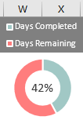

 |  | Chart height 3.73 x width 3.25

Step 5 | Insert budget vs actual doughnut & bar chart PivotTable on Workings Sheet
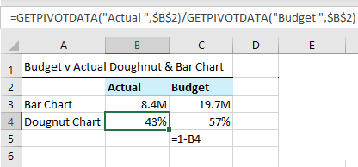
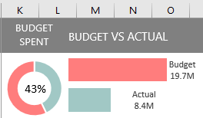
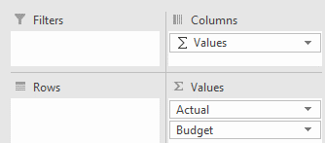

 | Doughnut hole 58%
 | Bar chart series overlap -30%, gap width 0%
 | Doughnut chart height 3.73 x width 3.25, Bar Chart height 3.73 x width 6.

Step 6 | Insert Slicers for Project and Manager fields & connect to all PivotTables
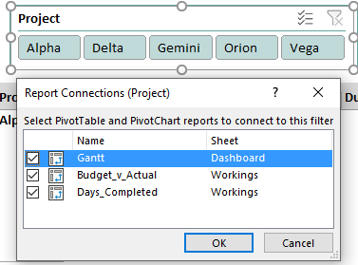
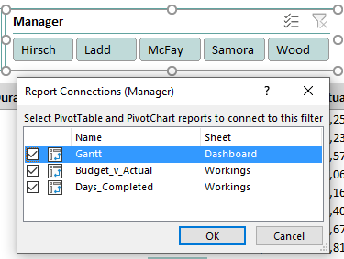

Step 7 | Add text for date range to header cell F1:

 | =TEXT(MIN(D6:D51),"d-mmm-yy")&" to "&TEXT(MAX(E6:E51),"d-mmm-yy")

Step 8 | Add scroll bar and link to a cell P2 in the Workings sheet
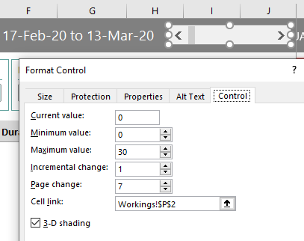

Step 9 | Add calendar dates in cell K5:AJ5
 | Note: the formula below only works in Excel for Office 365.

 | =SEQUENCE(1,26,MIN(Table1[Start Date])+Workings!P2,1)

Step 10 | Gantt Chart - Conditional Formatting (extend the 'applies to' range to allow for growth in your data)

10.1 | Add data bars to Progress column of PivotTable

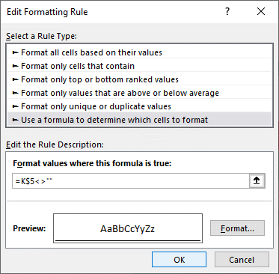
10.2 | Format Dates in row 5

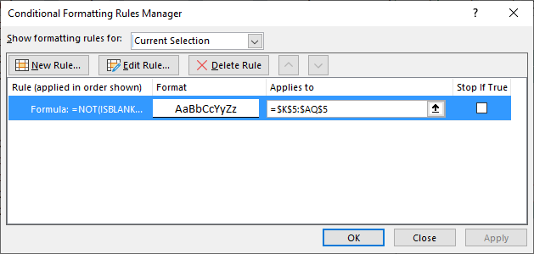

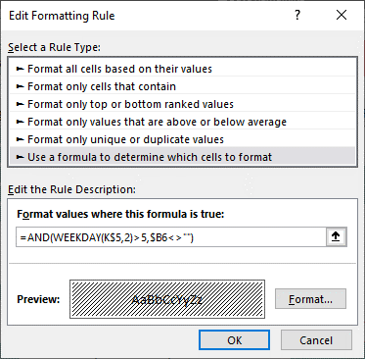
10.3 | Shade columns for weekend dates
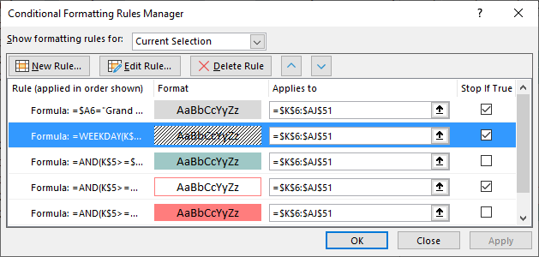

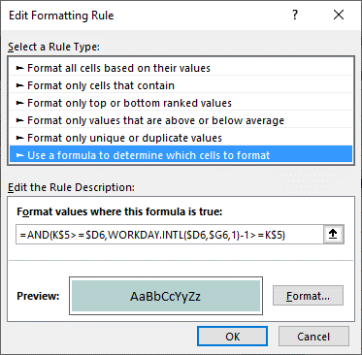
10.4 | Add fill colour for completed dates
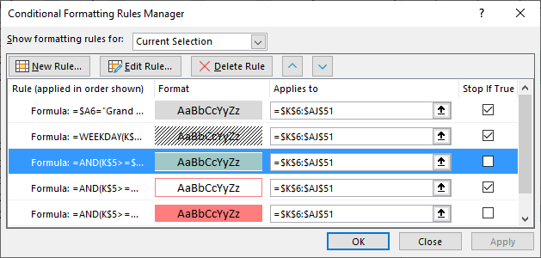

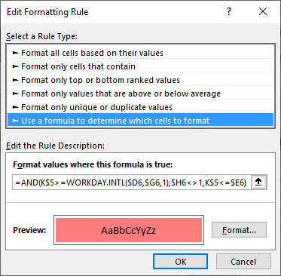
10.5 | Add fill colour for in progress dates
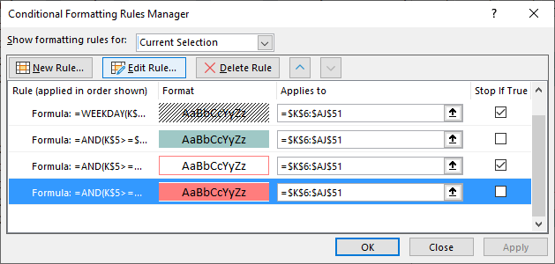

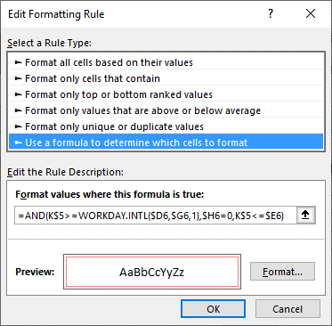
10.6 | Add cell borders for 'not started' dates
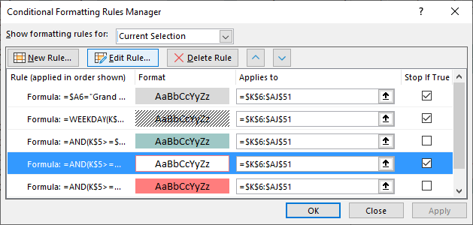

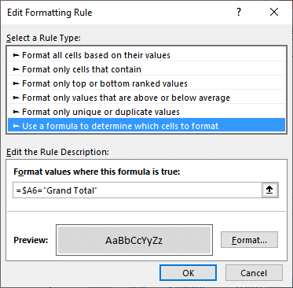
10.7 | Add grey shading to Grand Total row
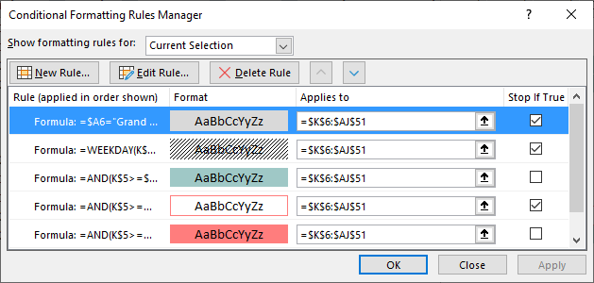

Step 11 | Freeze Panes at cell A6

