Notes
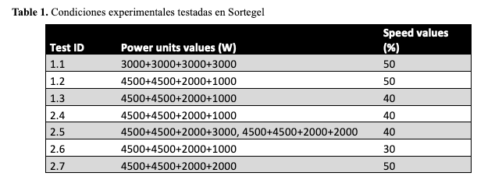

ID | Power unit values (W) | Speed values (%) | Survival (%) | Cooked (%) | Average
1.1 | 3000+3000+3000+3000 | 50 | ++++ | 0 | 0
1.2 | 4500+4500+2000+1000 | 50 | ++ | +++ | 2.5
1.3 | 4500+4500+2000+1000 | 40 | +++ | +++ | 3
2.4 | 4500+4500+2000+1000 | 40 | ++ | ++++ | 3
2.5 | 4500+4500+2000+3000, 4500+4500+2000+2000 | 40 | ++++ | +++ | 3.5
2.6 | 4500+4500+2000+1000 | 30 | +++++ | 0 | 0
2.7 | 4500+4500+2000+2000 | 50 | +++ | ++++ | 3.5

std | run | A: PowerUnit | B: Speed | Survival Rate | Cooked Rate
11 | 1 | 1500 | 45
3 | 2 | 1000 | 50
7 | 3 | 1500 | 37.9
9 | 4 | 1500 | 45
1 | 5 | 1000 | 40
5 | 6 | 792.9 | 45
13 | 7 | 1500 | 45
12 | 8 | 1500 | 45
4 | 9 | 2000 | 50
2 | 10 | 2000 | 40
8 | 11 | 1500 | 52.1
6 | 12 | 2207.1 | 45
10 | 13 | 1500 | 45

