Base
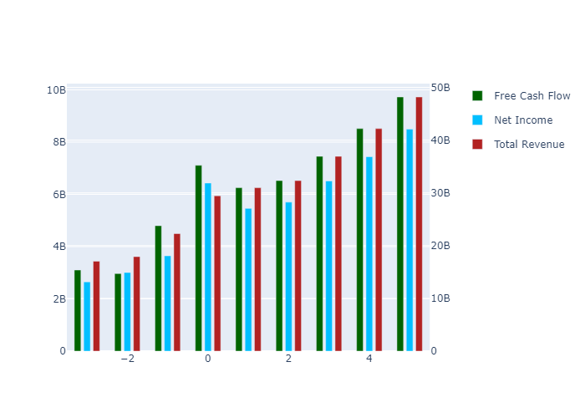
 | 1 | 2 | 3 | 4 | 5 | TV
Total Revenue | 30963300000 | 32321000000 | 36920597802 | 42174763840 | 48176649644 | 0
Net Income | 5460884284.1 | 5700336880.9 | 6511551168.5 | 7438209268.3 | 8496739976 | 0
Free Cash Flow | 6251285818.9 | 6525396484 | 7454024909.1 | 8514806338.8 | 9726547452 | 2.1603887082E+11
Discount Factor | 1.0763728765 | 1.1585785693 | 1.2470625472 | 1.3423043012 | 1.4448199418 | 1.4448199418
Present Value of Free Cash Flow | 5807732576.1 | 5632243386.1 | 5977266277.1 | 6343424759.5 | 6732013568.5 | 1.4952650125E+11

Semi Optimistic
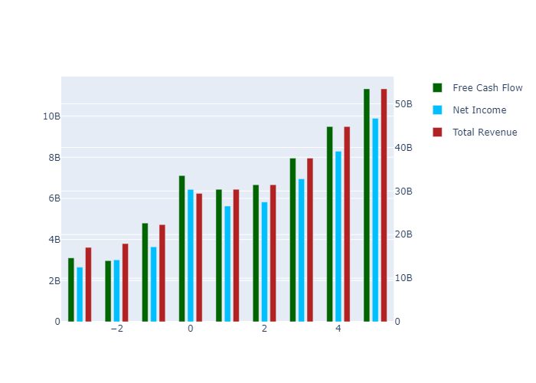
 | 1 | 2 | 3 | 4 | 5 | TV
Total Revenue | 30386300000 | 31442000000 | 37522854374 | 44779740486 | 53440101811 | 0
Net Income | 5627076943.6 | 5822576399.9 | 6948657411.5 | 8292521472.7 | 9896287628.4 | 0
Free Cash Flow | 6441532995.3 | 6665328797.4 | 7954397360.8 | 9492770619 | 11328663874 | 2.5162389465E+11
Discount Factor | 1.0763728765 | 1.1585785693 | 1.2470625472 | 1.3423043012 | 1.4448199418 | 1.4448199418
Present Value of Free Cash Flow | 5984480969.3 | 5753022690.3 | 6378507139.4 | 7071995978 | 7840882830.4 | 1.7415588433E+11

Optimistic
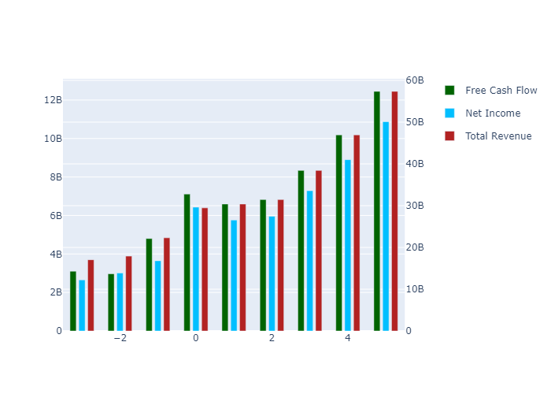
 | 1 | 2 | 3 | 4 | 5 | TV
Total Revenue | 30386300000 | 31442000000 | 38416255668 | 46937494421 | 57348857773 | 0
Net Income | 5761054966 | 5961209171.3 | 7283485007.9 | 8899059290.7 | 10872989534 | 0
Free Cash Flow | 6594902828.5 | 6824027102.1 | 8337687483.1 | 10187097959 | 12446732387 | 2.7645760468E+11
Discount Factor | 1.0763728765 | 1.1585785693 | 1.2470625472 | 1.3423043012 | 1.4448199418 | 1.4448199418
Present Value of Free Cash Flow | 6126968611.4 | 5889999421 | 6685861508.3 | 7589261205.9 | 8614729093.5 | 1.913439846E+11

Super Optimistic
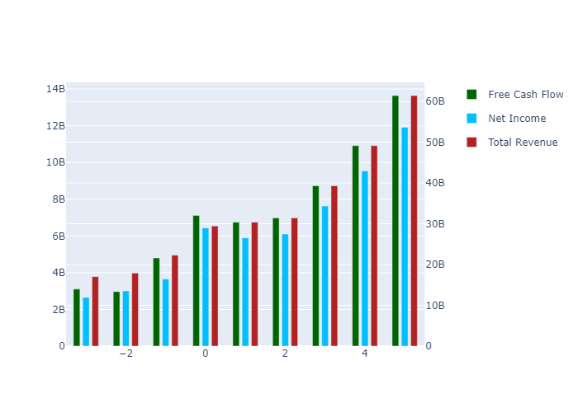
 | 1 | 2 | 3 | 4 | 5 | TV
Total Revenue | 30386300000 | 31442000000 | 39309656963 | 49146019037 | 61443710623 | 0
Net Income | 5895032988.5 | 6099841942.7 | 7626190900.6 | 9534474532.1 | 11920263443 | 0
Free Cash Flow | 6748272661.7 | 6982725406.8 | 8729996196.5 | 10914482405 | 13645587407 | 3.030856848E+11
Discount Factor | 1.0763728765 | 1.1585785693 | 1.2470625472 | 1.3423043012 | 1.4448199418 | 1.4448199418
Present Value of Free Cash Flow | 6269456253.6 | 6026976151.7 | 7000447744.8 | 8131153565.9 | 9444489941.5 | 2.0977401823E+11

Semi Pessimistic
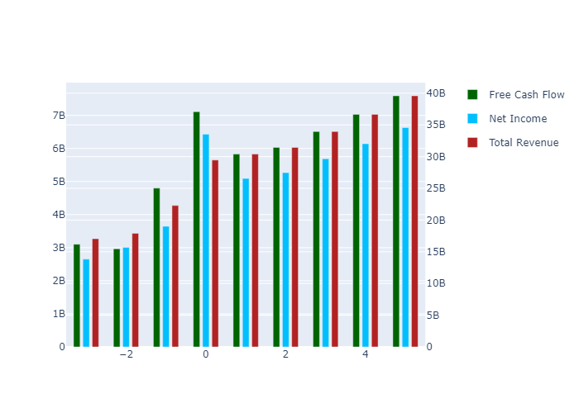
 | 1 | 2 | 3 | 4 | 5 | TV
Total Revenue | 30386300000 | 31442000000 | 33949249195 | 36656431554 | 39579490155 | 0
Net Income | 5091164853.7 | 5268045314.2 | 5688129989.9 | 6141713074.3 | 6631465798.8 | 0
Free Cash Flow | 5828053662.4 | 6030535578.6 | 6511422782.9 | 7030656913.5 | 7591295832.4 | 1.6861224271E+11
Discount Factor | 1.0763728765 | 1.1585785693 | 1.2470625472 | 1.3423043012 | 1.4448199418 | 1.4448199418
Present Value of Free Cash Flow | 5414530400.8 | 5205115767.4 | 5221408338.6 | 5237751907.2 | 5254146633 | 1.1670121503E+11

Pessimistic

 | 1 | 2 | 3 | 4 | 5 | TV
Total Revenue | 30386300000 | 31442000000 | 33055847901 | 34752531023 | 36536301115 | 0
Net Income | 4957186831.2 | 5129412542.8 | 5392693875.5 | 5669488853.2 | 5960491101.3 | 0
Free Cash Flow | 5674683829.2 | 5871837273.9 | 6173225616.2 | 6490083551.5 | 6823205099.6 | 1.5155198002E+11
Discount Factor | 1.0763728765 | 1.1585785693 | 1.2470625472 | 1.3423043012 | 1.4448199418 | 1.4448199418
Present Value of Free Cash Flow | 5272042758.7 | 5068139036.7 | 4950213307.1 | 4835031479.8 | 4722529709.3 | 1.0489333351E+11

