Base
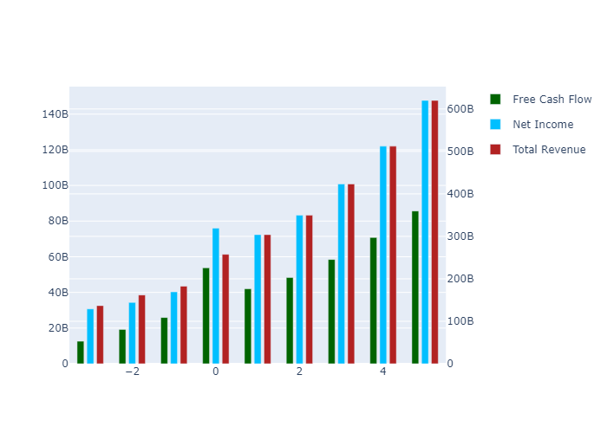
 | 1 | 2 | 3 | 4 | 5 | TV
Total Revenue | 303972000000 | 349610000000 | 4.2318136025E+11 | 5.1223495798E+11 | 6.200288501E+11 | 0
Net Income | 72388231955 | 83256516304 | 1.0077688229E+11 | 1.2198420563E+11 | 1.4765436363E+11 | 0
Free Cash Flow | 41993146423 | 48297948235 | 58461689972 | 70764273003 | 85655791614 | 1.196007833E+12
Discount Factor | 1.1037666284 | 1.2183007699 | 1.3447197332 | 1.484256766 | 1.6382730863 | 1.6382730863
Present Value of Free Cash Flow | 38045312607 | 39643698360 | 43474999681 | 47676570942 | 52284196285 | 7.3004180008E+11

Semi Optimistic
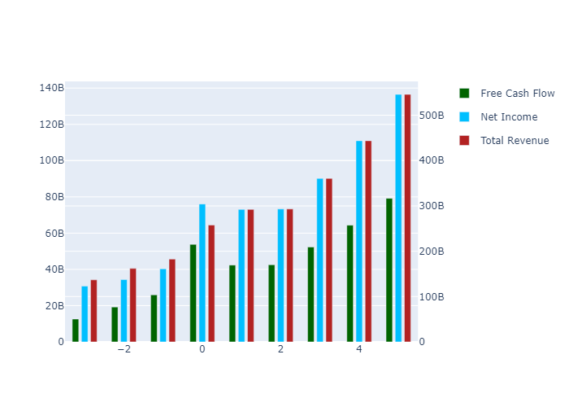
 | 1 | 2 | 3 | 4 | 5 | TV
Total Revenue | 292044000000 | 293050000000 | 3.6057809972E+11 | 4.4366683499E+11 | 5.4590187432E+11 | 0
Net Income | 73025068933 | 73276617396 | 90161895425 | 1.1093808196E+11 | 1.3650176687E+11 | 0
Free Cash Flow | 42362582003 | 42508507814 | 52303828593 | 64356304801 | 79186057293 | 1.1056712337E+12
Discount Factor | 1.1037666284 | 1.2183007699 | 1.3447197332 | 1.484256766 | 1.6382730863 | 1.6382730863
Present Value of Free Cash Flow | 38380017037 | 34891636665 | 38895709865 | 43359280061 | 48335077927 | 6.7490044419E+11

Optimistic
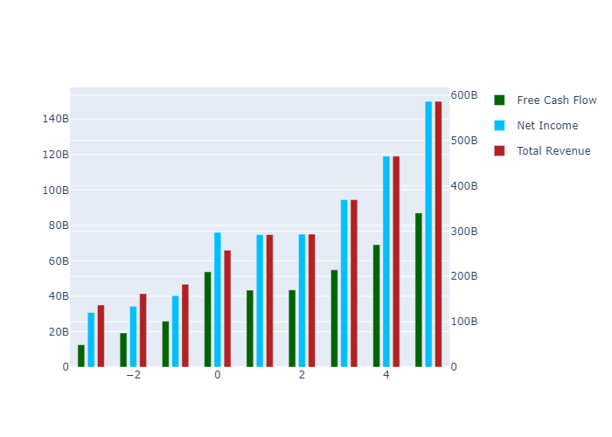
 | 1 | 2 | 3 | 4 | 5 | TV
Total Revenue | 292044000000 | 293050000000 | 3.6916329257E+11 | 4.6504533895E+11 | 5.8583063818E+11 | 0
Net Income | 74763761051 | 75021298763 | 94506431203 | 1.1905239826E+11 | 1.4997364044E+11 | 0
Free Cash Flow | 43371214908 | 43520615143 | 54824137794 | 69063501860 | 87001227582 | 1.2147940928E+12
Discount Factor | 1.1037666284 | 1.2183007699 | 1.3447197332 | 1.484256766 | 1.6382730863 | 1.6382730863
Present Value of Free Cash Flow | 39293826967 | 35722389919 | 40769936248 | 46530697006 | 53105448846 | 7.4150891137E+11

Super Optimistic
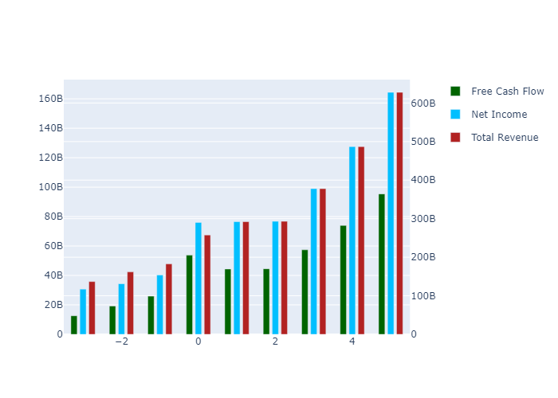
 | 1 | 2 | 3 | 4 | 5 | TV
Total Revenue | 292044000000 | 293050000000 | 3.7774848542E+11 | 4.8692686652E+11 | 6.2766042087E+11 | 0
Net Income | 76502453168 | 76765980130 | 98953191351 | 1.2755303928E+11 | 1.6441892986E+11 | 0
Free Cash Flow | 44379847812 | 44532722471 | 57403748388 | 73994809796 | 95381086262 | 1.3318016696E+12
Discount Factor | 1.1037666284 | 1.2183007699 | 1.3447197332 | 1.484256766 | 1.6382730863 | 1.6382730863
Present Value of Free Cash Flow | 40207636896 | 36553143173 | 42688262075 | 49853105937 | 58220504908 | 8.1293020117E+11

Semi Pessimistic
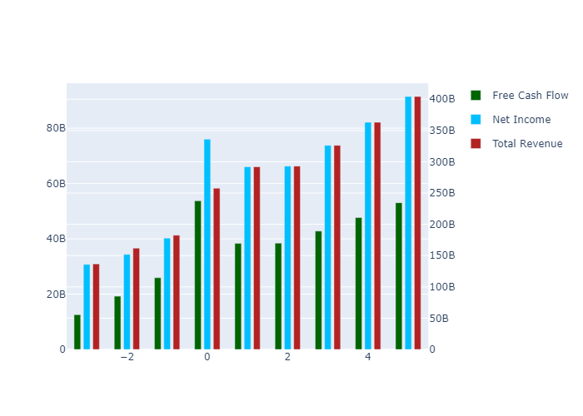
 | 1 | 2 | 3 | 4 | 5 | TV
Total Revenue | 292044000000 | 293050000000 | 3.2623732831E+11 | 3.631830554E+11 | 4.0431281243E+11 | 0
Net Income | 66070300463 | 66297891930 | 73805996028 | 82164377949 | 91469329959 | 0
Free Cash Flow | 38328050384 | 38460078498 | 42815605719 | 47664387715 | 53062284606 | 7.409062111E+11
Discount Factor | 1.1037666284 | 1.2183007699 | 1.3447197332 | 1.484256766 | 1.6382730863 | 1.6382730863
Present Value of Free Cash Flow | 34724777320 | 31568623649 | 31839798779 | 32113303308 | 32389157247 | 4.5224829565E+11

Pessimistic
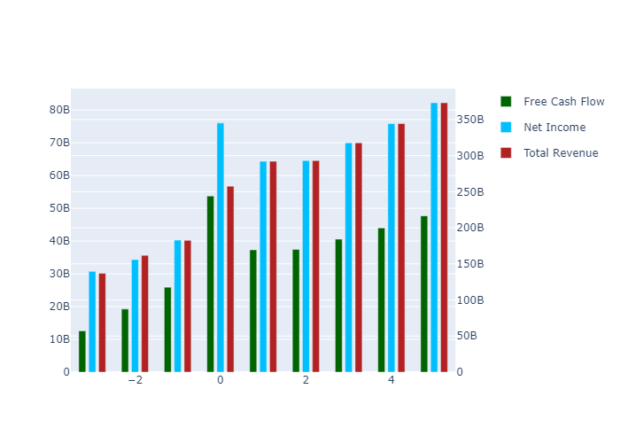
 | 1 | 2 | 3 | 4 | 5 | TV
Total Revenue | 292044000000 | 293050000000 | 3.1765213546E+11 | 3.4431966956E+11 | 3.7322599665E+11 | 0
Net Income | 64331608346 | 64553210563 | 69972582107 | 75846920765 | 82214421940 | 0
Free Cash Flow | 37319417479 | 37447971169 | 40591803483 | 43999566827 | 47693418741 | 6.6594098682E+11
Discount Factor | 1.1037666284 | 1.2183007699 | 1.3447197332 | 1.484256766 | 1.6382730863 | 1.6382730863
Present Value of Free Cash Flow | 33810967390 | 30737870395 | 30186069618 | 29644174670 | 29112007723 | 4.0648960933E+11

