Base
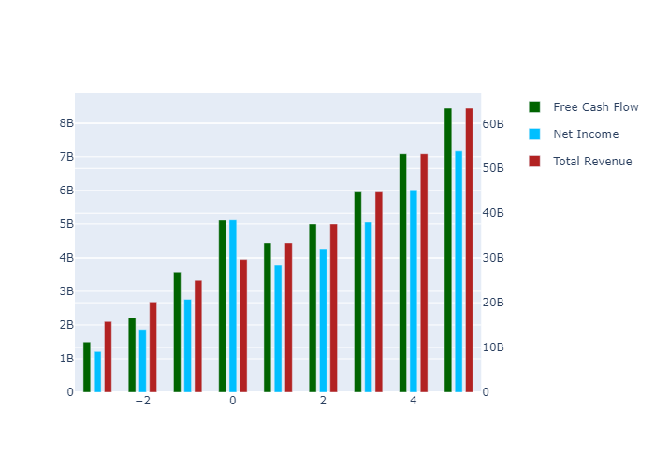
 | 1 | 2 | 3 | 4 | 5 | TV
Total Revenue | 33394000000 | 37558100000 | 44720728951 | 53249328317 | 63404399543 | 0
Net Income | 3774014062.9 | 4244618721.2 | 5054101334.4 | 6017958732.3 | 7165631416.5 | 0
Free Cash Flow | 4444205346.6 | 4998380212.9 | 5951611148.9 | 7086630820.2 | 8438107787.3 | 1.3369672156E+11
Discount Factor | 1.0950072112 | 1.1990407927 | 1.3129583145 | 1.4376988225 | 1.5742905782 | 1.5742905782
Present Value of Free Cash Flow | 4058608291.3 | 4168649009.6 | 4532977995.6 | 4929148378.9 | 5359943014.3 | 84925059842

Semi Optimistic
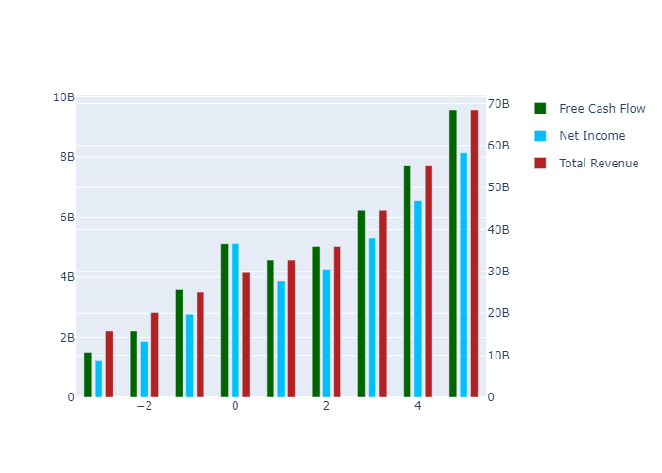
 | 1 | 2 | 3 | 4 | 5 | TV
Total Revenue | 32652600000 | 35938500000 | 44561847328 | 55254343872 | 68512476476 | 0
Net Income | 3874736185.2 | 4264659059.1 | 5287952638.4 | 6556782785.8 | 8130065346.7 | 0
Free Cash Flow | 4562813753.3 | 5021979323.9 | 6226989883.1 | 7721139515.6 | 9573806371.8 | 1.5169117971E+11
Discount Factor | 1.0950072112 | 1.1990407927 | 1.3129583145 | 1.4376988225 | 1.5742905782 | 1.5742905782
Present Value of Free Cash Flow | 4166925757.6 | 4188330667.8 | 4742717125.2 | 5370484690.4 | 6081346419.9 | 96355261101

Optimistic
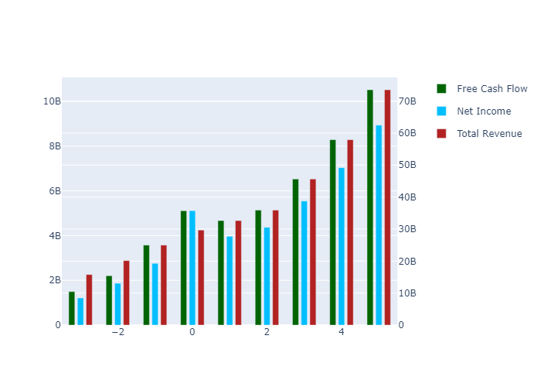
 | 1 | 2 | 3 | 4 | 5 | TV
Total Revenue | 32652600000 | 35938500000 | 45622843693 | 57916826429 | 73523667358 | 0
Net Income | 3966991808.7 | 4366198560.5 | 5542757612.5 | 7036363904.4 | 8932452121.7 | 0
Free Cash Flow | 4671452176 | 5141550260.2 | 6527043250.5 | 8285884886.5 | 10518681387 | 1.6666215366E+11
Discount Factor | 1.0950072112 | 1.1990407927 | 1.3129583145 | 1.4376988225 | 1.5742905782 | 1.5742905782
Present Value of Free Cash Flow | 4266138275.6 | 4288052826.6 | 4971249413 | 5763296705 | 6681537406.6 | 1.0586492479E+11

Super Optimistic
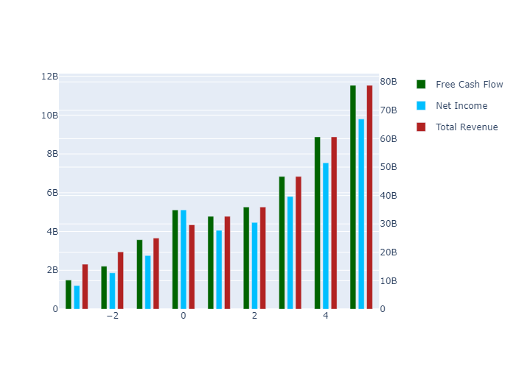
 | 1 | 2 | 3 | 4 | 5 | TV
Total Revenue | 32652600000 | 35938500000 | 46683840058 | 60641955633 | 78773442341 | 0
Net Income | 4059247432.1 | 4467738061.9 | 5803557997.7 | 7538778004.9 | 9792815688.2 | 0
Free Cash Flow | 4780090598.6 | 5261121196.5 | 6834156697.1 | 8877517931.4 | 11531828741 | 1.8271486158E+11
Discount Factor | 1.0950072112 | 1.1990407927 | 1.3129583145 | 1.4376988225 | 1.5742905782 | 1.5742905782
Present Value of Free Cash Flow | 4365350793.7 | 4387774985.3 | 5205158931.1 | 6174810601.9 | 7325095443.5 | 1.160617132E+11

Semi Pessimistic
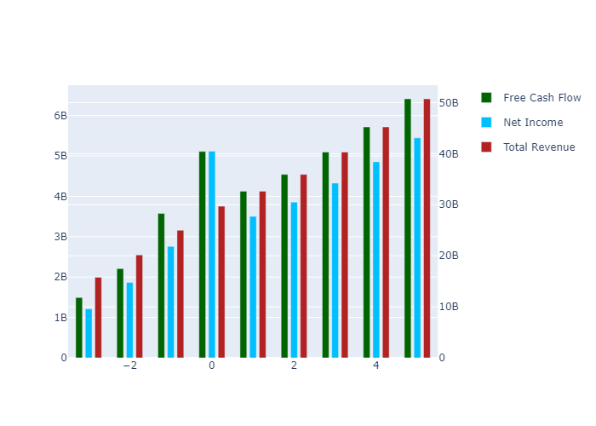
 | 1 | 2 | 3 | 4 | 5 | TV
Total Revenue | 32652600000 | 35938500000 | 40317861868 | 45230880131 | 50742584618 | 0
Net Income | 3505713691.4 | 3858501053.4 | 4328686853.6 | 4856168138.2 | 5447926769.4 | 0
Free Cash Flow | 4128260062.5 | 4543695578.8 | 5097377205.9 | 5718528877.8 | 6415372299.5 | 1.0164769942E+11
Discount Factor | 1.0950072112 | 1.1990407927 | 1.3129583145 | 1.4376988225 | 1.5742905782 | 1.5742905782
Present Value of Free Cash Flow | 3770075685.4 | 3789442032.8 | 3882360277.1 | 3977556904.4 | 4075087781.3 | 64567304682

Pessimistic
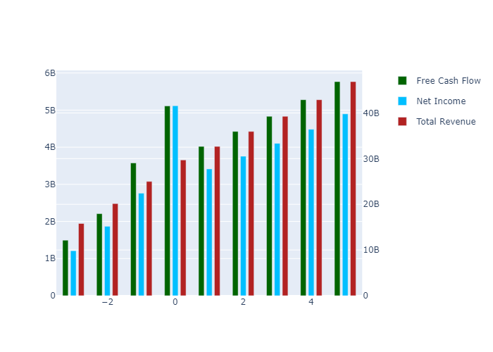
 | 1 | 2 | 3 | 4 | 5 | TV
Total Revenue | 32652600000 | 35938500000 | 39256865503 | 42881630817 | 46841087233 | 0
Net Income | 3413458067.9 | 3756961552 | 4103858935.3 | 4482786935.1 | 4896703084.2 | 0
Free Cash Flow | 4019621639.8 | 4424124642.5 | 4832624234.7 | 5278842456.1 | 5766262039.6 | 91362939394
Discount Factor | 1.0950072112 | 1.1990407927 | 1.3129583145 | 1.4376988225 | 1.5742905782 | 1.5742905782
Present Value of Free Cash Flow | 3670863167.4 | 3689719874 | 3680714140.8 | 3671730388.5 | 3662768563.4 | 58034355702

