Base
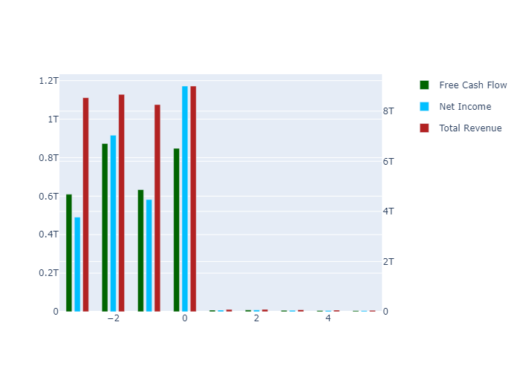
 | 1 | 2 | 3 | 4 | 5 | TV
Total Revenue | 85492100000 | 90471900000 | 74653752875 | 61601257610 | 50830866406 | 0
Net Income | 7778332636.1 | 8231410065 | 6792226678.2 | 5604670753.1 | 4624747632.6 | 0
Free Cash Flow | 7791225292.9 | 8245053701.8 | 6803484855.5 | 5613960545.6 | 4632413193.8 | -6.499926351E+11
Discount Factor | 1.017694958 | 1.0357030275 | 1.054029749 | 1.0726807611 | 1.0916618021 | 1.0916618021
Present Value of Free Cash Flow | 7655756994.7 | 7960828039.7 | 6454737033.7 | 5233579970.2 | 4243450842.6 | -5.954157541E+11

Semi Optimistic

 | 1 | 2 | 3 | 4 | 5 | TV
Total Revenue | 84807300000 | 88519900000 | 76424760730 | 65982271249 | 56966617593 | 0
Net Income | 8101828810.3 | 8456501693.9 | 7301026306.8 | 6303432206.6 | 5442146886.4 | 0
Free Cash Flow | 8115257665 | 8470518422.2 | 7313127824.1 | 6313880202.6 | 5451167294.2 | -7.6487533511E+11
Discount Factor | 1.017694958 | 1.0357030275 | 1.054029749 | 1.0726807611 | 1.0916618021 | 1.0916618021
Present Value of Free Cash Flow | 7974155321.8 | 8178520480.8 | 6938255614.8 | 5886075738.1 | 4993457940.8 | -7.0065228412E+11

Optimistic

 | 1 | 2 | 3 | 4 | 5 | TV
Total Revenue | 84807300000 | 88519900000 | 78244397891 | 69161689081 | 61133312614 | 0
Net Income | 8294729496.3 | 8657846972.3 | 7652833130 | 6764482567.3 | 5979252863.2 | 0
Free Cash Flow | 8308478085.6 | 8672197432.2 | 7665517770.3 | 6775694758.5 | 5989163529 | -8.4036376322E+11
Discount Factor | 1.017694958 | 1.0357030275 | 1.054029749 | 1.0726807611 | 1.0916618021 | 1.0916618021
Present Value of Free Cash Flow | 8164016162.8 | 8373247158.9 | 7272581990.8 | 6316599499.4 | 5486281115.3 | -7.698022974E+11

Super Optimistic

 | 1 | 2 | 3 | 4 | 5 | TV
Total Revenue | 84807300000 | 88519900000 | 80064035051 | 72415916745 | 65498385069 | 0
Net Income | 8487630182.2 | 8859192250.8 | 8012917760.7 | 7247483655.7 | 6555167656.6 | 0
Free Cash Flow | 8501698506.2 | 8873876442.3 | 8026199244.6 | 7259496425.6 | 6566032906.4 | -9.2130663921E+11
Discount Factor | 1.017694958 | 1.0357030275 | 1.054029749 | 1.0726807611 | 1.0916618021 | 1.0916618021
Present Value of Free Cash Flow | 8353877003.8 | 8567973837.1 | 7614774869.7 | 6767620608.9 | 6014713434.1 | -8.4394877376E+11

Semi Pessimistic

 | 1 | 2 | 3 | 4 | 5 | TV
Total Revenue | 84807300000 | 88519900000 | 69146212089 | 54012698233 | 42191343275 | 0
Net Income | 7330226066.5 | 7651120580.2 | 5976577090.1 | 4668528399.2 | 3646762534 | 0
Free Cash Flow | 7342375982.7 | 7663802381.9 | 5986483320.9 | 4676266527.3 | 3652807076 | -5.1254013784E+11
Discount Factor | 1.017694958 | 1.0357030275 | 1.054029749 | 1.0726807611 | 1.0916618021 | 1.0916618021
Present Value of Free Cash Flow | 7214711957.8 | 7399613768.4 | 5679615140.4 | 4359420525.6 | 3346097728.3 | -4.6950450851E+11

Pessimistic

 | 1 | 2 | 3 | 4 | 5 | TV
Total Revenue | 84807300000 | 88519900000 | 67326574929 | 51207329558 | 38947333994 | 0
Net Income | 7137325380.5 | 7449775301.8 | 5666159305 | 4309574446.1 | 3277781457.7 | 0
Free Cash Flow | 7149155562.1 | 7462123371.9 | 5675551015.4 | 4316717604.8 | 3283214410.2 | -4.6068109575E+11
Discount Factor | 1.017694958 | 1.0357030275 | 1.054029749 | 1.0726807611 | 1.0916618021 | 1.0916618021
Present Value of Free Cash Flow | 7024851116.8 | 7204887090.3 | 5384621279.3 | 4024233268 | 3007538052.5 | -4.2199983079E+11

