Base
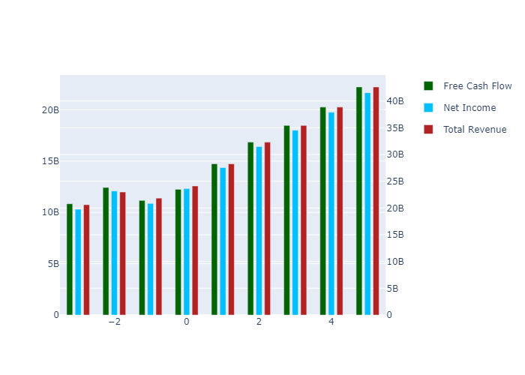
 | 1 | 2 | 3 | 4 | 5 | TV
Total Revenue | 28252300000 | 32294300000 | 35421700796 | 38851961098 | 42614410016 | 0
Net Income | 14364091214 | 16419132987 | 18009172393 | 19753192238 | 21666104087 | 0
Free Cash Flow | 14734159918 | 16842146680 | 18473151004 | 20262102836 | 22224297915 | 2.8601246741E+11
Discount Factor | 1.1046465468 | 1.2202439933 | 1.3479383134 | 1.4889954032 | 1.6448136303 | 1.6448136303
Present Value of Free Cash Flow | 13338347874 | 13802277882 | 13704745106 | 13607901538 | 13511742307 | 1.7388746187E+11

Semi Optimistic
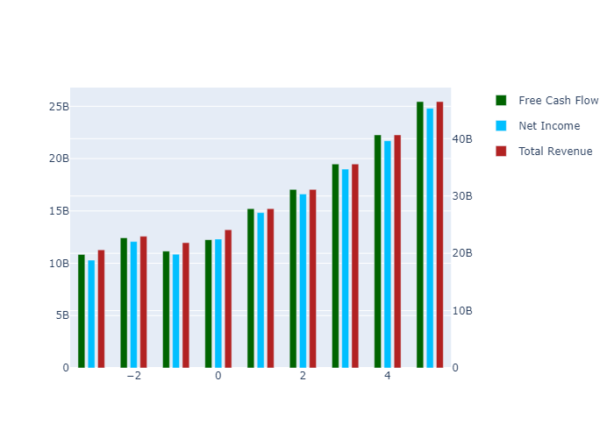
 | 1 | 2 | 3 | 4 | 5 | TV
Total Revenue | 27796000000 | 31131000000 | 35578350820 | 40661046773 | 46469852777 | 0
Net Income | 14838703162 | 16619069943 | 18993257549 | 21706619777 | 24807610856 | 0
Free Cash Flow | 15220999513 | 17047234704 | 19482589599 | 22265857430 | 25446740772 | 3.2748324125E+11
Discount Factor | 1.1046465468 | 1.2202439933 | 1.3479383134 | 1.4889954032 | 1.6448136303 | 1.6448136303
Present Value of Free Cash Flow | 13779067664 | 13970349207 | 14453621064 | 14953610591 | 15470896096 | 1.9910051523E+11

Optimistic
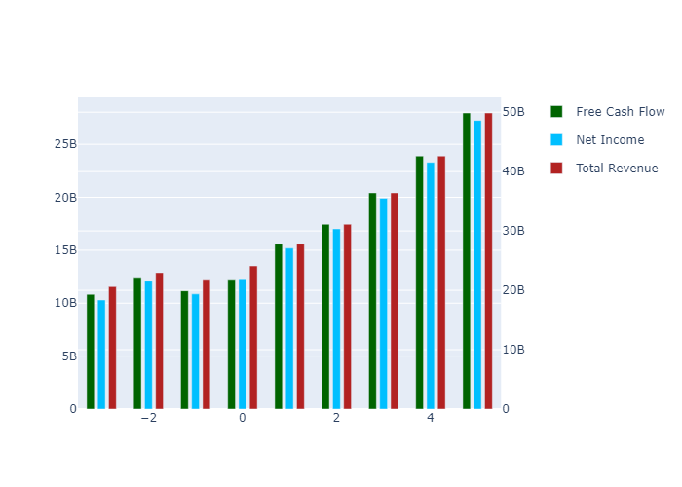
 | 1 | 2 | 3 | 4 | 5 | TV
Total Revenue | 27796000000 | 31131000000 | 36425454411 | 42620337576 | 49868785563 | 0
Net Income | 15192005619 | 17014762085 | 19908465537 | 23294301623 | 27255967422 | 0
Free Cash Flow | 15583404263 | 17453121245 | 20421376513 | 23894443455 | 27958175476 | 3.5980379595E+11
Discount Factor | 1.1046465468 | 1.2202439933 | 1.3479383134 | 1.4889954032 | 1.6448136303 | 1.6448136303
Present Value of Free Cash Flow | 14107140704 | 14302976569 | 15150082396 | 16047358779 | 16997777111 | 2.1875049509E+11

Super Optimistic
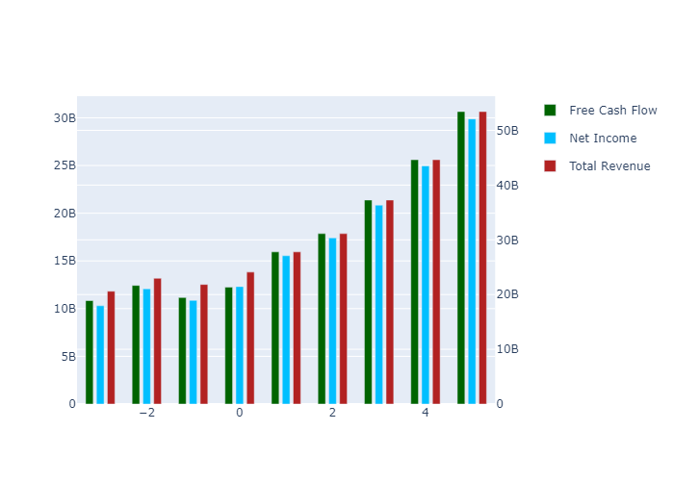
 | 1 | 2 | 3 | 4 | 5 | TV
Total Revenue | 27796000000 | 31131000000 | 37272558002 | 44625729338 | 53429542422 | 0
Net Income | 15545308075 | 17410454226 | 20845207831 | 24957573414 | 29881231013 | 0
Free Cash Flow | 15945809014 | 17859007785 | 21382252531 | 25600566884 | 30651074944 | 3.9445968584E+11
Discount Factor | 1.1046465468 | 1.2202439933 | 1.3479383134 | 1.4889954032 | 1.6448136303 | 1.6448136303
Present Value of Free Cash Flow | 14435213743 | 14635603931 | 15862931054 | 17193180603 | 18634983551 | 2.3982029245E+11

Semi Pessimistic
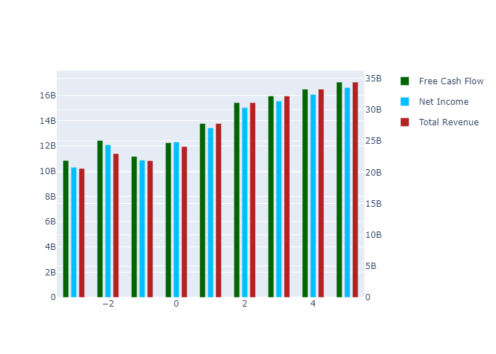
 | 1 | 2 | 3 | 4 | 5 | TV
Total Revenue | 27796000000 | 31131000000 | 32189936456 | 33284893163 | 34417095368 | 0
Net Income | 13425493337 | 15036301377 | 15547768651 | 16076633739 | 16623488435 | 0
Free Cash Flow | 13771380512 | 15423688542 | 15948332983 | 16490823465 | 17051767032 | 2.1944531076E+11
Discount Factor | 1.1046465468 | 1.2202439933 | 1.3479383134 | 1.4889954032 | 1.6448136303 | 1.6448136303
Present Value of Free Cash Flow | 12466775506 | 12639839759 | 11831648989 | 11075133899 | 10366990349 | 1.334165201E+11

Pessimistic
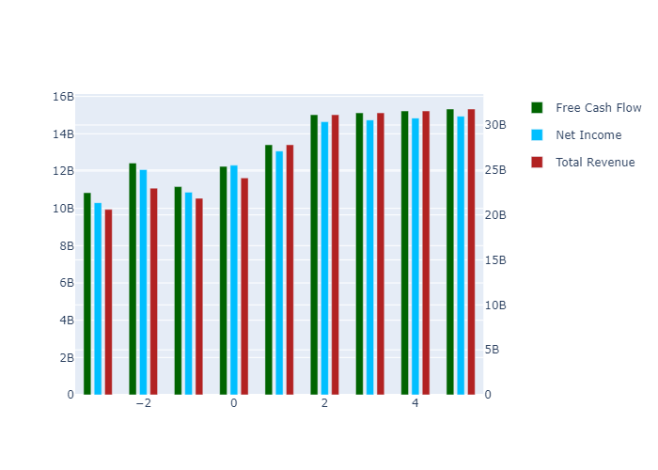
 | 1 | 2 | 3 | 4 | 5 | TV
Total Revenue | 27796000000 | 31131000000 | 31342832865 | 31556107161 | 31770832695 | 0
Net Income | 13072190881 | 14640609236 | 14740232191 | 14840533036 | 14941516385 | 0
Free Cash Flow | 13408975761 | 15017802001 | 15119991588 | 15222876531 | 15326461560 | 1.9724173534E+11
Discount Factor | 1.1046465468 | 1.2202439933 | 1.3479383134 | 1.4889954032 | 1.6448136303 | 1.6448136303
Present Value of Free Cash Flow | 12138702466 | 12307212397 | 11217124284 | 10223588668 | 9318053594.8 | 1.1991737648E+11

