Base
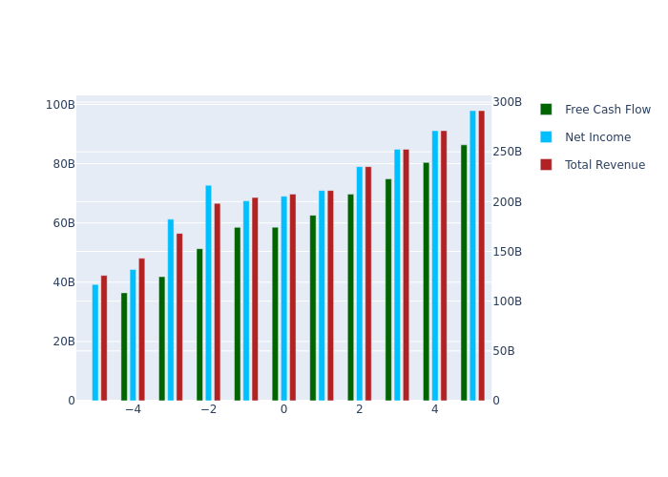
 | 1 | 2 | 3 | 4 | 5 | TV
Total Revenue | 211210000000 | 235170000000 | 2.5258851207E+11 | 2.7129717408E+11 | 2.9139154455E+11 | 0
Net Income | 70958938905 | 79008634356 | 84860625899 | 91146061271 | 97897044680 | 0
Free Cash Flow | 62593150470 | 69693817509 | 74855881554 | 80400288052 | 86355356249 | 1.0935290634E+12
Discount Factor | 1.1113385029 | 1.2350732681 | 1.3725844768 | 1.5254059776 | 1.6952423955 | 1.6952423955
Present Value of Free Cash Flow | 56322308913 | 56428893174 | 54536447715 | 52707468853 | 50939828120 | 6.4505764267E+11

Semi Optimistic
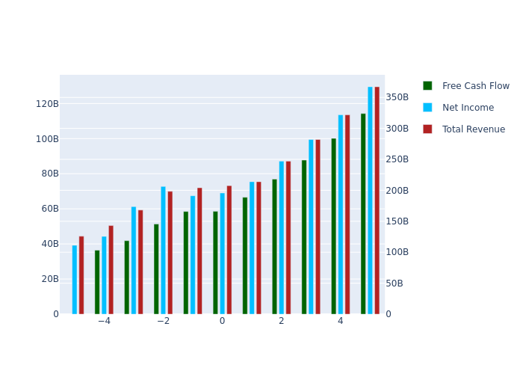
 | 1 | 2 | 3 | 4 | 5 | TV
Total Revenue | 213890000000 | 247150000000 | 2.8201686939E+11 | 3.2180260823E+11 | 3.6720114965E+11 | 0
Net Income | 75452288313 | 87185156185 | 99484866701 | 1.1351976799E+11 | 1.2953465338E+11 | 0
Free Cash Flow | 66556751109 | 76906358579 | 87755980106 | 1.0013622003E+11 | 1.1426301147E+11 | 1.4469273169E+12
Discount Factor | 1.1113385029 | 1.2350732681 | 1.3725844768 | 1.5254059776 | 1.6952423955 | 1.6952423955
Present Value of Free Cash Flow | 59888819593 | 62268660949 | 63934848156 | 65645619264 | 67402167250 | 8.5352237575E+11

Optimistic
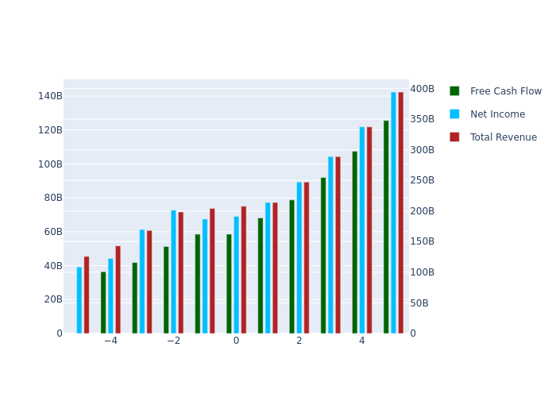
 | 1 | 2 | 3 | 4 | 5 | TV
Total Revenue | 213890000000 | 247150000000 | 2.8873155676E+11 | 3.3730896973E+11 | 3.9405925123E+11 | 0
Net Income | 77248771368 | 89260993237 | 1.0427863862E+11 | 1.2182291591E+11 | 1.4231891628E+11 | 0
Free Cash Flow | 68141435659 | 78737462355 | 91984584589 | 1.0746045845E+11 | 1.255400585E+11 | 1.5897300244E+12
Discount Factor | 1.1113385029 | 1.2350732681 | 1.3725844768 | 1.5254059776 | 1.6952423955 | 1.6952423955
Present Value of Free Cash Flow | 61314743869 | 63751248115 | 67015608980 | 70447120327 | 74054341040 | 9.3775971423E+11

Super Optimistic
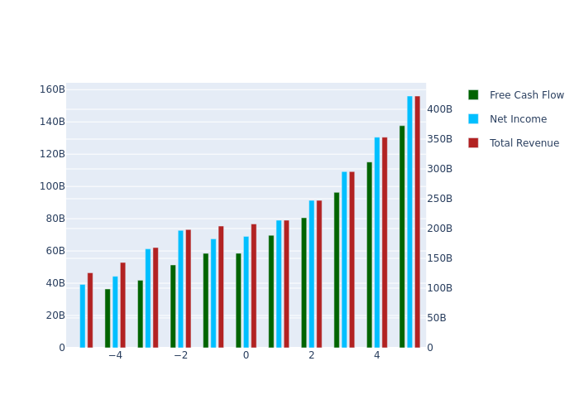
 | 1 | 2 | 3 | 4 | 5 | TV
Total Revenue | 213890000000 | 247150000000 | 2.9544624413E+11 | 3.5318018681E+11 | 4.2219607401E+11 | 0
Net Income | 79045254423 | 91336830289 | 1.0918520518E+11 | 1.3052137885E+11 | 1.5602691143E+11 | 0
Free Cash Flow | 69726120209 | 80568566131 | 96312685649 | 1.1513340577E+11 | 1.3763193328E+11 | 1.7428510011E+12
Discount Factor | 1.1113385029 | 1.2350732681 | 1.3725844768 | 1.5254059776 | 1.6952423955 | 1.6952423955
Present Value of Free Cash Flow | 62740668145 | 65233835280 | 70168858294 | 75477222106 | 81187170425 | 1.0280836568E+12

Semi Pessimistic
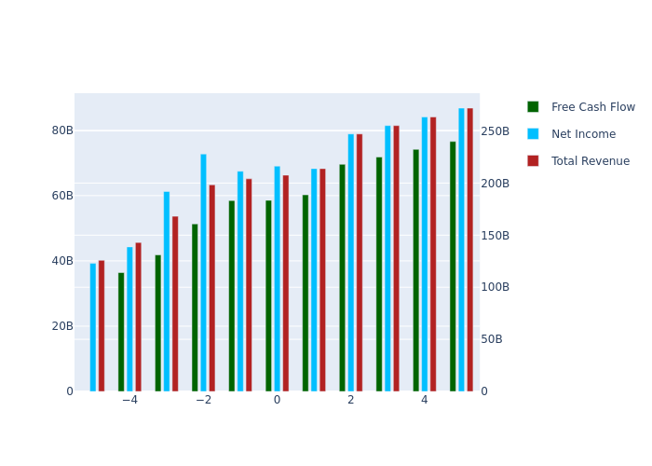
 | 1 | 2 | 3 | 4 | 5 | TV
Total Revenue | 213890000000 | 247150000000 | 2.5515811993E+11 | 2.6342571785E+11 | 2.7196120132E+11 | 0
Net Income | 68266356092 | 78881807977 | 81437725349 | 84076459200 | 86800692939 | 0
Free Cash Flow | 60218012908 | 69581943477 | 71836527932 | 74164165120 | 76567222084 | 9.6958065244E+11
Discount Factor | 1.1113385029 | 1.2350732681 | 1.3725844768 | 1.5254059776 | 1.6952423955 | 1.6952423955
Present Value of Free Cash Flow | 54185122489 | 56338312287 | 52336689760 | 48619296246 | 45165943399 | 5.7194219245E+11

Pessimistic
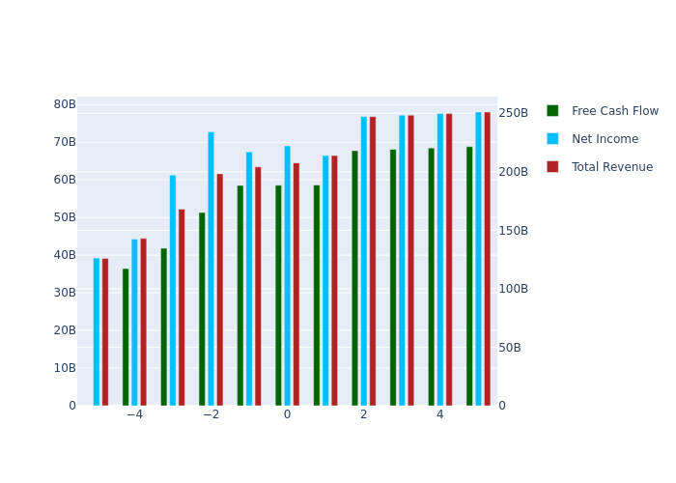
 | 1 | 2 | 3 | 4 | 5 | TV
Total Revenue | 213890000000 | 247150000000 | 2.4844343256E+11 | 2.4974363416E+11 | 2.5105064023E+11 | 0
Net Income | 66469873037 | 76805970925 | 77207926595 | 77611985856 | 78018159716 | 0
Free Cash Flow | 58633328358 | 67750839701 | 68105406329 | 68461828543 | 68820116054 | 8.7147804515E+11
Discount Factor | 1.1113385029 | 1.2350732681 | 1.3725844768 | 1.5254059776 | 1.6952423955 | 1.6952423955
Present Value of Free Cash Flow | 52759198213 | 54855725122 | 49618371386 | 44881054322 | 40596032895 | 5.1407282371E+11

