Crop_Calendar_Source
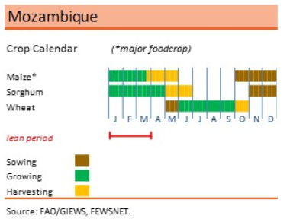
Province | Region
Mueda | region_1
Mecula | region_1
Sanga | region_1
Lago | region_1
Mavago | region_1
Lichinga | region_1
Maua | region_1
Nipepe | region_1
Memba | region_1
N'gauma | region_1
Majune | region_1
Mecuburi | region_1
Chifunde | region_1
Metarica | region_1
Lalaua | region_1
Muecate | region_1
Mecanhelas | region_1
Malema | region_1
Cuamba | region_1
Nacala_Velha | region_1
Maravia | region_1
Angonia | region_1
Monapo | region_1
Ribaue | region_1
Mossuril | region_1
Tsangano | region_1
Zumbu | region_1
Meconta | region_1
Nampula | region_1
Gurue | region_1
Alto_Molocue | region_1
Mongincual | region_1
Gile | region_1
Mogovolas | region_1
Moatize | region_1
Namarroi | region_1
Ile | region_1
Angoche | region_1
Lugela | region_1
Moma | region_1
Pebane | region_1
Mutarara | region_1
Morrumbala | region_1
Cahora_Bassa | region_1
Maganja_da_Cost | region_1
Tambara | region_1
Chemba | region_1
Namacurra | region_1
Maringue | region_1
Caia | region_1
Mopeia | region_1
Nicoadala | region_1
Barue | region_1
Macossa | region_1
Cheringoma | region_1
Inhassunge | region_1
Chinde | region_1
Gorongosa | region_1
Manica | region_1
Muanza | region_1
Gondola | region_1
Nhamatanda | region_1
Sussundenga | region_1
Dondo | region_1
Buzi | region_1
Chibabava | region_1
Machanga | region_1
Mossurize | region_1
Govuro | region_1
Machaze | region_1
Mabote | region_1
Inhassoro | region_1
Massangena | region_1
Vilanculos | region_1
Funhalouro | region_1
Morrumbene | region_1
Panda | region_1
Homoine | region_1
Jangamo | region_1
Inharrime | region_1
Magude | region_1
Manhica | region_1
Marracuene | region_1
Matutuine | region_1

