Crop_Calendar_Source
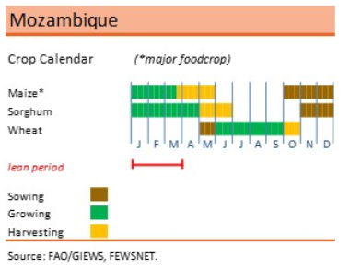
Province | Region
Mueda | region_1 | Note! Mozambique is devided into many regions/zones; FAO suggests about 10 different zones depending on elevation and precipitation levels. Also, crop calendar may depend of growing seasons; for example maize in Mozambique has two growing seasons. Although this model allows high levels of granularity and customization, it is very difficult to specify crop calendar in detail and both conduct an analysis on a national level. Therefore, the analysis is based on some very rough assumptions. It is suggested that future activities will cover this in more detail; perhaps by focusing on a particular area and running multiple scenarios or by leveraging in country information. http://www.fao.org/agriculture/seed/cropcalendar/searchbycountry.do
Mecula | region_1
Sanga | region_1
Lago | region_1
Mavago | region_1
Lichinga | region_1
Maua | region_1
Nipepe | region_1
Memba | region_1
N'gauma | region_1
Majune | region_1
Mecuburi | region_1
Chifunde | region_1
Metarica | region_1
Lalaua | region_1
Muecate | region_1
Mecanhelas | region_1
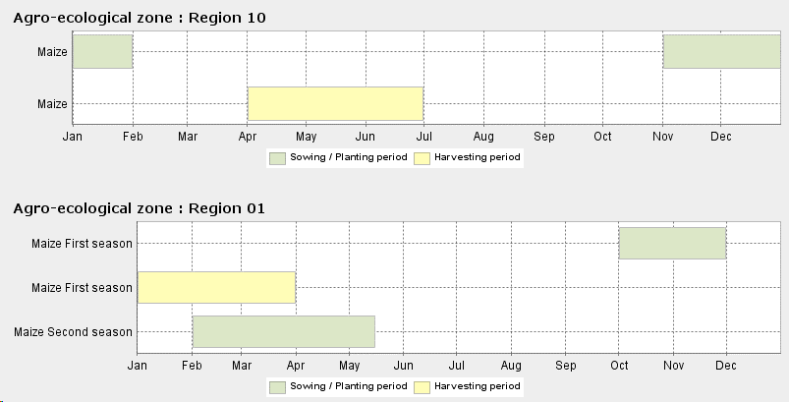
Malema | region_1
Cuamba | region_1
Nacala_Velha | region_1
Maravia | region_1
Angonia | region_1
Monapo | region_1
Ribaue | region_1
Mossuril | region_1
Tsangano | region_1
Zumbu | region_1
Meconta | region_1
Nampula | region_1
Gurue | region_1
Alto_Molocue | region_1
Mongincual | region_1
Gile | region_1
Mogovolas | region_1
Moatize | region_1
Namarroi | region_1
Ile | region_1
Angoche | region_1
Lugela | region_1
Moma | region_1
Pebane | region_1
Mutarara | region_1
Morrumbala | region_1
Cahora_Bassa | region_1
Maganja_da_Cost | region_1
Tambara | region_1
Chemba | region_1
Namacurra | region_1
Maringue | region_1
Caia | region_1
Mopeia | region_1
Nicoadala | region_1
Barue | region_1
Macossa | region_1
Cheringoma | region_1
Inhassunge | region_1
Chinde | region_1
Gorongosa | region_1
Manica | region_1
Muanza | region_1
Gondola | region_1
Nhamatanda | region_1
Sussundenga | region_1
Dondo | region_1
Buzi | region_1
Chibabava | region_1
Machanga | region_1
Mossurize | region_1
Govuro | region_1
Machaze | region_1
Mabote | region_1
Inhassoro | region_1
Massangena | region_1
Vilanculos | region_1
Funhalouro | region_1
Morrumbene | region_1
Panda | region_1
Homoine | region_1
Jangamo | region_1
Inharrime | region_1
Magude | region_1
Manhica | region_1
Marracuene | region_1
Matutuine | region_1

