Eth_10-100-100OHM
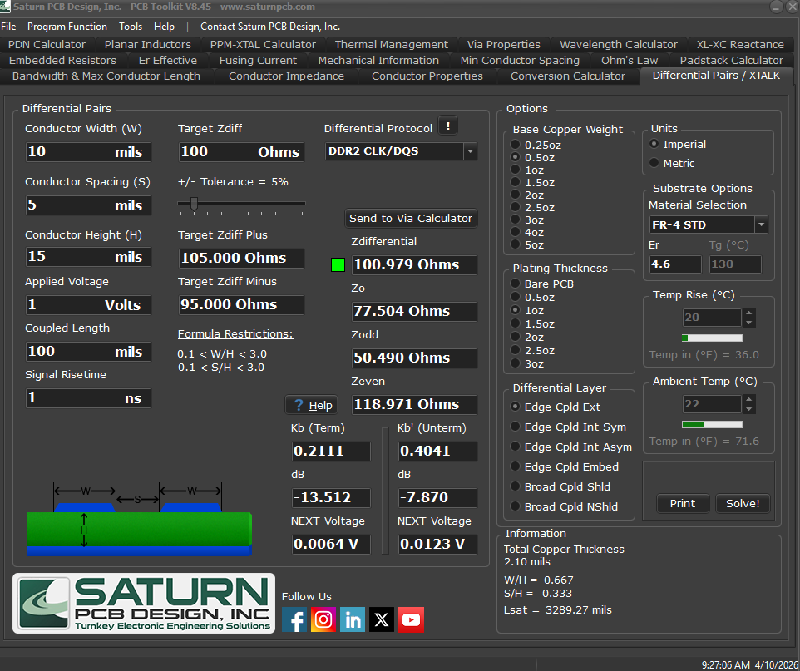
conversion factor | 1 mm | 39.37 | thou

mils (thou) | width | 10 | spacing | 5 | height | 15
mm |  | 0.254000508 |  | 0.127000254 |  | 0.381000762

