Health Sector Indicators
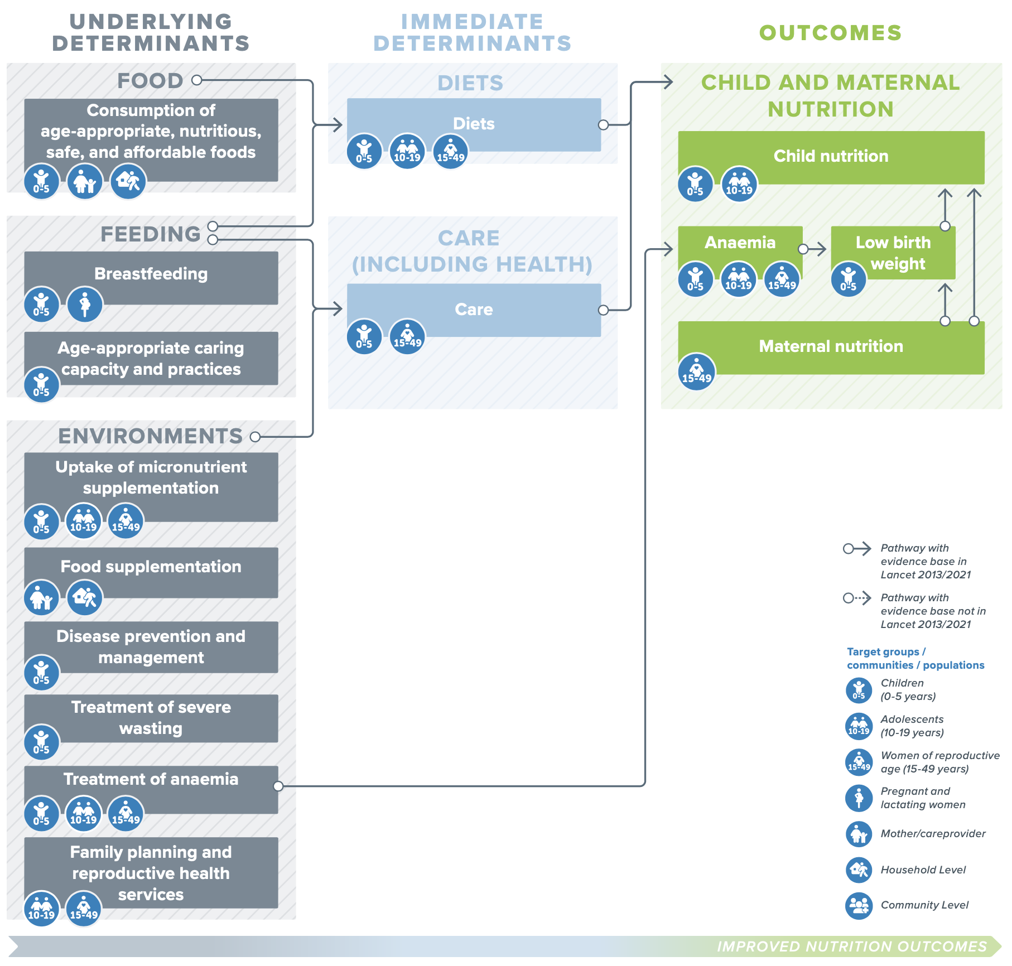
Health Pathway

Select | Refine your indicator search using the pathway "Bubble" and "Box" Names (see left)
Bubble | Child and maternal nutrition
Box | Child nutrition

Indicators | Wasting in children under five years of age
 | Global acute malnutrition (GAM)
 | Childhood stunting
 | Overweight in children under five years of age
 | Low birth weight among new-borns
 | Severe acute malnutrition (SAM)
 | Severe acute malnutrition (SAM) in infants less than 6 months
 | Moderate acute malnutrition (MAM)
 | Moderate acute malnutrition (MAM) in infants less than 6 months
 | Acute malnutrition based on MUAC and oedema
 | Severe acute malnutrition based on MUAC and oedema
 | Moderate acute malnutrition based on MUAC and oedema
 | Undernutrition for 5-19 year olds

Indicator Description

Select Indicator | Wasting in children under five years of age
Definition | Percentage of wasted children aged 0–59 months (moderate = weight-for-height between <-2 and >-3 SD of the WHO Child Growth Standards median; severe = weight-for-height below -3 SD of the WHO Child Growth Standards median). (WHO 2006)
Link to description of indicator | UNICEF guide
Target group | Children 0-59 months
Validity level | Well recognised standard indicator
Difficulty level | High
Data collection instrument | Household surveys with representative sampling methods, national nutrition surveillance system.
Link to data collection guidance | MAMI CARE Pathway Package
Link to Global databases | WHO database
Notes | World Health Assembly Global Nutrition Target: By 2025, reduce and maintained childhood wasting to less than 5%. Severity classification: <2.5% very low, 2.5%-<5% low, 5%-<10% medium, 10%-<15% high, ≥15% very high Should be based on methodologically solid anthropometric nutrition survey findings. Include confidence intervals in reporting Disaggregated data should be presented by age, sex, and administrative level. At the community-level, measuring mid-upper arm circumference (MUAC) or weight-for-height and examining for bilateral oedema is encouraged for early identification of children 6-59 months with severe acute malnutrition. Note: Weight For Height (WFH) and MUAC do not measure the same things and are not comparable. Because wasting is influenced by many factors, using wasting for monitoring purposes requires special effort; it is difficult to attribute the changes of wasting solely to the intervention being monitored. Because of its response to short-term influences, wasting is often used for screening or targeting purposes in emergency settings and is sometimes used for annual reporting. Users should be aware and consider that wasting can have a strong seasonal dimension and reporting needs to include contextual data. Risk of wasting changes with age and sex.
Health - Considerations | Primary nutrition outcome indicator related to the WHA nutrition targets

WASH Sector Indicators
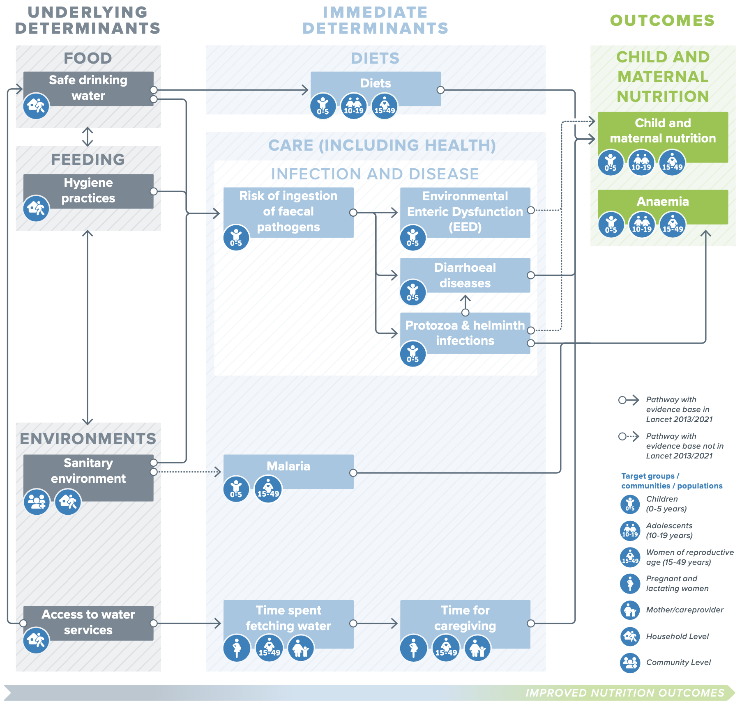
WASH Pathway

Select | Refine your indicator search using the pathway "Bubble" and "Box" Names (see left)
Bubble | Care
Box | Diarrhoeal diseases

Indicators | Children under 5 years with diarrhoea receiving ORS
 | Prevalence of diarrhoea among children

Indicator Description

Select Indicator | Children under 5 years with diarrhoea receiving ORS
Definition | Percentage of children under 5 years of age with diarrhoea in the last two weeks receiving ORS (fluids made from ORS packets or pre-packaged ORS fluids)
Link to description of indicator | WHO guide
Target group | Children 0-59 months
Validity level | Well recognised standard indicator
Difficulty level | Low
Data collection instrument | Household surveys
Link to data collection guidance | WHO guide
Link to Global databases | IHME modelisation
Notes | WHO recent recommendation is to measure only children treated with ORS. Prevalence of diarrhoea is a more classic indicator.
WASH - Considerations

Agri Sector Indicators
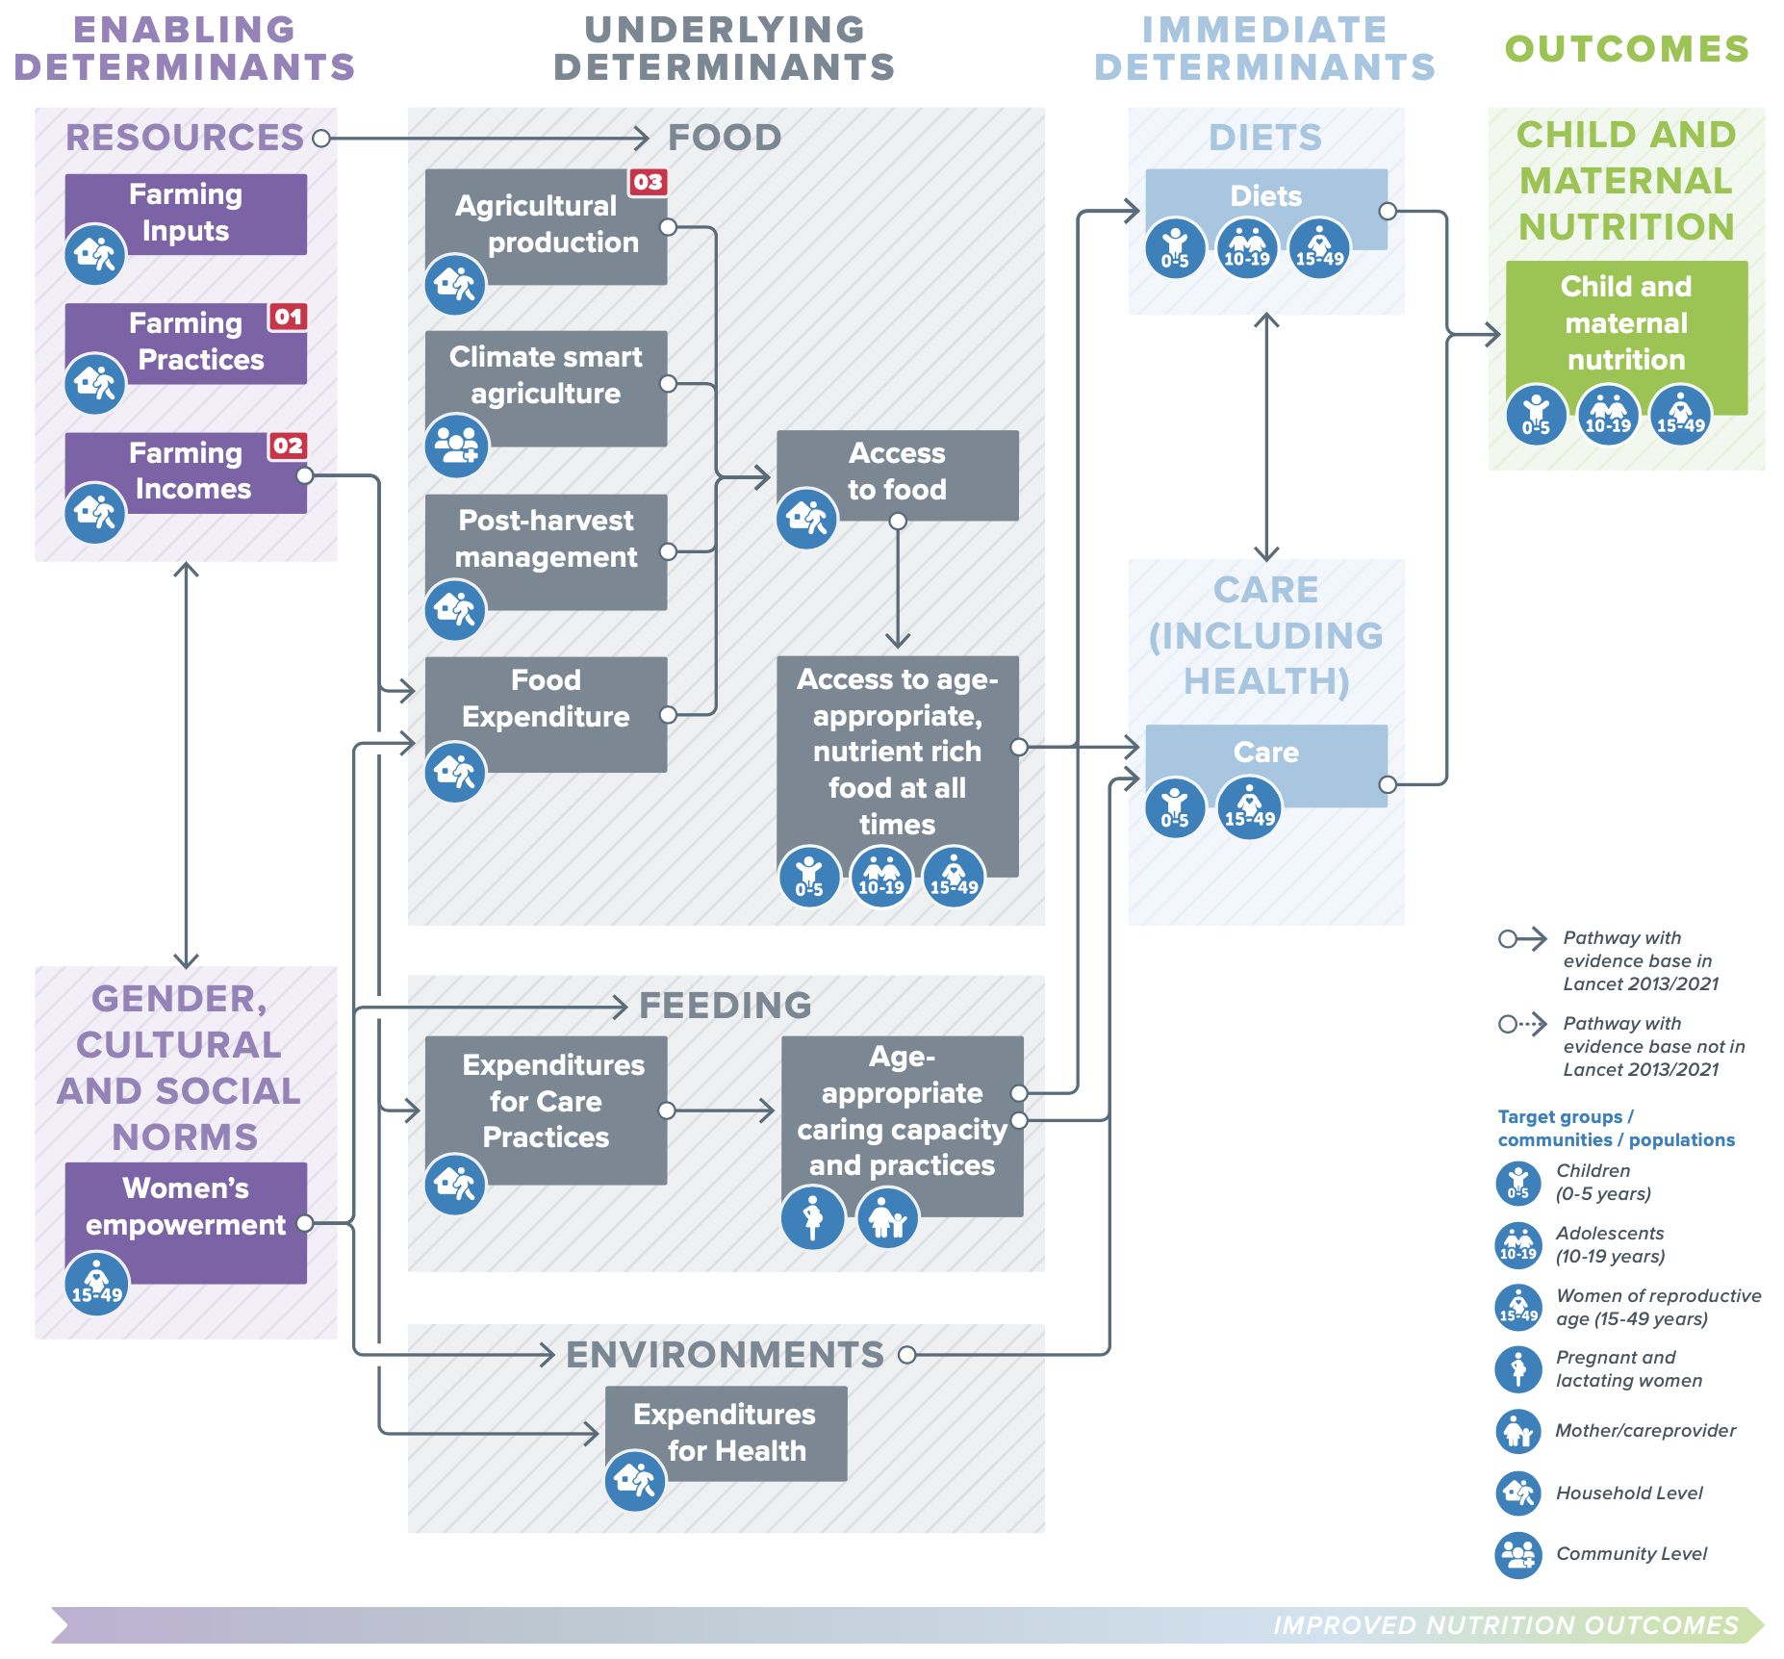
Agriculture Pathway

Select | Refine your indicator search using the pathway "Bubble" and "Box" Names (see left)
Bubble | Care
Box | Care

Indicators | Minimum dietary diversity 6–23 months (MDD)

Indicator Description

Select Indicator | Minimum dietary diversity 6–23 months (MDD)
Definition | Percentage of children 6–23 months of age who consumed foods and beverages from at least five out of eight defined food groups during the previous day
Link to description of indicator | WHO UNICEF IYCF guide
Target group | Children 6–23 months of age
Validity level | Well recognised standard indicator
Difficulty level | Medium
Data collection instrument | Household surveys
Link to data collection guidance | WHO UNICEF IYCF guide
Link to Global databases | UNICEF Database
Notes | This is one of 17 revised global IYCF indicators. The full set of 17 revised indicators are meant to be used as a whole when assessing populations e.g., large-scale surveys or by national programmes. However, the whole set of indicators are not intended to meet all programme M&E needs. For programmes that are shorter than 3-5 years in duration, or that are not national, it may be useful to select only certain IYCF indicators that reflect interventions, messages and behaviour-change objectives. MDD is a proxy for the quality of the child's diet. Children achieving the thresholds used indicate a high likelihood of them consuming at least one animal-source food and at least one fruit or vegetable that day, in addition to a staple food (grain, root or tuber). Diet diversity is linked to decreased risk of malnutrition. The previous indicator was based on a cut-off of four out of seven food groups. The indicator was revised in 2017 to add breast milk as a separate food group, thereby increasing the total number of food groups to eight and increasing the cut-off to five groups. The indicator was revised because the previous indicator included infant formula but not breast milk, thereby conferring an advantage to formula-fed infants when counting food groups. This indicator is a revised version of the previous version (the 4 of 7 food groups is now 5 of 8). Unless you reanalyse historic data you should not compare the the old with the new versions of this indicator.
Agriculture - Considerations

Food Systems Indicators
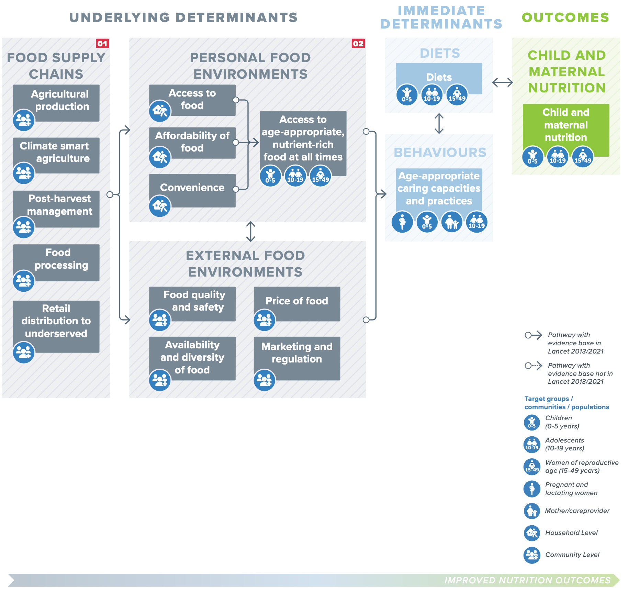
Food Systems Pathway

Select | Refine your indicator search using the pathway "Bubble" and "Box" Names (see left)
Bubble | External food environments
Box | Marketing and regulation

Indicators | Availability of mandatory legislation on food fortification

Indicator Description

Select Indicator | Availability of mandatory legislation on food fortification
Definition | Availability of mandatory legislation on food fortification
Link to description of indicator | Compendium of indicators for Food Systems
Target group | Community
Validity level | Standardised indicator
Difficulty level | Low
Data collection instrument | Policy Assessment
Link to data collection guidance | Compendium of indicators for Food Systems
Link to Global databases | Global Fortification Data Exchange
Notes
Food systems - Considerations

Social Protection Indicators
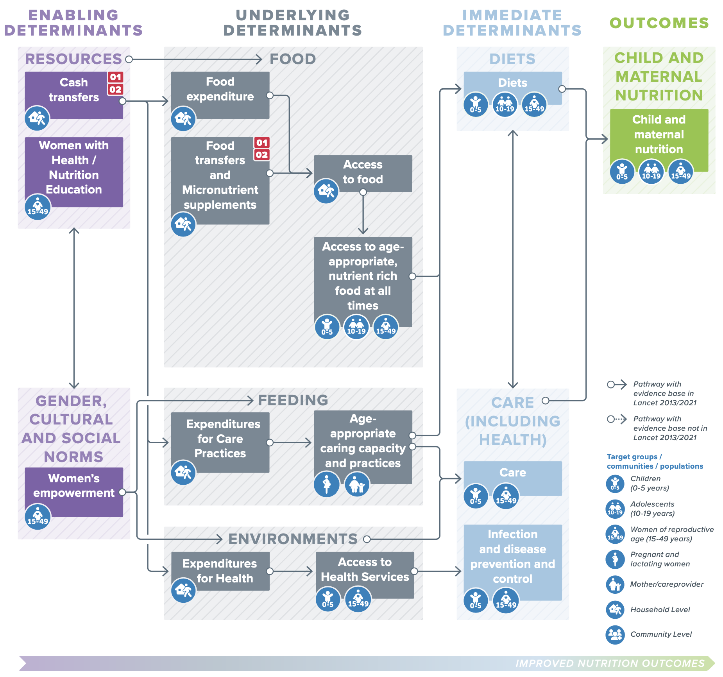
Social Protection Pathway

Select | Refine your indicator search using the pathway "Bubble" and "Box" Names (see left)
Bubble | Gender, cultural and social norms
Box | Women's empowerment

Indicators | Qualitative process to understand equity, time use and income control
 | Women’s Empowerment in Agriculture Index (WEAI)
 | Women’s control of income
 | Women’s time use and labour
 | Asset ownership by gender

Indicator Description

Select Indicator | Qualitative process to understand equity, time use and income control
Definition | Qualitative process to understand equity, time use and income control
Link to description of indicator | FAO compendium of indicators
Target group | Women aged 15-49 years
Validity level | Indicator to contextualise
Difficulty level | High
Data collection instrument | Qualitative enquiry
Link to data collection guidance | CARE guide
Link to Global databases | N/A
Notes | Could also consider collecting qualitative data, case studies on disability.
Social protection - Considerations | Challenging to measure. Focus on the dimension of empowerment the intervention may have positive or negative effects

