Sheet1
NTAG215 |  |  |  |  |  |  |  | # Bytes | Notes
 | Page Adress |  | Byte Number |  |  |  | Serial Number | 9
 | Dec | Hex | 0 | 1 | 2 | 3 | Lock/internal | 3
 | 0 | 0h | serial number |  |  |  | Capability Container | 4
 | 1 | 1h |  |  |  |  | Name | 50 | I think 50 should cover almost all names, theres probalbly some stupid long ones but usually they can be shortend pretty easily
 | 2 | 2h |  | internal | lockbytes |  | Max Health | 20 | "Max Health: 15" - We can cut this down to 2 numbers if we need, but I just added it as text for now
 | 3 | 3h | Capability Container |  |  |  | Current Health | 20 | "Current Health: 3"
 | 4 | 4h | Name |  |  |  | Total Kills | 20 | "Total Kills: 7"
 | 5 | 5h |  |  |  |  | Total Deaths | 20 | "Total Deaths: 9"
 | 6 | 6h |  |  |  |  | Link to datasheet | 200 | https://wahapedia.ru/wh40k10ed/factions/space-marines/Assault-Intercessor-Squad
 | 7 | 7h |  |  |  |  |  |  | Random one, not the longest, this one is 79 characters
 | 8 | 8h |  |  |  |  |  |  | Probalbly smart to just have a number that refrences these in a file
 | 9 | 9h |  |  |  |  | Dynamic lock bytes | 3
 | 10 | Ah |  |  |  |  | Other Config stuff | 17
 | 11 | Bh
 | 12 | Ch |  |  |  |  | Total Bytes | 366
 | 13 | Dh |  |  |  |  | Remaining Bytes | 174
 | 14 | Eh
 | 15 | Fh
 | 16 | 10h
 | 17 | 11h | Max Health
 | 18 | 12h
 | 19 | 13h
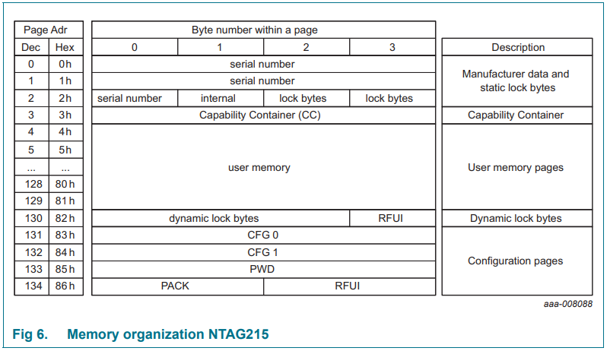
 | 20 | 14h
 | 21 | 15h
 | 22 | 16h | Current Health
 | 23 | 17h
 | 24 | 18h
 | 25 | 19h
 | 26 | 1Ah
 | 27 | 1Bh | Kills
 | 28 | 1Ch
 | 29 | 1Dh
 | 30 | 1Eh
 | 31 | 1Fh
 | 32 | 20h | Deaths
 | 33 | 21h
 | 34 | 22h
 | 35 | 23h
 | 36 | 24h
 | 37 | 25h | Link
 | 38 | 26h
 | 39 | 27h
 | 40 | 28h
 | 41 | 29h
 | 42 | 2Ah
 | 43 | 2Bh
 | 44 | 2Ch
 | 45 | 2Dh
 | 46 | 2Eh
 | 47 | 2Fh
 | 48 | 30h
 | 49 | 31h
 | 50 | 32h
 | 51 | 33h
 | 52 | 34h
 | 53 | 35h
 | 54 | 36h
 | 55 | 37h
 | 56 | 38h
 | 57 | 39h
 | 58 | 3Ah
 | 59 | 3Bh
 | 60 | 3Ch
 | 61 | 3Dh
 | 62 | 3Eh
 | 63 | 3Fh
 | 64 | 40h
 | 65 | 41h
 | 66 | 42h
 | 67 | 43h
 | 68 | 44h
 | 69 | 45h
 | 70 | 46h
 | 71 | 47h
 | 72 | 48h
 | 73 | 49h
 | 74 | 4Ah
 | 75 | 4Bh
 | 76 | 4Ch
 | 77 | 4Dh
 | 78 | 4Eh
 | 79 | 4Fh
 | 80 | 50h
 | 81 | 51h
 | 82 | 52h
 | 83 | 53h
 | 84 | 54h
 | 85 | 55h
 | 86 | 56h
 | 87 | 57h
 | 88 | 58h
 | 89 | 59h
 | 90 | 5Ah
 | 91 | 5Bh
 | 92 | 5Ch
 | 93 | 5Dh
 | 94 | 5Eh
 | 95 | 5Fh
 | 96 | 60h
 | 97 | 61h
 | 98 | 62h
 | 99 | 63h
 | 100 | 64h
 | 101 | 65h
 | 102 | 66h
 | 103 | 67h
 | 104 | 68h
 | 105 | 69h
 | 106 | 6Ah
 | 107 | 6Bh
 | 108 | 6Ch
 | 109 | 6Dh
 | 110 | 6Eh
 | 111 | 6Fh
 | 112 | 70h
 | 113 | 71h
 | 114 | 72h
 | 115 | 73h
 | 116 | 74h
 | 117 | 75h
 | 118 | 76h
 | 119 | 77h
 | 120 | 78h
 | 121 | 79h
 | 122 | 7Ah
 | 123 | 7Bh
 | 124 | 7Ch
 | 125 | 7Dh
 | 126 | 7Eh
 | 127 | 7Fh
 | 128 | 80h
 | 129 | 81h
 | 130 | 82h | Dynamic Lock Bytes |  |  | RFUI
 | 131 | 83h | CFG 0
 | 132 | 84h | CFG 1
 | 133 | 85h | PWD
 | 134 | 86h | PACK |  | RFUI

