Table 1-4
This file presents data from the tables in CBO’s February 2026 report The Budget and Economic Outlook: 2026 to 2036 and provides supplemental data.
www.cbo.gov/publication/61882

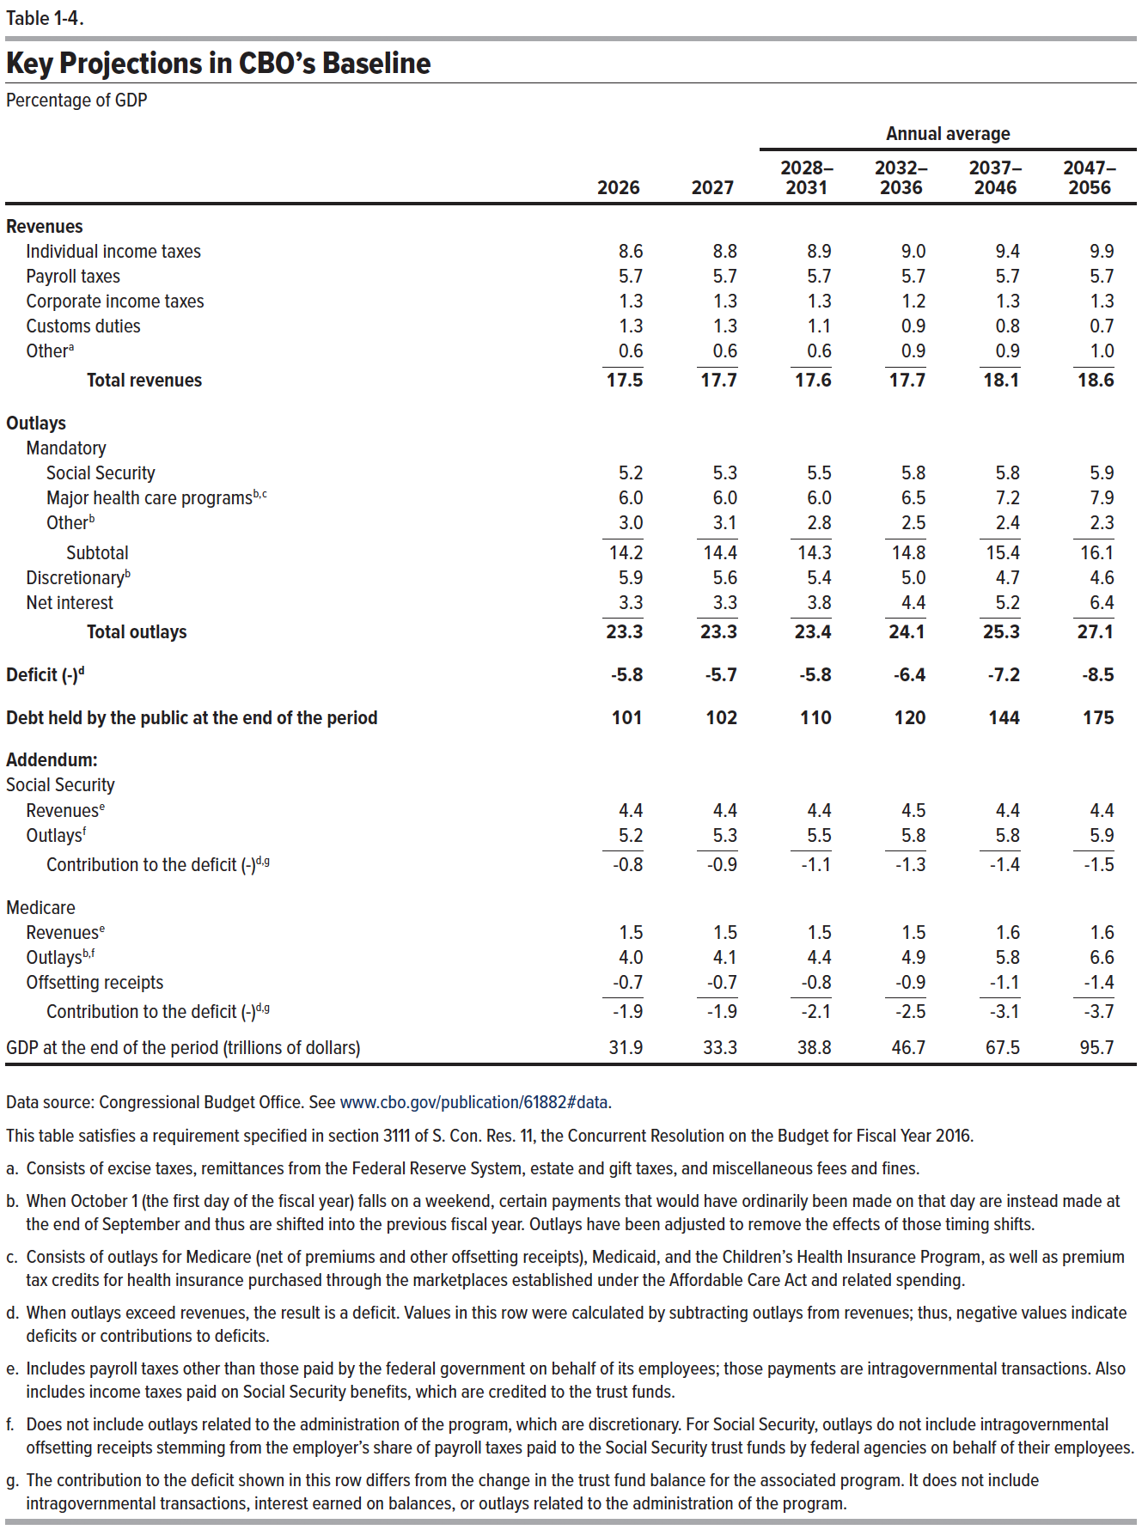
Table 1-4. Key Projections in CBO's Baseline
Percentage of GDP
 |  |  | Annual average
 | 2026 | 2027 | 2028-2031 | 2032-2036 | 2037-2046 | 2047-2056
Revenues
Individual income taxes | 8.6 | 8.8 | 8.9 | 9.0 | 9.4 | 9.9
Payroll taxes | 5.7 | 5.7 | 5.7 | 5.7 | 5.7 | 5.7
Corporate income taxes | 1.3 | 1.3 | 1.3 | 1.2 | 1.3 | 1.3
Customs duties | 1.3 | 1.3 | 1.1 | 0.9 | 0.8 | 0.7
Other | 0.6 | 0.6 | 0.6 | 0.9 | 0.9 | 1.0
Total revenues | 17.5 | 17.7 | 17.6 | 17.7 | 18.1 | 18.6

Outlays
Mandatory
Social Security | 5.2 | 5.3 | 5.5 | 5.8 | 5.8 | 5.9
Major health care programs | 6.0 | 6.0 | 6.0 | 6.5 | 7.2 | 7.9
Other | 3.0 | 3.1 | 2.8 | 2.5 | 2.4 | 2.3
Subtotal | 14.2 | 14.4 | 14.3 | 14.8 | 15.4 | 16.1
Discretionary | 5.9 | 5.6 | 5.4 | 5.0 | 4.7 | 4.6
Net interest | 3.3 | 3.3 | 3.8 | 4.4 | 5.2 | 6.4
Total outlays | 23.3 | 23.3 | 23.4 | 24.1 | 25.3 | 27.1

Deficit (-) | -5.8 | -5.7 | -5.8 | -6.4 | -7.2 | -8.5

Debt held by the public at the end of the period | 101 | 102 | 110 | 120 | 144 | 175

Addendum:
Social Security
Revenues | 4.4 | 4.4 | 4.4 | 4.5 | 4.4 | 4.4
Outlays | 5.2 | 5.3 | 5.5 | 5.8 | 5.8 | 5.9
Contribution to the deficit (-) | -0.8 | -0.9 | -1.1 | -1.3 | -1.4 | -1.5

Medicare
Revenues | 1.5 | 1.5 | 1.5 | 1.5 | 1.6 | 1.6
Outlays | 4.0 | 4.1 | 4.4 | 4.9 | 5.8 | 6.6
Offsetting receipts | -0.7 | -0.7 | -0.8 | -0.9 | -1.1 | -1.4
Contribution to the deficit (-) | -1.9 | -1.9 | -2.1 | -2.5 | -3.1 | -3.7

GDP at the end of the period (trillions of dollars) | 31.9 | 33.3 | 38.8 | 46.7 | 67.5 | 95.7

Back to Table of Contents

