Car parks
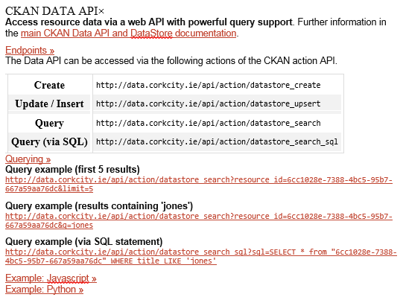
Data description | Organisation | Contact email | Web link | API access link | API Key | Variables | Useful links | Locations
Car parks data | Cork City Council | netadmin@corkcity.ie | http://data.corkcity.ie/dataset/parking | See below instructions |  |  | http://docs.ckan.org/en/latest/maintaining/datastore.html
 |  |  | http://data.corkcity.ie/dataset/parking/resource/6cc1028e-7388-4bc5-95b7-667a59aa76dc

