readme
To convert spreadsheets to markdown tables:
Copy all of the yellow cells from the spreadsheet you want to convert (Table1, Table2, etc.)
Go to the website
https://tableconvert.com/ | (there are other excel to markdown converters online too)
 | Also see this page: https://tableconvert.com/Excel-Converter/excel-to-markdown-table.html
Click "Import"

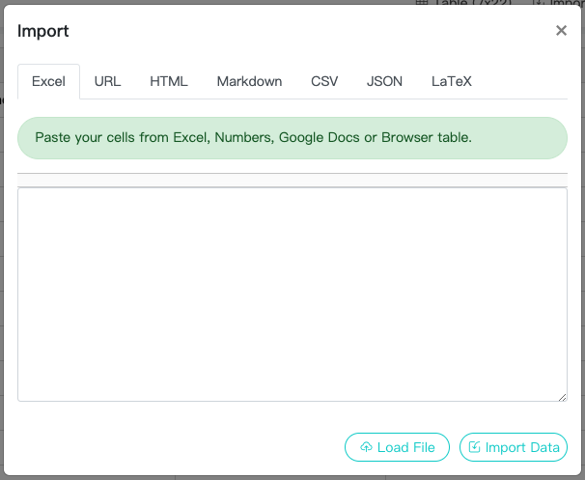
Paste into the popup box
Click Import Data

Click Copy at the bottom
right side of the page
next to the markdown
text

Paste this into usersGuide.md

