Orbit Performance
Orbit Performance: |  |  |  | Bogdan Bunea |  |  | 2025-11-07 |  | Version: 1.0
GW-Sat
 |  |  | Blue | = User Data Entry Values |  |  | Red | = Key Results |  | NOTE: Cells Not Yet Protected
Element Reference Epoch: | 2020, 87.50000 |  | Black | = Computed Values (No Data Entry) |  |  | Blue | =Critical User Data Entry Values

-1.9 | 3.5199431814 | 3.5745629103
-1.85 | 3.5464771253 | 3.6
-1.8 | 3.5721142199 | 3.6245689399
-1.75 | 3.5968736425 | 3.6482872694
-1.7 | 3.620773398 | 3.6711714752
-1.65 | 3.6438304022 | 3.6932370625
-1.6 | 3.666060556 | 3.7144986203
-1.55 | 3.6874788135 | 3.7349698794
-1.5 | 3.7080992435 | 3.7546637666
-1.45 | 3.7279350853 | 3.7735924528
-1.4 | 3.746998799 | 3.7917673979
-1.35 | 3.7653021127 | 3.8091993909
-1.3 | 3.7828560639 | 3.8258985873
-1.25 | 3.7996710384 | 3.8418745425
-1.2 | 3.8157568057 | 3.8571362434
-1.15 | 3.8311225509 | 3.8716921365
-1.1 | 3.8457769046 | 3.8855501541
-1.05 | 3.8597279697 | 3.8987177379
-1 | 3.8729833462 | 3.9112018613
-0.95 | 3.8855501541 | 3.9230090492
-0.9 | 3.897435054 | 3.9341453964
-0.85 | 3.9086442662 | 3.9446165847
-0.8 | 3.9191835885 | 3.9544278979
-0.75 | 3.9290584114 | 3.9635842365
-0.7 | 3.9382737335 | 3.9720901299
-0.65 | 3.9468341744 | 3.9799497484
-0.6 | 3.9547439867 | 3.987166914
-0.55 | 3.9620070671 | 3.9937451095
-0.5 | 3.9686269666 | 3.9996874878
-0.45 | 3.9746068988 | 4.0049968789
-0.4 | 3.9799497484 | 4.0096757974
-0.35 | 3.9846580782 | 4.0137264481
-0.3 | 3.988734135 | 4.0171507316
-0.25 | 3.9921798557 | 4.0199502484
-0.2 | 3.9949968711 | 4.0221263033
-0.15 | 3.9971865105 | 4.0236799077
-0.1 | 3.9987498046 | 4.0246117825
-0.05 | 3.9996874878 | 4.0249223595
0 | 4 | 4.0249223595
0.05 | 3.9996874878 | 4.0246117825
0.1 | 3.9987498046 | 4.0236799077
0.15 | 3.9971865105 | 4.0221263033
0.2 | 3.9949968711 | 4.0199502484
0.25 | 3.9921798557 | 4.0171507316
0.3 | 3.988734135 | 4.0137264481
0.35 | 3.9846580782 | 4.0096757974
0.4 | 3.9799497484 | 4.0049968789
0.45 | 3.9746068988 | 3.9996874878
0.5 | 3.9686269666 | 3.9937451095
0.55 | 3.9620070671 | 3.987166914
...
Orbit Velocity
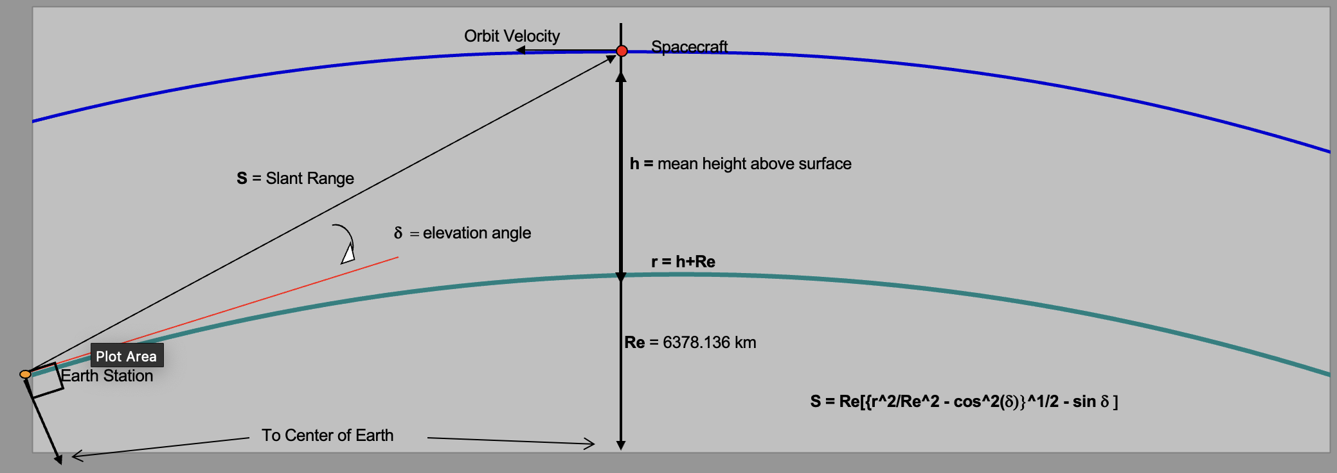
Spacecraft
Orbit Properties
Slant Range to Spacecraft vs. Elevation Angle
Parameter: | Value: | Unit:
Earth Radius: | 6,378.17 | km
Height of Apogee (ha): | 415 | km
Height of Perigee (hp): | 412 | km
Semi-Major Axis (a): | 6,791.67 | km
S = Slant Range
h = mean height above surface
Eccentricity (e): | 0.000221
Inclination (I): | 51.60 | degrees
Argument of Perigee (w): | 78.7 | degrees
δ = elevation angle
R.A.A.N. (W): | 180.00000 | degrees
r = h+Re
Mean Anomaly (M): | 173.00 | degrees
Period: | 92.837 | minutes
dw/dt: | 3.7137 | deg./day
dW/dt: | -4.9655 | deg./day
Re = 6378.136 km
dM/dt: | Not Implemented | deg./day
Earth Station
Mean Orbit Altitude: | 413.50 | km
Mean Orbit Radius: | 6,791.67 | km
S = Re[{r^2/Re^2 - cos^2(δ)}^1/2 - sin δ ]
Sun Synchronous Inclination: | 97.08 | degrees
Elevation Angle (d): | 10.0 | degrees
To Center of Earth
Slant Range: | 1,475.54 | km.

 | Frequency: |  | Wavelength: |  | Path Loss:
Uplink: | 436.5 | MHz | 0.687 | meters | 148.6 | dB
 |  |  |  |  |  |  | Path Loss = 22.0 + 20 log (S/l)
Downlink: | 436.5 | MHz | 0.687 | meters | 148.6 | dB

