Pivot Tables
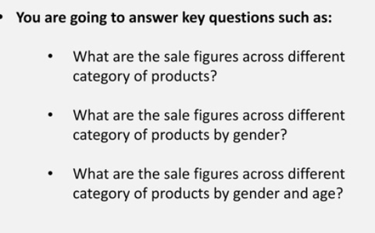
Total Sales per Category
Sales Distribution between Gender & Generation

Product Category | Sum of Total Sales
Beauty | £143,515
Clothing | £155,580
Electronics | £156,905
Monthly Sales by Gender
Grand Total | £456,000
Gender Sales Comparision

Sum of Total Sales | Gender
Product Category | Female | Male | Grand Total
Beauty | £74,830 | £68,685 | £143,515
Clothing | £81,275 | £74,305 | £155,580
Electronics | £76,735 | £80,170 | £156,905
Grand Total | £232,840 | £223,160 | £456,000

Sum of Total Sales |  | Generation
Product Category | Gender | Young Adult | Grand Total
Beauty | Female | £19,650 | £19,650
 | Male | £21,750 | £21,750 | Sum of Total Sales | Gender
Beauty Total |  | £41,400 | £41,400 | Month Name | Female | Male | Grand Total
Clothing | Female | £24,220 | £24,220 | Jan | 24,725 | 12,255 | 36,980
 | Male | £21,930 | £21,930 | Feb | 14,395 | 29,665 | 44,060
Clothing Total |  | £46,150 | £46,150 | Mar | 13,320 | 15,670 | 28,990
Electronics | Female | £19,655 | £19,655 | Apr | 17,300 | 16,570 | 33,870
 | Male | £15,950 | £15,950 | May | 23,930 | 29,220 | 53,150
Electronics Total |  | £35,605 | £35,605 | Jun | 16,875 | 19,840 | 36,715
Grand Total |  | £123,155 | £123,155 | Jul | 16,885 | 18,580 | 35,465
 |  |  |  | Aug | 22,080 | 14,880 | 36,960
 |  |  |  | Sep | 16,535 | 7,085 | 23,620
 |  |  |  | Oct | 26,600 | 19,980 | 46,580
 |  |  |  | Nov | 14,890 | 20,030 | 34,920
 |  |  |  | Dec | 25,305 | 19,385 | 44,690
 |  |  |  | Grand Total | 232,840 | 223,160 | 456,000

