Snaglist 594600
Last modified by: |  |  |  | TGr | Snag list_594600_BüsscherHoffmann |  |  |  |  | Open Mechanical points: | Open Electrical points: | Open PLC/ EMSY points | Open Purchasing points: | Open Production points: | Open Sales/ TPL points | Open points in total
Date |  |  |  | 2022-03-16 |  |  |  |  |  | 1 | 1 | 0 | 0 | 0 | 0 | 2
Delivery date |  |  |  | 2022-02-11

TPL | TPL | TPL | TPL | TPL | TPL | TPL | TPL | TPL | techn. Depart. | techn. Depart. | techn. Depart. | techn. Depart. | TPL | techn. Depart. | Purchase | Part Production | M-Design | E-Design | Purchase | assembly | TPL | NIC | Logistic | Service | NIC/TPL | NIC/TPL
ID | known by customer | Status | Noticed on (DD/MM/YYYY) | Layout Pos. No. / General | Source of fault | Frequency of fault | Description of open point | Picture of open point, if available | Solution to solve the open points | estimated work load on site (separated to m/e/plc) | needed machine down times | Responsible person | Deadline (finish on-site) | RmNr/QCS-no | Delivery date last arriving part | Delivery date last arriving part | Comment MKON | Comment EKON | Comment Purchasing | Comment Production | Comment TPL | Comment Service | Tracking no. Sent parts/ Expected date of arrival | Package/ Parts checked by | Finish date | Picture of current status | Signature of customer, that job is done
1 | yes | Open | 2022-03-11 | 800 | MKON | First time | Energy chain got damaged | 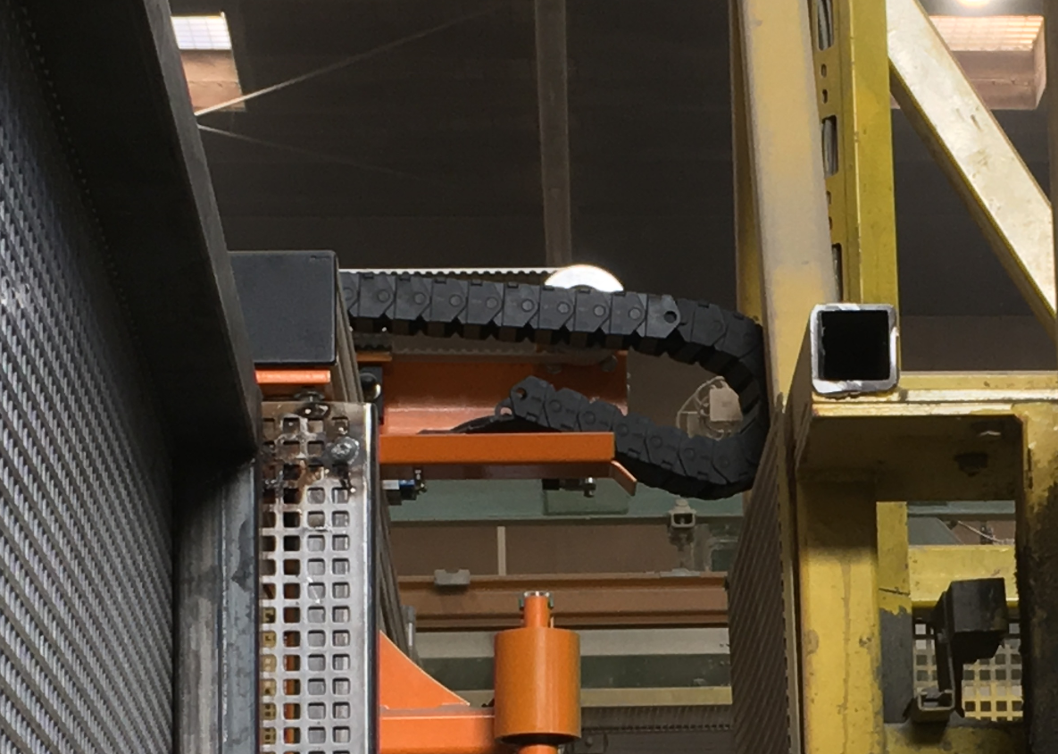 |  | (customer will install it) |  |  | KW13
2 | yes | Open | 2022-03-11 | general | EKON | First time | Updates made in E-Plan during installation | - |  |  |  |  | KW13
3
4
5
6
7
8
9
10
11
12
13

