task1
задание 1 Get ShipperName for Orders where CustomerID=90

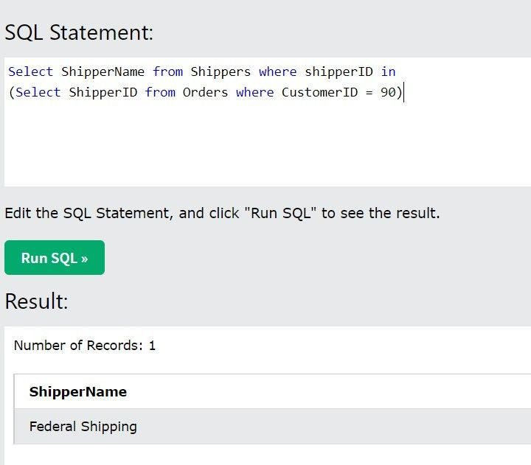
Select ShipperName from Shippers where shipperID in
(Select ShipperID from Orders where CustomerID = 90)

task2
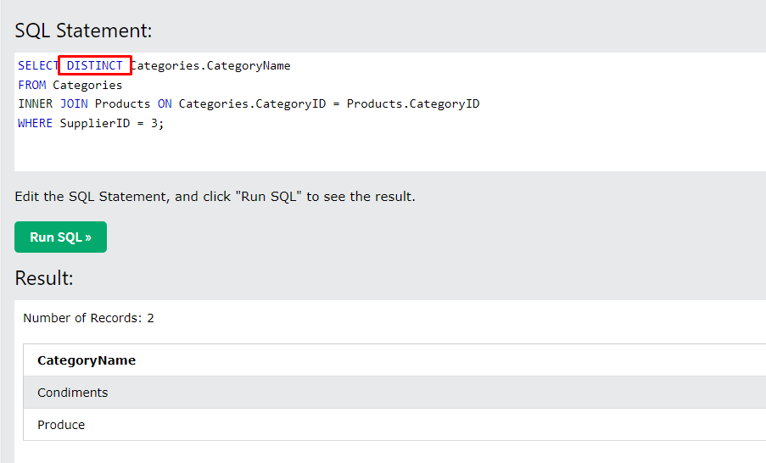
задание 2 Get product CategoryName for SupplierId=3

SELECT Products.SupplierID, Products.CategoryID, Categories.CategoryName
FROM Products
INNER JOIN Categories
ON Products.CategoryID=Categories.CategoryID where Categories.CategoryName in
(Select CategoryName from Categories where supplierID=3)
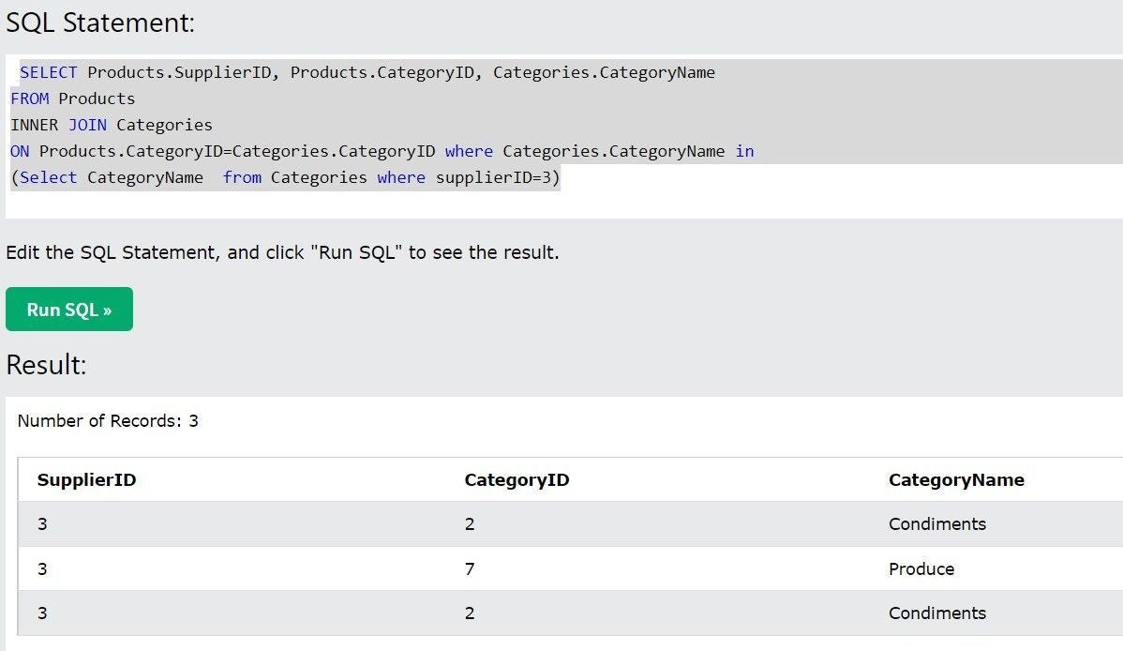

 | OR

