Before and after
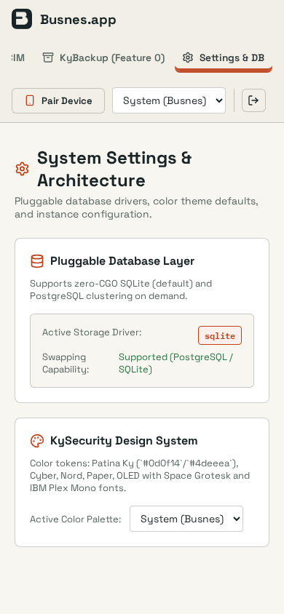
KyDNS-server · appearance · OS dark
Before | After
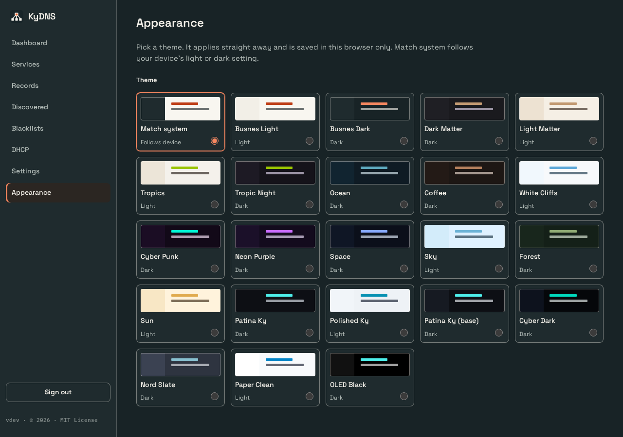

KyDNS-server · appearance · OS light
Before | After
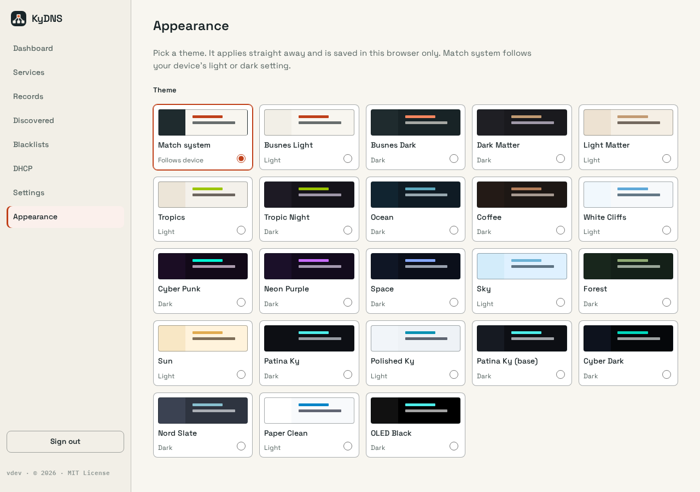

KyDNS-server · appearance · OS dark
Before | After

KyDNS-server · appearance · OS light
Before | After

KyDrive-server · appearance · OS dark
Before | After
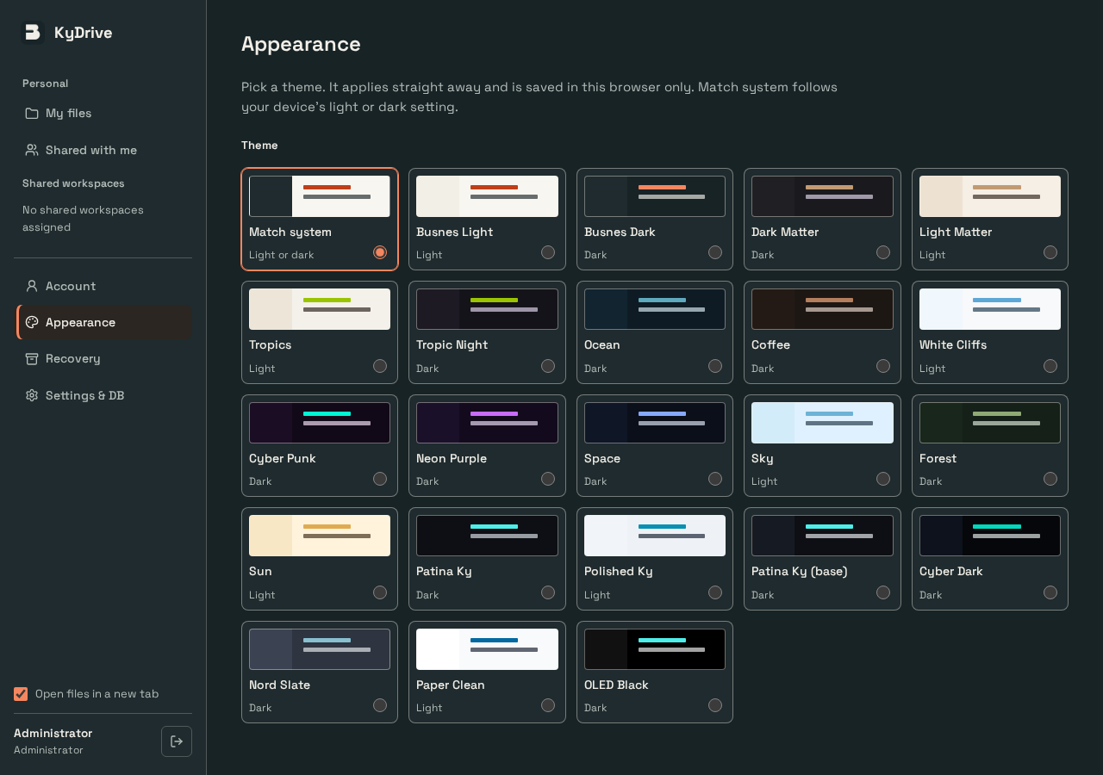


KyDrive-server · appearance · OS light
Before | After
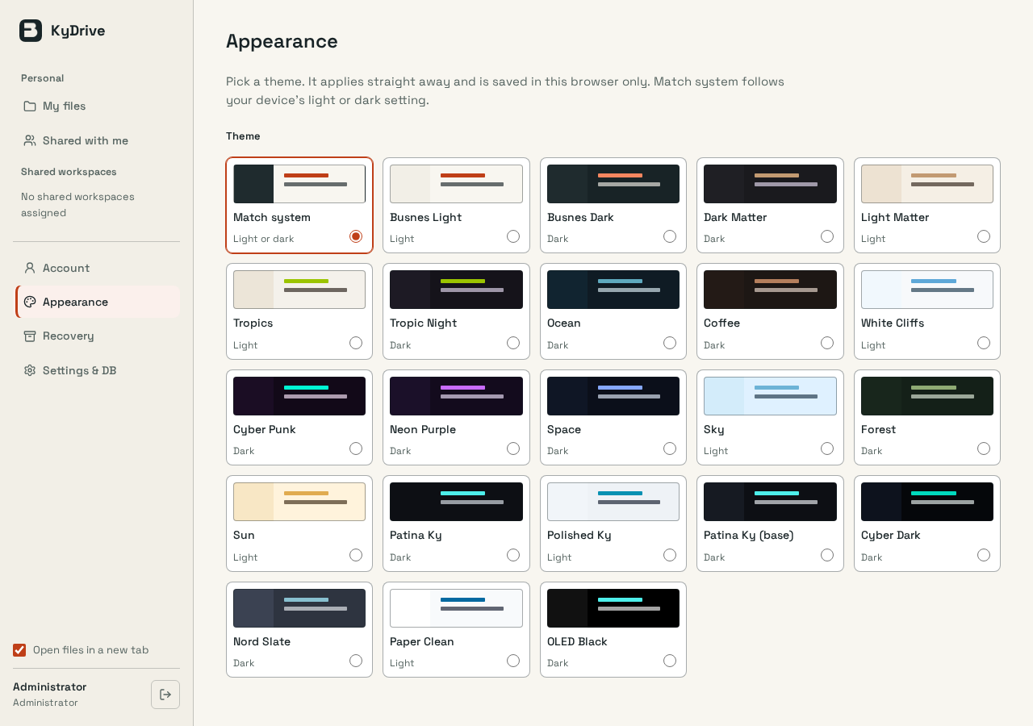


KyDrive-server · appearance · OS dark
Before | After
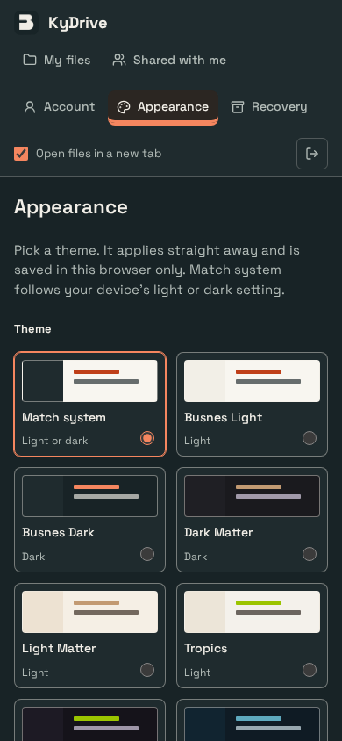


KyDrive-server · appearance · OS light
Before | After
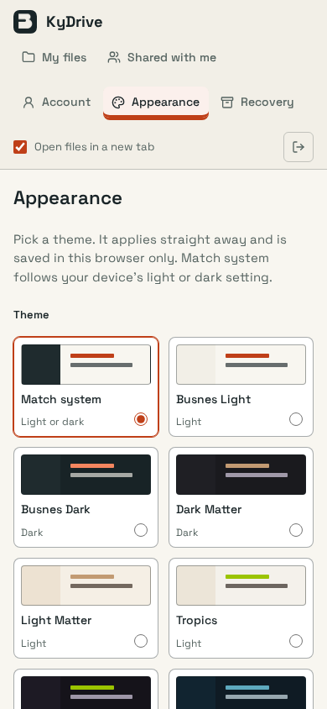


KyDrive-server · delete-dialog-sky · sky (saved); OS light
Before | After
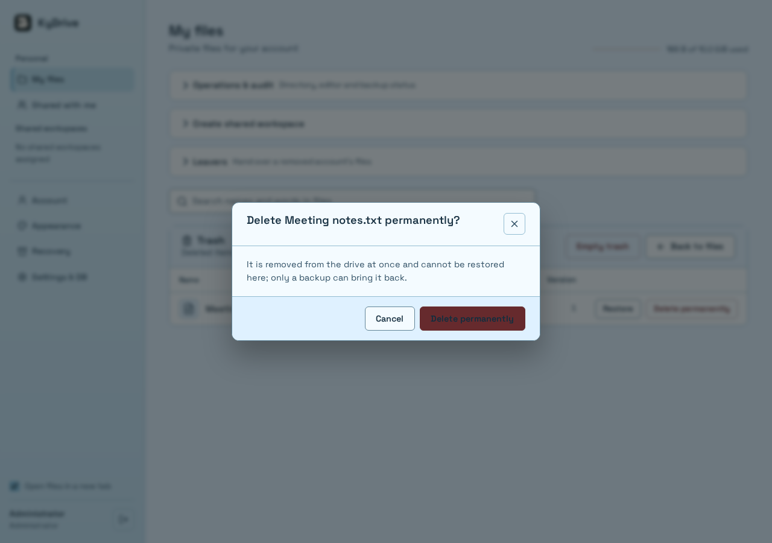


KyDrive-server · delete-dialog-sky · sky (saved); OS light
Before | After
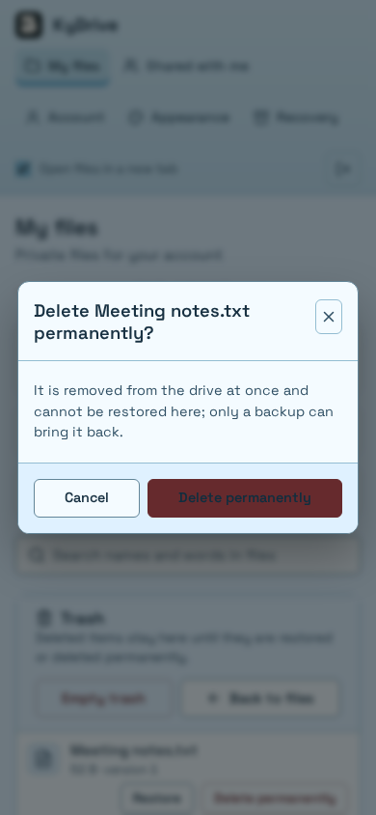


KyIdentity-server · appearance · OS dark
Before | After
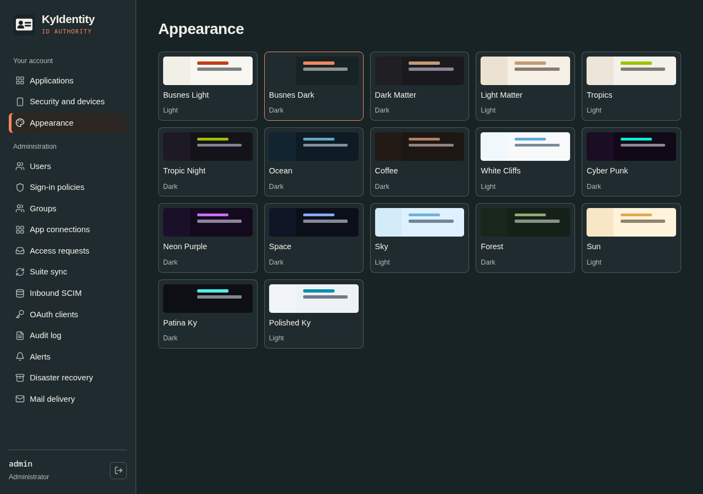
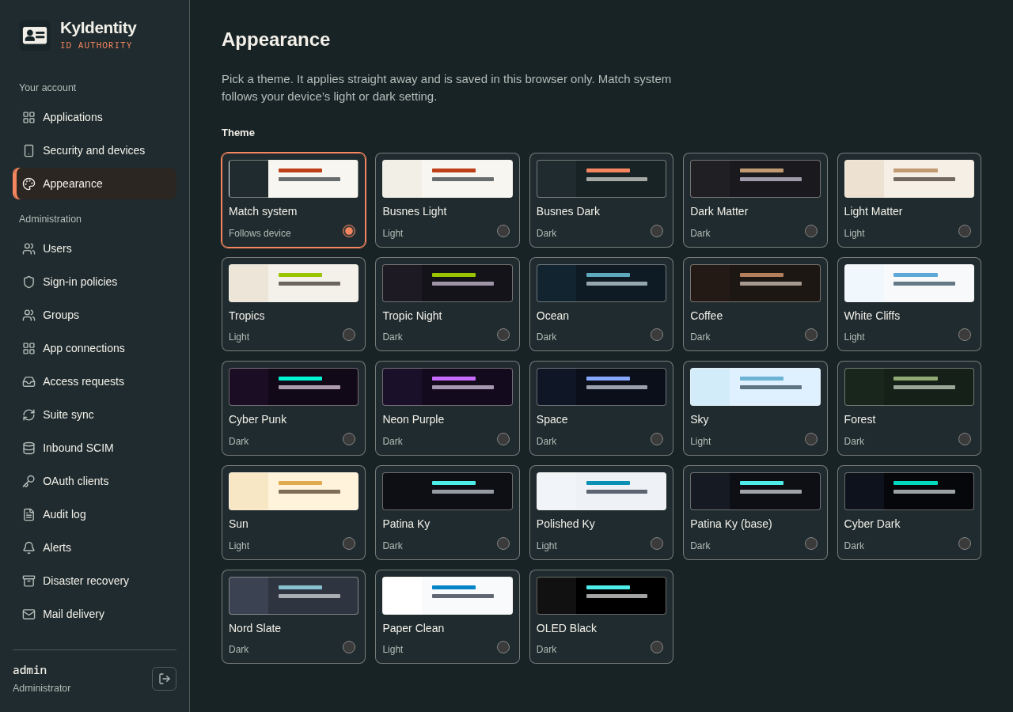

KyIdentity-server · appearance · OS light
Before | After
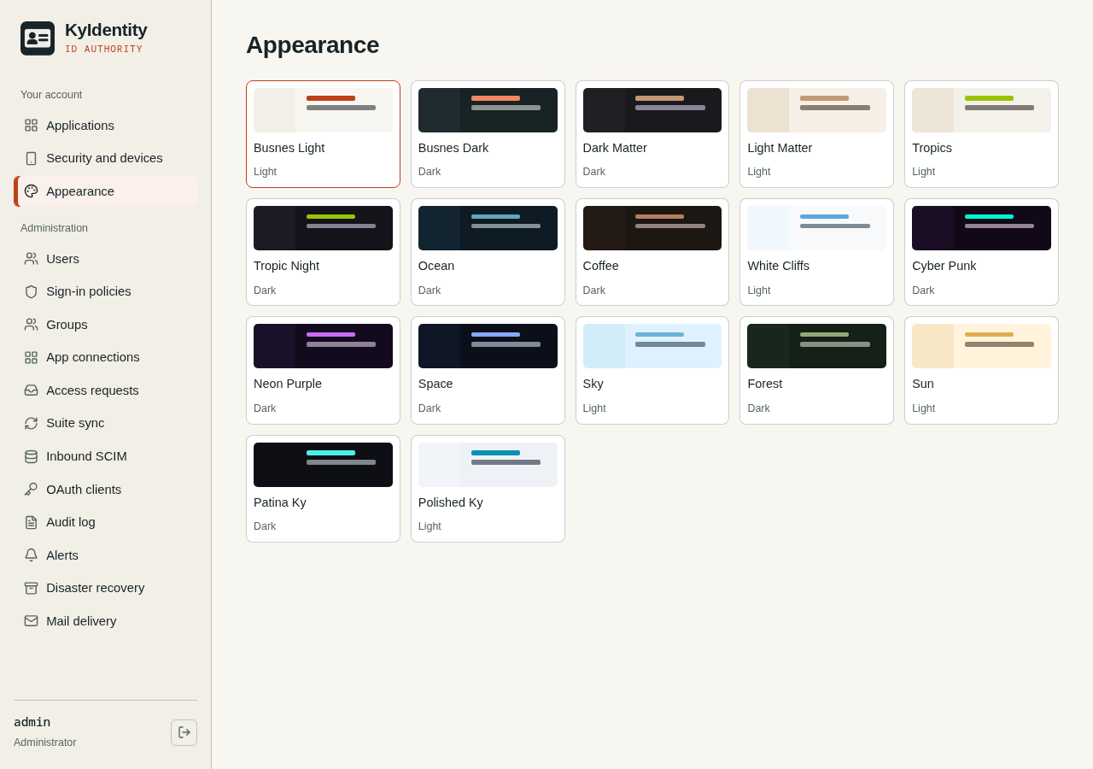
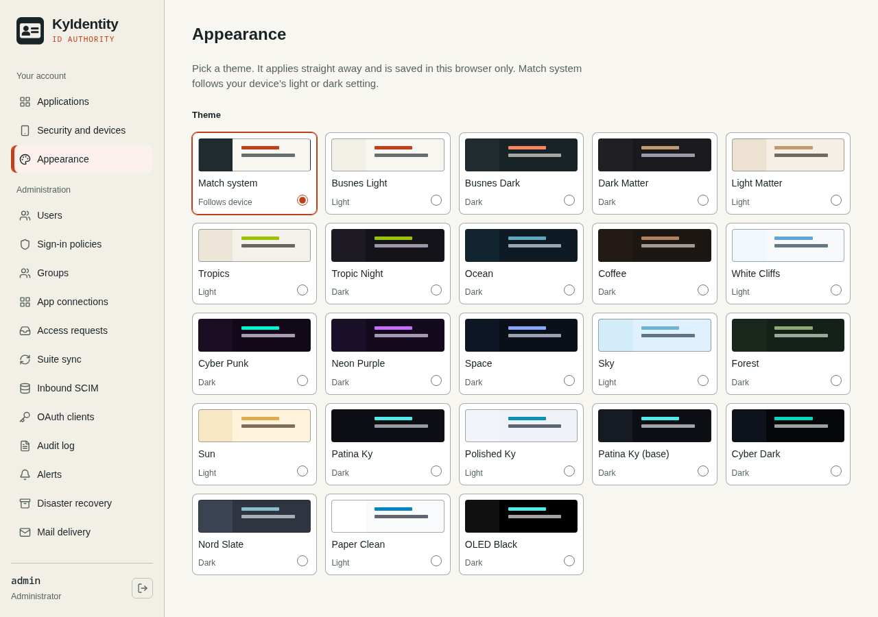

KyIdentity-server · appearance · OS dark
Before | After
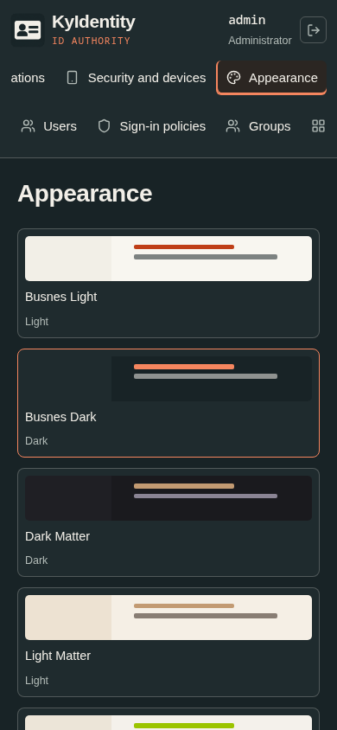
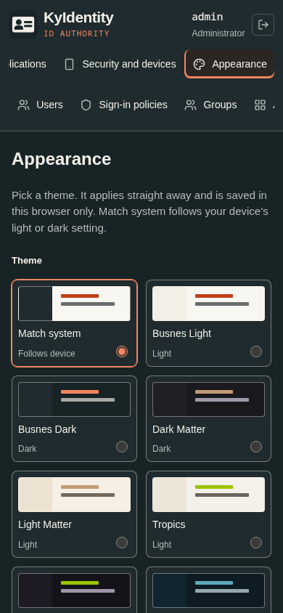

KyIdentity-server · appearance · OS light
Before | After
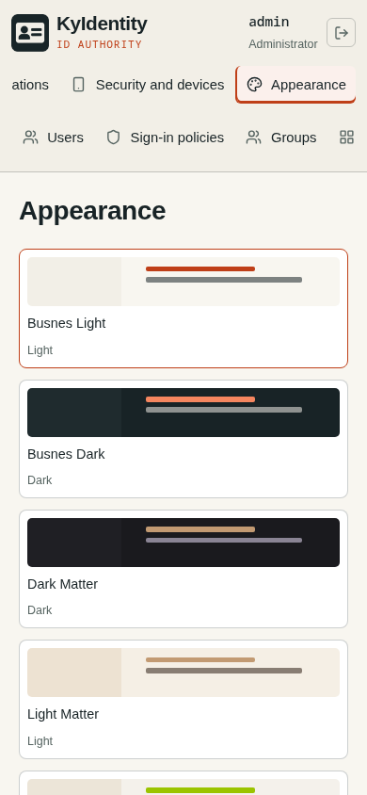
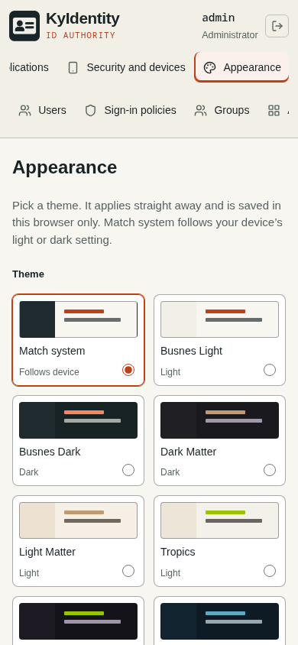

KyNotes-server · appearance · OS dark
Before | After
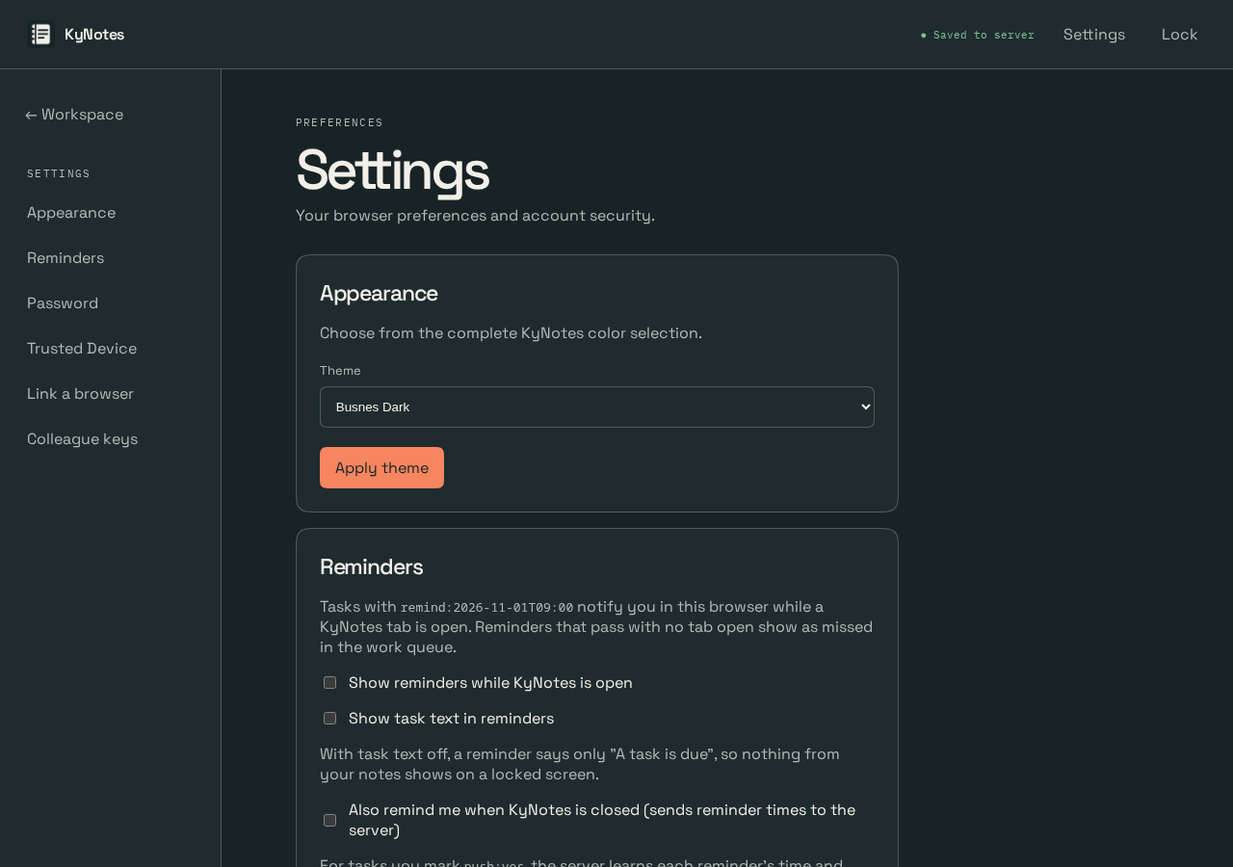
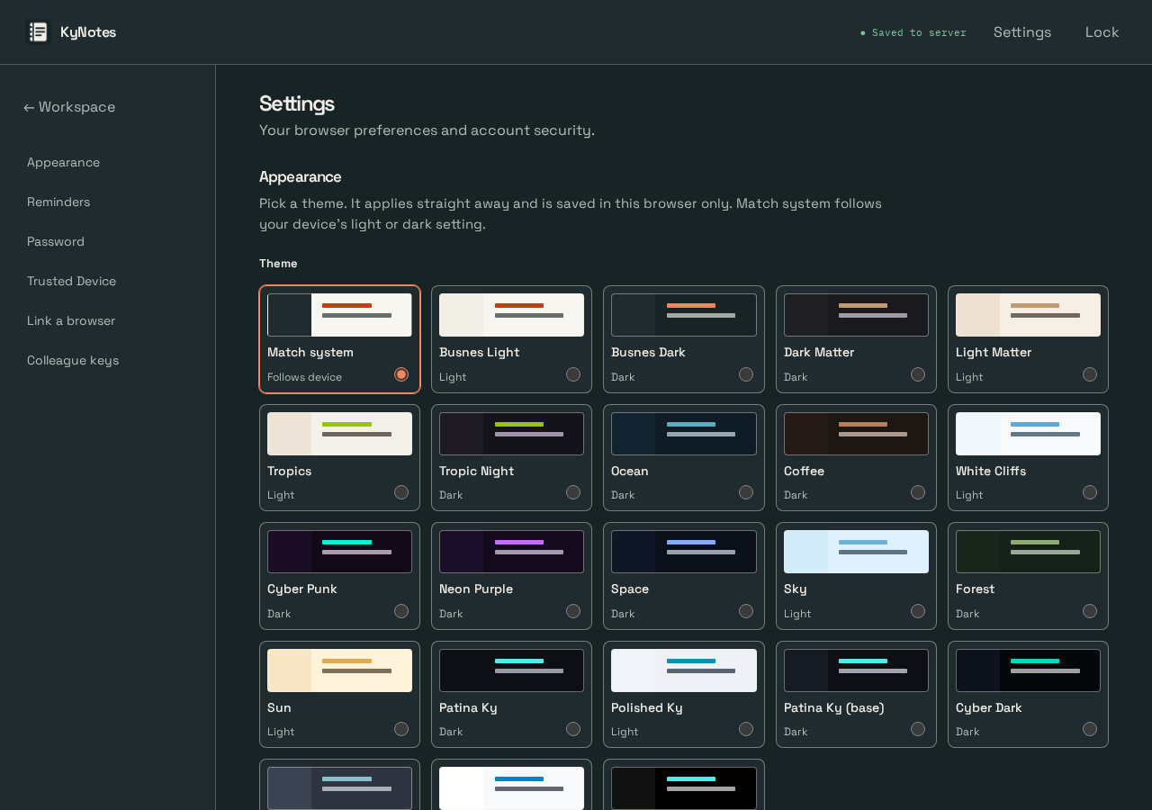

KyNotes-server · appearance · OS light
Before | After
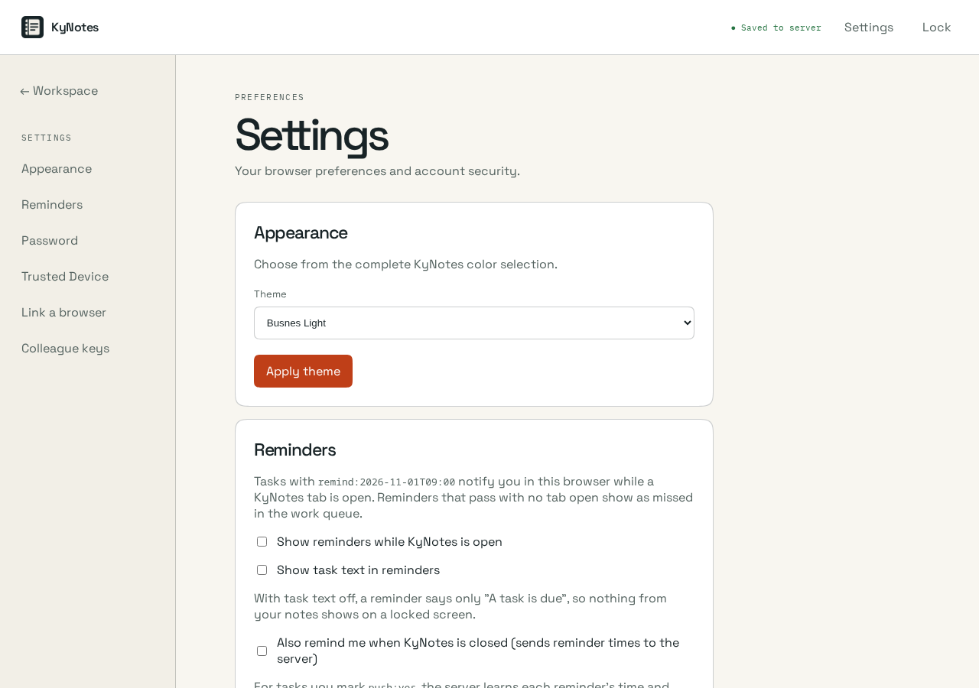
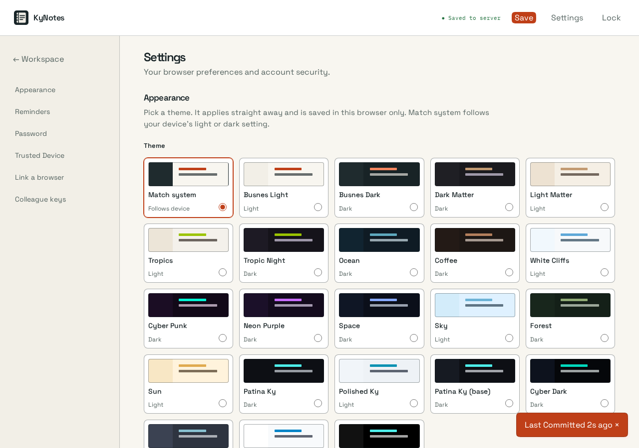

KyNotes-server · appearance · OS dark
Before | After
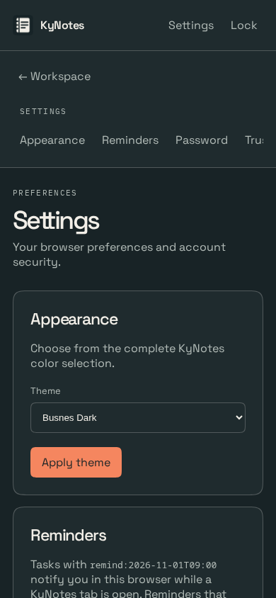
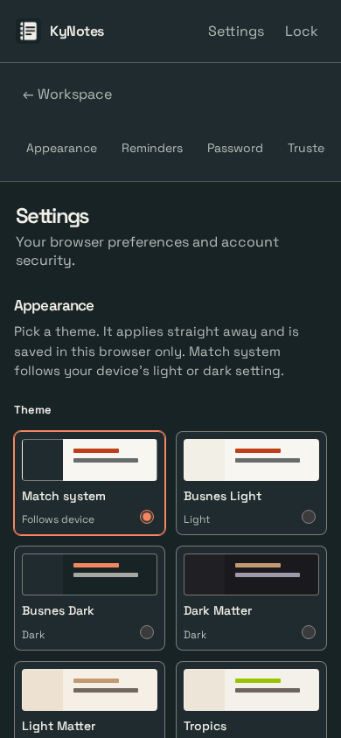

KyNotes-server · appearance · OS light
Before | After
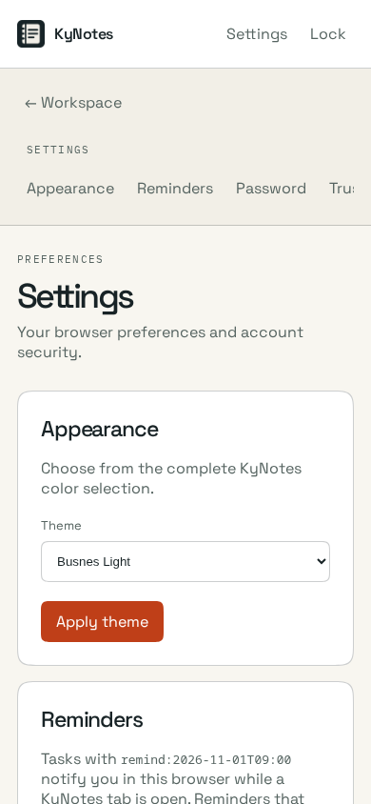
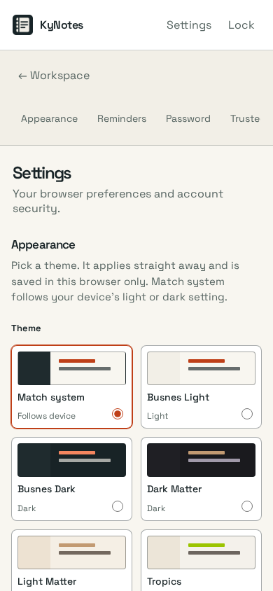

KyPost-Server · appearance · OS dark
Before | After
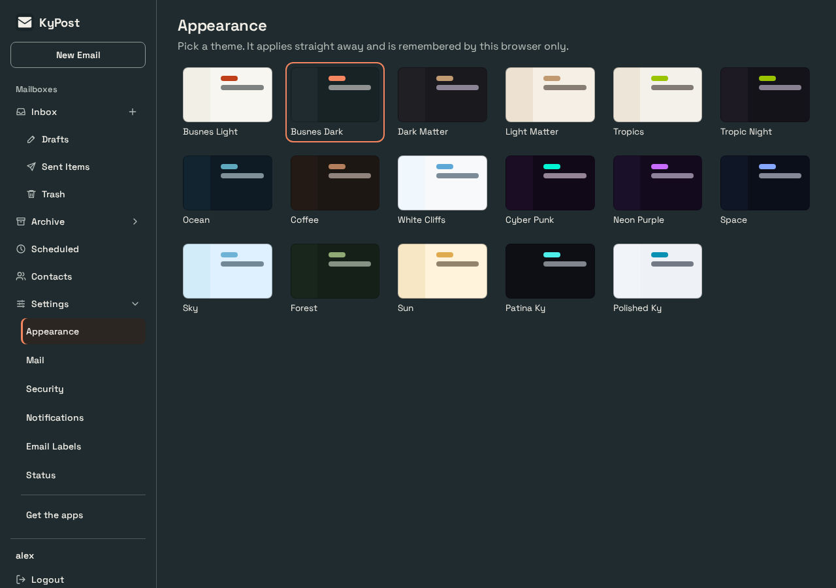
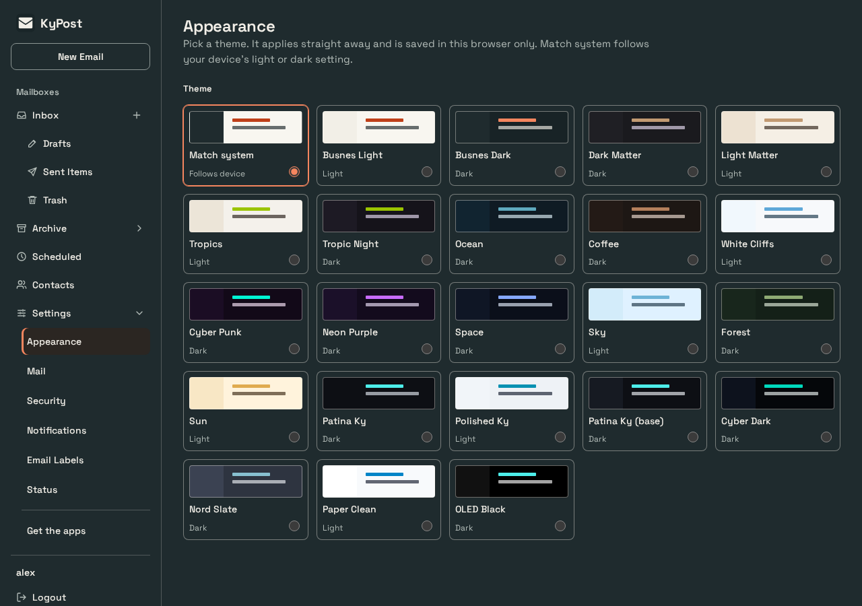

KyPost-Server · appearance · OS light
Before | After
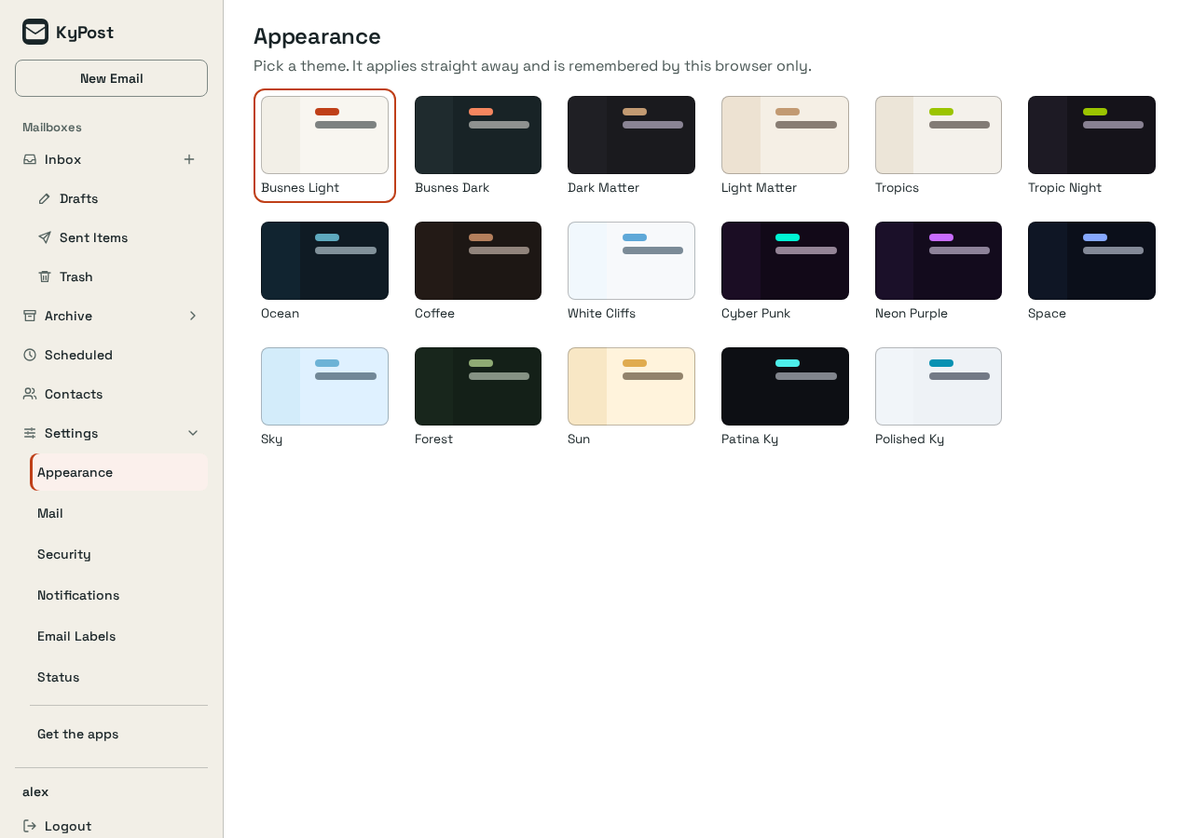
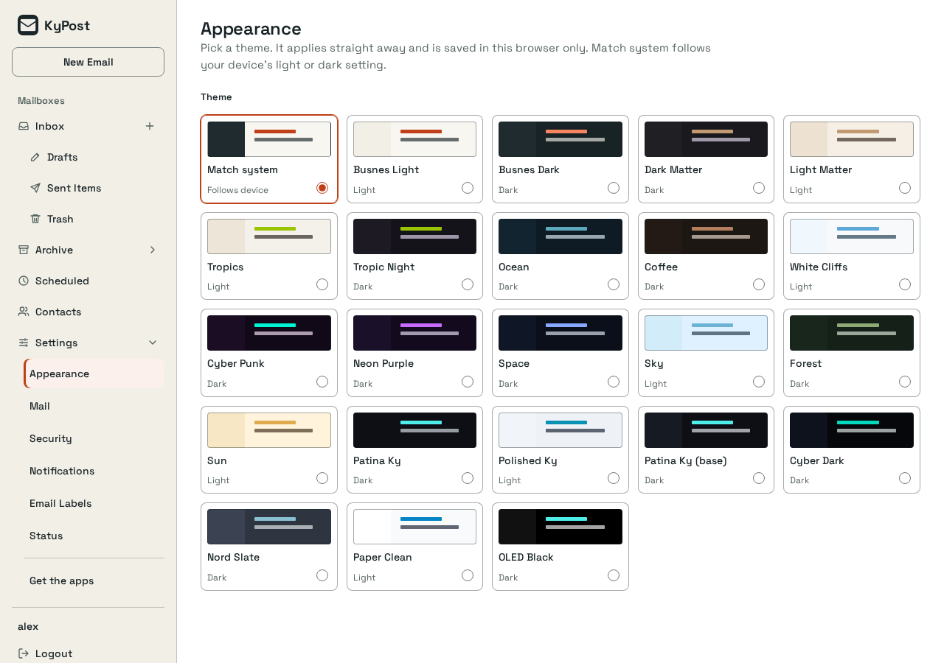

KyPost-Server · appearance · OS dark
Before | After
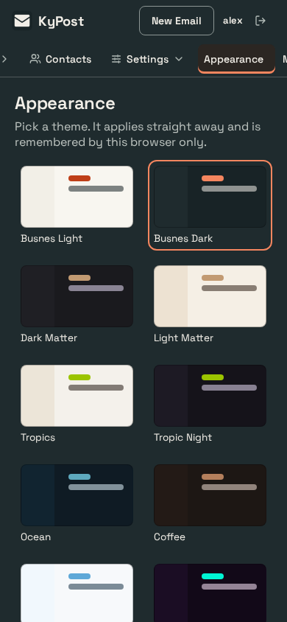
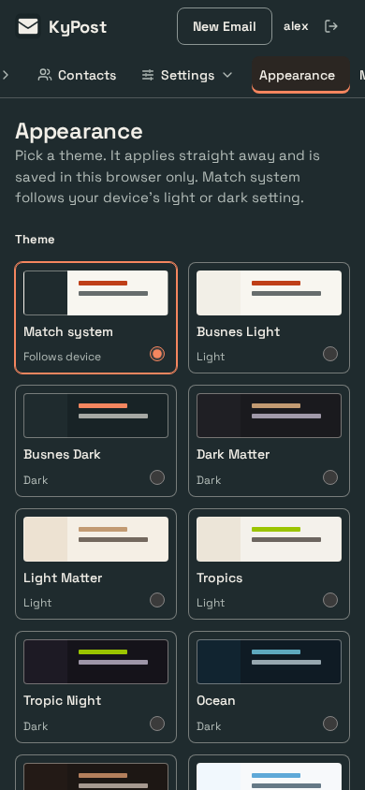

KyPost-Server · appearance · OS light
Before | After
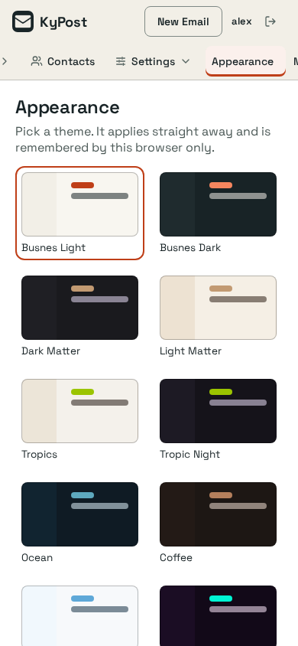
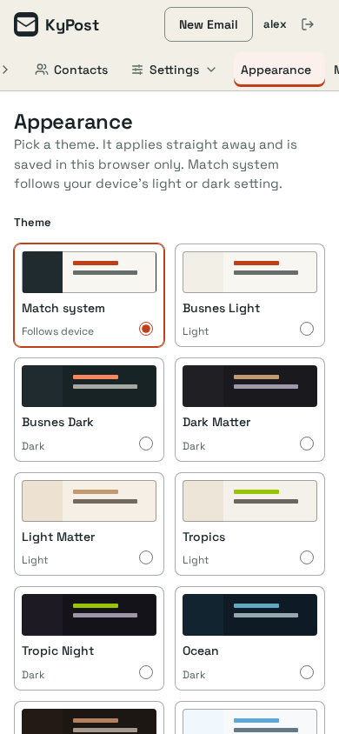

KyPulse-server · app-delete-sky · sky (saved); OS light
Before | After
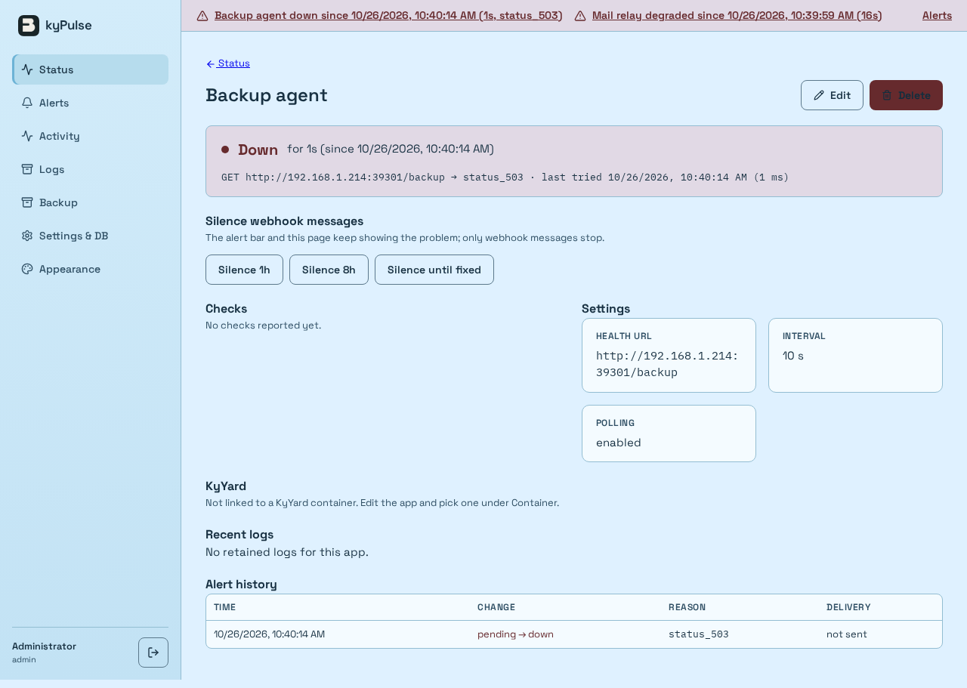


KyPulse-server · app-delete-sky · sky (saved); OS light
Before | After

KyPulse-server · appearance · OS dark
Before | After
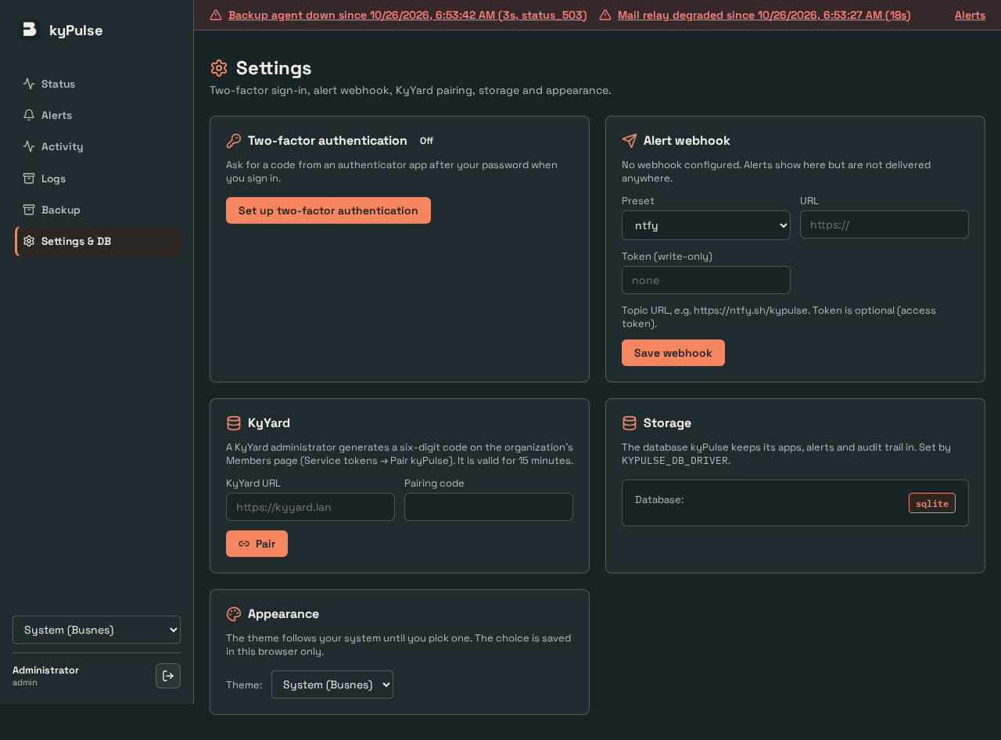
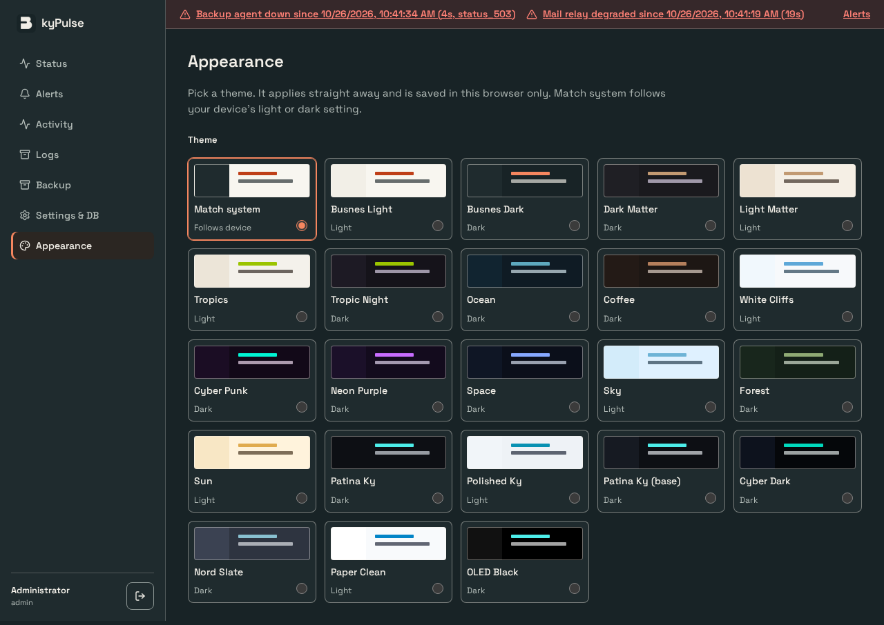

KyPulse-server · appearance · OS light
Before | After
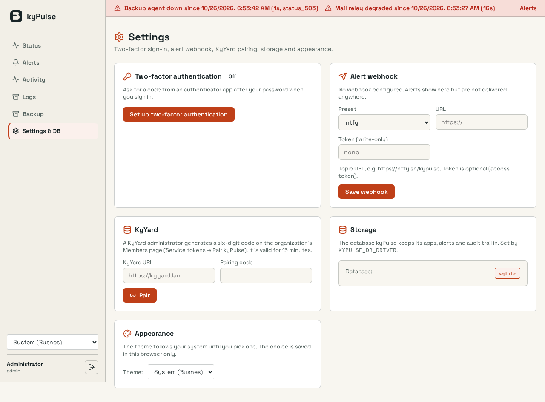
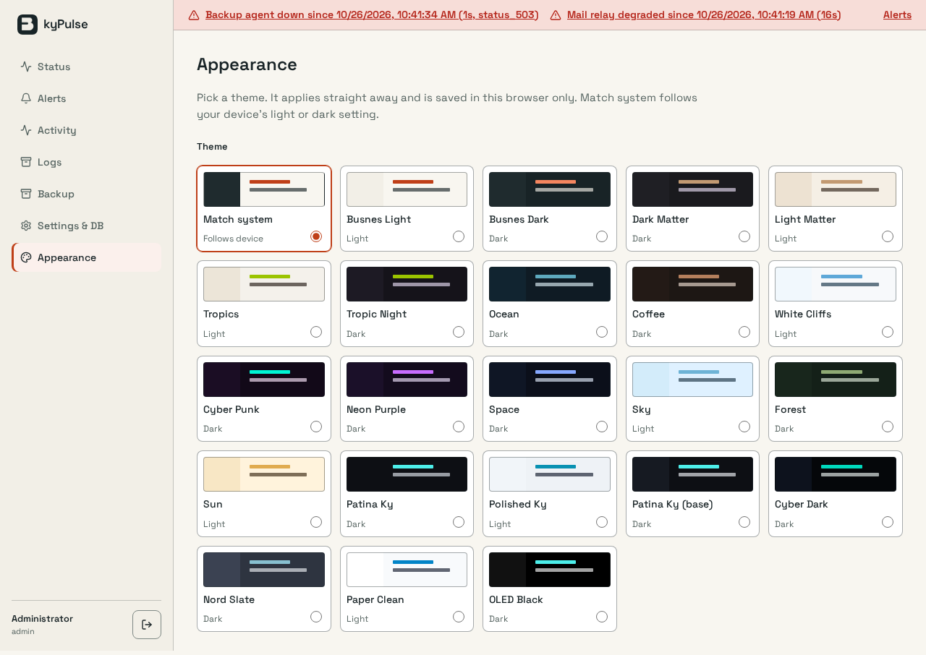

KyPulse-server · appearance · OS dark
Before | After

KyPulse-server · appearance · OS light
Before | After

KyRecovery-server · appearance · OS dark
Before | After
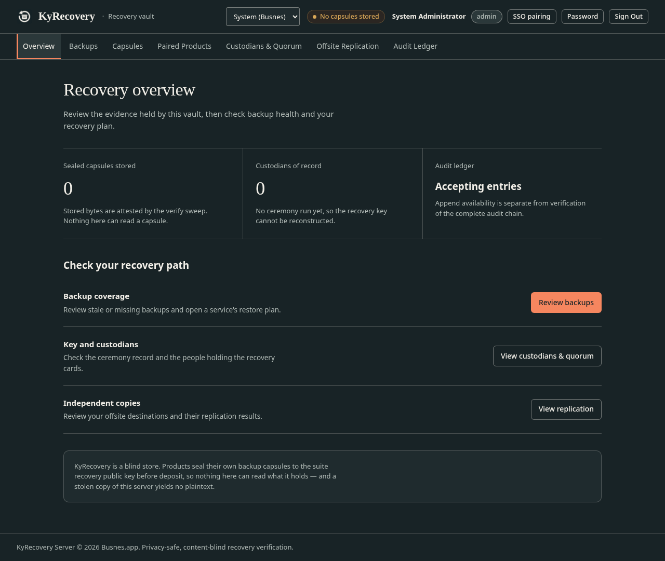
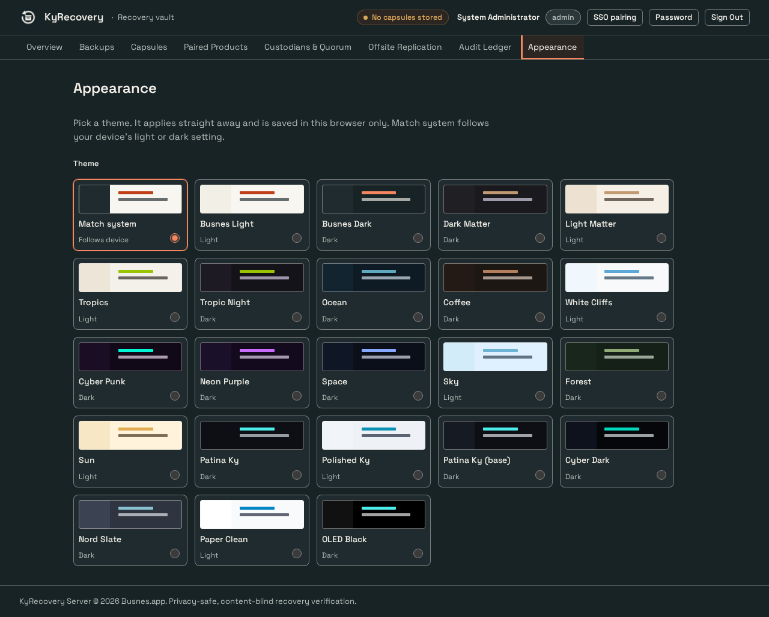

KyRecovery-server · appearance · OS light
Before | After
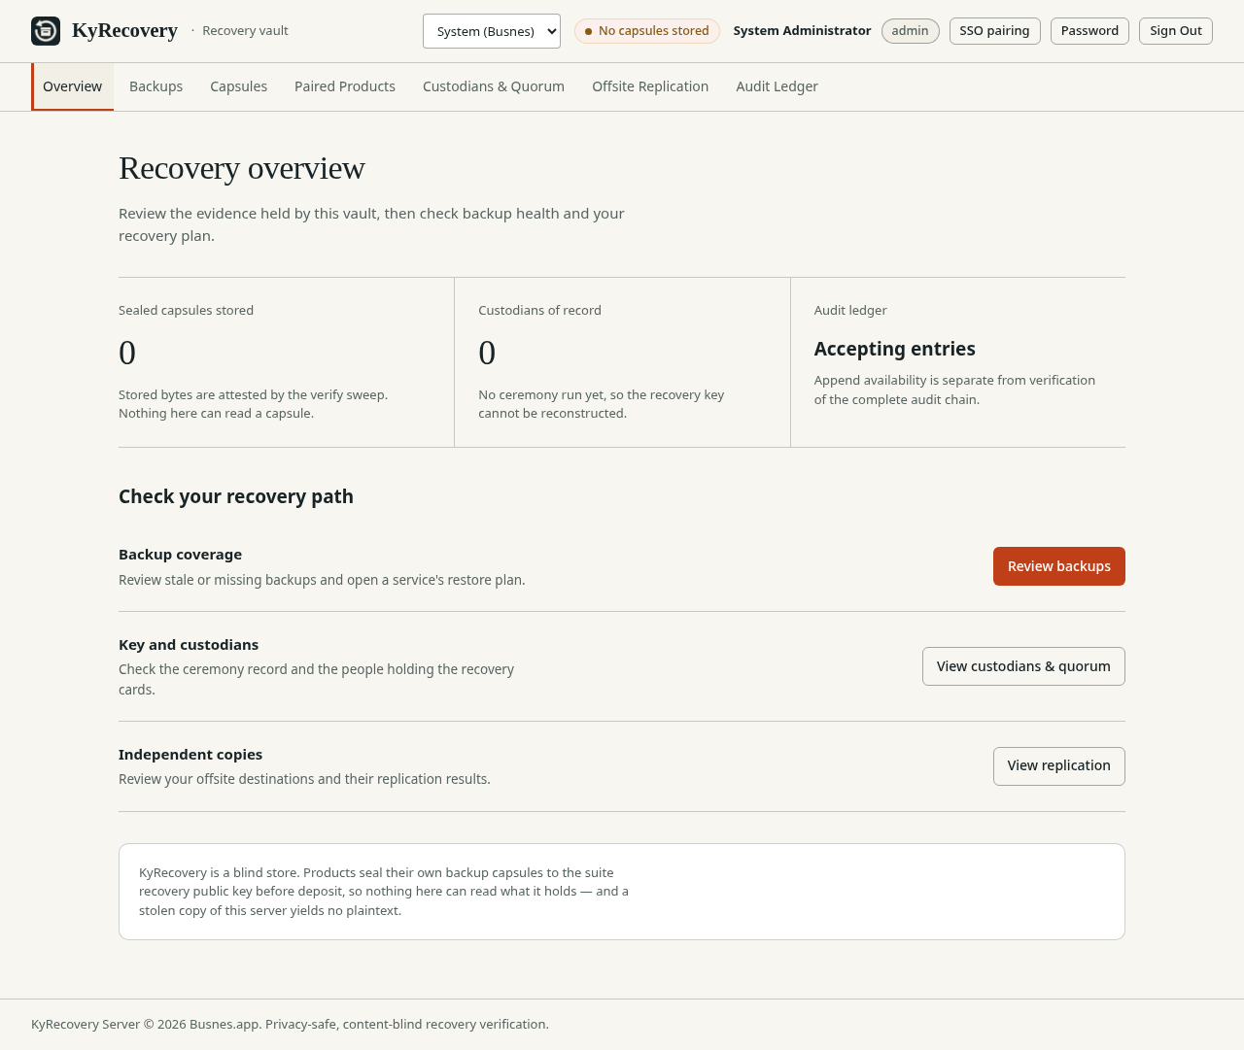
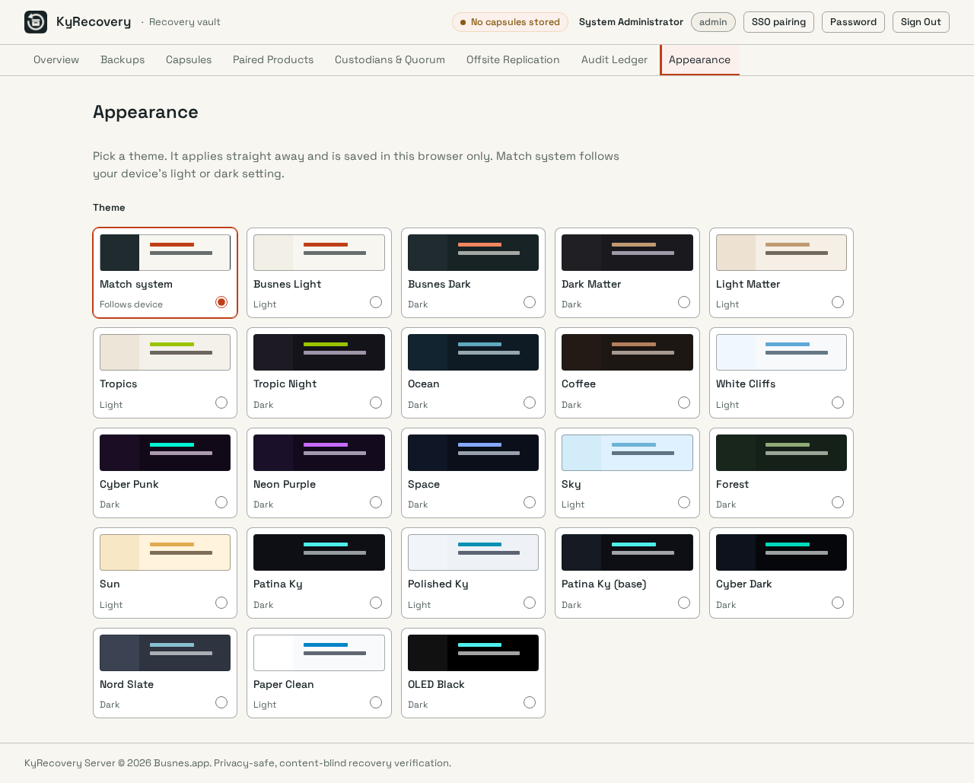

KyRecovery-server · appearance · OS dark
Before | After

KyRecovery-server · appearance · OS light
Before | After

KyYard-server · appearance · OS dark
Before | After
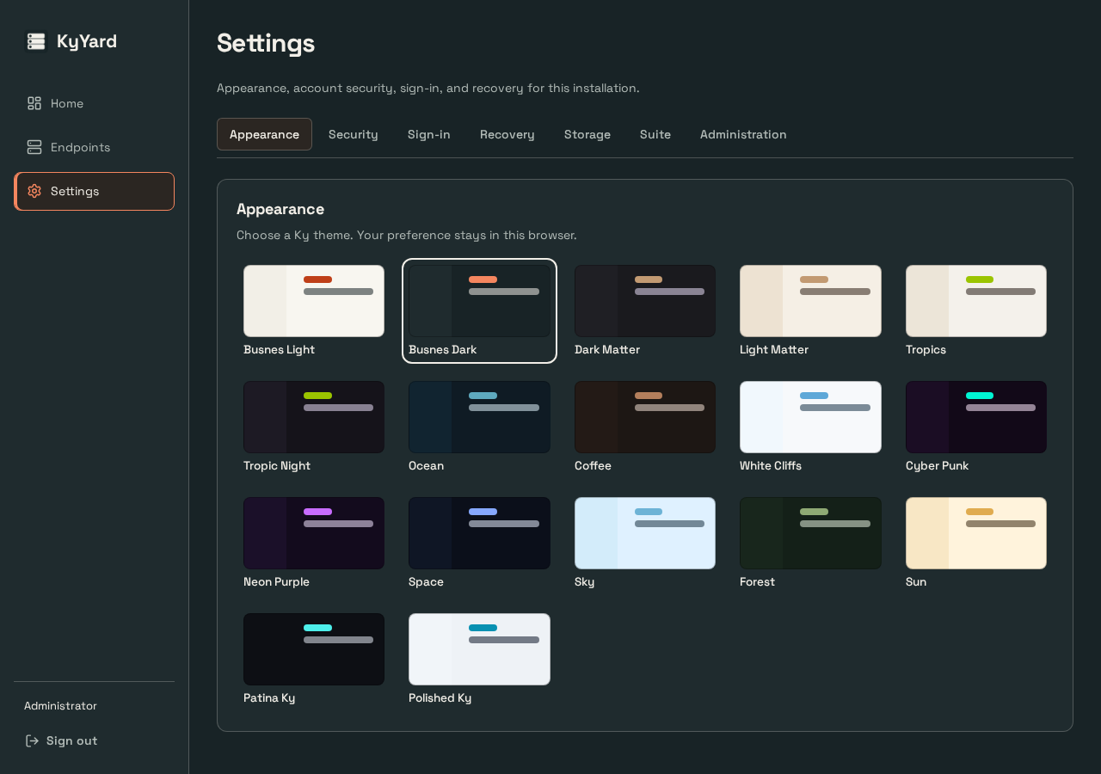
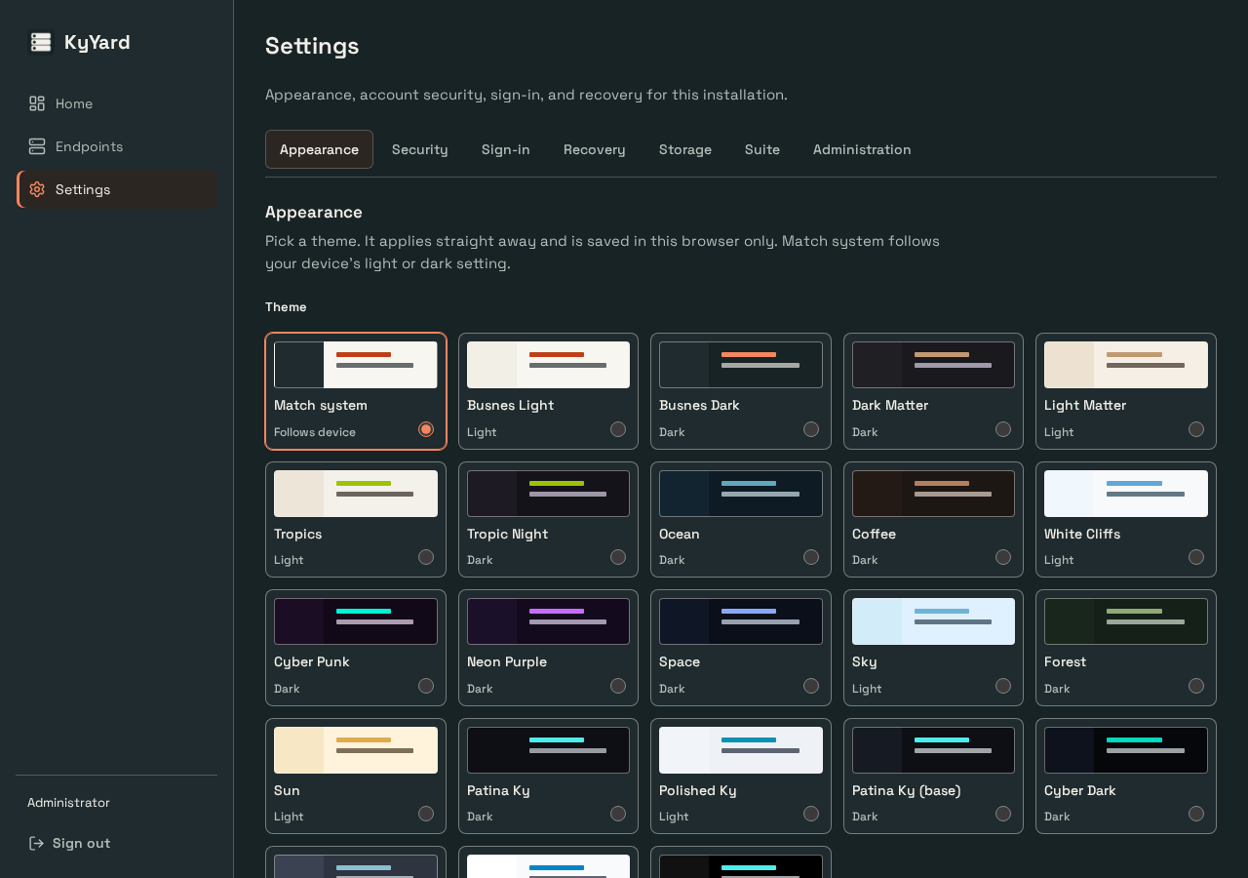

KyYard-server · appearance · OS light
Before | After
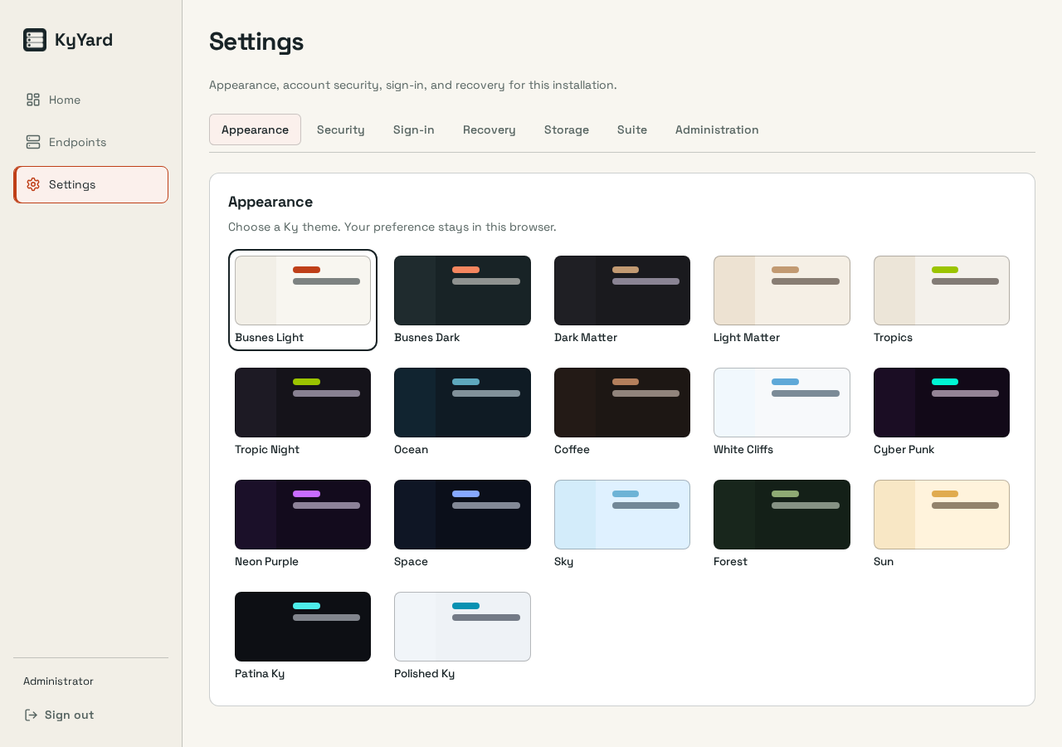
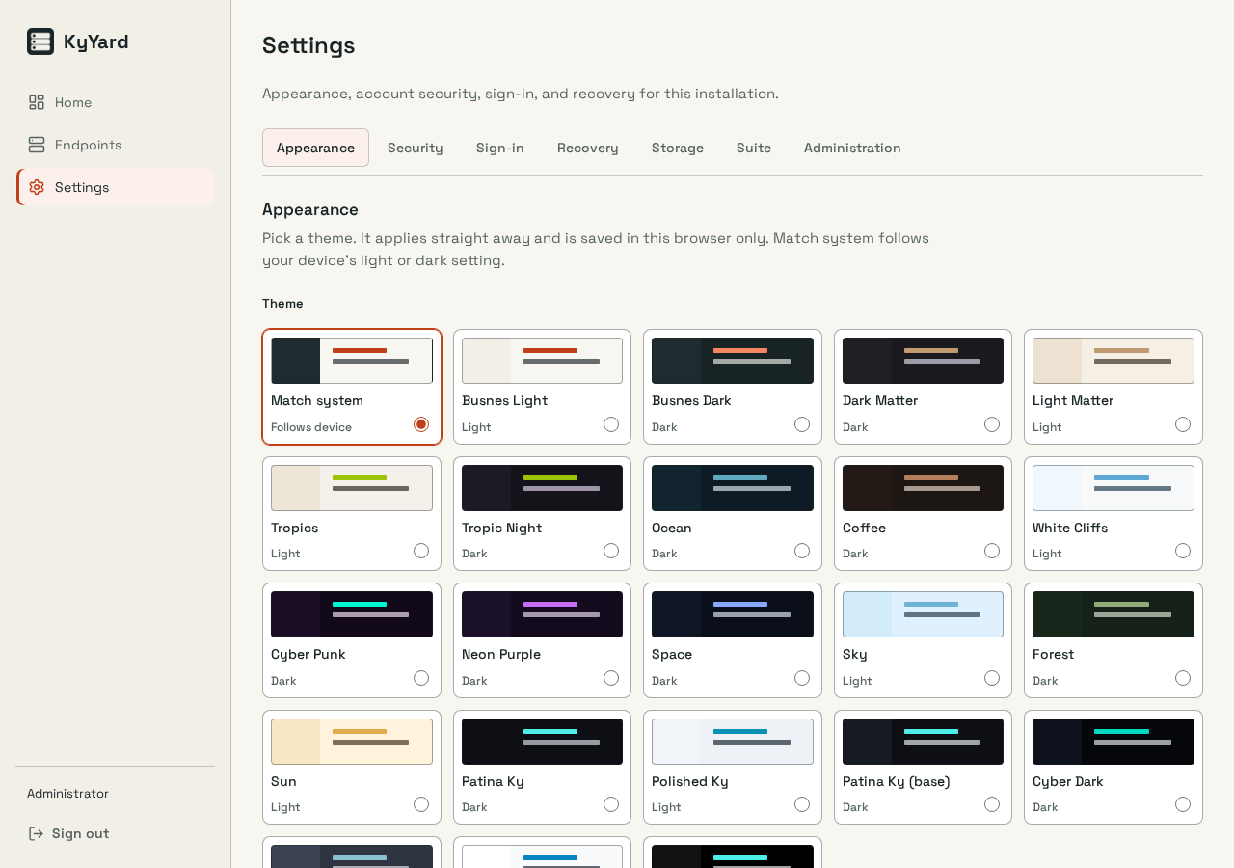

KyYard-server · appearance · OS dark
Before | After
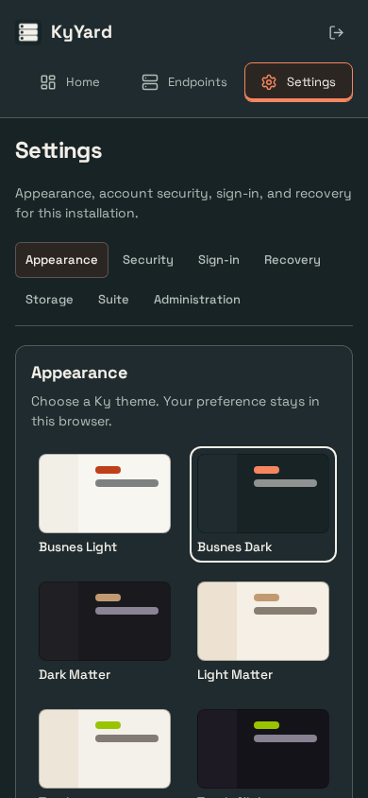
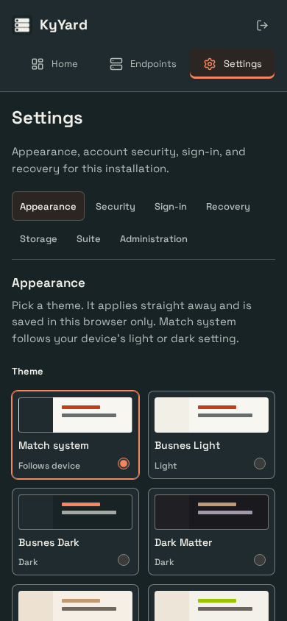

KyYard-server · appearance · OS light
Before | After
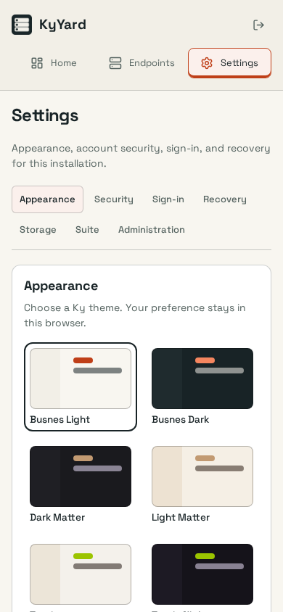
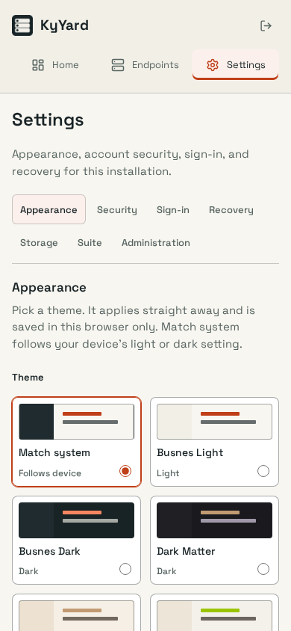

ky-server-base · appearance · OS dark
Before | After



ky-server-base · appearance · OS light
Before | After



ky-server-base · appearance · OS dark
Before | After


ky-server-base · appearance · OS light
Before | After

