Screenshot gallery
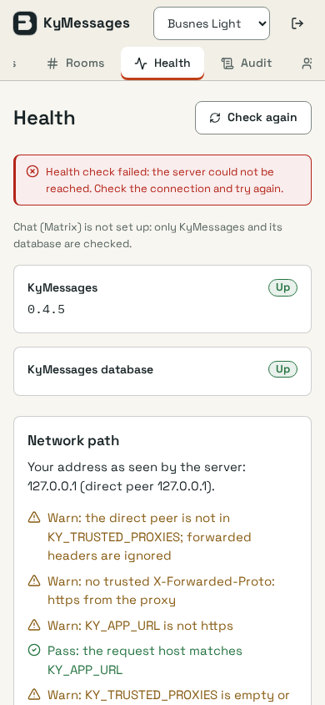
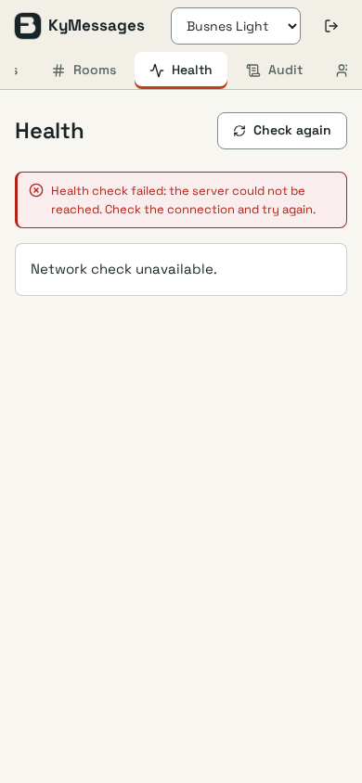
Synthetic redesign screenshots — examples by stage; all captures are indexed in Stage evidence

kypost · stage 01 · inbox-desktop-light
Before — open full PNG | After — open full PNG
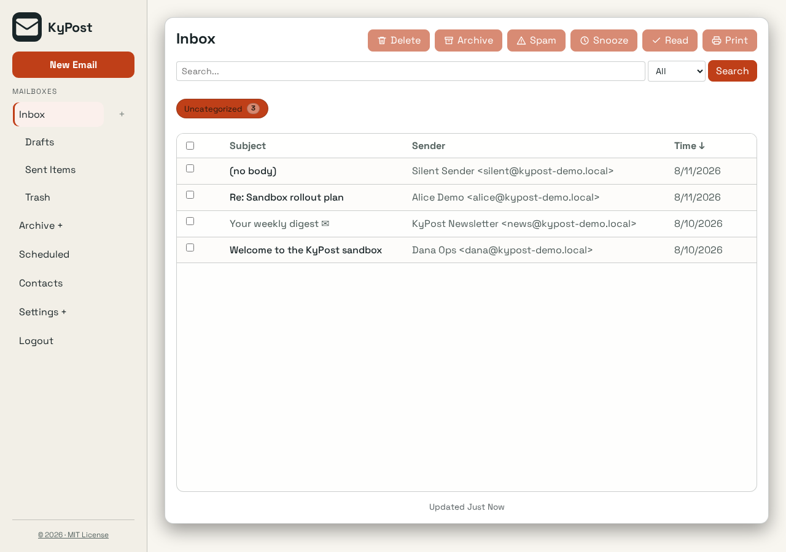
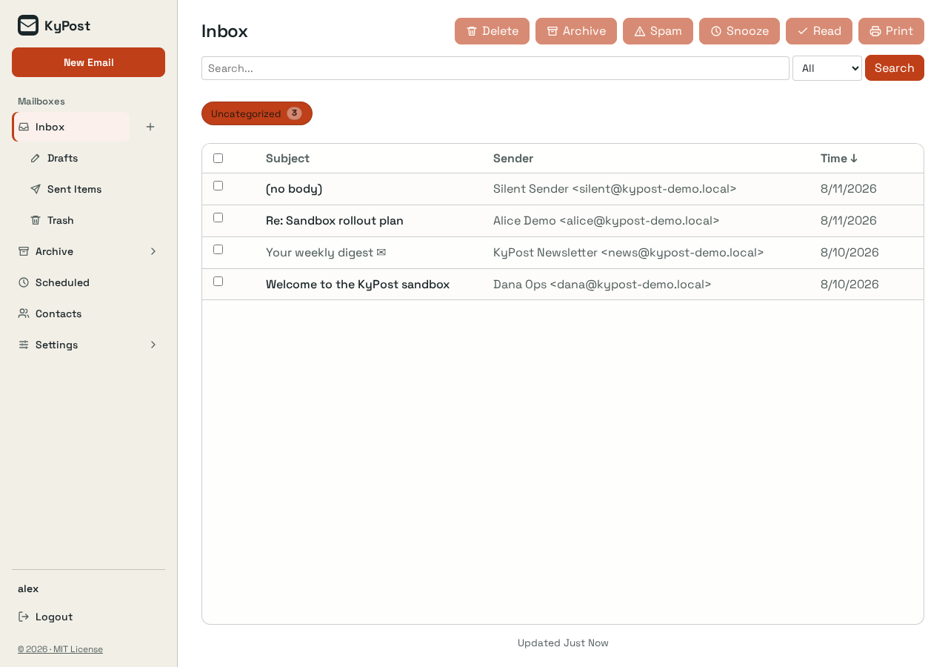

kypost · stage 02 · inbox-selection-desktop-light
Before — open full PNG | After — open full PNG
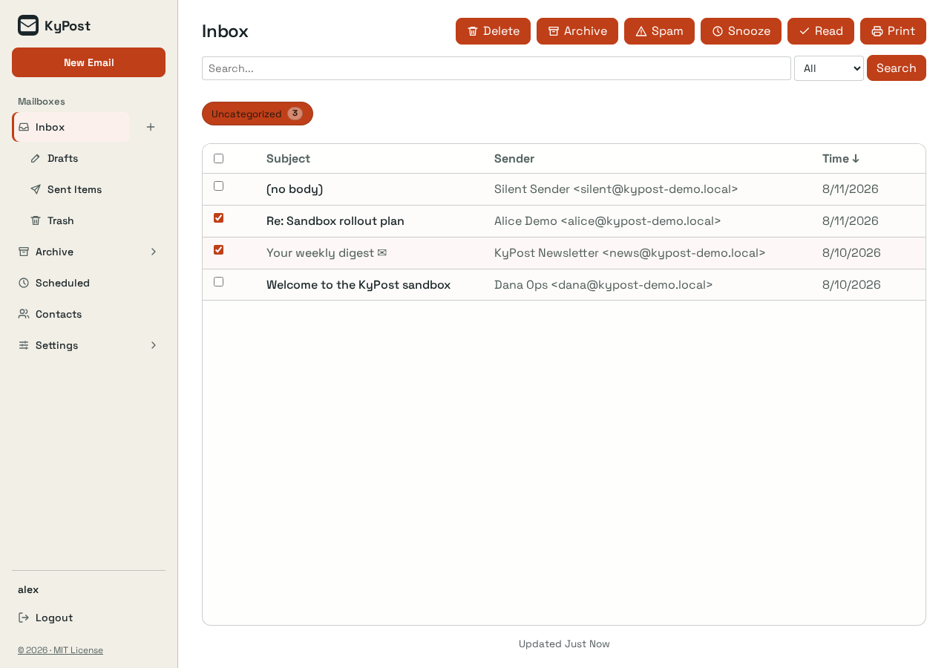
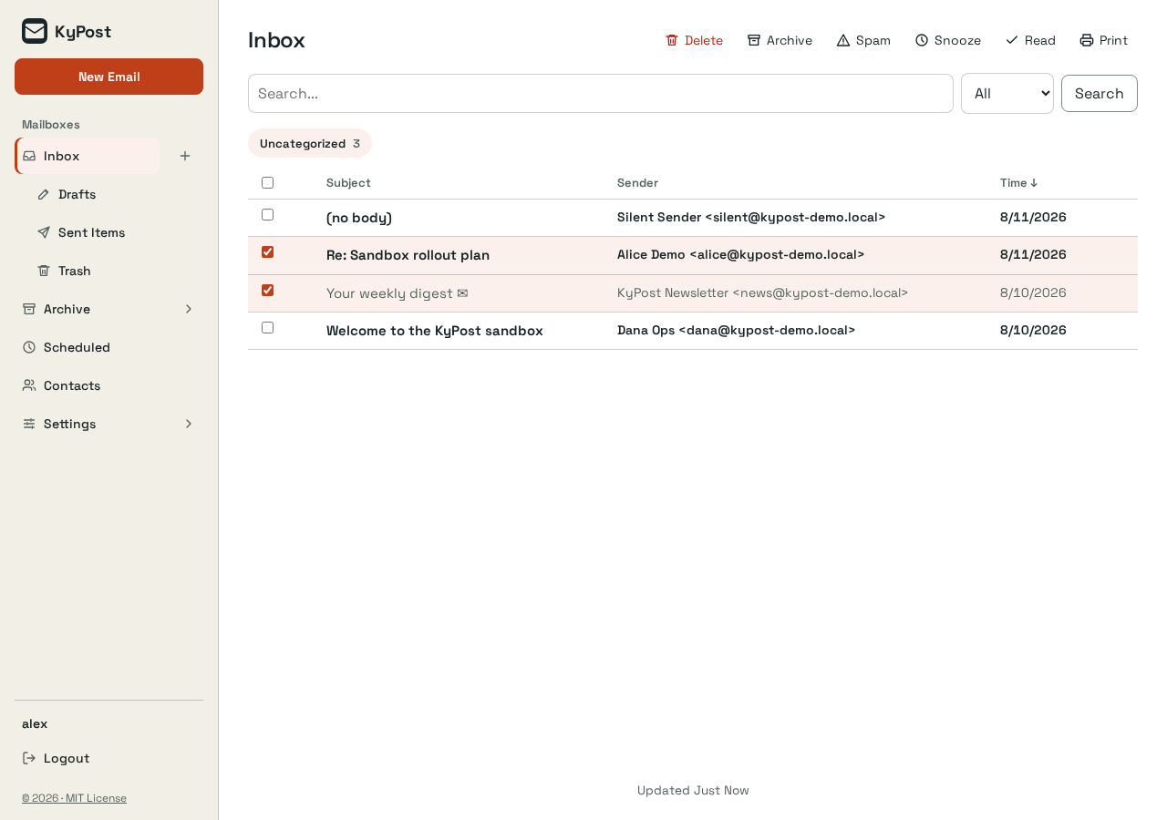

kypost · stage 03 · compose-desktop-light
Before — open full PNG | After — open full PNG
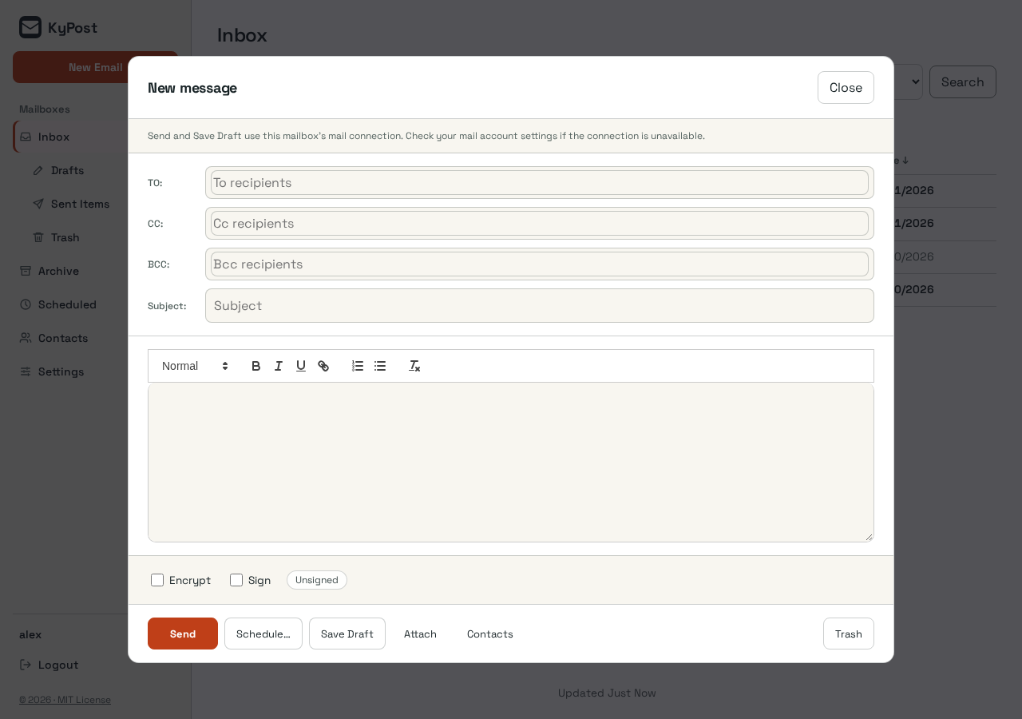
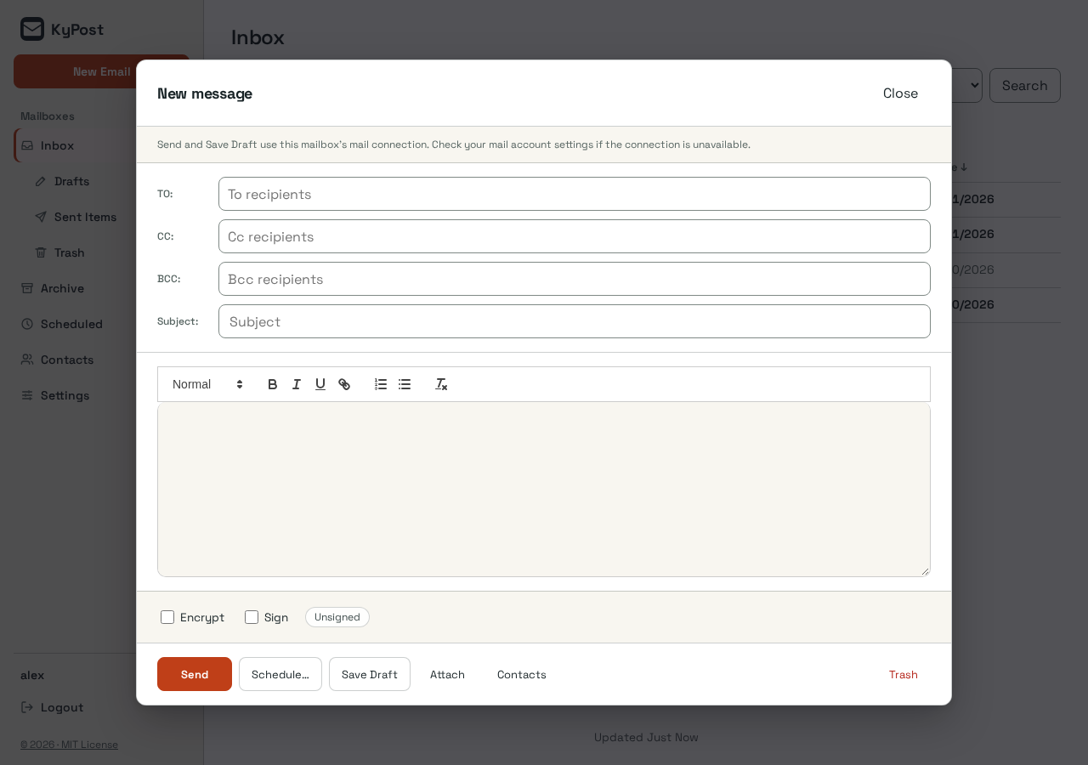

kycalendar · stage 01 · calendar-desktop-light
Before — open full PNG | After — open full PNG
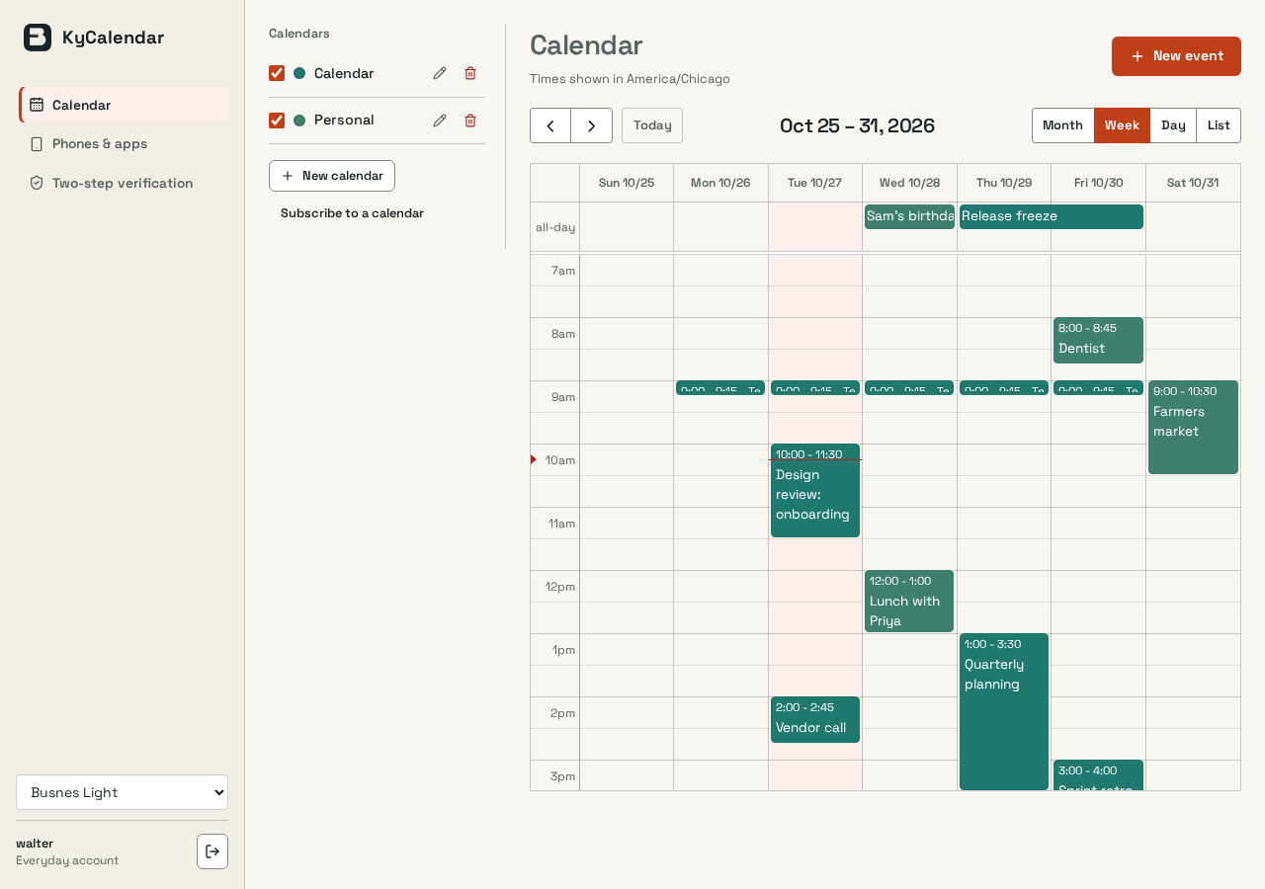
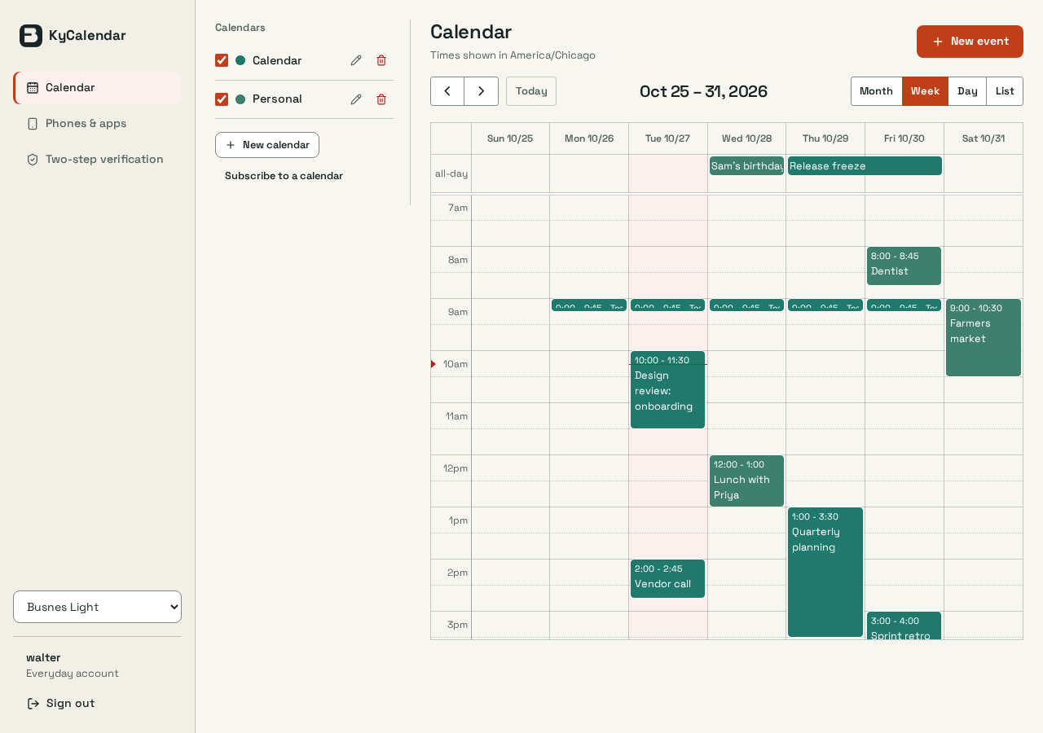

kycalendar · stage 02 · week-desktop-light
Before — open full PNG | After — open full PNG

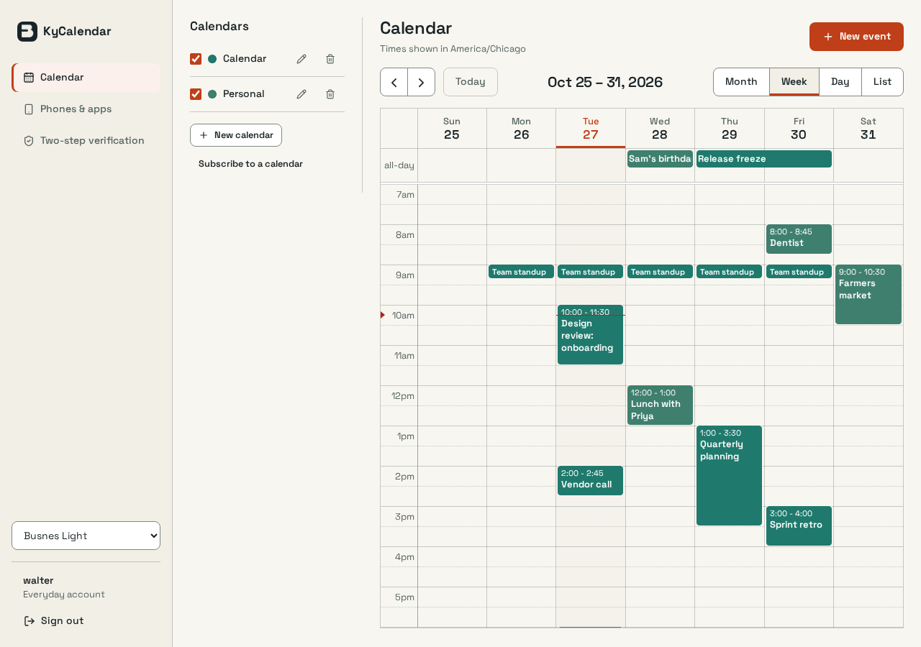

kycalendar · stage 03 · new-event-mobile-dark
Before — open full PNG | After — open full PNG
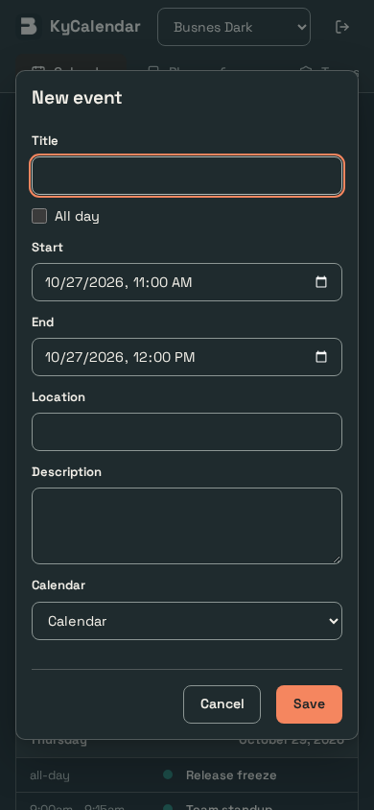
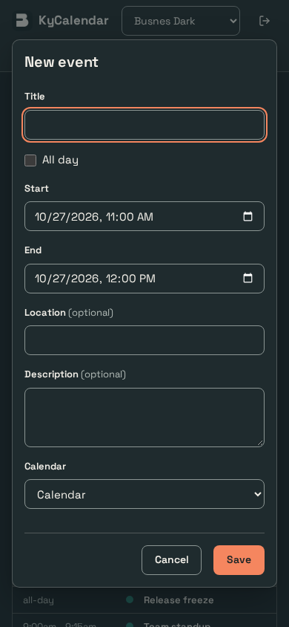

kycalendar · stage 04 · calendar-desktop-light
Before — open full PNG | After — open full PNG

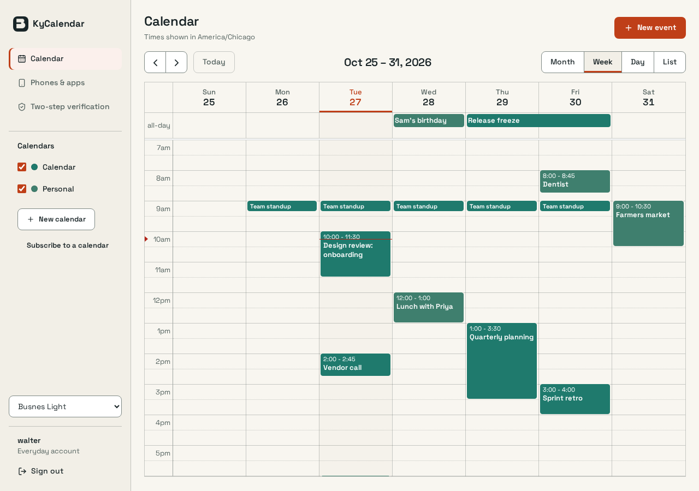

kymessages · stage 01 · overview-desktop-light
Before — open full PNG | After — open full PNG
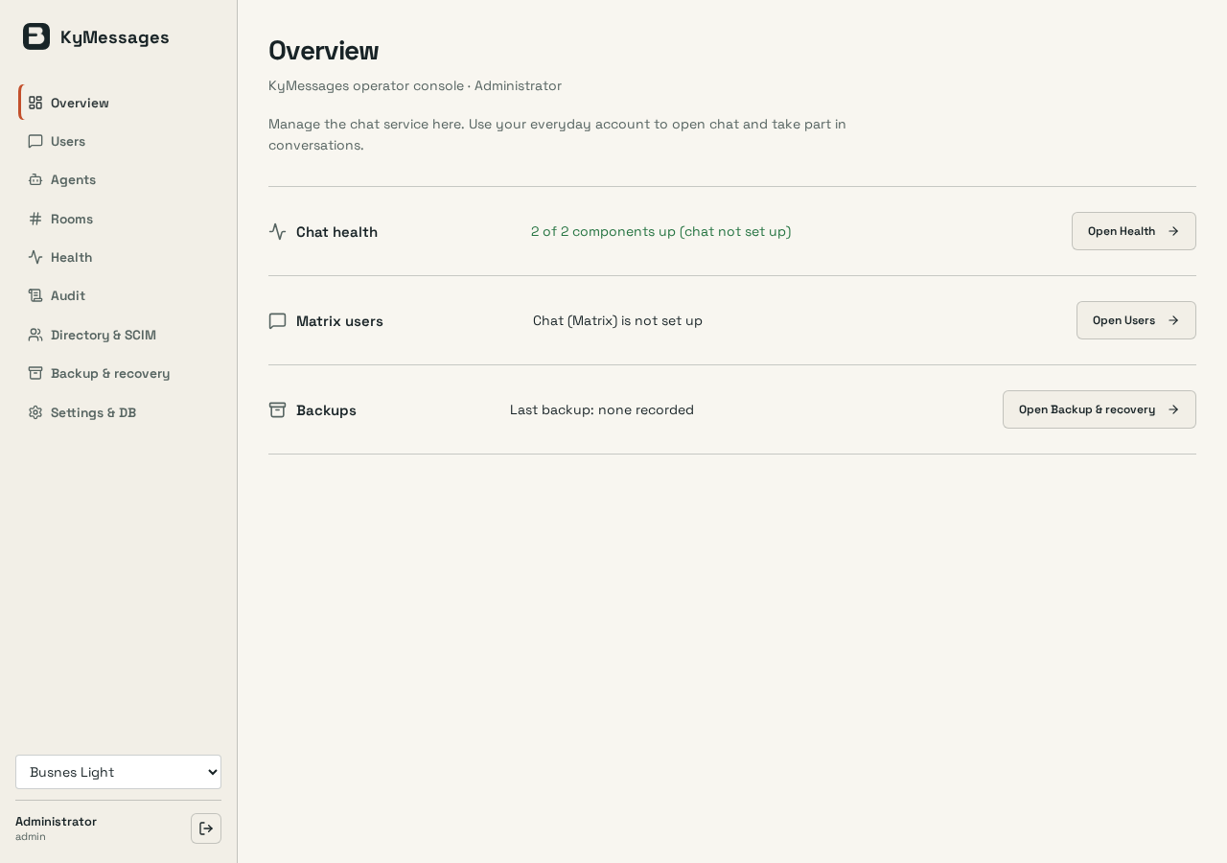
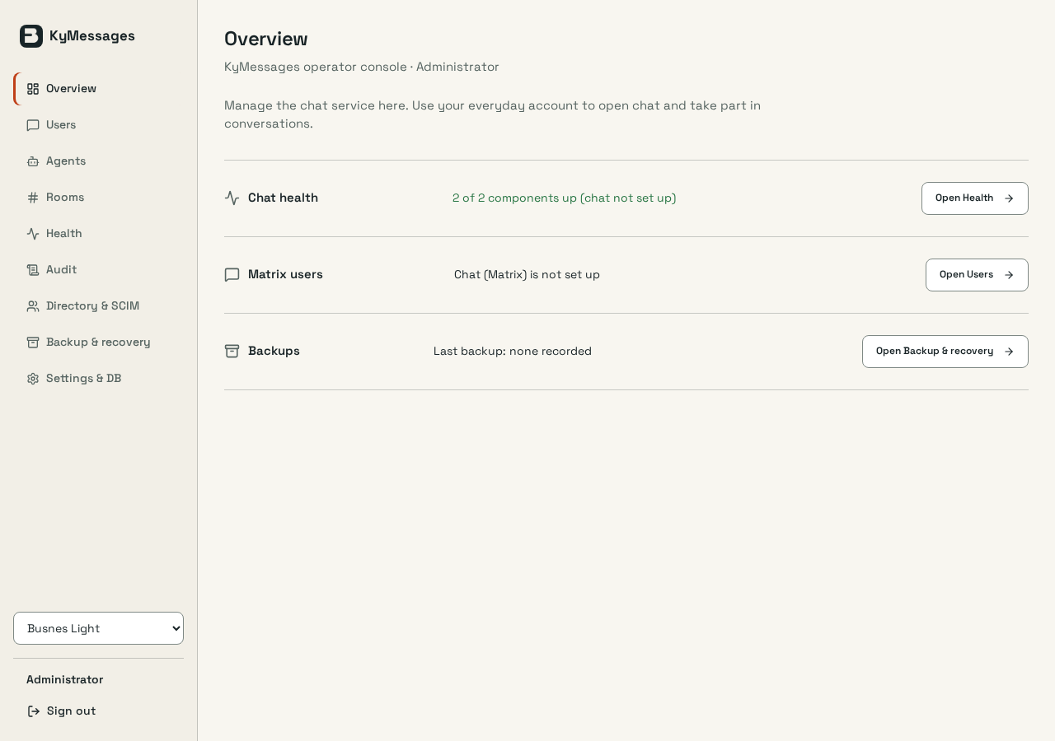

kymessages · stage 02 · audit-desktop-light
Before — open full PNG | After — open full PNG
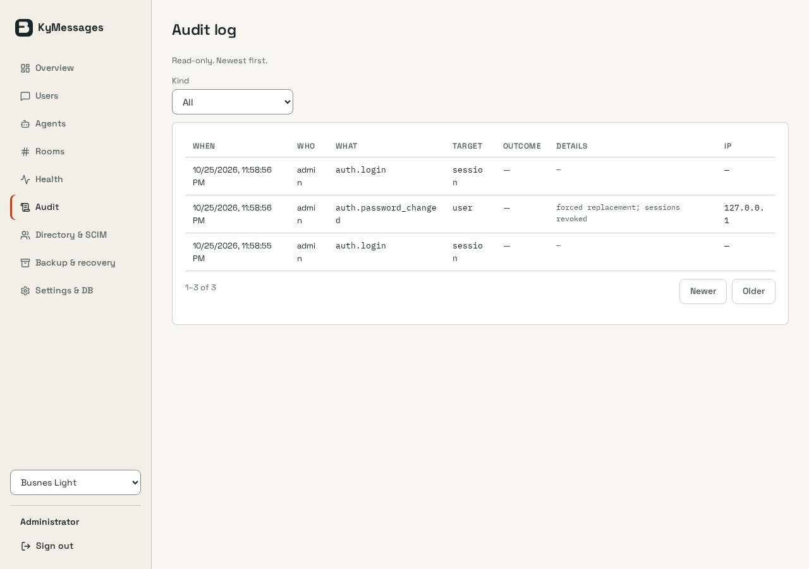
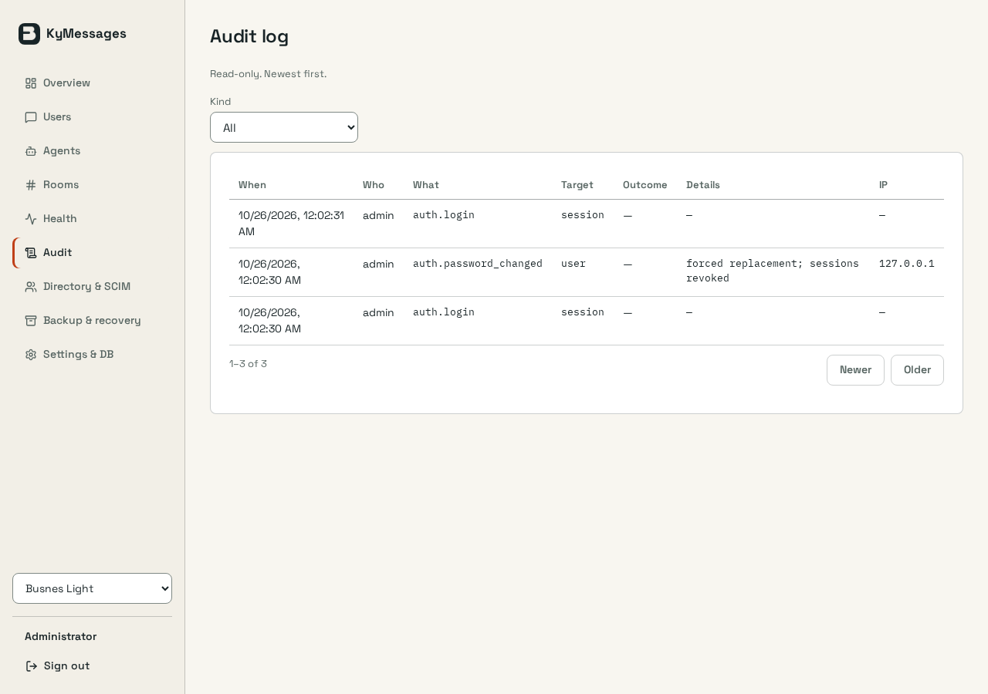

kymessages · stage 03 · settings-desktop-light
Before — open full PNG | After — open full PNG
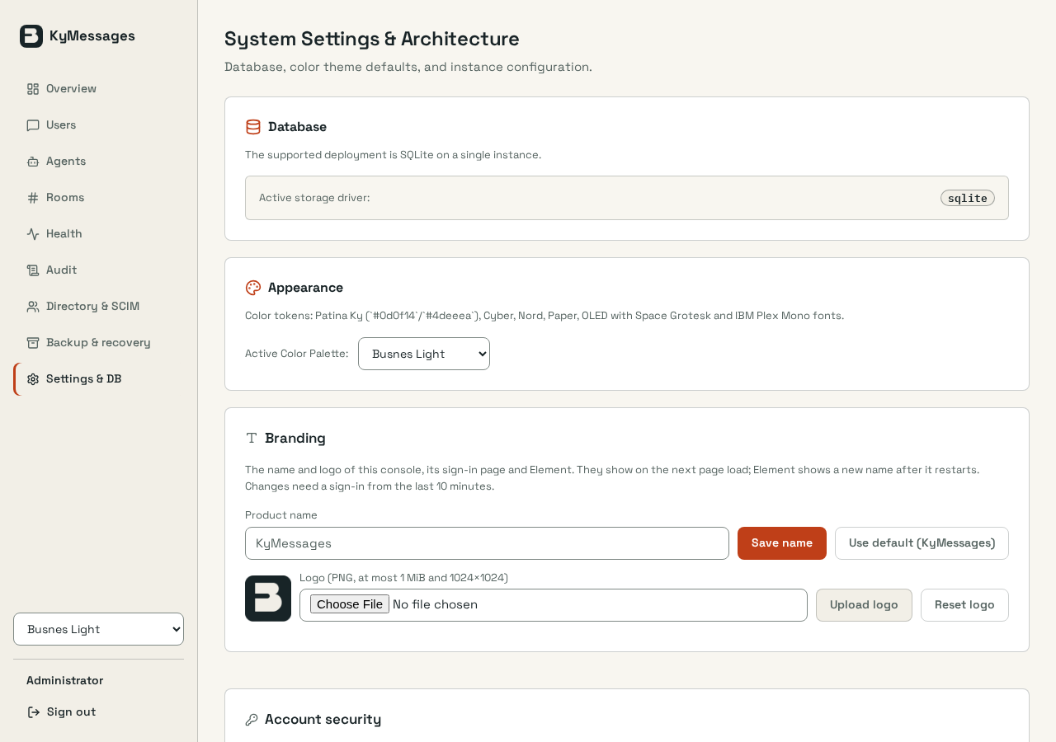
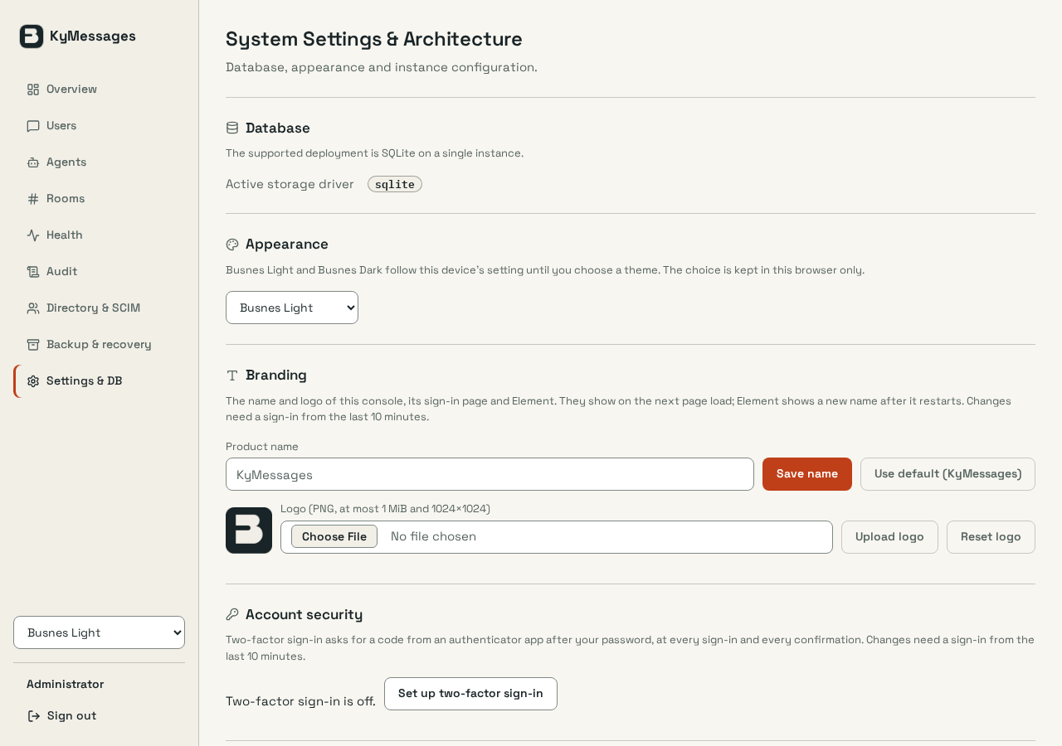

kypost · stage 05 · reader-mobile-light
Before — open full PNG | After — open full PNG
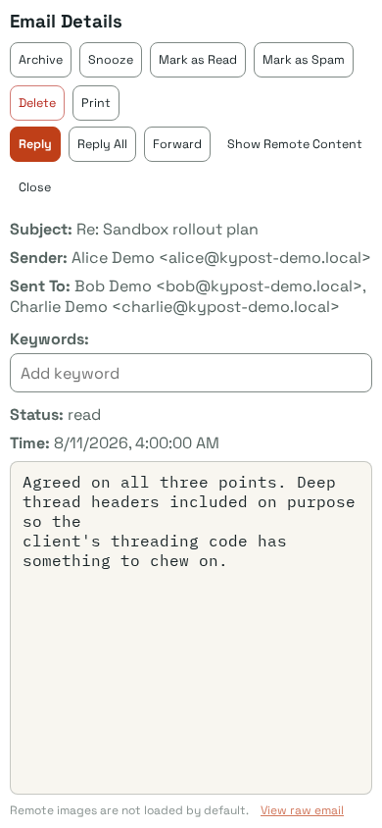
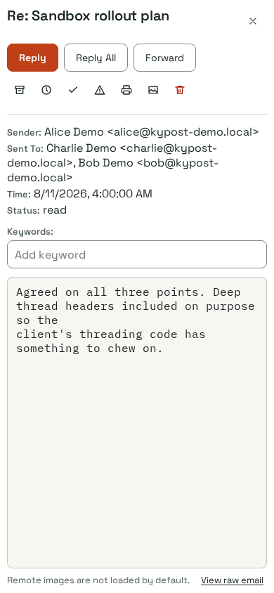

kypost · stage 05 · contact-editor-mobile-dark
Before — open full PNG | After — open full PNG
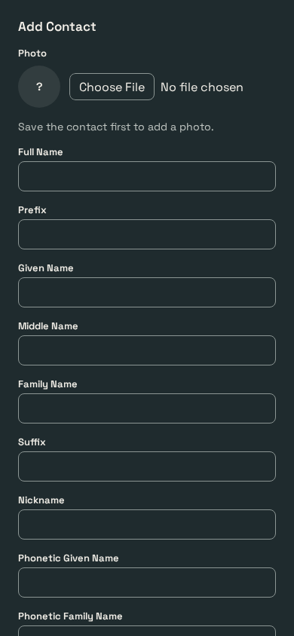
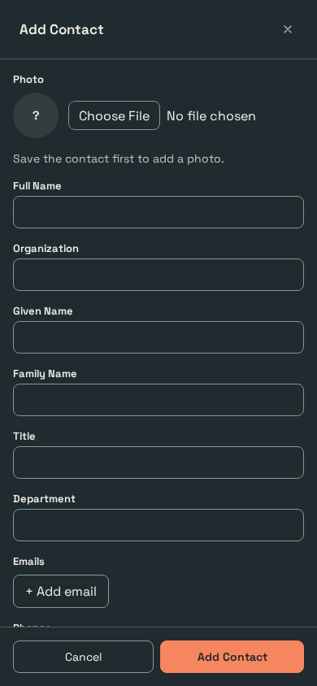

kymessages · stage 05 · audit-mobile-light
Before — open full PNG | After — open full PNG
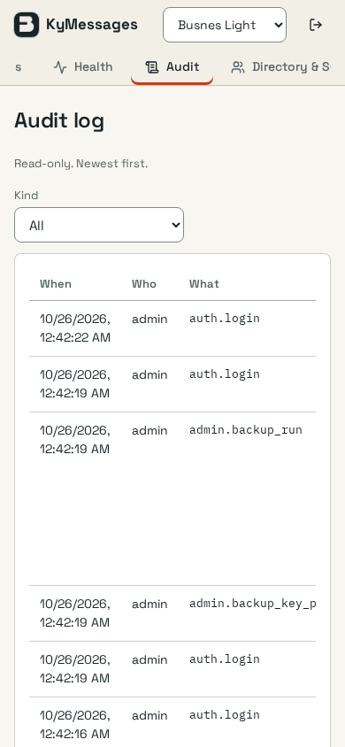
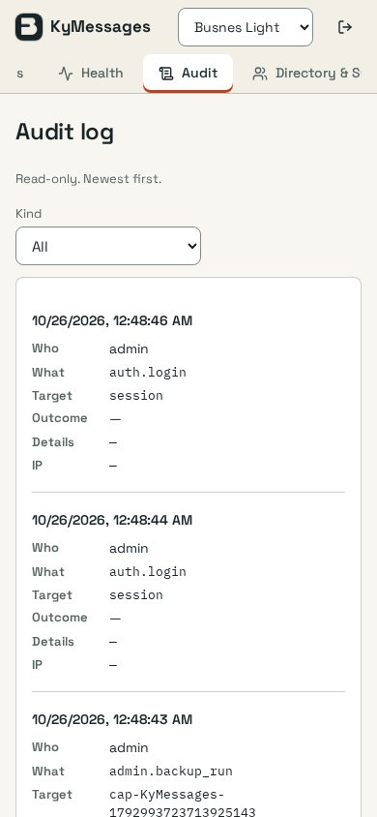

kymessages · stage 05 · health-desktop-dark
Before — open full PNG | After — open full PNG
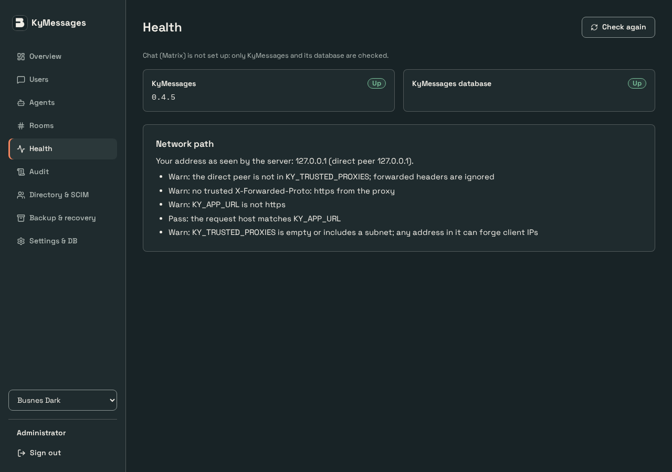
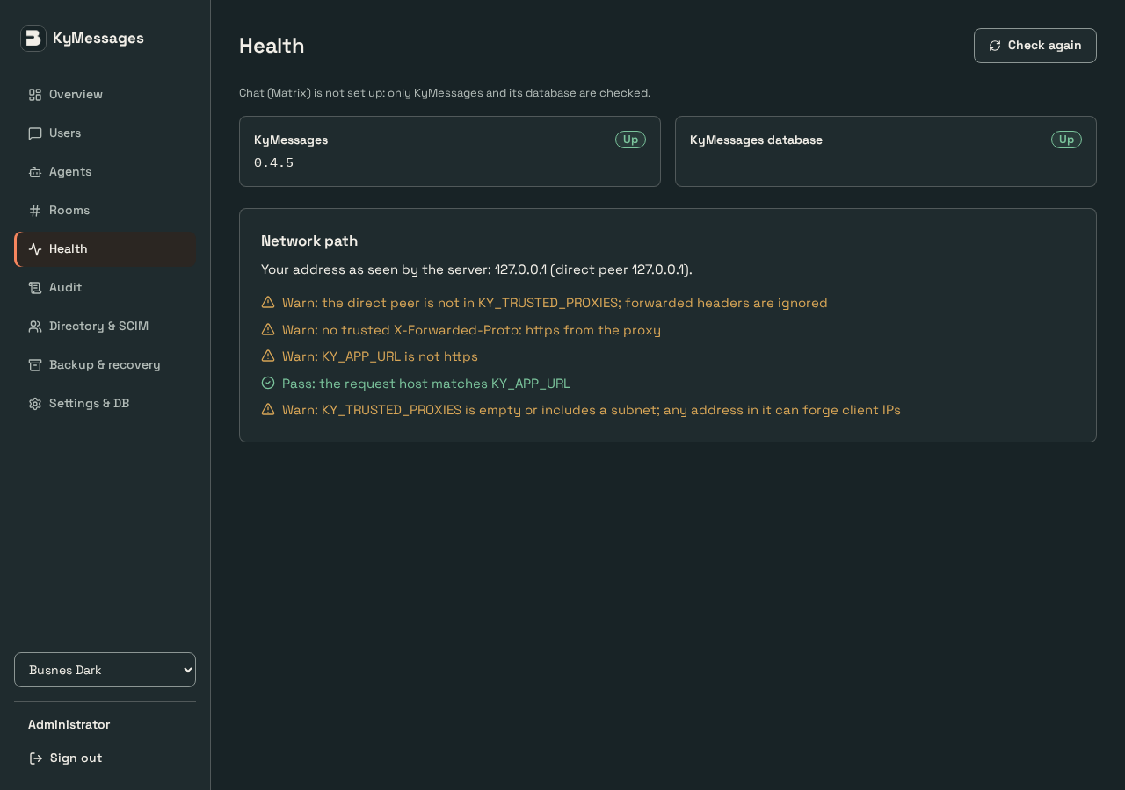

kycalendar · stage 06 · month-mobile-light
Before — open full PNG | After — open full PNG
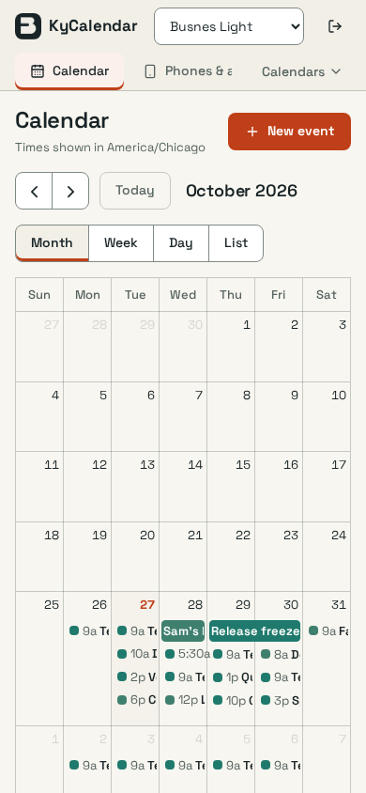
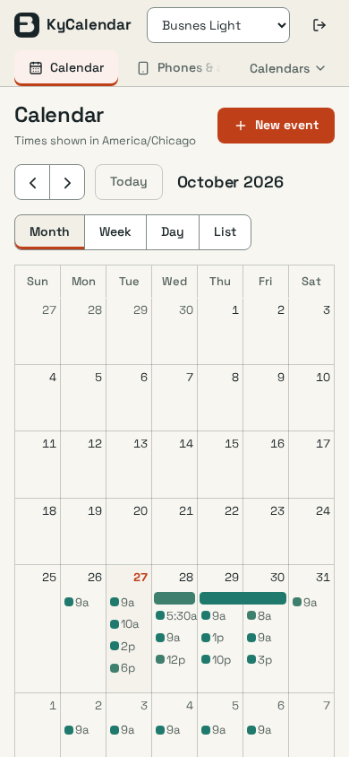

kycalendar · stage 06 · new-event-mobile-dark
Before — open full PNG | After — open full PNG


kymessages · stage 06 · health-offline-mobile-light
Before — open full PNG | After — open full PNG

