Before and after
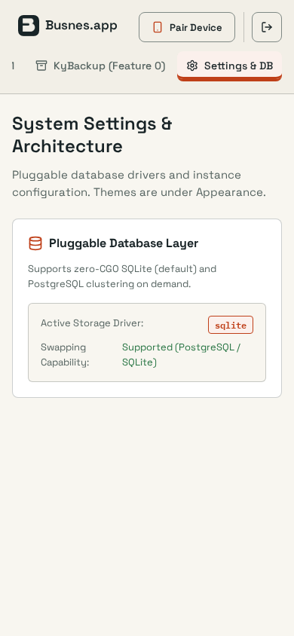
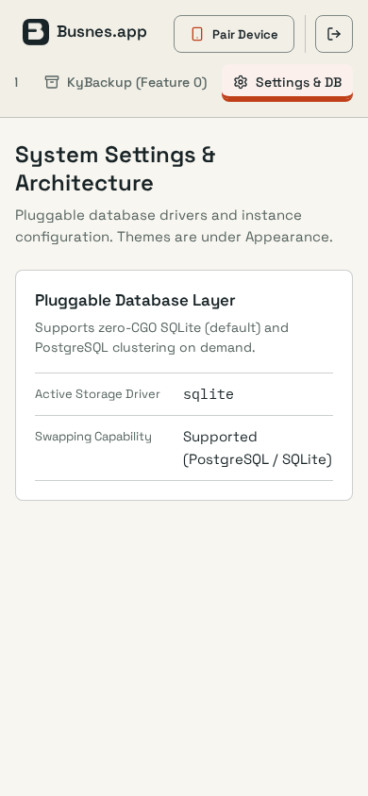
KyDNS-server · appearance · desktop · dark · Q 7.9 → 7.9
Before | After
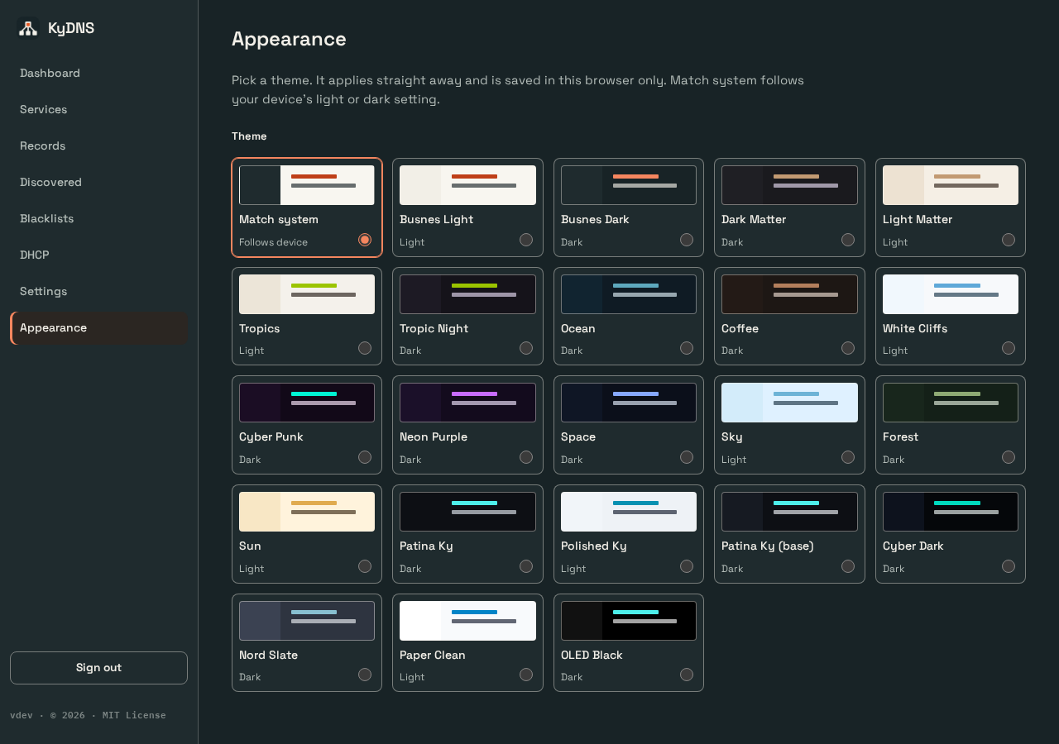

KyDNS-server · appearance · desktop · light · Q 8.0 → 8.0
Before | After
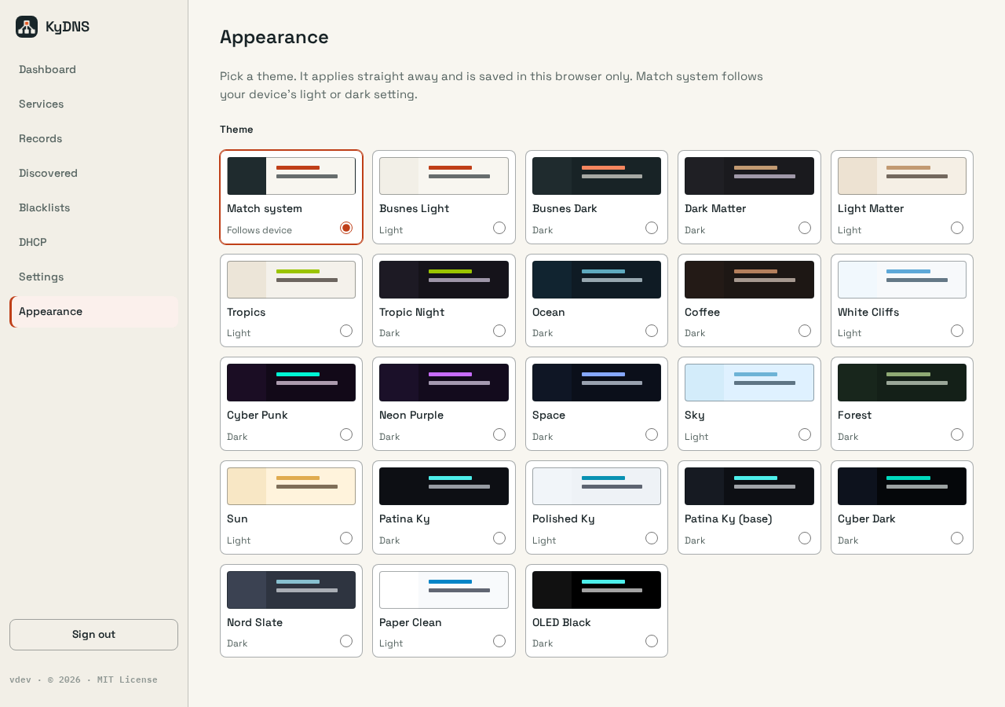

KyDNS-server · appearance · mobile · dark · Q 6.7 → 7.9
Before | After

KyDNS-server · appearance · mobile · light · Q 6.8 → 7.9
Before | After

KyDNS-server · dashboard · desktop · dark · Q 6.9 → 6.9
Before | After
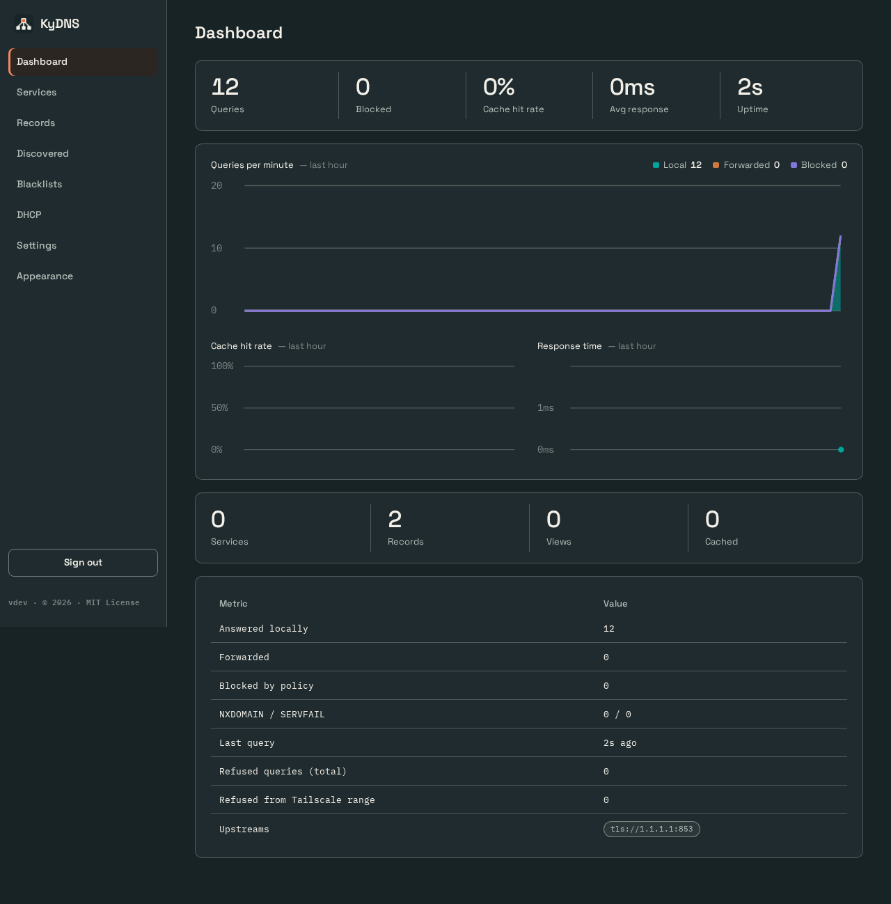
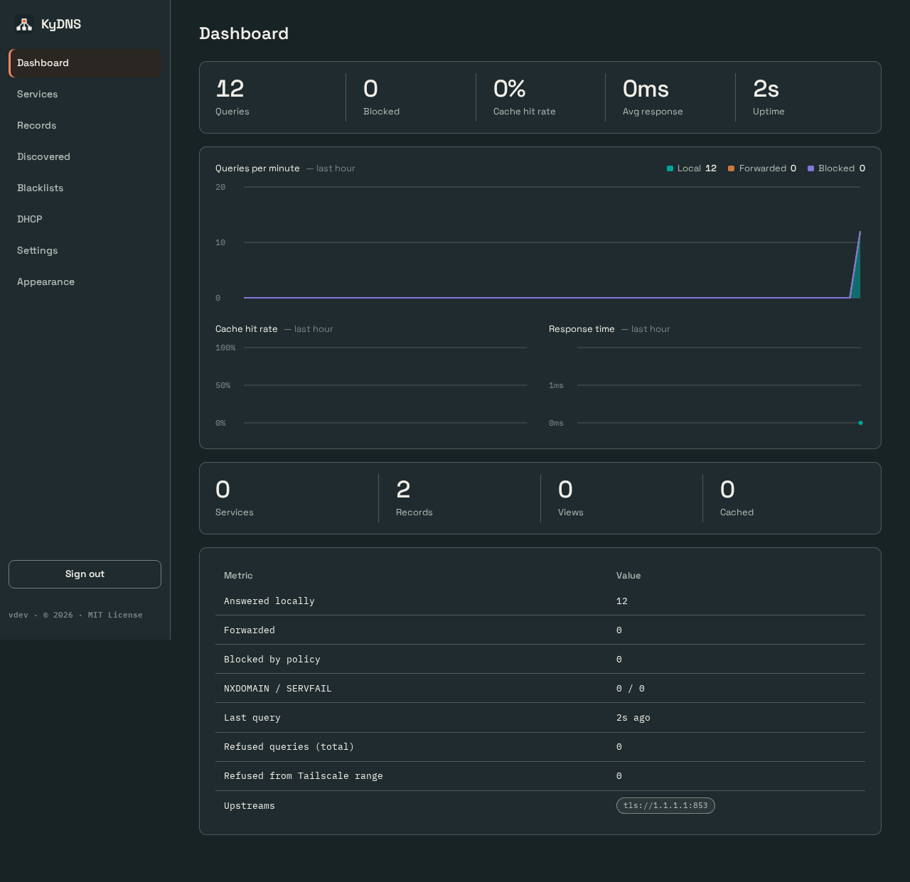

KyDNS-server · dashboard · desktop · light · Q 6.9 → 6.9
Before | After
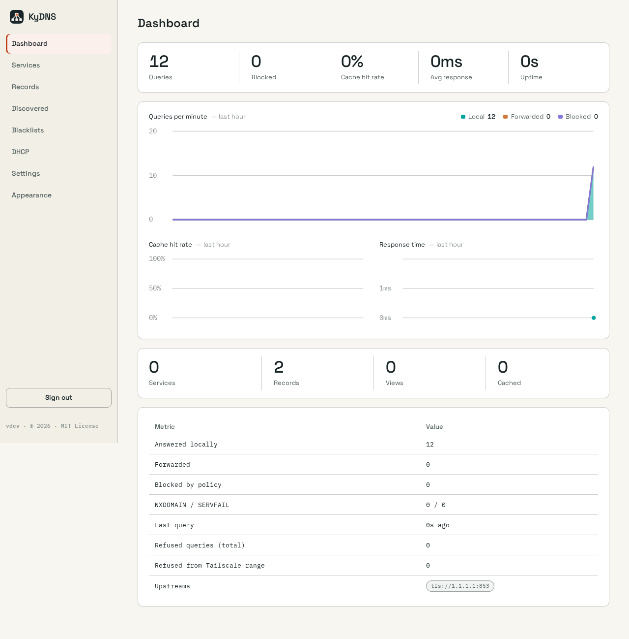
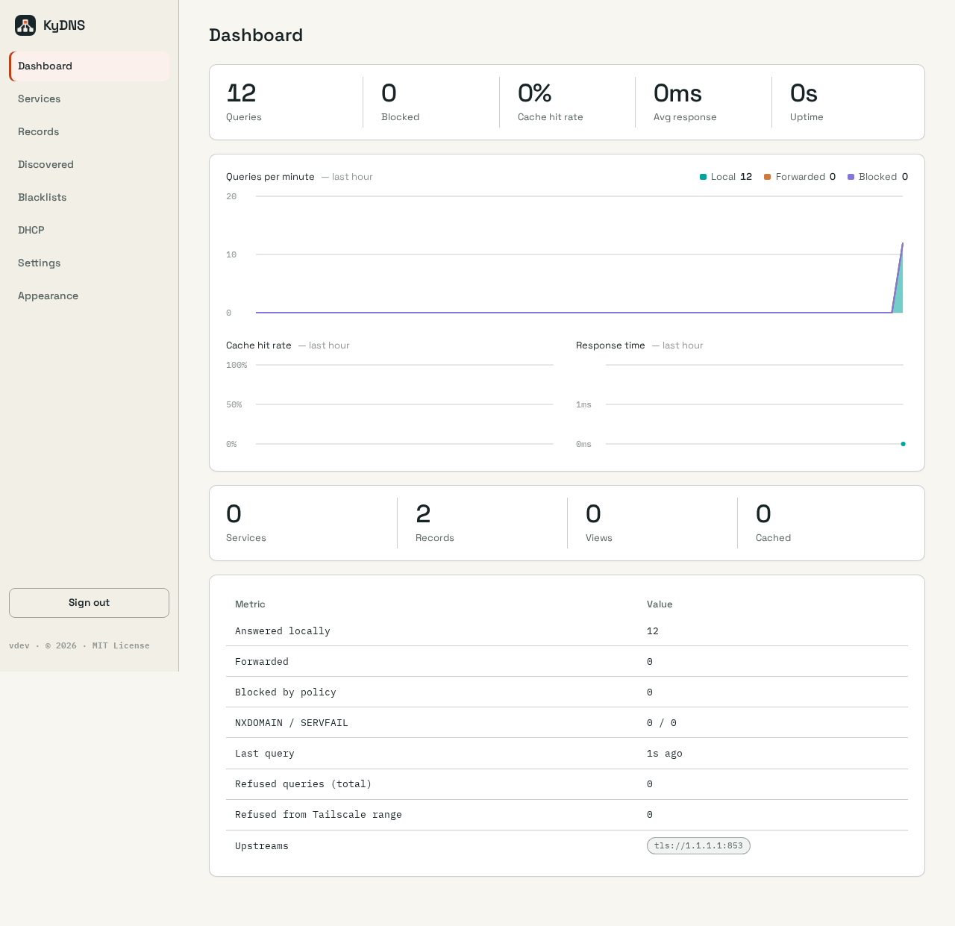

KyDNS-server · dashboard · mobile · dark · Q 6.0 → 7.0
Before | After

KyDNS-server · dashboard · mobile · light · Q 6.0 → 7.0
Before | After

KyDrive-server · files · desktop · dark · Q 7.7 → 7.7
Before | After
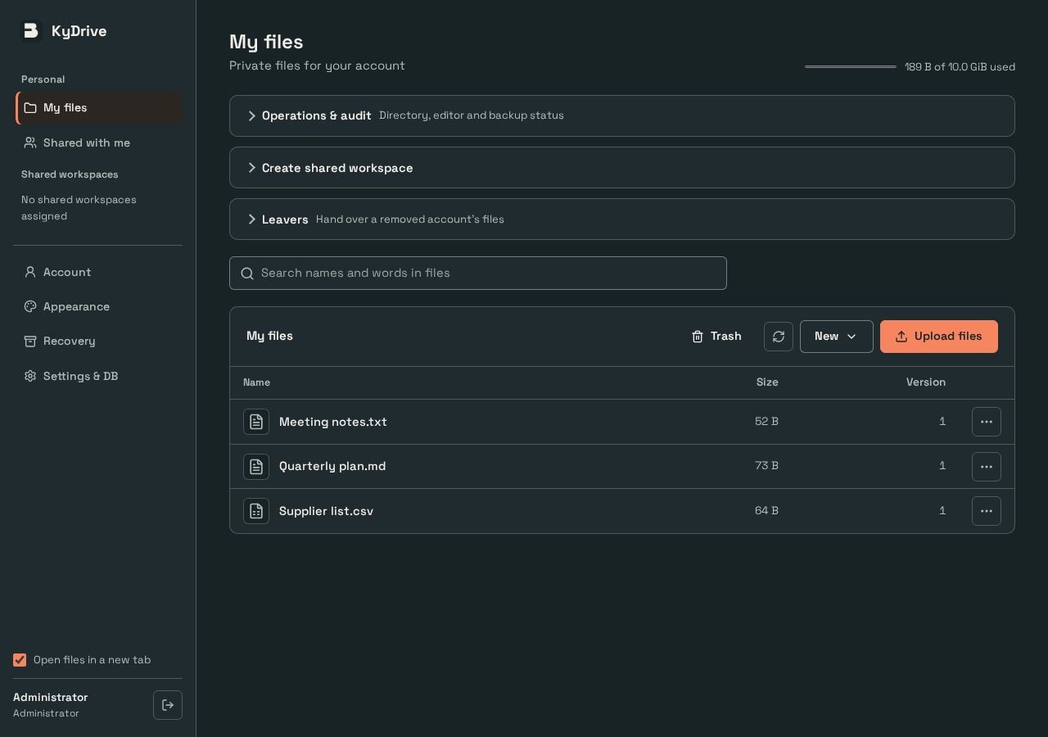
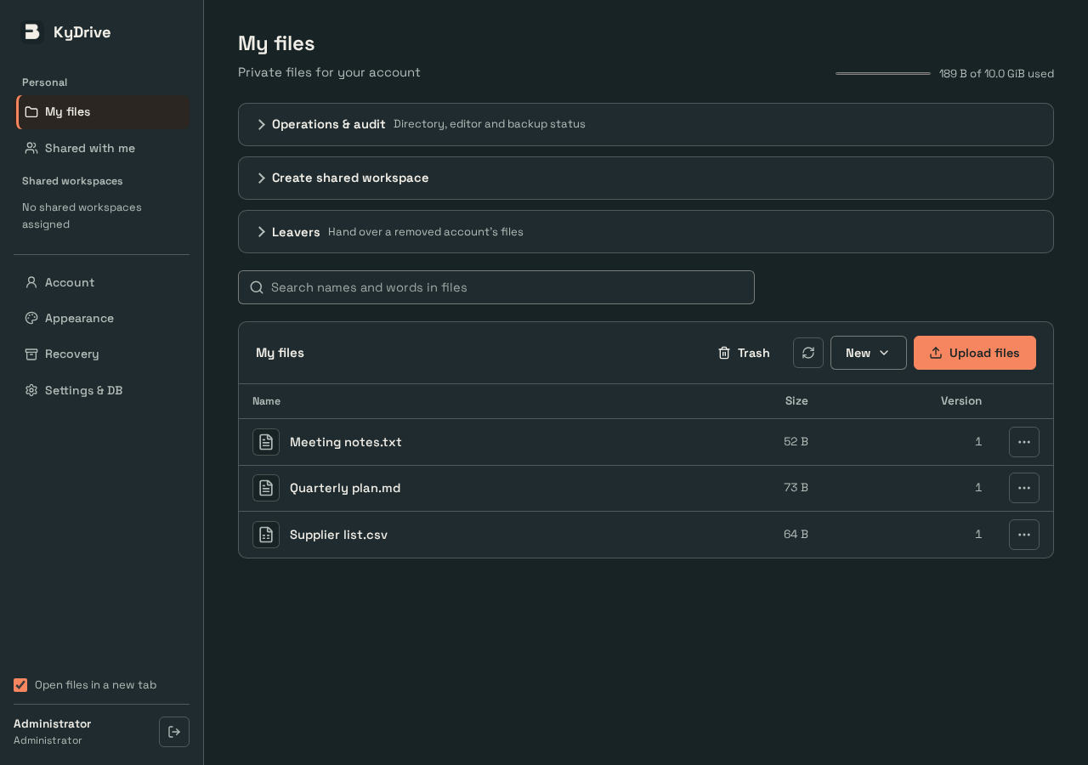

KyDrive-server · files · desktop · light · Q 7.7 → 7.7
Before | After
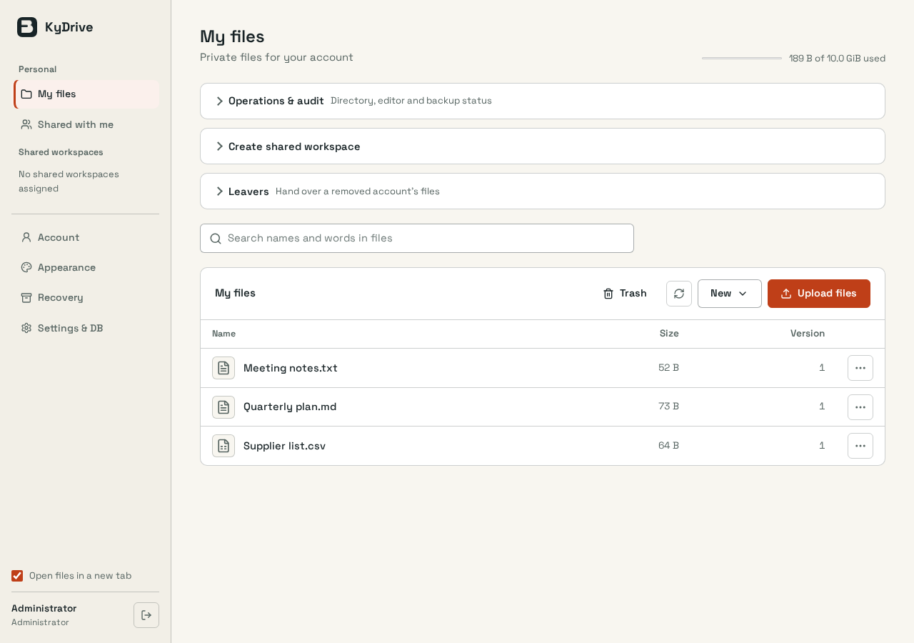


KyDrive-server · files · mobile · dark · Q 7.0 → 7.2
Before | After
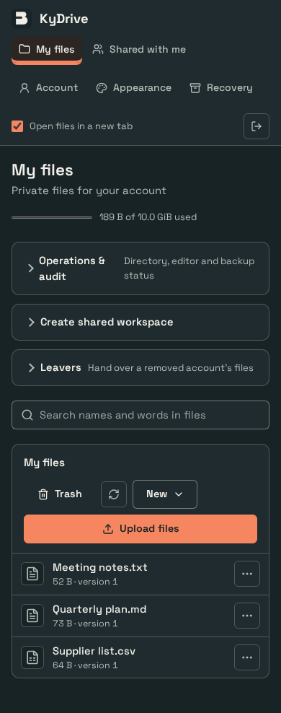
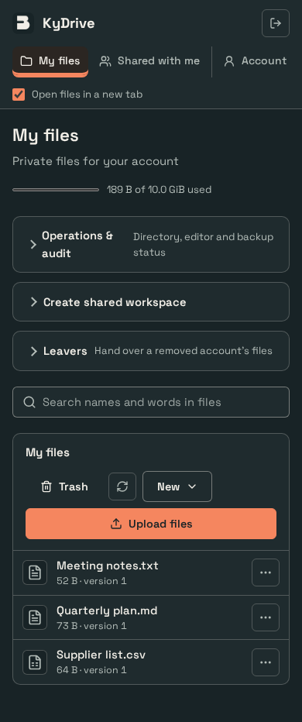

KyDrive-server · files · mobile · light · Q 7.0 → 7.2
Before | After
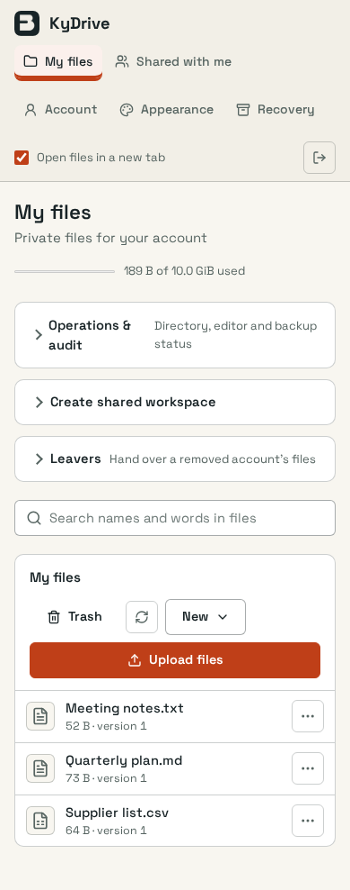
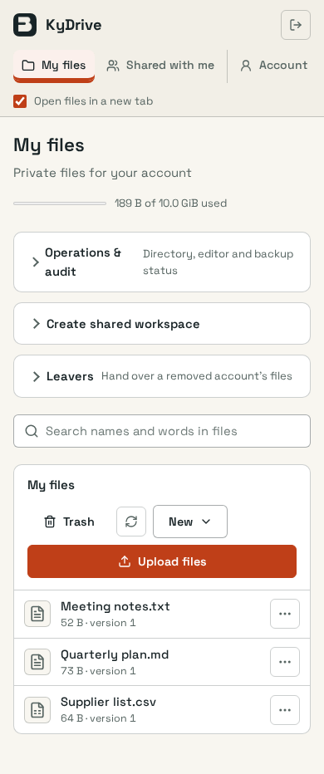

KyDrive-server · settings · desktop · dark · Q 7.0 → 7.3
Before | After
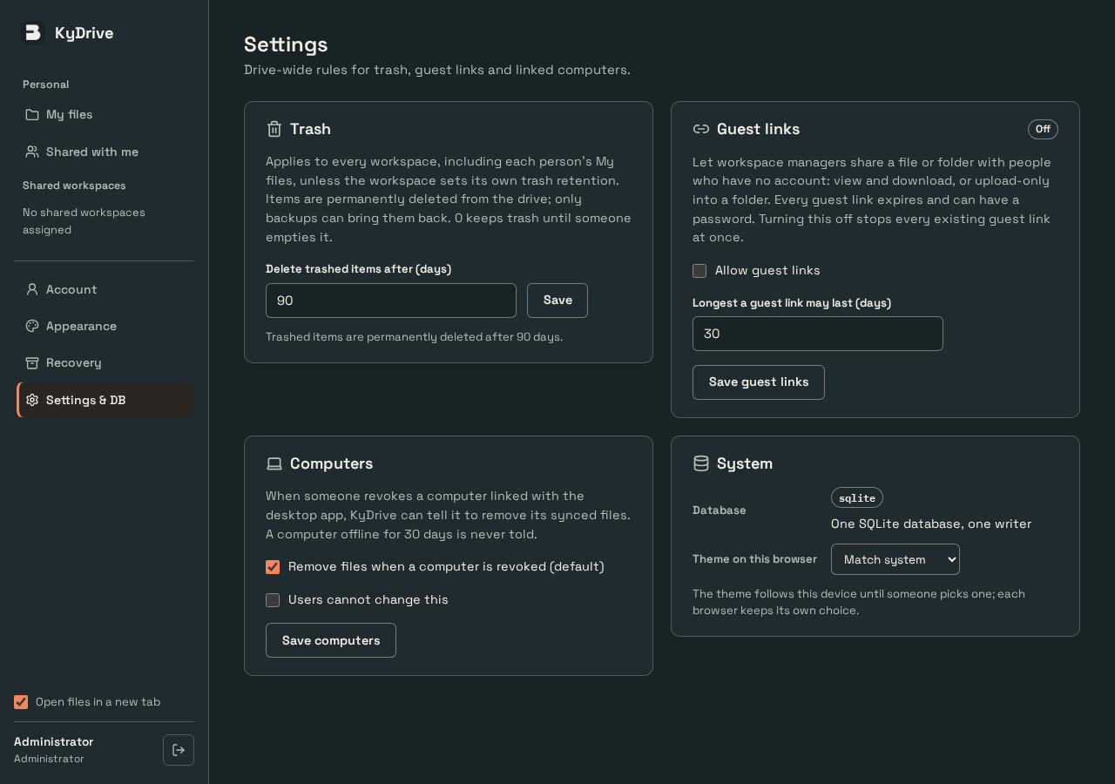
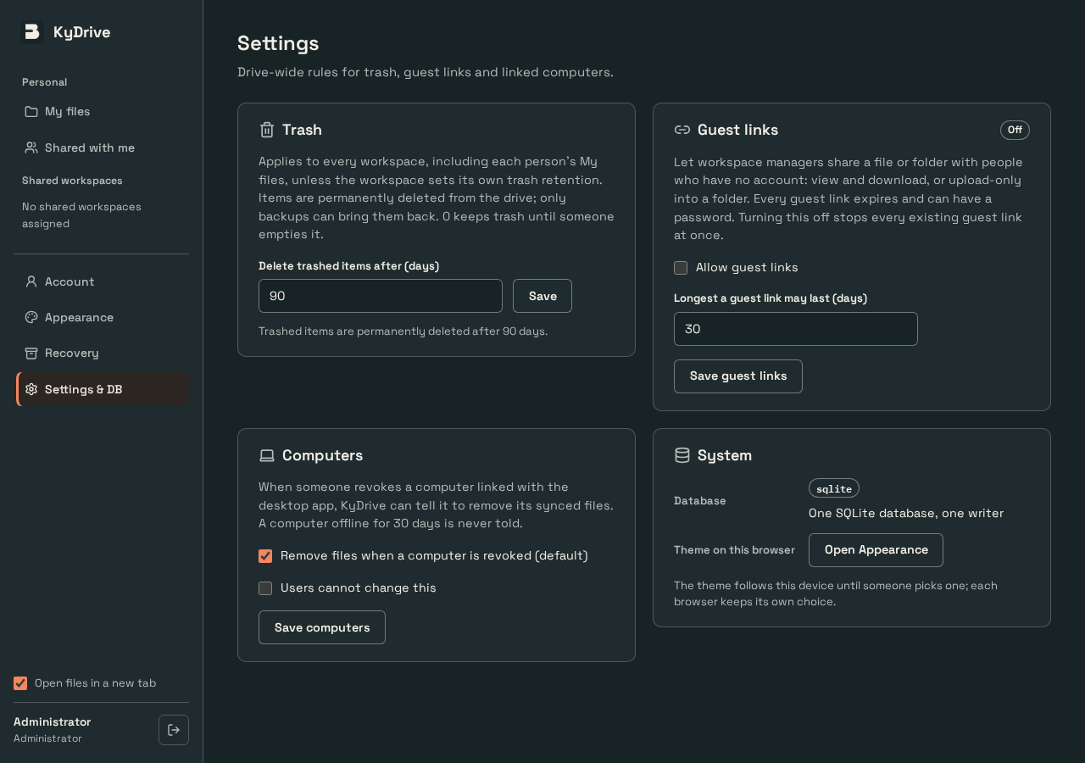

KyDrive-server · settings · desktop · light · Q 7.0 → 7.3
Before | After
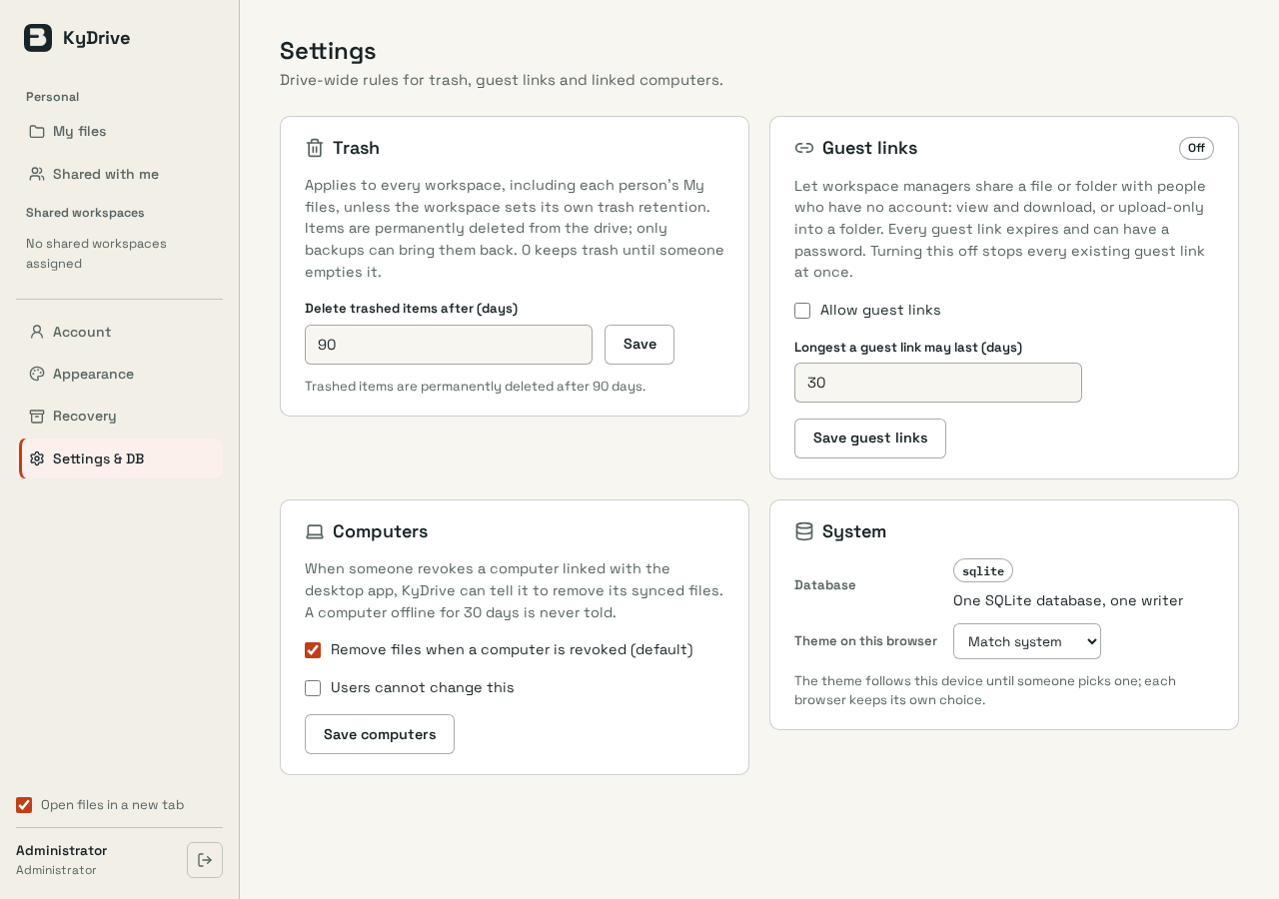
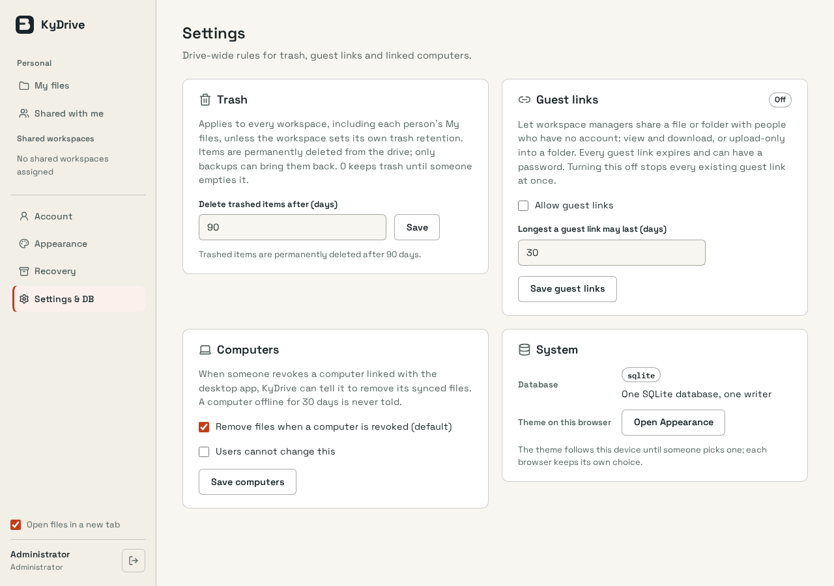

KyDrive-server · settings · mobile · dark · Q 6.7 → 7.2
Before | After

KyDrive-server · settings · mobile · light · Q 6.7 → 7.2
Before | After

KyIdentity-server · appearance · desktop · dark · Q 7.6 → 7.9
Before | After
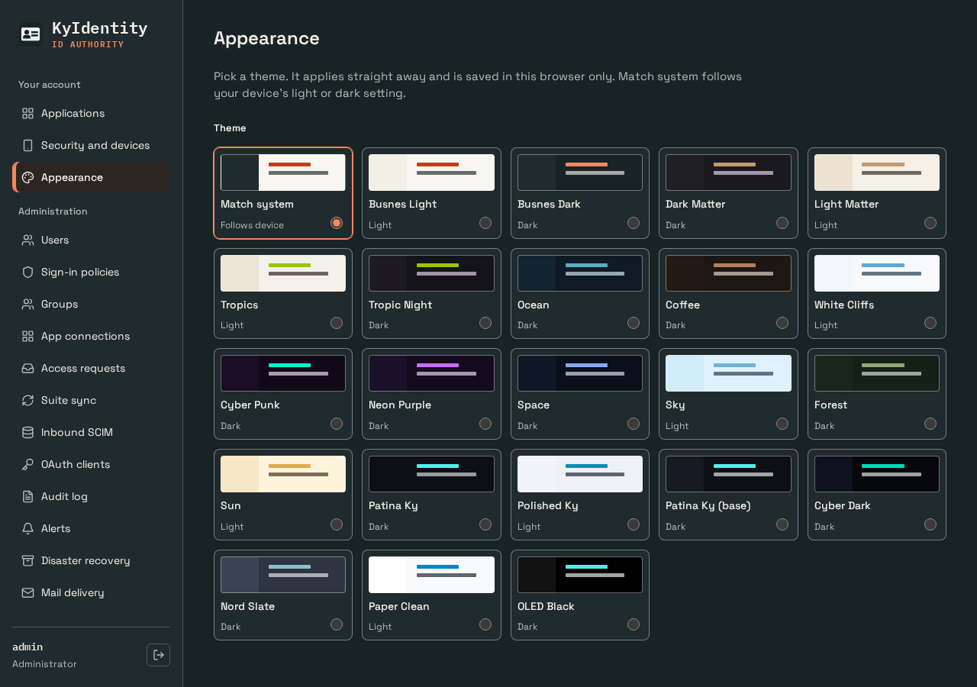


KyIdentity-server · appearance · desktop · light · Q 7.7 → 8.0
Before | After
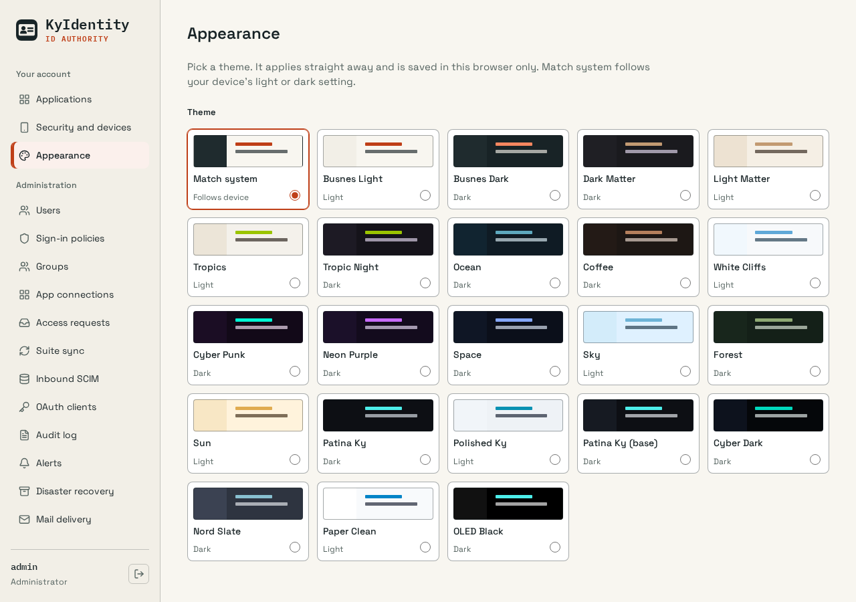


KyIdentity-server · appearance · mobile · dark · Q 6.9 → 7.7
Before | After
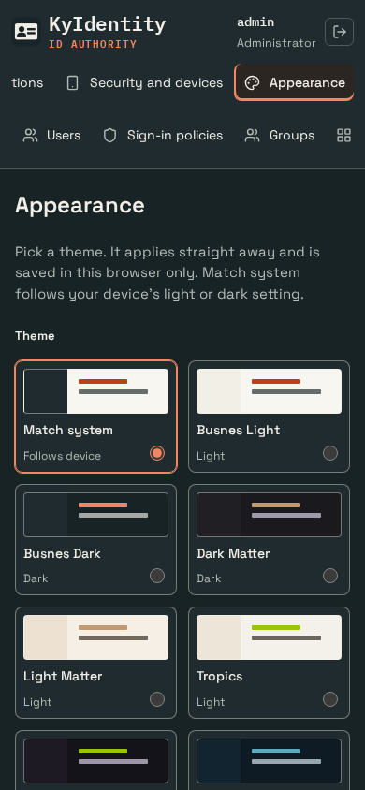
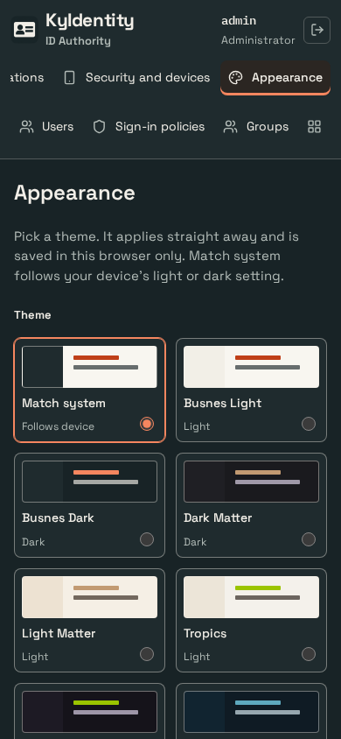

KyIdentity-server · appearance · mobile · light · Q 7.0 → 7.8
Before | After
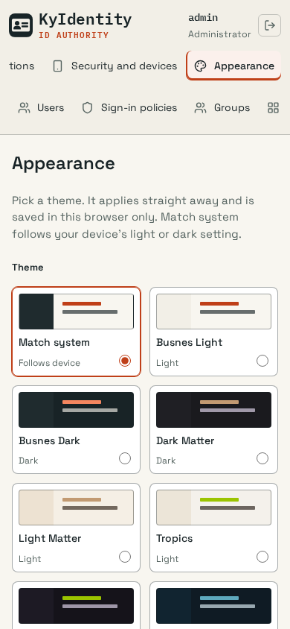
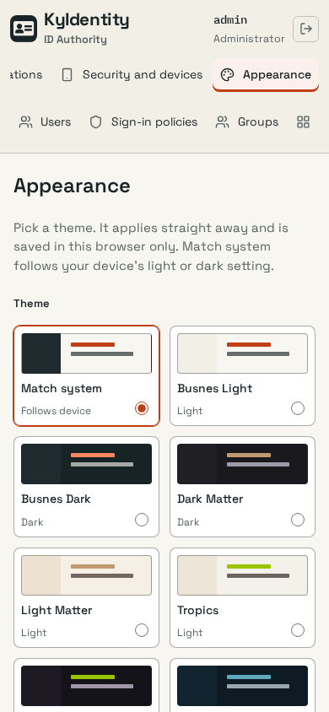

KyIdentity-server · applications · desktop · dark · Q 6.7 → 7.1
Before | After
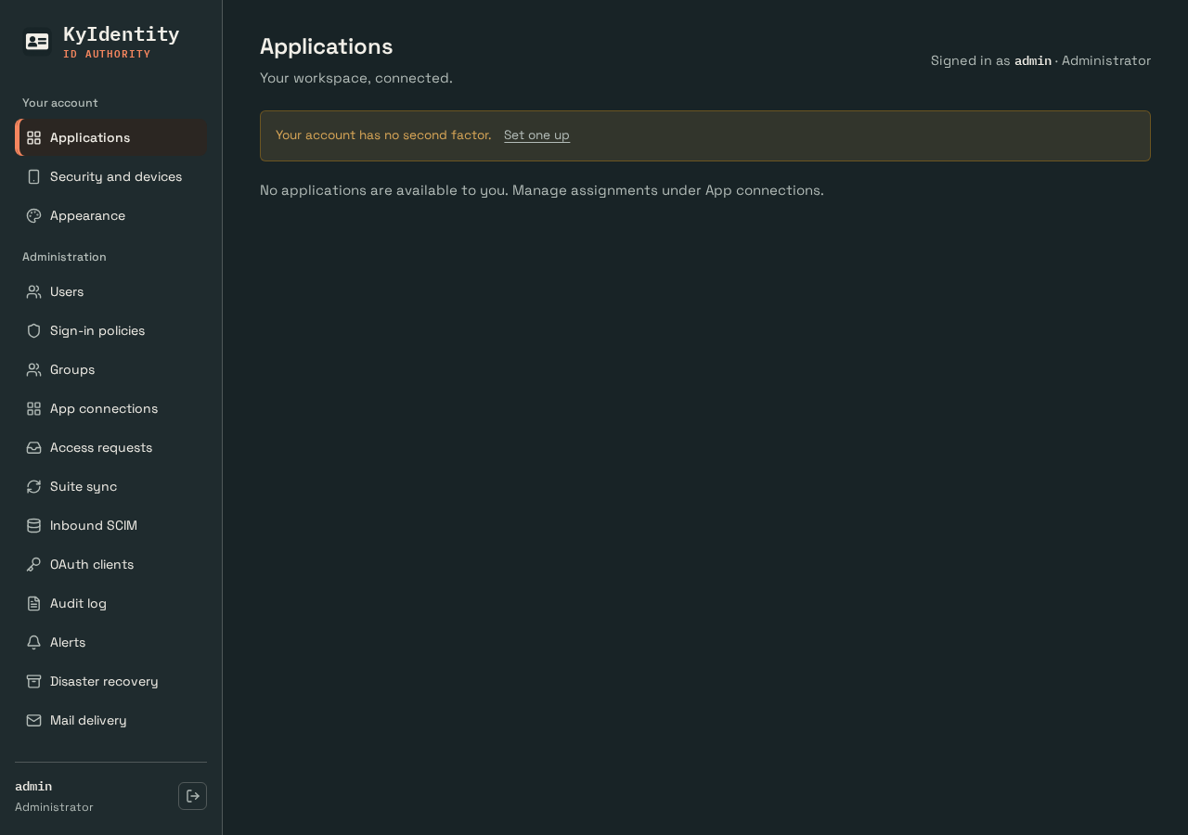


KyIdentity-server · applications · desktop · light · Q 6.7 → 7.1
Before | After
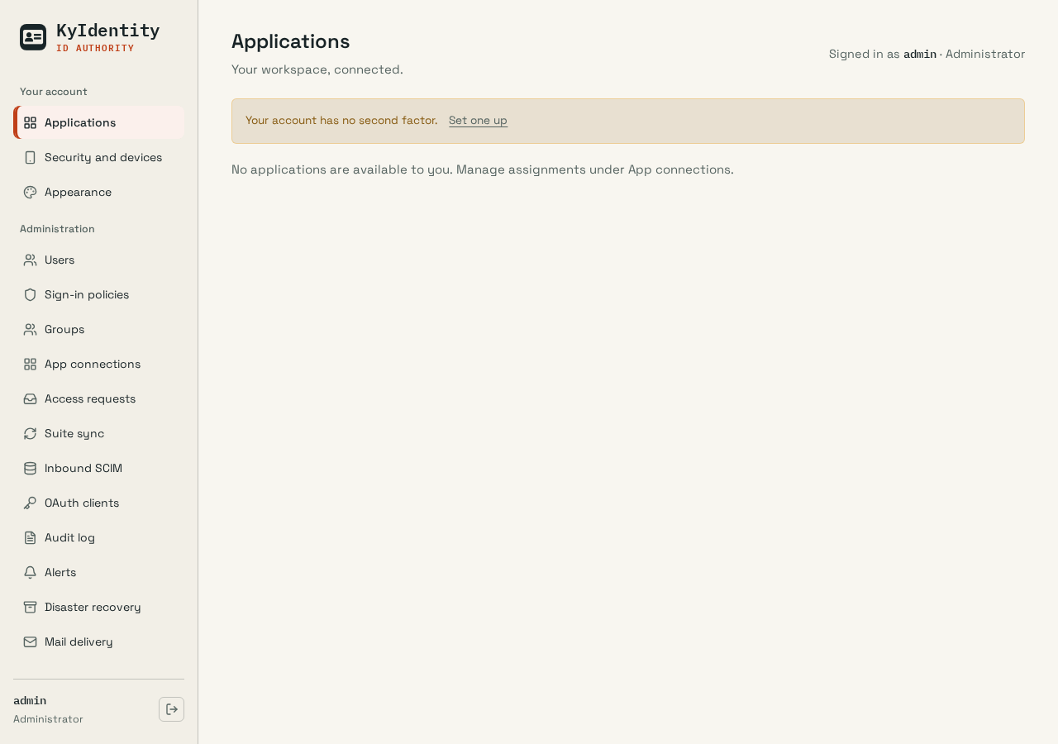
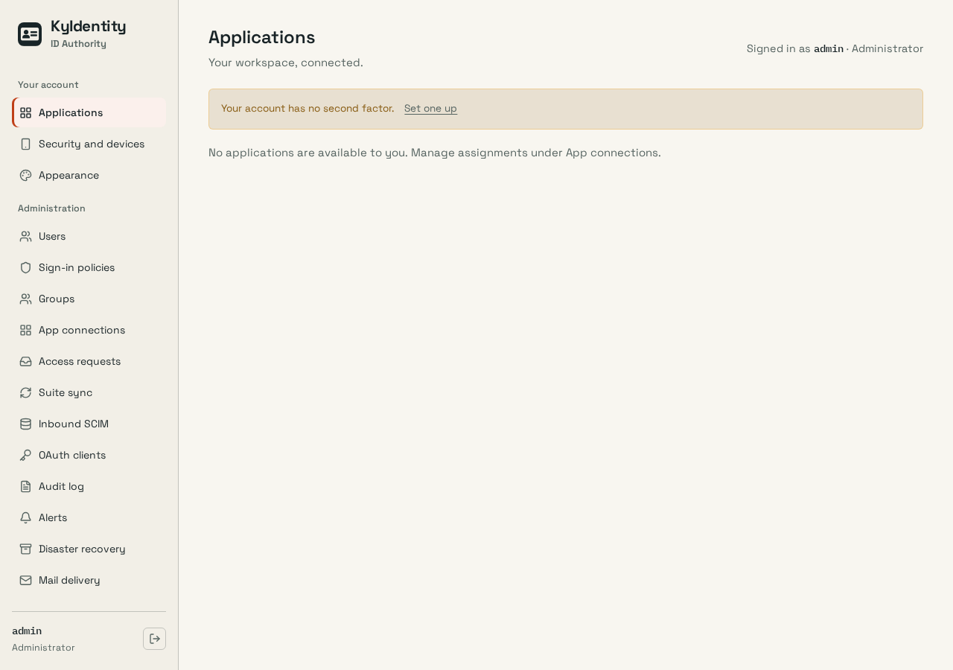

KyIdentity-server · applications · mobile · dark · Q 6.2 → 6.6
Before | After
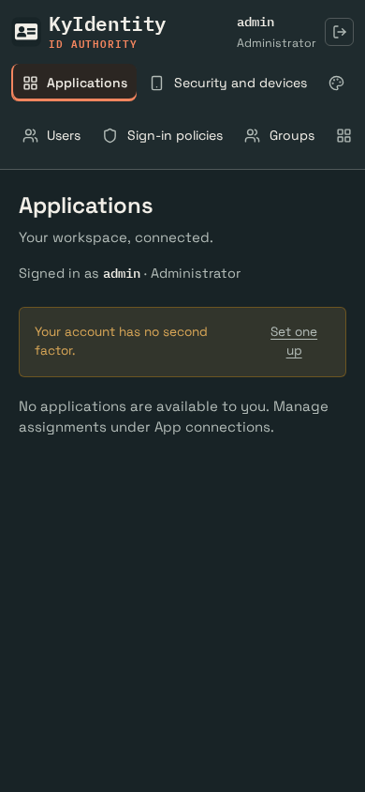
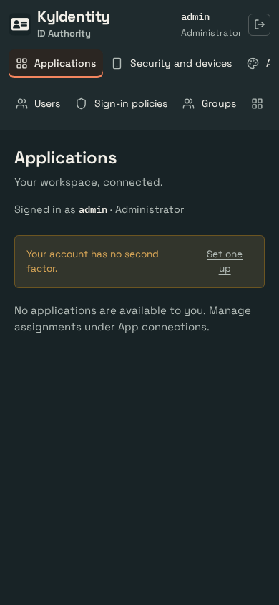

KyIdentity-server · applications · mobile · light · Q 6.2 → 6.6
Before | After
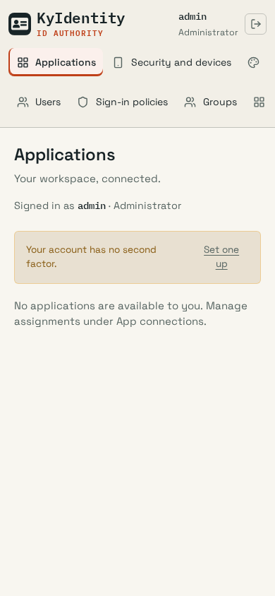
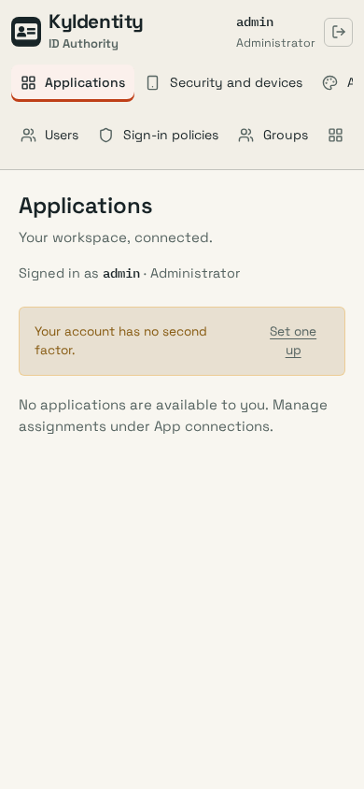

KyIdentity-server · users · desktop · dark · Q 5.5 → 7.9
Before | After
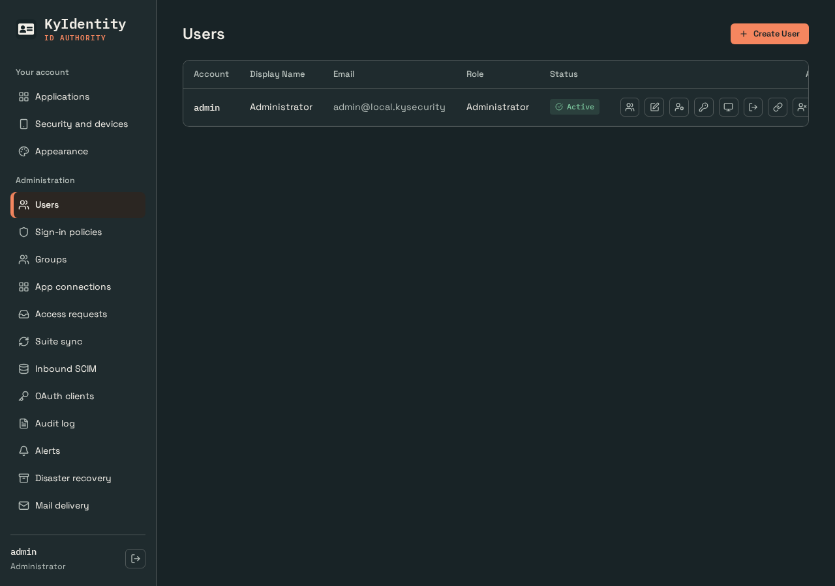
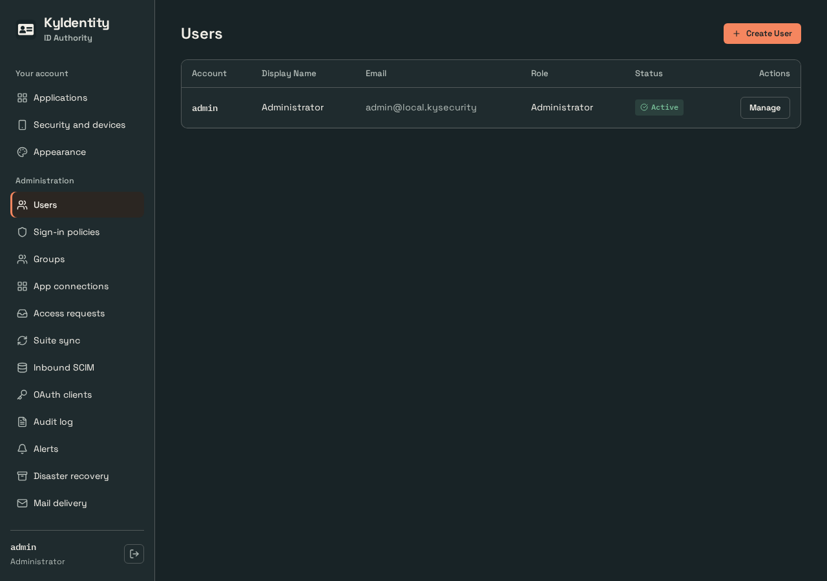

KyIdentity-server · users · desktop · light · Q 5.5 → 7.9
Before | After
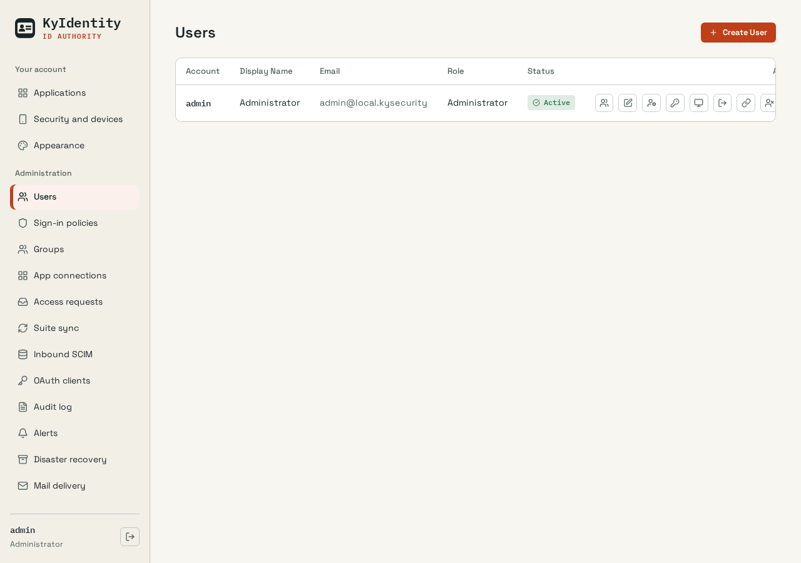
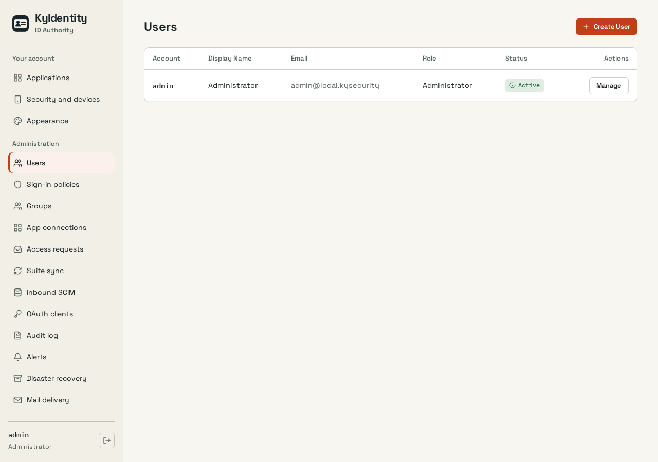

KyIdentity-server · users · mobile · dark · Q 5.3 → 7.2
Before | After
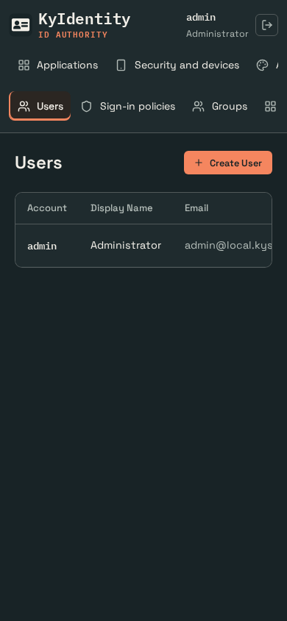
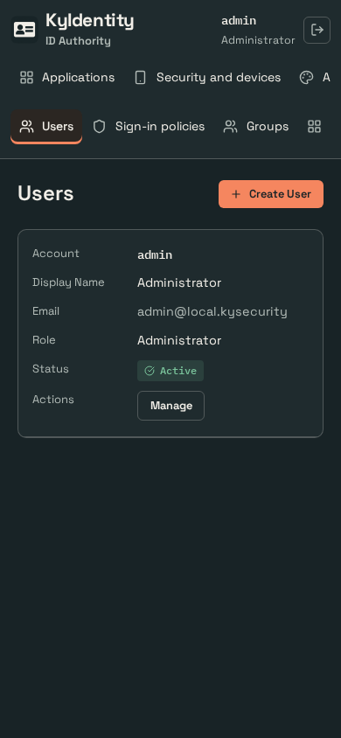

KyIdentity-server · users · mobile · light · Q 5.3 → 7.2
Before | After
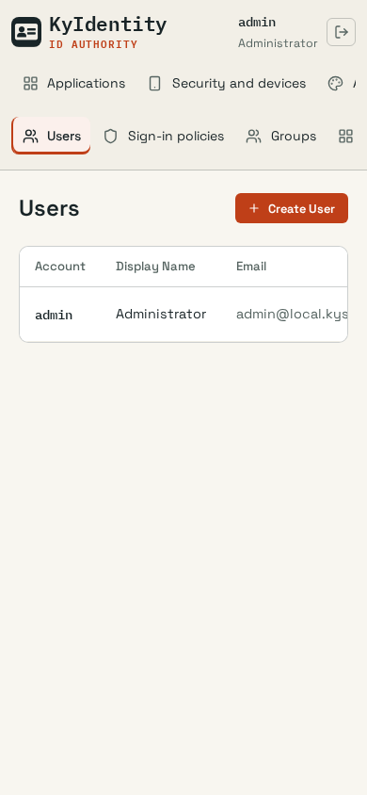
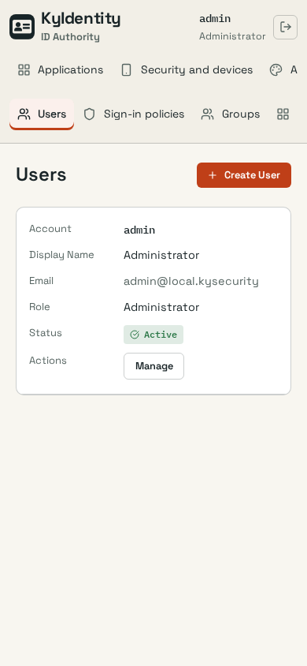

KyIdentity-server · users-manage · desktop · dark · Q 5.5 → 6.6
Before | After
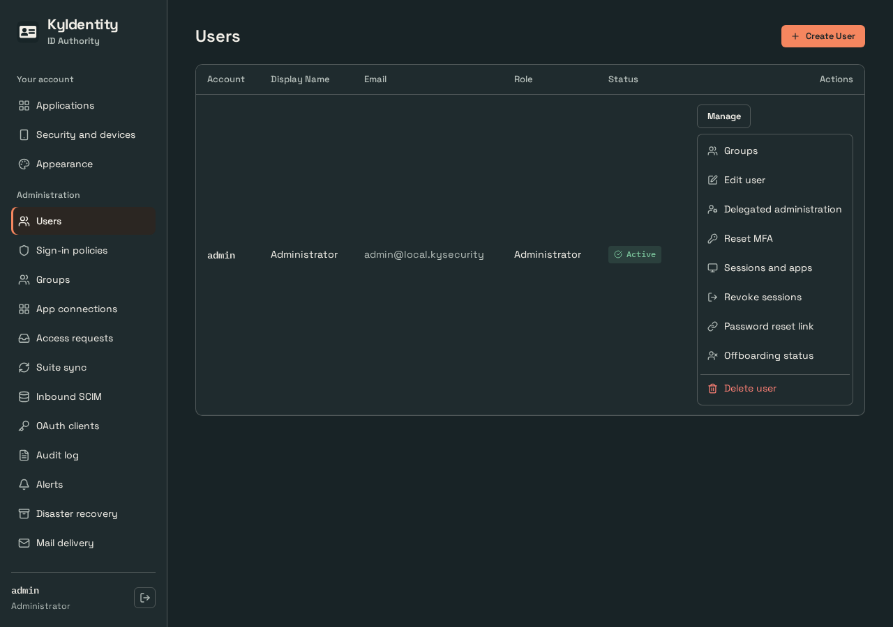

KyIdentity-server · users-manage · desktop · light · Q 5.5 → 6.6
Before | After
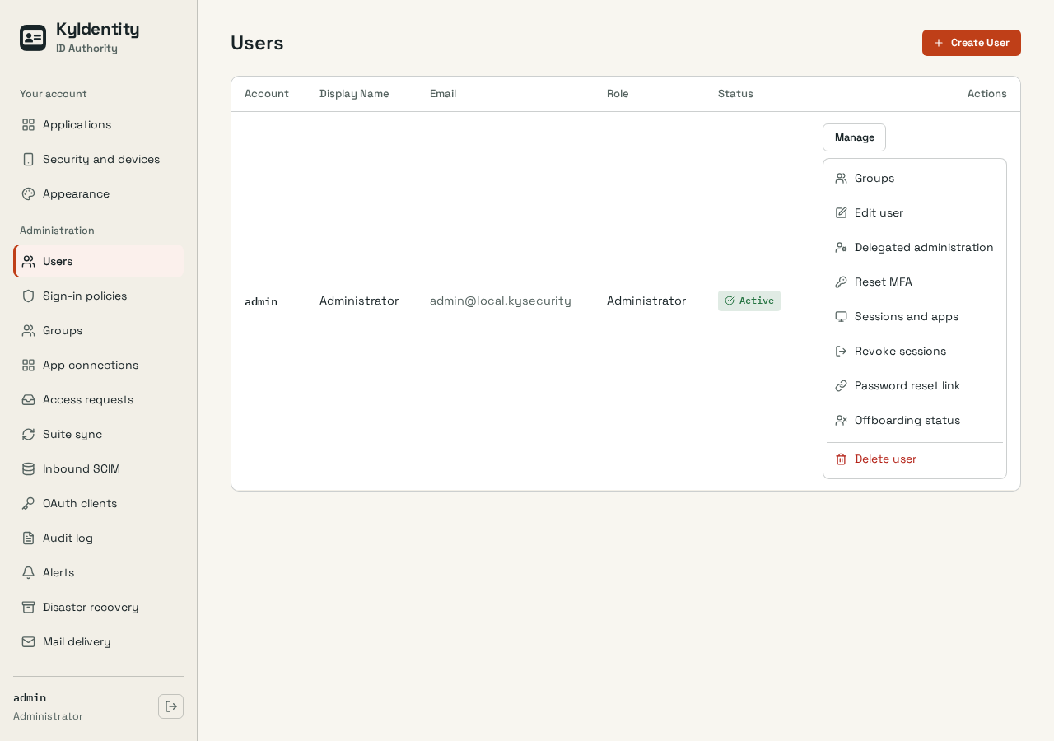

KyIdentity-server · users-manage · mobile · dark · Q 5.3 → 6.8
Before | After
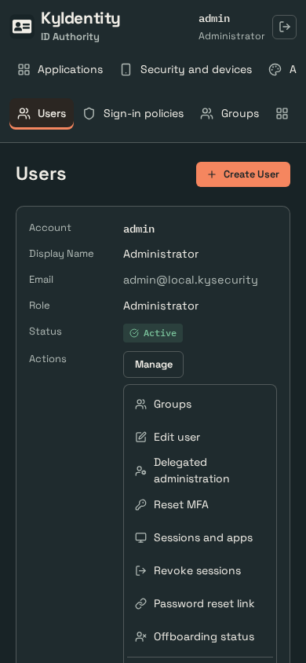

KyIdentity-server · users-manage · mobile · light · Q 5.3 → 6.8
Before | After
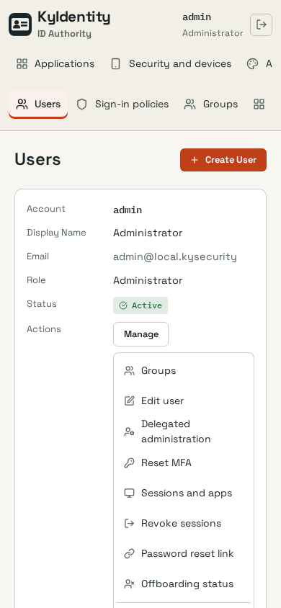

KyNotes-server · appearance · desktop · dark · Q 7.7 → 7.5
Before | After
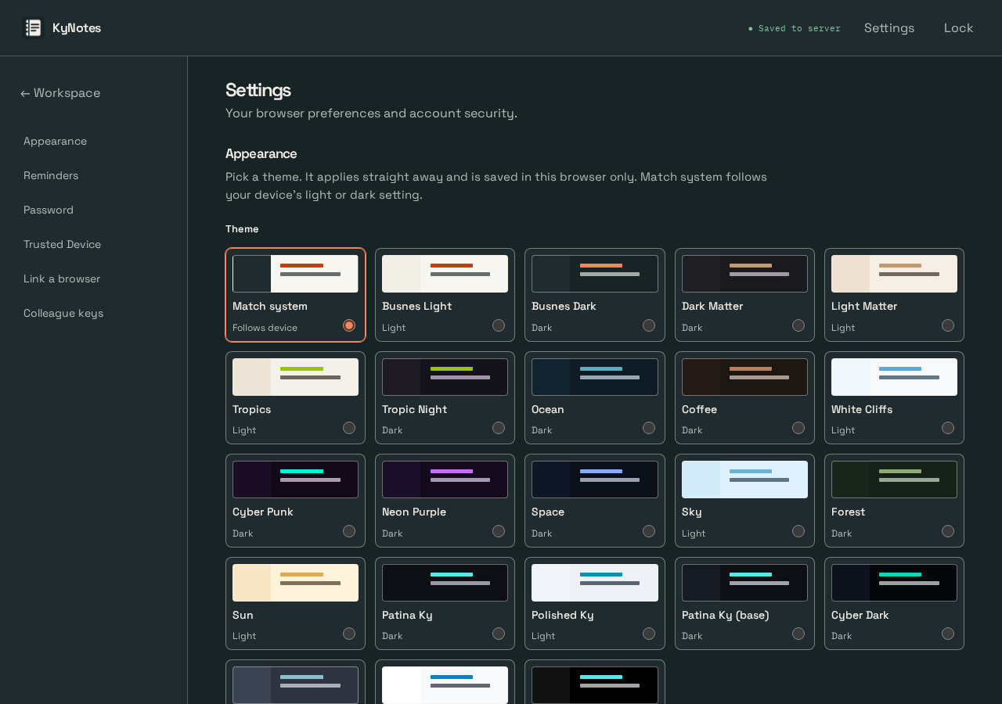
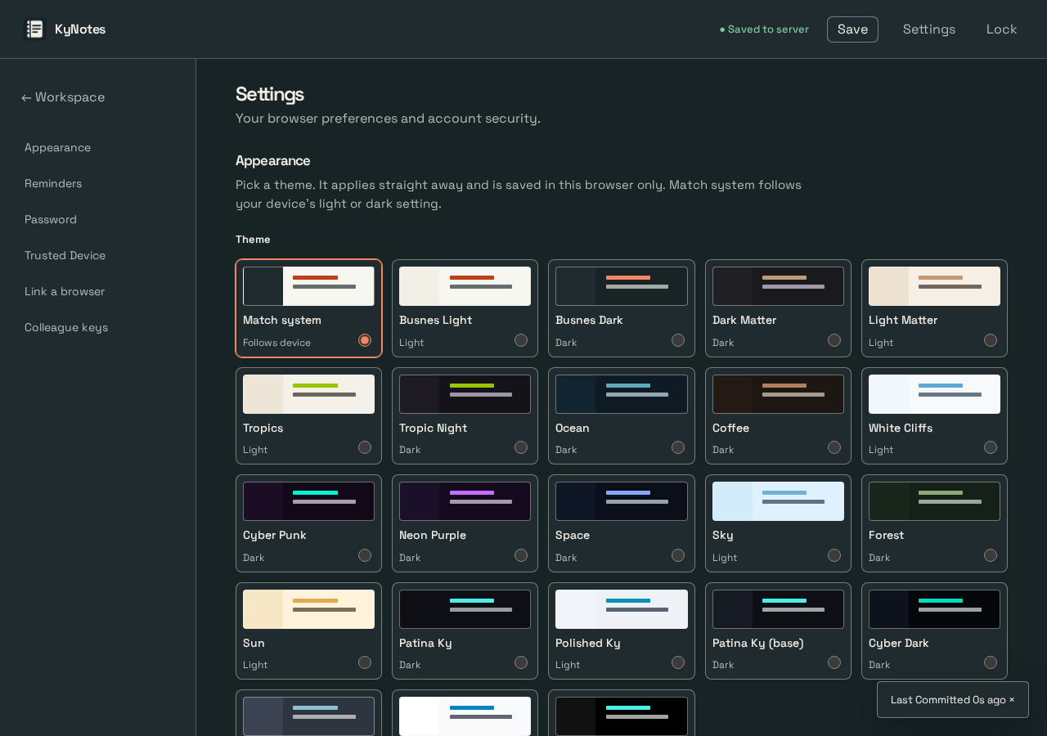

KyNotes-server · appearance · desktop · light · Q 7.9 → 7.7
Before | After
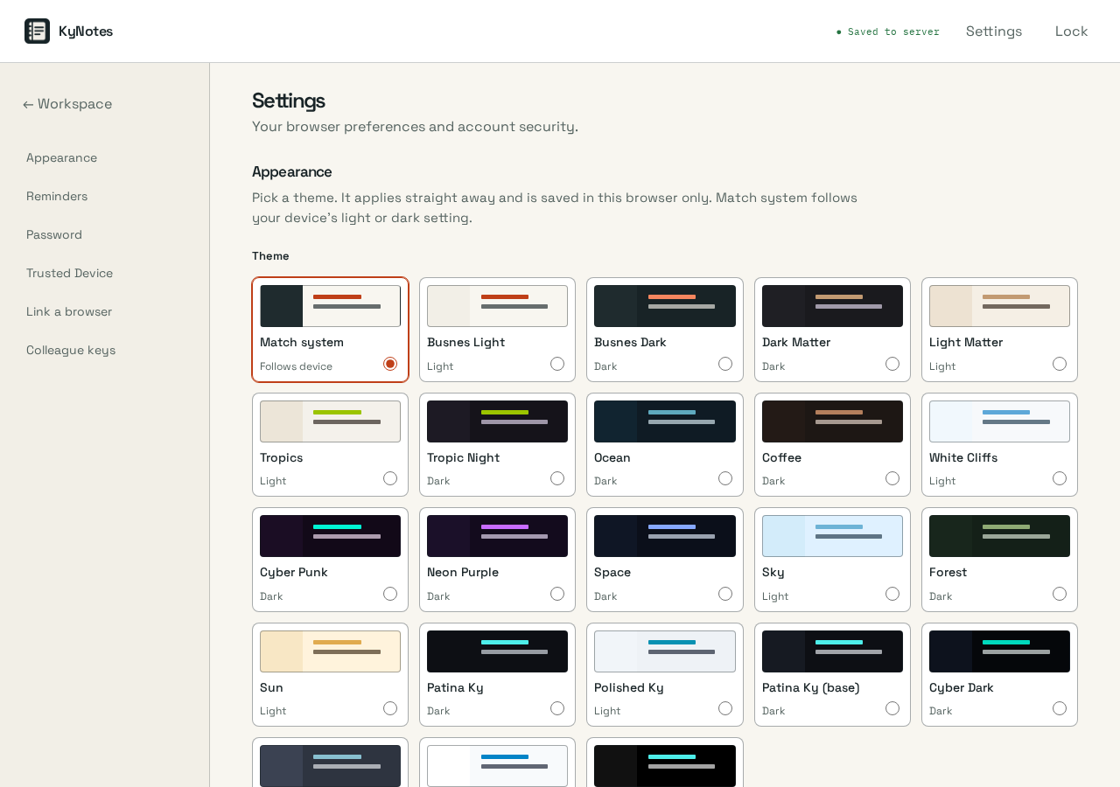


KyNotes-server · appearance · mobile · dark · Q 7.0 → 6.7
Before | After
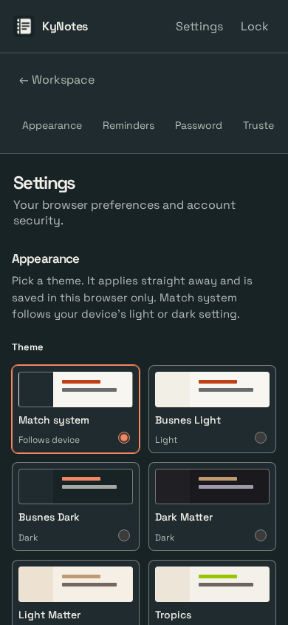
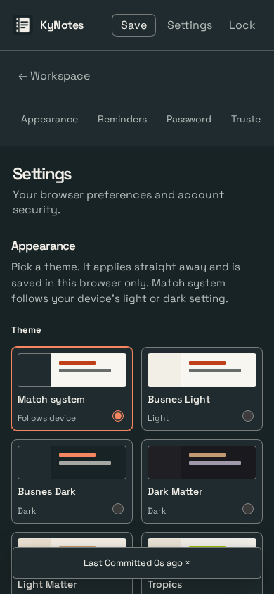

KyNotes-server · appearance · mobile · light · Q 7.2 → 6.8
Before | After
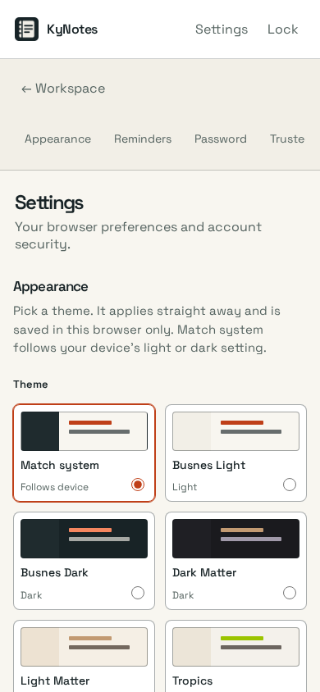


KyNotes-server · workspace · desktop · dark · Q 5.5 → 7.0
Before | After



KyNotes-server · workspace · desktop · light · Q 5.5 → 7.0
Before | After



KyNotes-server · workspace · mobile · dark · Q 5.4 → 7.0
Before | After



KyNotes-server · workspace · mobile · light · Q 5.4 → 7.0
Before | After



KyNotes-server · note-committed · desktop · dark · Q 5.0 → 6.1
Before | After



KyNotes-server · note-committed · desktop · light · Q 5.0 → 6.1
Before | After



KyNotes-server · note-committed · mobile · dark · Q 5.0 → 6.5
Before | After



KyNotes-server · note-committed · mobile · light · Q 5.0 → 6.5
Before | After



KyNotes-server · note · desktop · dark · Q 5.2 → 6.1
Before | After



KyNotes-server · note · desktop · light · Q 5.2 → 6.1
Before | After



KyNotes-server · note · mobile · dark · Q 5.2 → 6.5
Before | After



KyNotes-server · note · mobile · light · Q 5.2 → 6.5
Before | After



KyPulse-server · app-delete-forest · desktop · forest (saved; OS dark) · Q 5.9 → 6.9
Before | After



KyPulse-server · app-delete-forest · desktop · forest (saved; OS light) · Q 5.9 → 6.9
Before | After



KyPulse-server · app-delete-forest · mobile · forest (saved; OS dark) · Q 5.3 → 6.9
Before | After

KyPulse-server · app-delete-forest · mobile · forest (saved; OS light) · Q 5.3 → 6.9
Before | After

KyPulse-server · app-delete-sky · desktop · sky (saved; OS dark) · Q 5.9 → 6.9
Before | After



KyPulse-server · app-delete-sky · desktop · sky (saved; OS light) · Q 5.9 → 6.9
Before | After



KyPulse-server · app-delete-sky · mobile · sky (saved; OS dark) · Q 5.3 → 6.9
Before | After

KyPulse-server · app-delete-sky · mobile · sky (saved; OS light) · Q 5.3 → 6.9
Before | After

KyPulse-server · app-detail · desktop · dark · Q 5.9 → 6.9
Before | After



KyPulse-server · app-detail · desktop · light · Q 5.9 → 6.9
Before | After



KyPulse-server · app-detail · mobile · dark · Q 5.3 → 6.9
Before | After

KyPulse-server · app-detail · mobile · light · Q 5.3 → 6.9
Before | After

KyRecovery-server · overview · desktop · dark · Q 7.9 → 7.9
Before | After



KyRecovery-server · overview · desktop · light · Q 7.9 → 7.9
Before | After



KyRecovery-server · overview · mobile · dark · Q 7.0 → 7.7
Before | After

KyRecovery-server · overview · mobile · light · Q 7.0 → 7.7
Before | After

KyRecovery-server · replication-via-overview · desktop · dark · Q 7.0 → 7.3
Before | After



KyRecovery-server · replication-via-overview · desktop · light · Q 7.0 → 7.3
Before | After



KyRecovery-server · replication-via-overview · mobile · dark · Q 5.5 → 7.3
Before | After



KyRecovery-server · replication-via-overview · mobile · light · Q 5.5 → 7.3
Before | After



ky-server-base · overview · desktop · dark · Q 6.8 → 7.0
Before | After



ky-server-base · overview · desktop · light · Q 6.8 → 7.0
Before | After



ky-server-base · overview · mobile · dark · Q 6.7 → 6.8
Before | After

ky-server-base · overview · mobile · light · Q 6.7 → 6.8
Before | After

ky-server-base · settings-via-overview · desktop · dark · Q 6.2 → 7.5
Before | After



ky-server-base · settings-via-overview · desktop · light · Q 6.2 → 7.5
Before | After



ky-server-base · settings-via-overview · mobile · dark · Q 6.0 → 7.3
Before | After



ky-server-base · settings-via-overview · mobile · light · Q 6.0 → 7.3
Before | After

