Executive Summary
AAPL Analysis — Executive Summary
Source: supplied eda.ipynb and Apple_daily(1).csv. Results are reproduced from the notebook workflow; no analytical model results are added where the supplied notebook contains none.

Project Snapshot
Dataset | Apple (AAPL) daily market data
Observations | 10070
Source period | 1986-09-22 to 2026-09-11
Variables in source CSV | 8
Primary analysis series | Closing Price and Daily Return
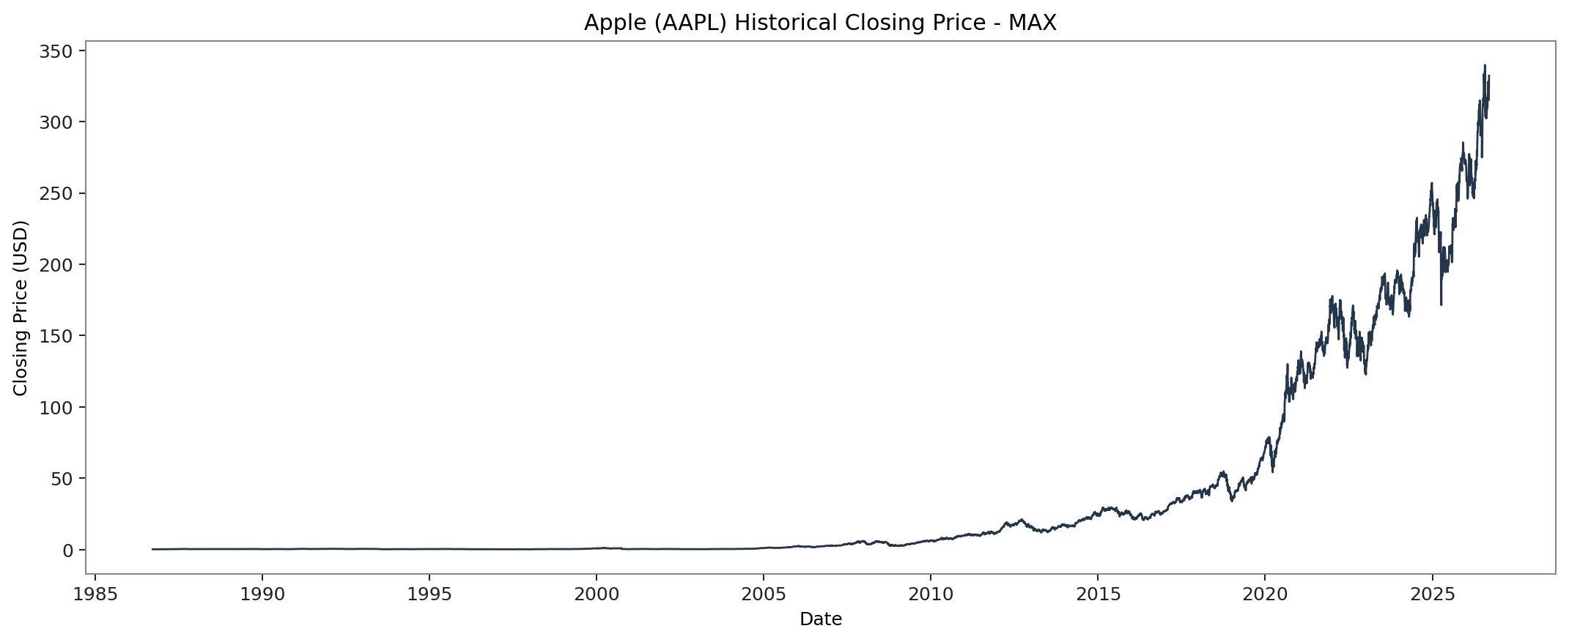
Train / Validation / Test | 7049 / 1510 / 1511 rows

Key Findings
• | The dataset contains 10,070 observations from September 1986 through September 2026.
• | Data quality checks in the notebook show no missing values, duplicate rows, duplicate dates, negative closing prices, or incorrect OHLC relationships.
• | The closing-price series is non-stationary under the ADF test (p-value = 1.0), while daily returns are stationary (p-value = 0.0).
• | Daily returns are negatively skewed (-0.396097) and have high excess kurtosis (23.099366), indicating a heavy-tailed return distribution.
• | The largest average daily return by month occurs in July (7), while September has the lowest average daily return (9).
• | The notebook includes trend, return, distribution, monthly/day-of-week, yearly, volatility, volume, ACF/PACF and ADF analyses.
• | No model-fitting, model-evaluation, or forecasting code/results are present in the supplied eda.ipynb. Those workbook sections therefore explicitly document that limitation rather than inventing model outputs.

Conclusion
Conclusion | The EDA establishes a strong long-run upward price trend, while daily returns behave much more like a stationary series. The ADF results support using returns rather than raw closing prices for stationary time-series modelling. The supplied notebook stops at exploratory/statistical analysis and does not contain fitted-model or forecast results.

EDA
Exploratory Data Analysis
Plots and summary tables reproduced from the notebook's EDA workflow.

Long-Run Price Trend

Moving-Average Trend
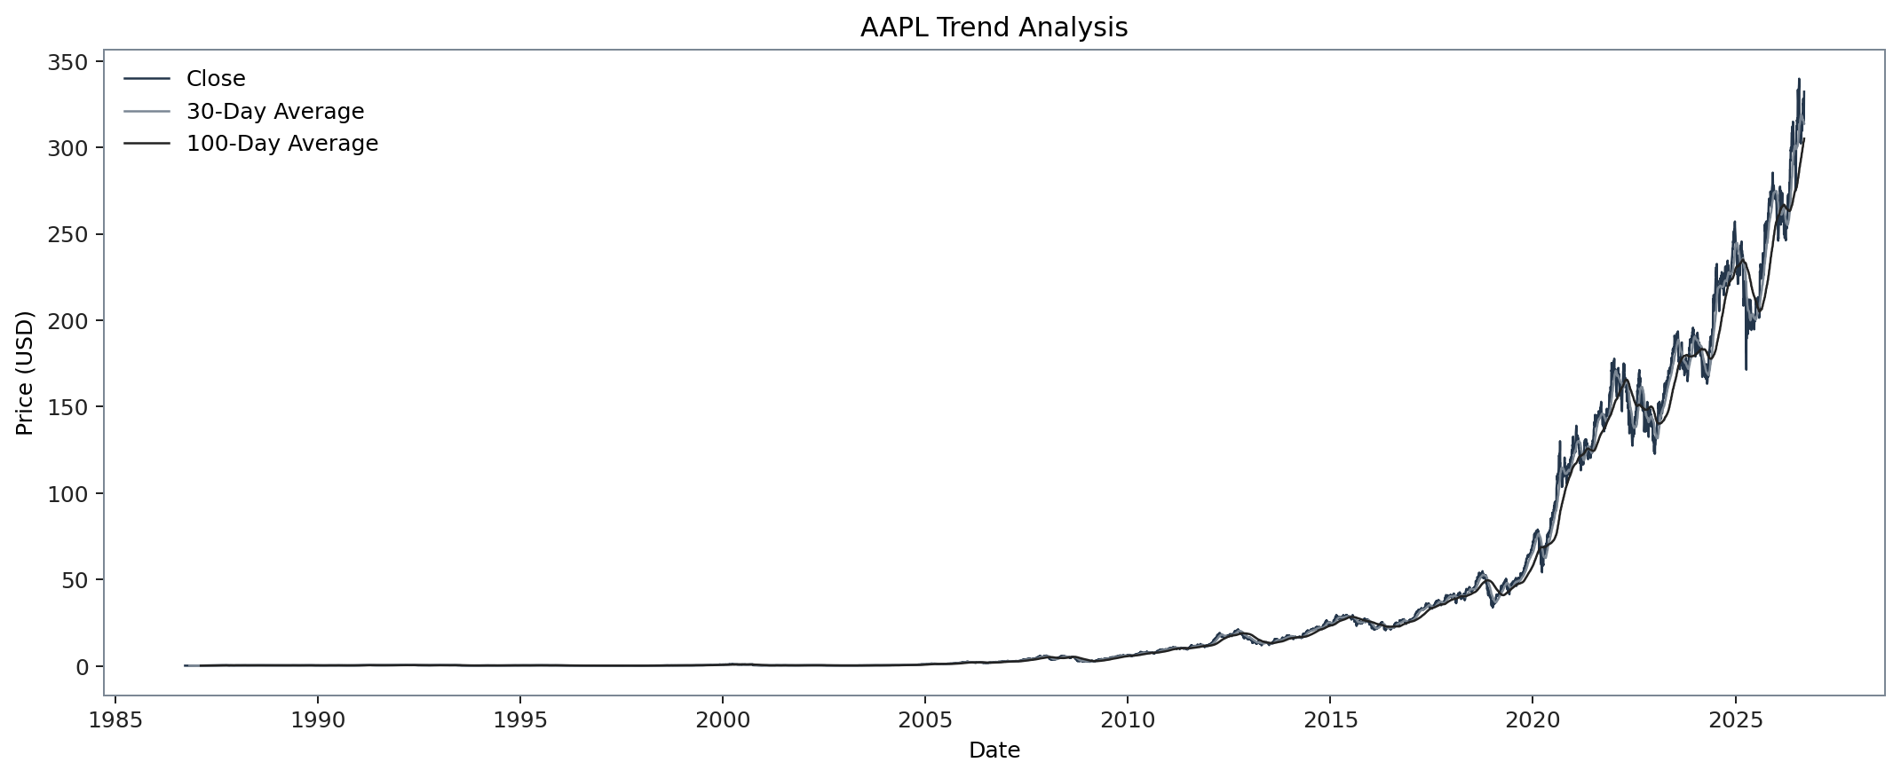

Return Behaviour
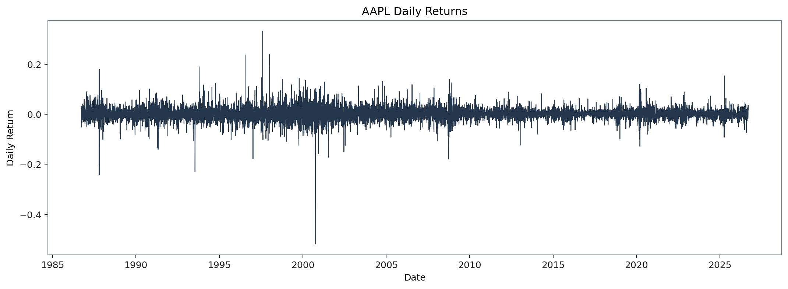

Return Distribution
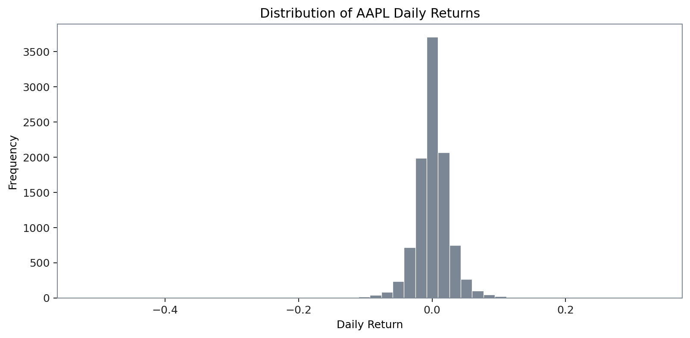

Observation | The EDA shows substantial long-term price growth and comparatively much smaller day-to-day return movements. The moving averages smooth short-term noise and make the long-run trend easier to inspect.

Time-Series Analysis
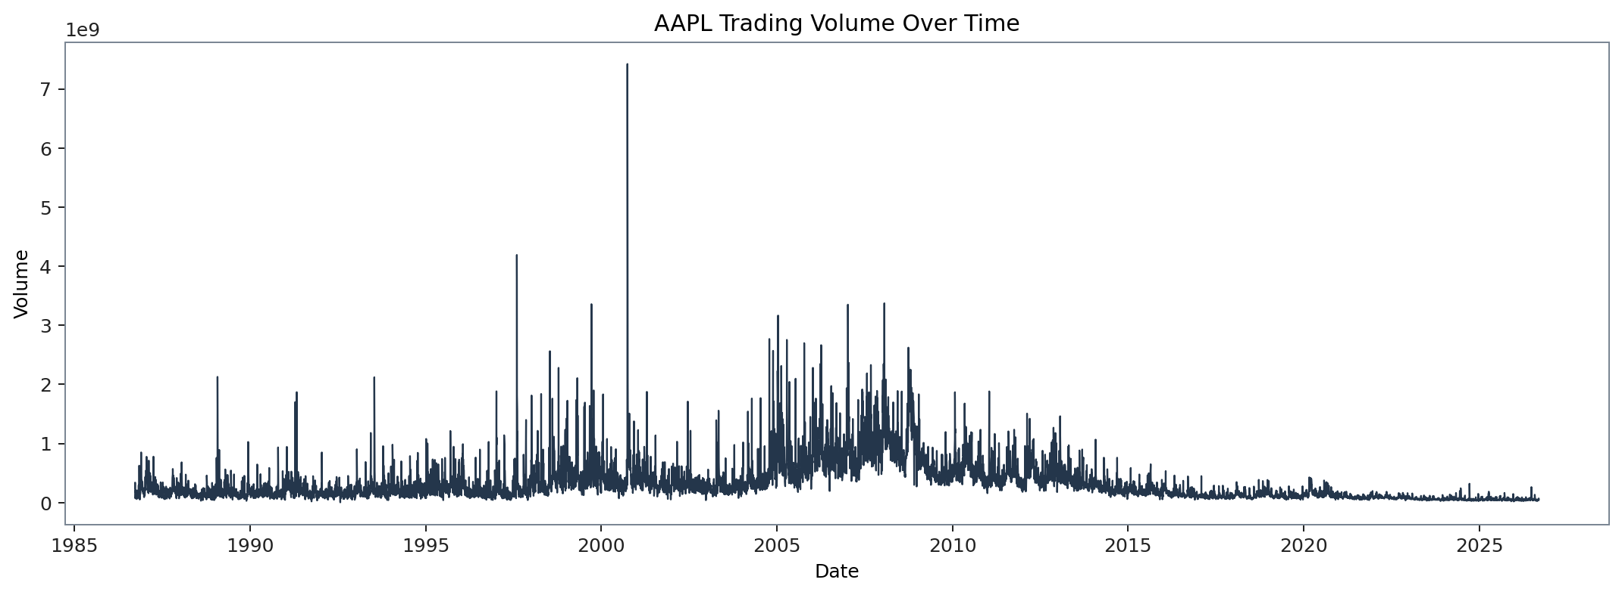
Time-Series Analysis
Calendar-based return patterns, annual price/volume summaries, and volatility.

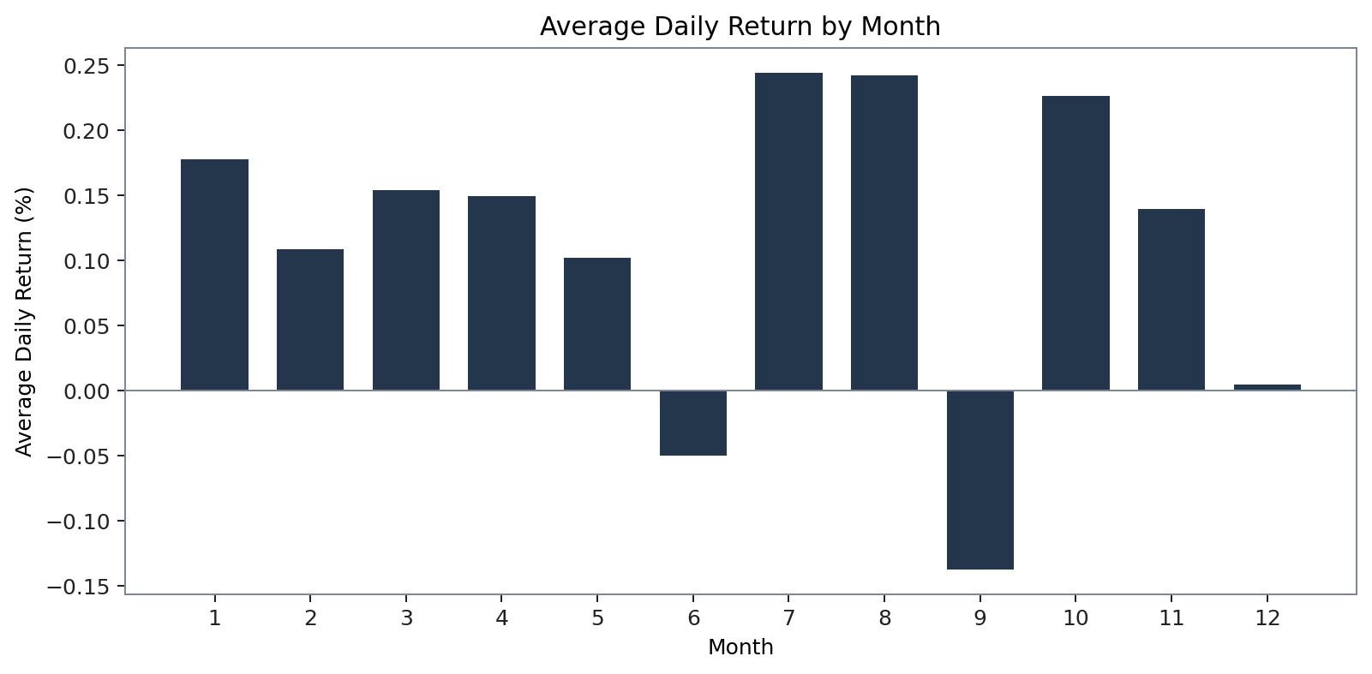
Average Daily Return by Month
Month | Average Daily Return (%)
1 | 0.177555
2 | 0.108268
3 | 0.154035
4 | 0.149202
5 | 0.101844
6 | -0.050361
7 | 0.244273
8 | 0.242047
9 | -0.137398
10 | 0.226559
11 | 0.139126
12 | 0.004201

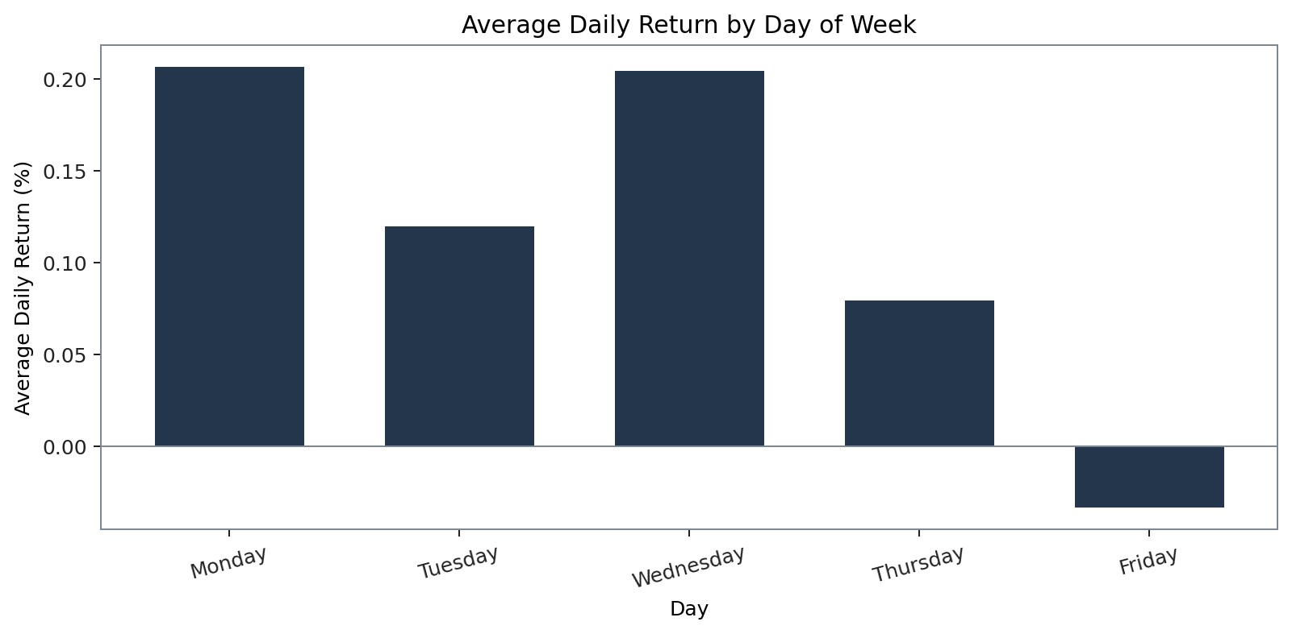
Average Daily Return by Day of Week
Day | Average Daily Return (%)
Monday | 0.206789
Tuesday | 0.119832
Wednesday | 0.204745
Thursday | 0.079404
Friday | -0.033002

Yearly Summary
Year | Average_Close | Maximum_Close | Minimum_Close | Average_Volume
1986 | 0.126346 | 0.149317 | 0.110921 | 202184923.943662
1987 | 0.266371 | 0.405575 | 0.139505 | 236250232.411067
1988 | 0.286092 | 0.325420 | 0.249927 | 163213350.197629
1989 | 0.289655 | 0.345026 | 0.234139 | 202007244.444444
1990 | 0.263995 | 0.332965 | 0.176238 | 175501742.292490
1991 | 0.372945 | 0.515651 | 0.292240 | 226670558.102767
1992 | 0.392759 | 0.499791 | 0.310807 | 161960289.763780
1993 | 0.296713 | 0.468103 | 0.164353 | 223134102.766798
1994 | 0.250333 | 0.318789 | 0.184553 | 226809111.111111
1995 | 0.301328 | 0.367048 | 0.238342 | 294708488.888889
1996 | 0.186333 | 0.261709 | 0.126182 | 209426066.141732
1997 | 0.134345 | 0.218247 | 0.096739 | 284440158.102767
1998 | 0.228546 | 0.321529 | 0.118704 | 457119822.222222
1999 | 0.431971 | 0.880932 | 0.240679 | 544058355.555556
2000 | 0.683613 | 1.078148 | 0.209367 | 477387288.888889
2001 | 0.302378 | 0.397648 | 0.222453 | 381684664.516129
2002 | 0.286227 | 0.390470 | 0.203236 | 305610822.222222
2003 | 0.277333 | 0.371178 | 0.196207 | 282659733.333333
2004 | 0.531299 | 1.023508 | 0.318238 | 483339955.555556
2005 | 1.396063 | 2.242624 | 0.946491 | 723813422.222222
2006 | 2.117920 | 2.746004 | 1.515521 | 859358430.278884
2007 | 3.836625 | 5.976842 | 2.490576 | 984047751.394422
2008 | 4.246540 | 5.830283 | 2.407427 | 1130360498.023715
2009 | 4.391156 | 6.330074 | 2.338932 | 568467011.111111
2010 | 7.771792 | 9.734689 | 5.744146 | 599305266.666667
2011 | 10.887235 | 12.629043 | 9.431106 | 492298966.666667
2012 | 17.271241 | 21.089714 | 12.299739 | 527856817.600000
2013 | 14.455756 | 17.634760 | 11.853019 | 406434800.000000
2014 | 20.231288 | 26.309696 | 15.459834 | 252610922.222222
2015 | 26.771811 | 29.541782 | 23.088415 | 207397617.460318
2016 | 23.812908 | 27.042074 | 20.548155 | 153690123.809524
2017 | 34.919081 | 41.203964 | 26.668327 | 108538270.916335
2018 | 44.517563 | 54.823818 | 34.807907 | 136080258.167331
2019 | 49.813231 | 70.659386 | 33.707909 | 112122788.888889
2020 | 92.269453 | 132.699982 | 54.117039 | 157564646.640316
2021 | 137.349266 | 176.145386 | 113.132225 | 90524627.380952
2022 | 151.674640 | 177.786377 | 123.829742 | 87910376.494024
2023 | 170.047955 | 195.723816 | 122.827621 | 59223547.600000
2024 | 205.280351 | 257.153809 | 163.220612 | 57106779.761905
2025 | 231.150535 | 285.413116 | 171.365952 | 54175778.400000
2026 | 285.855528 | 339.786926 | 246.030319 | 50033355.747126

Monthly Returns
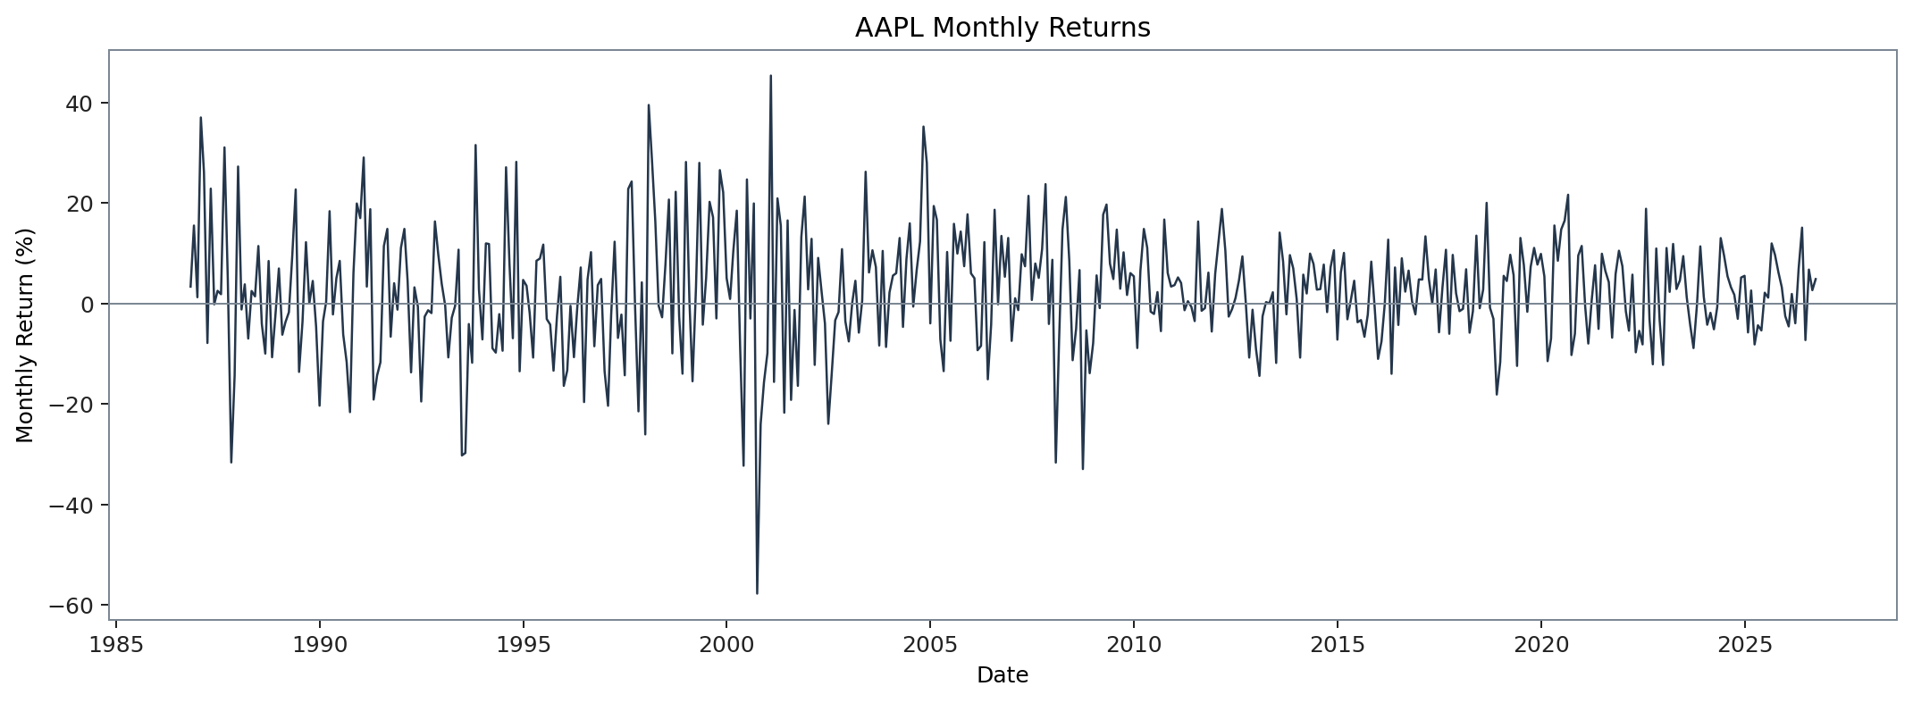

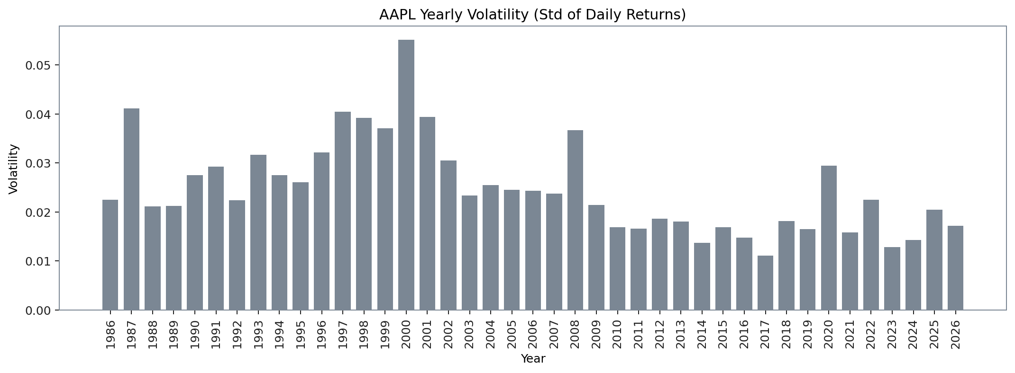
Yearly Volatility
Year | Daily Return Std. Dev.
1986 | 0.022451
1987 | 0.041149
1988 | 0.021112
1989 | 0.021220
1990 | 0.027531
1991 | 0.029267
1992 | 0.022384
1993 | 0.031622
1994 | 0.027543
1995 | 0.026070
1996 | 0.032099
1997 | 0.040463
1998 | 0.039161
1999 | 0.037070
2000 | 0.055138
2001 | 0.039338
2002 | 0.030526
2003 | 0.023360
2004 | 0.025470
2005 | 0.024478
2006 | 0.024265
2007 | 0.023757
2008 | 0.036666
2009 | 0.021369
2010 | 0.016856
2011 | 0.016539
2012 | 0.018566
2013 | 0.017986
2014 | 0.013643
2015 | 0.016843
2016 | 0.014702
2017 | 0.011091
2018 | 0.018106
2019 | 0.016466
2020 | 0.029387
2021 | 0.015813
2022 | 0.022487
2023 | 0.012788
2024 | 0.014287
2025 | 0.020480
Trading Volume

ACF PACF Analysis
ACF / PACF Analysis
Autocorrelation diagnostics using 40 lags, matching the notebook.

Closing Price — ACF / PACF
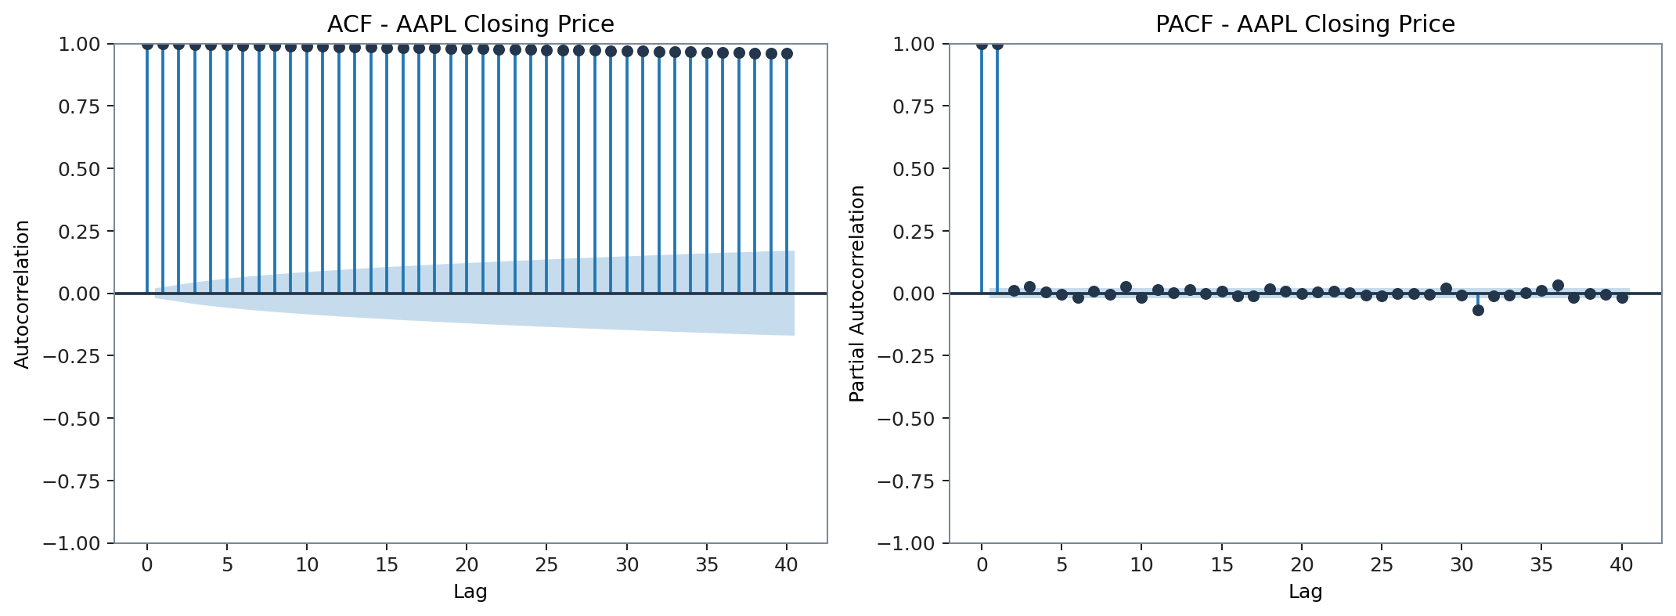

Daily Returns — ACF / PACF
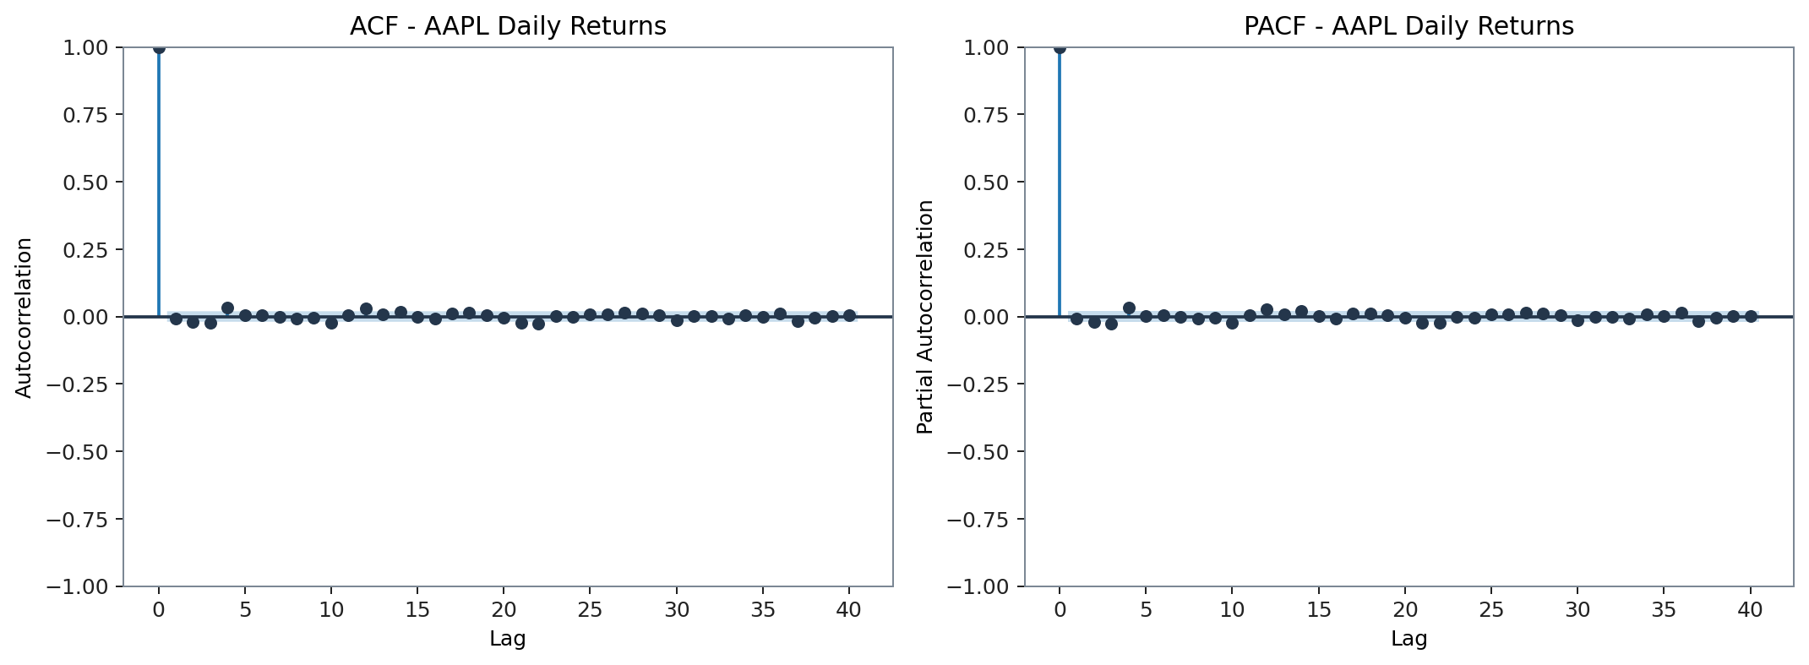

Observation | The notebook uses ACF/PACF diagnostics for both the raw closing-price series and daily returns. These plots are diagnostic evidence for serial dependence and potential model-order decisions; the supplied notebook does not proceed to a fitted model.

