Model
ARDS & COPD Validation

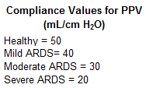
 | Patient1
 | Sex | male |  | Goal
 | Age (years) | 44 |  | Validate performance of physiology simulator for passive and active patient models in two modes of ventilation -Note that expected values are for PC-CMV, but values for VC-CMV should be within specified ranges -Expected values for SpO2 are calculated -Active effort = spontaneous breathing; passive effort = apnea
 | Predicted Weight (kg) | 75.3
 | RR Baseline (bpm) | 12

 | Pathology | Normal

 | Interventions2 | Invasive Mechanical Ventilation
 |  | NORMAL
 |  |  |  | Simulation Parameters1 |  |  | Expected Values2
 | Mode | PC-CMV |  | PHYSIOLOGY MODEL |  |  | RR (bpm) |  | I:E |  | R (cmH2O-s/L) |  | Cstat (mL/cmH2O) |  | pH |  | PaCO2 (mmHg) |  | PaO2 (mmHg) |  | PaO2/FiO2 (mmHg) |  | SpO2 (%)
 | Inspiratory Pressure Target | set empirically to achieve VT Target |  | Effort | Dx | Severity | Lo | Hi | Lo | Hi | Lo | Hi | Lo | Hi | Lo | Hi | Lo | Hi | Lo | Hi | Lo | Hi | Lo | Hi
 | VT Target (mL/kg) | 7 |  | passive | normal | 0 | 15 | 21 | 0.4 | 0.8 | 12 | 17 | 20 | 54 | 7.27 | 7.4 | 35 | 42 | 85 | 114 | 264 | 366 | 96.4 | 98.5
 | VT Target (mL) | 527 |  |  |  | Observed Values from Physiology Simulator | 15 |  | 0.6 |  | 13 |  | 50 |  | 7.4 |  | 40 |  | 104 |  | 344 |  | 98.2
 | PEEP (cm H2O) | 5 |  |  |  | Outcome | Pass |  | Pass |  | Pass |  | Pass |  | Pass |  | Pass |  | Pass |  | Pass |  | Pass
 | FiO2 (%) | 30
 | Mandatory Rate (bpm) | 15
 | I:E | 0.60 |  |  |  |  | Comments
 | Minute Ventilation (L/min) | 7.9

 | Mode | VC-CMV |  | Simulation Parameters1 |  |  | Expected Values2
 | Inspiratory Pressure Target | set empirically to achieve VT Target |  | PHYSIOLOGY MODEL |  |  | RR (bpm) |  | I:E |  | R (cmH2O-s/L) |  | Cstat (mL/cmH2O) |  | pH |  | PaCO2 (mmHg) |  | PaO2 (mmHg) |  | PaO2/FiO2 (mmHg) |  | SpO2 (%)
 | VT Target (mL/kg) | 7 |  | Effort | Dx | Severity | Lo | Hi | Lo | Hi | Lo | Hi | Lo | Hi | Lo | Hi | Lo | Hi | Lo | Hi | Lo | Hi | Lo | Hi
 | VT Target (mL) | 527 |  | passive | normal | 0 | 15 | 20 | 0.4 | 0.8 | 12 | 17 | 20 | 54 | 7.27 | 7.4 | 35 | 42 | 85 | 114 | 264 | 366 | 96.4 | 98.5
 | PEEP (cm H2O) | 5 |  |  |  | Observed Values from Physiology Simulator | 15 |  | 0.6 |  | 13 |  | 50 |  | 7.4 |  | 40 |  | 104 |  | 344 |  | 98.2
 | FiO2 (%) | 30 |  |  |  | Outcome | Pass |  | Pass |  | Pass |  | Pass |  | Pass |  | Pass |  | Pass |  | Pass |  | Pass
 | Mandatory Rate (bpm) | 15
 | I:E | 0.60 |  |  |  |  | Commnets
 | Minute Ventilation (L/min) | 7.9

 | Mode | VC-AC |  | Simulation Parameters1 |  |  | Expected Values2
 | Inspiratory Pressure Target | set empirically to achieve VT Target |  | PHYSIOLOGY MODEL |  |  | RR (bpm) |  | I:E |  | R (cmH2O-s/L) |  | Cstat (mL/cmH2O) |  | pH |  | PaCO2 (mmHg) |  | PaO2 (mmHg) |  | PaO2/FiO2 (mmHg) |  | SpO2 (%)
 | VT Target (mL/kg) | 7 |  | Effort | Dx | Severity | Lo | Hi | Lo | Hi | Lo | Hi | Lo | Hi | Lo | Hi | Lo | Hi | Lo | Hi | Lo | Hi | Lo | Hi
 | VT Target (mL) | 527 |  | active | normal | 0 | 15 | 20 | 0.4 | 0.8 | 12 | 17 | 20 | 54 | 7.27 | 7.4 | 35 | 42 | 85 | 114 | 264 | 366 | 96.4 | 98.5
 | PEEP (cm H2O) | 5 |  |  |  | Observed Values from Physiology Simulator | 15 |  | 0.6 |  | 13 |  | 50 |  | 7.4 |  | 40 |  | 99 |  | 331 |  | 98
 | FiO2 (%) | 30 |  |  |  | Outcome | Pass |  | Pass |  | Pass |  | Pass |  | Pass |  | Pass |  | Pass |  | Pass |  | Pass
 | Mandatory Rate (bpm) | 0
 | I:E | 0.60 |  |  |  |  | Commnets
 | Minute Ventilation (L/min) | 7.9

 |  | ARDS
 |  |  |  | Simulation Parameters1 |  |  | Expected Values2,3
 | Mode | PC-CMV |  | PHYSIOLOGY MODEL |  |  | RR (bpm) |  | I:E |  | R (cmH2O-s/L) |  | Cstat (mL/cmH2O) |  | pH |  | PaCO2 (mmHg) |  | PaO2 (mmHg) |  | PaO2/FiO2 (mmHg) |  | SpO2 (%)
 | Inspiratory Pressure Target | set empirically to achieve VT Target |  | Effort | Dx | Severity | Lo | Hi | Lo | Hi | Lo | Hi | Lo | Hi | Lo | Hi | Lo | Hi | Lo | Hi | Lo | Hi | Lo | Hi
 | VT Target (mL/kg) | 6 |  | passive | ARDS | 0.3 | 15 | 35 | 0.8 | 1.0 | 10 | 16 | 20 | 54 | 7.15 | 7.34 | 45 | 57 | 103 | 133 | 200 | 300 | 98.0 | 99.0
 | VT Target (mL) | 452 |  |  |  | Observed Values from Physiology Simulator | 17 |  | 0.9 |  | 13 |  | 40 |  | 7.3 |  | 50 |  | 107 |  | 265 |  | 98
 | PEEP (cm H2O) | 11 |  |  |  | Outcome | Pass |  | Pass |  | Pass |  | Pass |  | Pass |  | Pass |  | Pass |  | Pass |  | Pass
 | FiO2 (%) | 40 | range from Ref #4: 47 ± 14
 | Mandatory Rate (bpm) | 17 |  |  |  |  | Commnets |  |  |  |  |  |  |  |  |  |  |  |  |  |  |  | target
 | I:E | 0.90 |  |  |  |  | If PaO2 is out of limits then adjust FiO2 using equation from reference #6: new FiO2 = AVERAGE(Low PaO2,Hi PaO2)/(old PaO2/old FiO2) |  |  |  |  |  |  |  |  |  |  |  |  | New FiO2 | Old FiO2 | Old PaO2 | PaO2
 | Minute Ventilation (L/min) | 7.6 |  |  |  |  |  |  |  |  |  |  |  |  |  |  |  |  |  | 41 | 30 | 87 | 118

 |  |  |  | Simulation Parameters1 |  |  | Expected Values2,3
 | Mode | PC-CMV |  | PHYSIOLOGY MODEL |  |  | RR (bpm) |  | I:E |  | R (cmH2O-s/L) |  | Cstat (mL/cmH2O) |  | pH |  | PaCO2 (mmHg) |  | PaO2 (mmHg) |  | PaO2/FiO2 (mmHg) |  | SpO2 (%)
 | Inspiratory Pressure Target | set empirically to achieve VT Target |  | Effort | Dx | Severity | Lo | Hi | Lo | Hi | Lo | Hi | Lo | Hi | Lo | Hi | Lo | Hi | Lo | Hi | Lo | Hi | Lo | Hi
 | VT Target (mL/kg) | 6 |  | passive | ARDS | 0.6 | 15 | 35 | 0.8 | 1.0 | 10 | 16 | 20 | 54 | 7.15 | 7.34 | 45 | 57 | 81 | 117 | 100 | 200 | 95.9 | 98.6
 | VT Target (mL) | 452 |  |  |  | Observed Values from Physiology Simulator | 20 |  | 0.9 |  | 13 |  | 30 |  | 7.3 |  | 50 |  | 95 |  | 135 |  | 97.1
 | PEEP (cm H2O) | 11 |  |  |  | Outcome | Pass |  | Pass |  | Pass |  | Pass |  | Pass |  | Pass |  | Pass |  | Pass |  | Pass
 | FiO2 (%) | 70
 | Mandatory Rate (bpm) | 20
 | I:E | 0.90 |  |  |  |  | Commnets
 | Minute Ventilation (L/min) | 9.0

 |  |  |  | Simulation Parameters1 |  |  | Expected Values2,3
 | Mode | PC-CMV |  | PHYSIOLOGY MODEL |  |  | RR (bpm) |  | I:E |  | R (cmH2O-s/L) |  | Cstat (mL/cmH2O) |  | pH |  | PaCO2 (mmHg) |  | PaO2 (mmHg) |  | PaO2/FiO2 (mmHg) |  | SpO2 (%)
 | Inspiratory Pressure Target | set empirically to achieve VT Target |  | Effort | Dx | Severity | Lo | Hi | Lo | Hi | Lo | Hi | Lo | Hi | Lo | Hi | Lo | Hi | Lo | Hi | Lo | Hi | Lo | Hi
 | VT Target (mL/kg) | 6 |  | passive | ARDS | 0.9 | 15 | 35 | 0.8 | 1.0 | 10 | 16 | 20 | 54 | 7.15 | 7.34 | 45 | 57 | 56 | 83 | 0 | 100 | 88.8 | 96.1
 | VT Target (mL) | 452 |  |  |  | Observed Values from Physiology Simulator | 25 |  | 0.9 |  | 13 |  | 20 |  | 7.25 |  | 57 |  | 62 |  | 62 |  | 90.3
 | PEEP (cm H2O) | 11 |  |  |  | Outcome | Pass |  | Pass |  | Pass |  | Pass |  | Pass |  | Pass |  | Pass |  | Pass |  | Pass
 | FiO2 (%) | 100
 | Mandatory Rate (bpm) | 25
 | I:E | 0.90 |  |  |  |  | Commnets
 | Minute Ventilation (L/min) | 11.5

 |  | COPD
 |  |  |  | Simulation Parameters1 |  |  | Expected Values2
 | Mode | PC-CMV |  | PHYSIOLOGY MODEL |  |  | RR (bpm) |  | I:E |  | R (cmH2O-s/L) |  | Cstat (mL/cmH2O) |  | pH |  | PaCO2 (mmHg) |  | PaO2 (mmHg) |  | PaO2/FiO2 (mmHg) |  | SpO2 (%)
Prior | Inspiratory Pressure Target | set empirically to achieve VT Target |  | Effort | Dx | Severity | Lo | Hi | Lo | Hi | Lo | Hi | Lo | Hi | Lo | Hi | Lo | Hi | Lo | Hi | Lo | Hi | Lo | Hi
8.2 | VT Target (mL/kg) | 9.0 |  | passive | COPD | 0.3 | 12 | 15 | 0.3 | 0.5 | 17 | 26 | 46 | 61 | 7.2 | 7.31 | 44 | 67 | 77 | 94 | 206 | 295 | 95.2 | 97.3
 | VT Target (mL) | 678 |  |  |  | Observed Values from Physiology Simulator | 12 |  | 0.43 |  | 17 |  | 57 |  | 7.27 |  | 58 |  | 93 |  | 295 |  | 96.5
 | PEEP (cm H2O) | 8 |  |  |  | Outcome | Pass |  | Pass |  | Pass |  | Pass |  | Pass |  | Pass |  | Pass |  | Pass |  | Pass
 | FiO2 (%) | 31 |  |  |  |  |  |  |  |  |  |  |  | Prior | 7.25 |  | 60 |  | 90 |  | 290 |  | 96
13 | Mandatory Rate (bpm) | 12 |  |  |  |  | Commnets |  |  |  |  |  |  |  |  |  | target |  |  |  |  |  | target |  |  |  |  |  |  | target
 | I:E | 0.43 |  |  |  |  | new VT is now in published range |  |  |  |  |  |  |  |  | pH | PCO2 | HCO3 |  | New MV | Old MV | Old PaCO2 | PaCO2 |  |  | new PaCO2 | PCO2 | old VT | Old PaCO2 | new VT
8 | Minute Ventilation (L/min) | 8.0 | range from Ref#1: 5.3 - 9.0 |  |  |  |  |  |  |  |  |  |  |  |  | 7.27 | 56 | 25 |  | 9 | 8 | 60 | 56 |  |  | 55 | 55 | 7.2 | 60 | 96

 |  |  |  | Simulation Parameters1 |  |  | Expected Values2
 | Mode | PC-CMV |  | PHYSIOLOGY MODEL |  |  | RR (bpm) |  | I:E |  | R (cmH2O-s/L) |  | Cstat (mL/cmH2O) |  | pH |  | PaCO2 (mmHg) |  | PaO2 (mmHg) |  | PaO2/FiO2 (mmHg) |  | SpO2 (%)
 | Inspiratory Pressure Target | set empirically to achieve VT Target |  | Effort | Dx | Severity | Lo | Hi | Lo | Hi | Lo | Hi | Lo | Hi | Lo | Hi | Lo | Hi | Lo | Hi | Lo | Hi | Lo | Hi
8.0 | VT Target (mL/kg) | 8.5 |  | passive | COPD | 0.6 | 12 | 15 | 0.3 | 0.5 | 17 | 26 | 46 | 61 | 7.2 | 7.31 | 44 | 67 | 77 | 94 | 206 | 295 | 95.2 | 97.3
 | VT Target (mL) | 640 |  |  |  | Observed Values from Physiology Simulator | 14 |  | 0.43 |  | 21 |  | 59 |  | 7.27 |  | 59 |  | 83 |  | 267 |  | 95.2
 | PEEP (cm H2O) | 8 |  |  |  | Outcome | Pass |  | Pass |  | Pass |  | Pass |  | Pass |  | Pass |  | Pass |  | Pass |  | Fail
 | FiO2 (%) | 31 |  |  |  |  |  |  |  |  |  |  |  | Prior | 7.17 |  | 73 |  | 80 |  | 257 |  | 93
12 | Mandatory Rate (bpm) | 14 |  |  |  |  |  |  |  |  |  |  |  |  |  |  | target |  |  |  |  |  | target
 | I:E | 0.43 |  |  |  |  | Commnets |  |  |  |  |  |  |  |  | pH | PCO2 | HCO3 |  | New MV | Old MV | Old PaCO2 | PaCO2
7.2 | Minute Ventilation (L/min) | 9.0 | range from Ref#1: 5.3 - 9.0 |  |  |  | new minute ventilation = (old PaCO2 * old mintute ventilation) / target PaCO2 |  |  |  |  |  |  |  |  | 7.27 | 56 | 25 |  | 9 | 7.2 | 73 | 56
 |  |  |  |  |  |  | reference #1 gives incompatible ranges for VT, RR, and MV, so choose VT and MV as valid ranges

 |  |  |  | Simulation Parameters1 |  |  | Expected Values2
 | Mode | PC-CMV |  | PHYSIOLOGY MODEL |  |  | RR (bpm) |  | I:E |  | R (cmH2O-s/L) |  | Cstat (mL/cmH2O) |  | pH |  | PaCO2 (mmHg) |  | PaO2 (mmHg) |  | PaO2/FiO2 (mmHg) |  | SpO2 (%)
 | Inspiratory Pressure Target | set empirically to achieve VT Target |  | Effort | Dx | Severity | Lo | Hi | Lo | Hi | Lo | Hi | Lo | Hi | Lo | Hi | Lo | Hi | Lo | Hi | Lo | Hi | Lo | Hi
7.0 | VT Target (mL/kg) | 9.0 |  | passive | COPD | 0.9 | 12 | 15 | 0.3 | 0.5 | 17 | 26 | 46 | 61 | 7.2 | 7.31 | 44 | 67 | 77 | 94 | 206 | 295 | 95.2 | 97.3
 | VT Target (mL) | 678 |  |  |  | Observed Values from Physiology Simulator | 15 |  | 0.43 |  | 26 |  | 61 |  | 7.31 |  | 51 |  | 84 |  | 208 |  | 95.9
 | PEEP (cm H2O) | 8 |  |  |  | Outcome | Pass |  | Pass |  | Pass |  | Pass |  | Pass |  | Pass |  | Pass |  | Pass |  | Pass
35 | FiO2 (%) | 40 |  |  |  |  |  |  |  |  |  |  |  | Prior | 7.14 |  | 80 |  | 77 |  | 212 |  | 91
13 | Mandatory Rate (bpm) | 15 |  |  |  |  |  |  |  |  |  |  |  |  |  |  | target |  |  |  |  |  | target
 | I:E | 0.43 |  |  |  |  | Commnets |  |  |  |  |  |  |  |  | pH | PCO2 | HCO3 |  | New MV | Old MV | Old PaCO2 | PaCO2
6.6 | Minute Ventilation (L/min) | 10.2 | range from Ref#1: 5.3 - 9.0 |  |  |  | new minute ventilation = (old PaCO2 * old mintute ventilation) / target PaCO2 |  |  |  |  |  |  |  |  | 7.27 | 56 | 25 |  | 10 | 6.6 | 80 | 56
 |  |  |  |  |  |  | reference #1 gives incompatible ranges for VT, RR, and MV, so choose VT and MV as valid ranges
 |  |  |  |  |  |  | If SpO2 is out of limits then adjust FiO2 using equation from reference #6: new FiO2 = AVERAGE(Low PaO2,Hi PaO2)/(old PaO2/old FiO2)

References
 | 1. Arnal J-M, Garnero A, Novonti D, et al. Feasibility study on full closed-loop control ventilation (IntelliVent-ASVTM) in ICU patients with acute respiratory failure: a prospective observational comparative study. Crit Care. 2013;17(5):R196. |  |  |  |  |  |  |  |  |  |  |  |  |  |  |  |  |  |  |  |  |  |  |  | arnal2013feasibility
 | 2. Arnal JM, Garnero A, Saoli M, Chatburn RL. Parameters for Simulation of Adult Patients During Mechanical Ventilation. Respir Care. 2017;63(2):158-168. |  |  |  |  |  |  |  |  |  |  |  |  |  |  |  |  |  |  |  |  |  |  |  | arnal2018parameters
 | 3. Ferguson, N. D., Fan, E., Camporota, L., Antonelli, M., Anzueto, A., Beale, R., ... & Rhodes, A. (2012). The Berlin definition of ARDS: an expanded rationale, justification, and supplementary material. Intensive care medicine, 38(10), 1573-1582. |  |  |  |  |  |  |  |  |  |  |  |  |  |  |  |  |  |  |  |  |  |  |  | ferguson2012berlin
 | 4. El-Khatib MF, Bouakl IJ, Ayoub CM, et al. Comparison of the Oxygenation Factor and the Oxygenation Ratio in Subjects With ARDS. Respir Care. July 2020. |  |  |  |  |  |  |  |  |  |  |  |  |  |  |  |  |  |  |  |  |  |  |  | el2020comparison
 | 5. Ventilation with lower tidal volumes as compared with traditional tidal volumes for acute lung injury and the acute respiratory distress syndrome. The Acute Respiratory Distress Syndrome Network. N Engl J Med. 2000;342(18):1301-1308. |  |  |  |  |  |  |  |  |  |  |  |  |  |  |  |  |  |  |  |  |  |  |  | acute2000ventilation
 | 6. Kacmarek RM, Stoller JK, Heuer AJ. Egan's fundmentals of respiratory care. 12th edition. St. Louis: Elsevier, 2021:1091-1097. |  |  |  |  |  |  |  |  |  |  |  |  |  |  |  |  |  |  |  |  |  |  |  | kacmarek2016egan
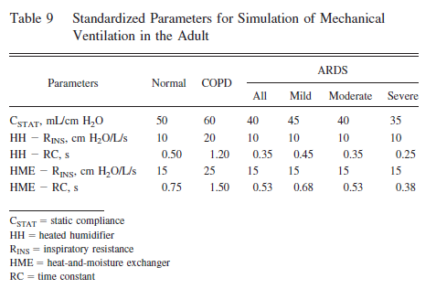
Reference #2
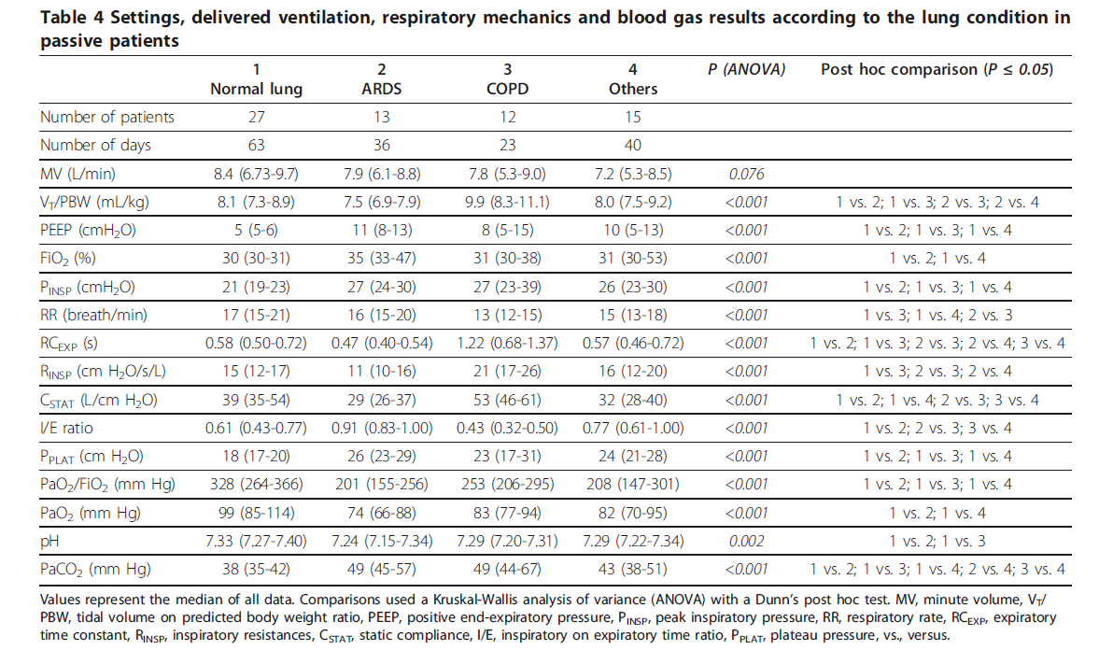
Reference #1

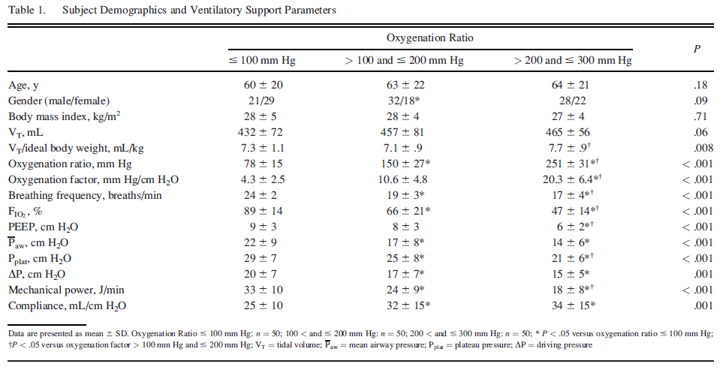
Reference #4

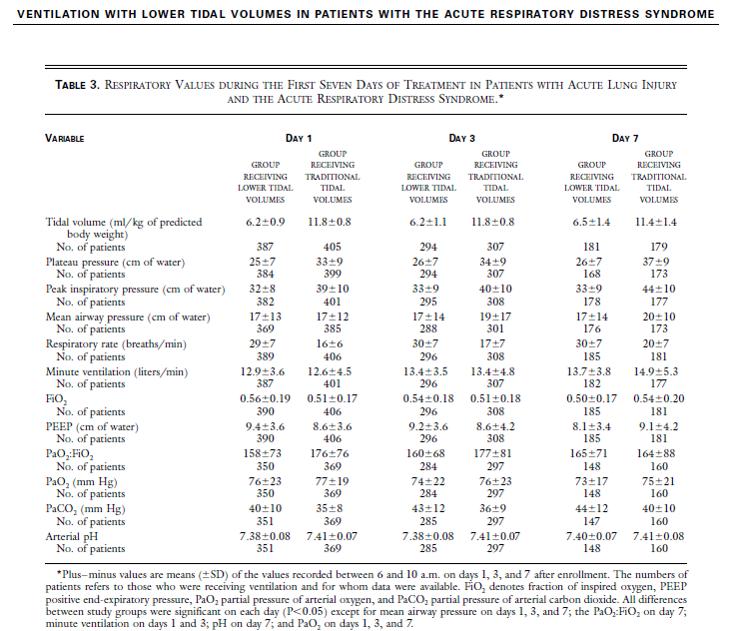
Reference #5

