BOM
Item | Filename | Thumbnail | BOM Structure | Unit QTY | QTY
1 | 3DP_ASA_Top_Disc_Bottom_Half.ipt | 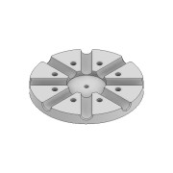 | Normal | Each | 1
2 | CUT_COPPER_Top_Disc_1,5mm_Connecting_Wire.ipt | 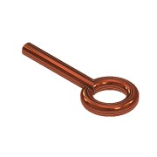 | Normal | Each | 8
3 | ISO 7380-1 - M4 x 10.ipt | 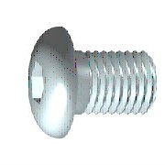 | Purchased | Each | 16
4 | CUT_ALU_10x284mm_Rod.ipt | 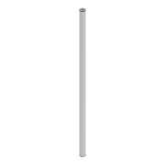 | Normal | Each | 8
5 | 3DP_ASA_Rod_End_Cap.ipt | 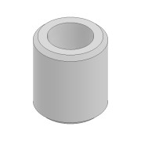 | Normal | Each | 16
6 | 3DP_ASA_Top_Disc_Top_Half.ipt |  | Normal | Each | 1
7 | 3DP_ASA_Bottom_Cone_Bottom_Half.ipt | 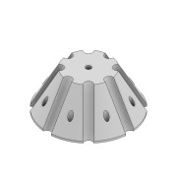 | Normal | Each | 1
8 | 3DP_ASA_Bottom_Cone_Top_Half.ipt | 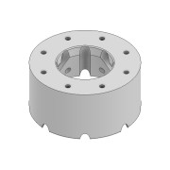 | Normal | Each | 1
9 | CUT_ALU_10x800mm_Rod.ipt |  | Normal | Each | 8
10 | CUT_COPPER_Bottom_Cone_1,5mm_Connecting_Wire.ipt | 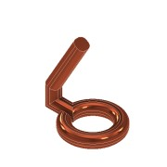 | Normal | Each | 8
11 | CUT_FR4_Bottom_Cone_PCB.ipt | 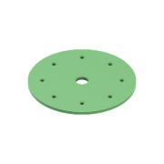 | Purchased | Each | 1
12 | COTS_CarbonCenter_Fiberglass_30x28x2000mm_Pipe.ipt |  | Normal | Each | 1
13 | 3DP_ASA_Mast_Mount.ipt | 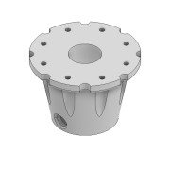 | Normal | Each | 1
14 | 3DP_ASA_Cone_and_Disc_Mount.ipt | 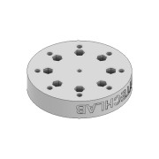 | Normal | Each | 1
15 | DIN 934 - M5 x 0,8.ipt | 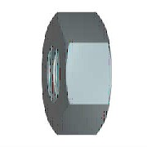 | Purchased | Each | 15
16 | DIN 125 - A 5,3.ipt | 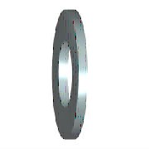 | Purchased | Each | 22
17 | COTS_GENERIC_DIN 912 - M5x80.ipt | 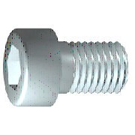 | Purchased | Each | 8
18 | COTS_Dremec_8G206M5X40_M5x40_Nylon_Screw.ipt | 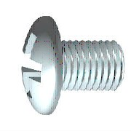 | Purchased | Each | 8
19 | COTS_GENERIC_DIN 912 - M5x60.ipt |  | Purchased | Each | 1
20 | 3DP_ASA_Balcony_Mounting_Clamp_Back.ipt | 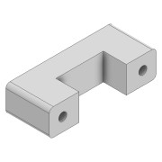 | Normal | Each | 3
21 | 3DP_ASA_Balcony_Mounting_Clamp_Front.ipt | 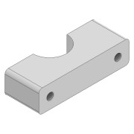 | Normal | Each | 3
22 | 3DP_ASA_Balcony_Mounting_Clamp_Mid.ipt | 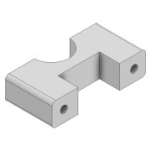 | Normal | Each | 3
23 | COTS_GENERIC_DIN 912 - M5x120.ipt |  | Purchased | Each | 6
24 | COTS_GENERIC_Balcony_Railing.ipt | 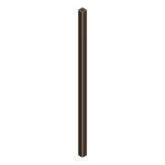 | Normal | Each | 1
25 | 3DP_ASA_Preamp_Case_Bottom.ipt | 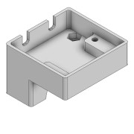 | Normal | Each | 1
26 | COTS_BOSSARD_1386867_M3_Insert.ipt | 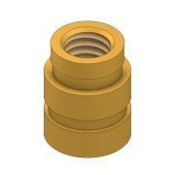 | Normal | Each | 8
27 | 3DP_ASA_Preamp_Case_Top.ipt | 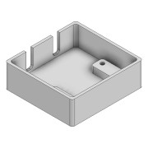 | Normal | Each | 1
28 | DIN 125 - A 3,2.ipt |  | Purchased | Each | 8
29 | ISO 7380-1 - M3 x 16.ipt |  | Purchased | Each | 4
30 | 3DP_ASA_Preamp_Case_Clamp.ipt | 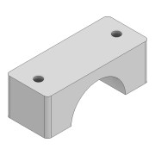 | Normal | Each | 1
31 | DIN 125 - A 4,3.ipt |  | Purchased | Each | 2
32 | COTS_GENERIC_DIN 912 - M4x50.ipt |  | Purchased | Each | 2
33 | DIN 934 - M4 x 0,7.ipt |  | Purchased | Each | 2
34 | 3DP_ASA_Bias_Tee_Case_Bottom.ipt | 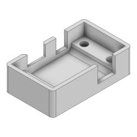 | Normal | Each | 1
35 | 3DP_ASA_Bias_Tee_Case_Top.ipt | 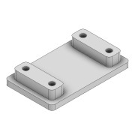 | Normal | Each | 1
36 | ISO 7380-1 - M3 x 12.ipt |  | Purchased | Each | 4
37 | ASSEMBLY_PREAMP_PCB.iam | 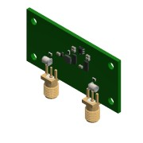 | Purchased | Each | 1
38 | ASSEMBLY_BIAS_TEE_PCB.iam | 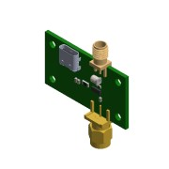 | Purchased | Each | 1
39 | COTS_Pasternack_RG58CU_Coax_Cable.iam | 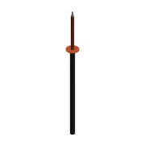 | Purchased | Each | 1
40 | COTS_BOSSARD_B5_BN81_M5_Nylon_Nuts.ipt |  | Purchased | Each | 8

