Report-Ecuador
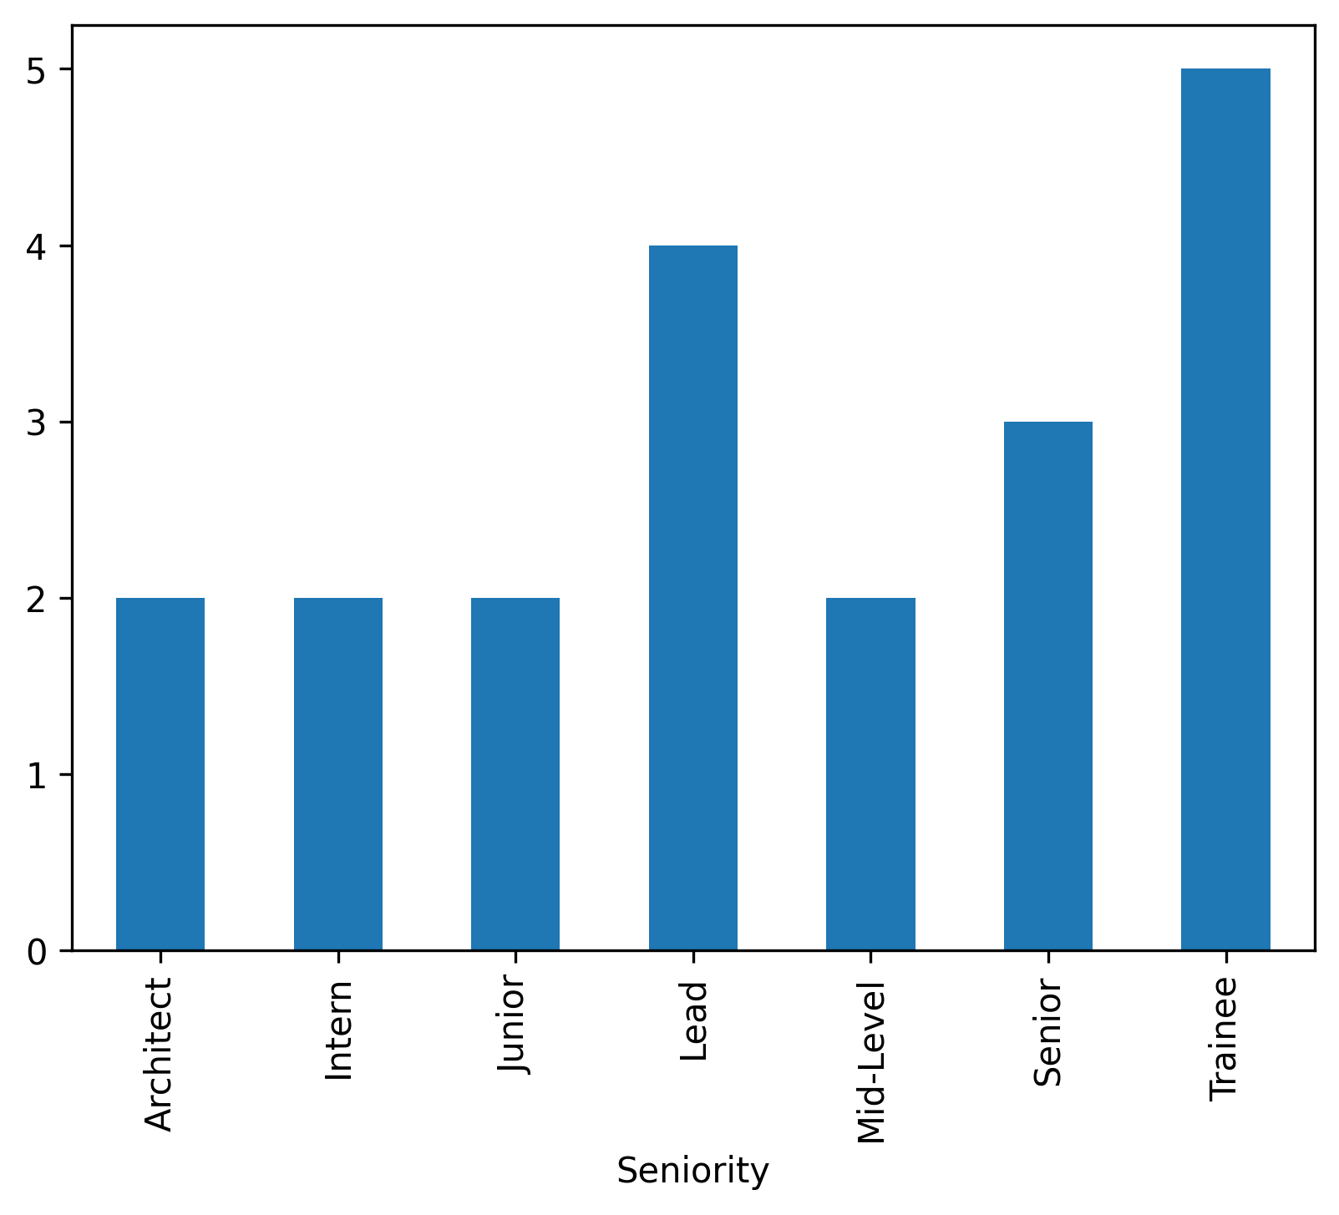
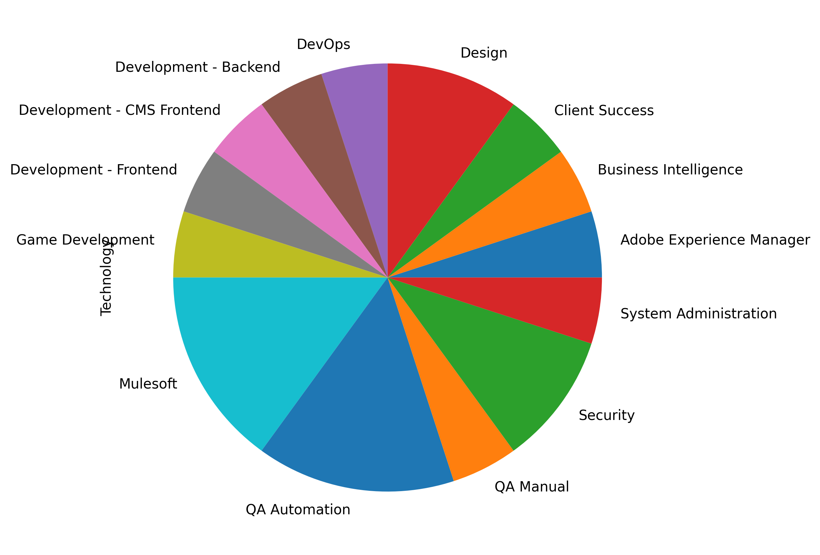
FirstName | LastName | Email | ApplicationDate | Country | YOE | Seniority | Technology | CodeChallengeScore | TechnicalInterviewScore
Agustin | Ledner | marie.herzog74@gmail.com | 2018-09-09 | Ecuador | 10 | Lead | Design | 8 | 8
Fletcher | Corkery | kelvin_jacobi@hotmail.com | 2020-01-23 | Ecuador | 14 | Junior | Game Development | 10 | 8
Camille | Kuphal | antonette.bogisich20@gmail.com | 2021-03-27 | Ecuador | 5 | Trainee | Business Intelligence | 7 | 10
Berniece | Yost | braulio_yost@hotmail.com | 2021-07-25 | Ecuador | 30 | Trainee | System Administration | 8 | 10
Conrad | Toy | alberto74@yahoo.com | 2019-10-26 | Ecuador | 7 | Junior | QA Automation | 8 | 10
Henderson | Thompson | jessie.boyle76@yahoo.com | 2021-09-22 | Ecuador | 2 | Senior | Development - CMS Frontend | 7 | 7
Jessika | O'Connell | marcellus43@yahoo.com | 2021-08-15 | Ecuador | 25 | Lead | Mulesoft | 8 | 7
German | Ritchie | reagan39@gmail.com | 2020-05-28 | Ecuador | 15 | Senior | QA Manual | 8 | 10
Torrance | Bruen | rowena.macgyver@gmail.com | 2022-02-03 | Ecuador | 13 | Lead | Client Success | 7 | 7
Emmet | Jacobson | jordi.weber@hotmail.com | 2019-12-27 | Ecuador | 9 | Trainee | QA Automation | 7 | 10
Jamison | Maggio | angelita.grady@yahoo.com | 2020-07-12 | Ecuador | 29 | Lead | DevOps | 8 | 8
Garnet | Wolff | kelsie10@gmail.com | 2020-07-26 | Ecuador | 13 | Trainee | Design | 7 | 7
Graciela | Maggio | lisa.kiehn82@hotmail.com | 2020-08-11 | Ecuador | 17 | Intern | Mulesoft | 9 | 8
Catalina | McLaughlin | diego_schmeler16@hotmail.com | 2020-06-03 | Ecuador | 13 | Mid-Level | Security | 9 | 10
Asha | Runte | hunter63@yahoo.com | 2021-09-05 | Ecuador | 13 | Intern | Security | 9 | 10
Candace | Reichert | eva_bernier@hotmail.com | 2022-06-05 | Ecuador | 1 | Trainee | Adobe Experience Manager | 7 | 10
Philip | D'Amore | jeffrey_collins@hotmail.com | 2022-04-03 | Ecuador | 11 | Architect | QA Automation | 7 | 10
Candice | Mitchell | nyah17@yahoo.com | 2020-11-03 | Ecuador | 28 | Architect | Development - Backend | 8 | 9
Adah | Pacocha | anika.cole@gmail.com | 2019-02-10 | Ecuador | 11 | Mid-Level | Development - Frontend | 9 | 7
Bertha | Brakus | kaycee_rolfson9@gmail.com | 2020-12-24 | Ecuador | 10 | Senior | Mulesoft | 7 | 10

