Problem 1
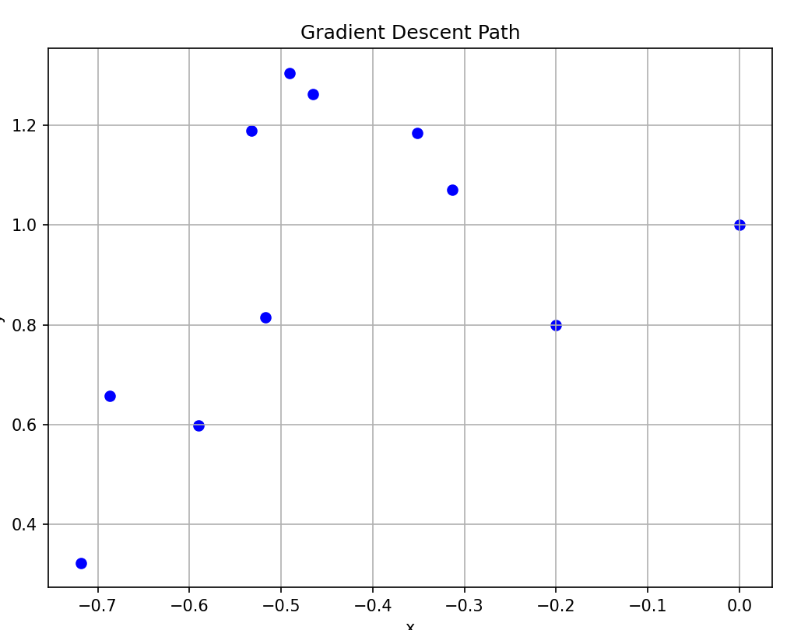
f(x,y) = x4 – x + 2xy – 3y + y4 |  |  |  |  |  |  | Make a scatterplot of the x, y columns for each chart.
 |  |  |  |  |  |  | (Ideally, try to have it show what the process is doing)
 | fx(x, y) =4x^3-1+2y |  | fy(x, y)=2x-3+4y^3
iter | x | y | fx | fy | Learn rate
1 | 0 | 1 | 1 | 1 | -0.2
2 | -0.2 | 0.8 | 0.568 | -1.352
3 | -0.3136 | 1.0704 | 1.0174360822 | 1.2784695747
4 | -0.51708721644 | 0.81470608507 | 0.076378727018 | -1.8711427959
5 | -0.53236296184 | 1.1889346442 | 0.77436065232 | 2.6578224756
6 | -0.6872350923 | 0.65737014913 | -0.98356244477 | -3.2381782382
7 | -0.49052260335 | 1.3050057968 | 1.1379082623 | 4.9088637583
8 | -0.71810425581 | 0.3232330451 | -1.8347638879 | -4.3011234727
9 | -0.35115147823 | 1.1834577396 | 1.1937172314 | 2.9277691855
10 | -0.58989492451 | 0.59790390254 | -0.62526935174 | -3.3248133928

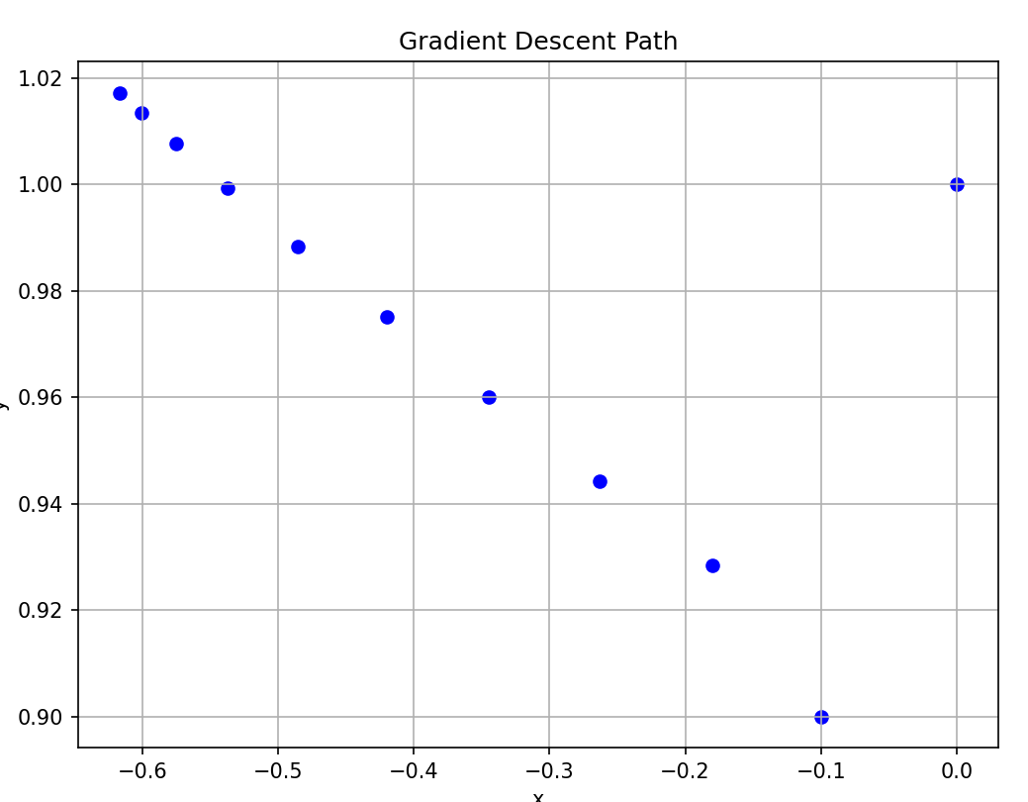
iter | x | y | fx | fy | Learn rate
1 | 0 | 1 | 1 | 1 | -0.1
2 | -0.1 | 0.9 | 0.796 | -0.284
3 | -0.1796 | 0.9284 | 0.83362717466 | -0.15834952678
4 | -0.26296271747 | 0.94423495268 | 0.81573505852 | -0.15848277606
5 | -0.34453622332 | 0.96008323028 | 0.75657348274 | -0.14920790647
6 | -0.42019357159 | 0.97500402093 | 0.65324610064 | -0.13290377422
7 | -0.48551818166 | 0.98829439835 | 0.51878806205 | -0.10986574541
8 | -0.53739698786 | 0.99928097289 | 0.37777057006 | -0.083416098476
9 | -0.57517404487 | 1.0076225827 | 0.25411693344 | -0.058178080015
10 | -0.60058573821 | 1.0134403907 | 0.16034792137 | -0.037709346551

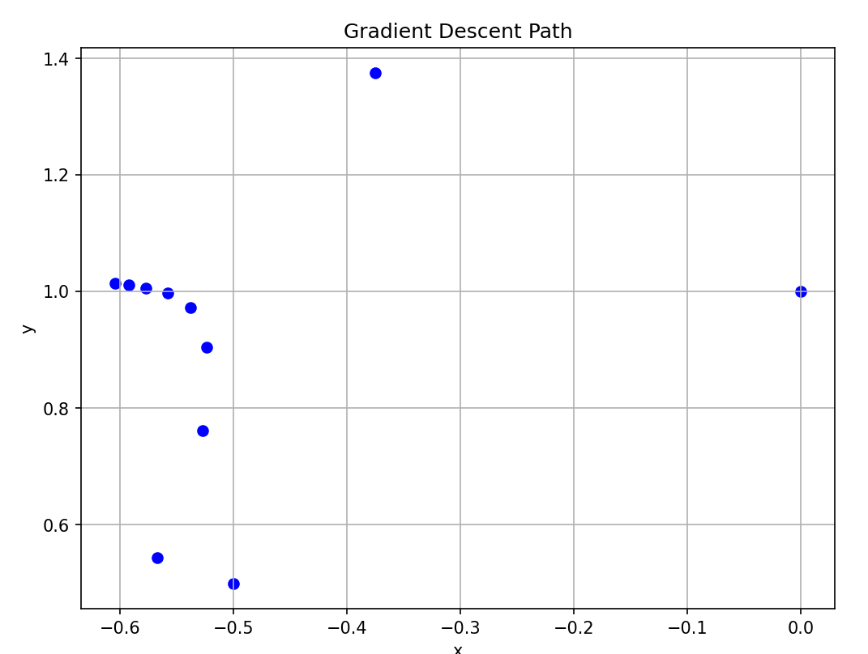
 | coefficient | 0.5
iter | x | y | fx | fy | Learn rate | ∇f(x_n+1, y_n+1) · ∇f(x_n, y_n)
1 | 0 | 1 | 1 | 1 | -0.5 | -4
2 | -0.5 | 0.5 | -0.5 | -3.5 | -0.25 | -24.0390625
3 | -0.375 | 1.375 | 1.5390625 | 6.6484375 | -0.125 | -24.198908586
4 | -0.5673828125 | 0.5439453125 | -0.64272426441 | -3.4910030775 | -0.0625 | 8.012168895
5 | -0.52721254597 | 0.76213300484 | -0.061895370216 | -2.2836952766 | -0.0625 | 2.458964326
6 | -0.52334408534 | 0.90486395963 | 0.23637510024 | -1.0831545153 | -0.0625 | 0.50559717325
7 | -0.5381175291 | 0.97256111683 | 0.32183043937 | -0.39654958257 | -0.0625 | 0.15496414527
8 | -0.55823193156 | 0.99734546575 | 0.29885954158 | -0.14823379038 | -0.0625 | 0.084239042789
9 | -0.57691065291 | 1.0066100776 | 0.24517692286 | -0.073974901319 | -0.0625 | 0.050533323802
10 | -0.59223421059 | 1.011233509 | 0.19158288765 | -0.048146342475 | -0.0625

Problem 4
f(x) = ln(1 + x2)
 |  |  |  | Coefficients |  |  |  |  | x | f(x) | P2(x) | P4(x)
i | xi | yi | denom | a | b | c | Li(x) |  | -1.3 | 0.98954119361 | 0.83169 | 1.433991
0 | -1 | 0.69314718056 | 8 | 0.125 | -0.5 | 0.375 | 0.125x^2 + -0.5x + 0.375 |  | -1.2 | 0.89199803931 | 0.78144 | 1.15104
1 | 1 | 0.69314718056 | -4 | -0.25 | 0.5 | 0.75 | -0.25x^2 + 0.5x + 0.75 |  | -1.1 | 0.79299251553 | 0.73521 | 0.904827
2 | 3 | 2.302585093 | 8 | 0.125 | 0 | -0.125 | 0.125x^2 + 0x + -0.125 |  | -1 | 0.69314718056 | 0.693 | 0.693
 |  |  |  |  |  |  |  |  | -0.9 | 0.59332684528 | 0.65481 | 0.513279
 |  |  |  | a | b | c | P2(x) |  | -0.8 | 0.49469624184 | 0.62064 | 0.363456
 |  |  |  | 0.20117973905 | 0 | 0.49196744151 | 0.201x^2 + 0x + 0.492 |  | -0.7 | 0.39877611996 | 0.59049 | 0.241395
 |  |  |  | 0.20117973905 |  |  |  |  | -0.6 | 0.30748469975 | 0.56436 | 0.145032
 |  |  |  |  |  |  |  |  | -0.5 | 0.22314355131 | 0.54225 | 0.072375
Divided Differences |  |  |  |  |  |  |  |  | -0.4 | 0.14842000512 | 0.52416 | 0.021504
 |  |  |  |  |  |  |  |  | -0.3 | 0.086177696241 | 0.51009 | -0.009429
i | xi | f[xi] | f[xi, xi+1] | f[xi, xi+1, xi+2] |  |  | P2(x) |  | -0.2 | 0.039220713153 | 0.50004 | -0.0222
0 | -1 | 0.69314718056 | 0 | 0.20117973905 |  |  | 0.693 + 0 (x - (-1)) + 0.201 (x - (-1))(x - 1) |  | -0.1 | 0.0099503308532 | 0.49401 | -0.018513
1 | 1 | 0.69314718056 | 0.80471895622 |  |  |  |  |  | 0 | 0 | 0.492 | -5.5511151231E-17
2 | 3 | 2.302585093 |  |  |  |  | | third derivative of f(x) | < 3 |  | 0.1 | 0.0099503308532 | 0.49401 | 0.031779
 |  |  |  |  |  |  | Bounding cubic functions for f(x) |  | 0.2 | 0.039220713153 | 0.50004 | 0.075336
 |  |  |  |  |  |  | P_2(x) + | 1/2*(x-(-1))(x-1)(x-3) | 0.3 | 0.086177696241 | 0.51009 | 0.129255
 |  |  |  |  |  |  | P_2(x) + | (-1)*1/2*(x-(-1))(x-1)(x-3) | 0.4 | 0.14842000512 | 0.52416 | 0.192192
 |  |  |  |  |  |  |  |  | 0.5 | 0.22314355131 | 0.54225 | 0.262875
 |  |  |  |  |  |  |  |  | 0.6 | 0.30748469975 | 0.56436 | 0.340104
 |  |  |  |  |  |  |  |  | 0.7 | 0.39877611996 | 0.59049 | 0.422751
i | xi | f[xi] | f[xi, xi+1] | f[xi, xi+1, xi+2] |  |  | P4(x) |  | 0.8 | 0.49469624184 | 0.62064 | 0.50976
0 | -1 | 0.69314718056 | 0 | 0.20117973905 | -0.16398914717 | 0.029869321132 | 0.693 + |  | 0.9 | 0.59332684528 | 0.65481 | 0.600147
1 | 1 | 0.69314718056 | 0.80471895622 | 0.037190591886 | -0.074381183771 |  | 0 (x - (-1)) + |  | 1 | 0.69314718056 | 0.693 | 0.693
2 | 3 | 2.302585093 | 0.76752836433 | -0.037190591886 |  |  | 0.201 (x - (-1))(x - 1) + |  | 1.1 | 0.79299251553 | 0.73521 | 0.787479
3 | 0 | 0 | 0.80471895622 |  |  |  | -0.164 (x - (-1))(x - 1)(x - 3) + |  | 1.2 | 0.89199803931 | 0.78144 | 0.882816
4 | 2 | 1.6094379124 |  |  |  |  | 0.03 (x - (-1))(x - 1)(x - 3)(x - 0) |  | 1.3 | 0.98954119361 | 0.83169 | 0.978315
 |  |  |  |  |  |  |  |  | 1.4 | 1.0851892683 | 0.88596 | 1.073352
Interpolation of ln(1+x^2)
 |  |  |  |  |  |  | | fifth derivative of f(x) | < 40 |  | 1.5 | 1.1786549963 | 0.94425 | 1.167375
 |  |  |  |  |  |  | Bounding quintic functions for f(x) |  | 1.6 | 1.2697605449 | 1.00656 | 1.259904
 |  |  |  |  |  |  | P_4(x) + | 1/3(x-(-1))(x-1)(x-3)x(x-2) | 1.7 | 1.3584091576 | 1.07289 | 1.350531
 |  |  |  |  |  |  | P_4(x) + | (-1)*1/3(x-(-1))(x-1)(x-3)x(x-2) | 1.8 | 1.4445632692 | 1.14324 | 1.43892
 |  |  |  |  |  |  |  |  | 1.9 | 1.528227857 | 1.21761 | 1.524807
 |  |  |  |  |  |  |  |  | 2 | 1.6094379124 | 1.296 | 1.608
 |  |  |  |  |  |  |  |  | 2.1 | 1.6882490929 | 1.37841 | 1.688379
 |  |  |  |  |  |  |  |  | 2.2 | 1.7647307968 | 1.46484 | 1.765896
 |  |  |  |  |  |  |  |  | 2.3 | 1.8389610707 | 1.55529 | 1.840575
 |  |  |  |  |  |  |  |  | 2.4 | 1.9110228901 | 1.64976 | 1.912512
 |  |  |  |  |  |  |  |  | 2.5 | 1.9810014689 | 1.74825 | 1.981875
 |  |  |  |  |  |  |  |  | 2.6 | 2.0489823342 | 1.85076 | 2.048904
 |  |  |  |  |  |  |  |  | 2.7 | 2.1150499691 | 1.95729 | 2.113911
 |  |  |  |  |  |  |  |  | 2.8 | 2.1792868766 | 2.06784 | 2.17728
 |  |  |  |  |  |  |  |  | 2.9 | 2.2417729536 | 2.18241 | 2.239467
 |  |  |  |  |  |  |  |  | 3 | 2.302585093 | 2.301 | 2.301
 |  |  |  |  |  |  |  |  | 3.1 | 2.3617969526 | 2.42361 | 2.362479
 |  |  |  |  |  |  |  |  | 3.2 | 2.4194788445 | 2.55024 | 2.424576
 |  |  |  |  |  |  |  |  | 3.3 | 2.4756977107 | 2.68089 | 2.488035

Problem 5
f(x) = arctan(x)
 |  |  |  |  |  | x | f(x) | P(x)
xi | f(xi) | f'(xi) |  |  |  | -0.3 | -0.29145679448 | -0.311043
0 | 0 | 1 |  |  |  | -0.25 | -0.24497866313 | -0.257890625
1 | 0.7853981634 | 0.5 |  |  |  | -0.2 | -0.19739555985 | -0.205192
 |  |  |  |  |  | -0.15 | -0.14888994761 | -0.153000375
zi | f[zi] | f[zi, zi+1] | f[zi, zi+1, zi+2] |  | P(x) | -0.1 | -0.099668652491 | -0.101369
0 | 0 | 1 | -0.2146018366 | -0.070796326795 | 0 + | -0.05 | -0.049958395722 | -0.050351125
0 | 0 | 0.7853981634 | -0.2853981634 |  | 1 (x - 0) + | 0 | 0 | 0
1 | 0.7853981634 | 0.5 |  |  | -0.215 (x - 0)^2 + | 0.05 | 0.049958395722 | 0.049631125
1 | 0.7853981634 |  |  |  | -0.071 (x - 0)^2 (x - 1) | 0.1 | 0.099668652491 | 0.098489
 |  |  |  |  |  | 0.15 | 0.14888994761 | 0.146520375
Interpolation of arctan(x)
 |  |  |  |  |  | 0.2 | 0.19739555985 | 0.193672
 |  |  |  |  |  | 0.25 | 0.24497866313 | 0.239890625
 |  |  |  |  |  | 0.3 | 0.29145679448 | 0.285123
 |  |  |  |  |  | 0.35 | 0.33667481939 | 0.329315875
 |  |  |  |  |  | 0.4 | 0.38050637711 | 0.372416
 |  |  |  |  |  | 0.45 | 0.42285392613 | 0.414370125
 |  |  |  |  |  | 0.5 | 0.463647609 | 0.455125
 |  |  |  |  |  | 0.55 | 0.50284321093 | 0.494627375
 |  |  |  |  |  | 0.6 | 0.54041950027 | 0.532824
 |  |  |  |  |  | 0.65 | 0.57637522059 | 0.569661625
 |  |  |  |  |  | 0.7 | 0.61072596439 | 0.605087
 |  |  |  |  |  | 0.75 | 0.64350110879 | 0.639046875
 |  |  |  |  |  | 0.8 | 0.67474094222 | 0.671488
 |  |  |  |  |  | 0.85 | 0.70449406424 | 0.702357125
 |  |  |  |  |  | 0.9 | 0.73281510179 | 0.731601
 |  |  |  |  |  | 0.95 | 0.75976275488 | 0.759166375
 |  |  |  |  |  | 1 | 0.7853981634 | 0.785
 |  |  |  |  |  | 1.05 | 0.80978357257 | 0.809048625
 |  |  |  |  |  | 1.1 | 0.83298126667 | 0.831259
 |  |  |  |  |  | 1.15 | 0.85505273713 | 0.851577875
 |  |  |  |  |  | 1.2 | 0.8760580506 | 0.869952
 |  |  |  |  |  | 1.25 | 0.89605538457 | 0.886328125
 |  |  |  |  |  | 1.3 | 0.91510070055 | 0.900653

