Planner
Confederation College
GPA PLANNER
Major : Computer Programmer

Summary (You have to meet both GPA and Required hour creadit for graduation)

Current GPA (1.6) / Outstanding GPA (2.0) |  | -0.38 | You need to Increase your GPA 0.38 for graduation

Required Hours : 420 /1350 hours |  | 420 | You need to obtain 420 more creadit hours for graduration

Passed
Passed, but low grade
Failed
Requirement | Total Creadit Hours | Earned Hours | Requried Hours
Major | 1197 | 777.0 | 420
Elective | 132 | 132.0 | 0
TOTAL | 1329 | 909 | 420

Course title | Enter Percentage Grade | Passed | Numeric Grade | Letter Grade | Credit Hours | Quality Points | Term | Percentage grade | Letter Grade | Numeric Grade
Persuasive Writing | 79.2 | Passed | 3.0 | B | 45 | 135 | 1 | 0 | F | 0.0
Critical Thinking & Analysis I | 79.2 | Passed | 3.0 | B | 45 | 135 | 1 | 50 | D | 1.0
OOP with NET I | 99.0 | Passed | 4.0 | A | 45 | 180 | 1 | 60 | C | 2.0
Web Programming & Design | 97.0 | Passed | 4.0 | A | 45 | 180 | 1 | 70 | B | 3.0
General Elective 1 | 50.0 | Passed | 1.0 | D | 45 | 45 | 1 | 80 | A | 4.0
General Elective 2 | 50.0 | Passed | 1.0 | D | 45 | 45 | 1
OOP with Net II | 61.0 | Passed | 2.0 | C | 45 | 90 | 2
Event-driven Programming .NET | 80.0 | Passed | 4.0 | A | 45 | 180 | 2
Advanced Web Applications | 49.0 | Failed | 0.0 | F | 45 | 0 | 2
Database Design and SQL | 50.0 | Passed | 1.0 | D | 45 | 45 | 2
User Experience Theory | 70.0 | Passed | 3.0 | B | 45 | 135 | 2
Communications for Technology | 59.0 | Passed | 1.0 | D | 45 | 45 | 2
Mathematics I | 70.0 | Passed | 3.0 | B | 75 | 225 | 2
Design Patterns and Testing | 59.0 | Passed | 1.0 | D | 42 | 42 | 3
Critical Thinking & Analysis II | 59.0 | Passed | 1.0 | D | 42 | 42 | 3
Req Analysis and Process Modelling | 90.0 | Passed | 4.0 | A | 42 | 168 | 3
Software Config Management | 50.0 | Passed | 1.0 | D | 42 | 42 | 3
ASP.NET | 100.0 | Passed | 4.0 | A | 42 | 168 | 3
General Elective 3 | 100.0 | Passed | 4.0 | A | 42 | 168 | 3
OOP with JAVA | 50.0 | Passed | 1.0 | D | 42 | 42 | 3
Mobile Computing | 50.0 | Passed | 1.0 | D | 45 | 45 | 4
Major Project |  | Required |  |  | 45 |  | 4
OO Analysis and Design |  | Required |  |  | 45 |  | 4
Open Source Programming |  | Required |  |  | 45 |  | 4
Preparing for the Workplace |  | Required |  |  | 45 |  | 4
CP Work Placement |  | Required |  |  | 150 |  | 4
Networks and Data Security |  | Required |  |  | 45 |  | 4
Avg, GPA, Sum, Sum | 69.1 |  | 1.62 |  | 1329 | 2157

ListControl
2
1
3
Confederation College
GPA PLANNER
Major : Computer Programmer

4
5
Summary (You have to meet both GPA and Required hour creadit for graduation)
7
9
Current GPA (1.5) / Outstanding GPA (2.0) |  | -0.48 | You need to Increase your GPA 0.48 for graduation
8
6
10
Required Hours : 552 /1350 hours |  | 552 | You need to obtain 552 more creadit hours for graduration

11
12
Passed
Passed, but low grade
Failed
Requirement | Total Creadit Hours | Earned Hours | Requried Hours
Major | 1197 | 690.0 | 507
Elective | 132 | 87.0 | 45
TOTAL | 1329 | 777 | 552
15
17
18
19
20
21
13
14
16
Course title | Enter Percentage Grade | Passed | Numeric Grade | Letter Grade | Credit Hours | Quality Points | Term | Percentage grade | Letter Grade | Numeric Grade
Persuasive Writing | 79.2 | Passed | 3.0 | B | 45 | 135 | 1 | 0 | F | 0.0
Critical Thinking & Analysis I | 79.2 | Passed | 3.0 | B | 45 | 135 | 1 | 50 | D | 1.0
OOP with NET I | 99.0 | Passed | 4.0 | A | 45 | 180 | 1 | 60 | C | 2.0
Web Programming & Design | 97.0 | Passed | 4.0 | A | 45 | 180 | 1 | 70 | B | 3.0
General Elective 1 | 20.0 | Failed | 0.0 | F | 45 | 0 | 1 | 80 | A | 4.0
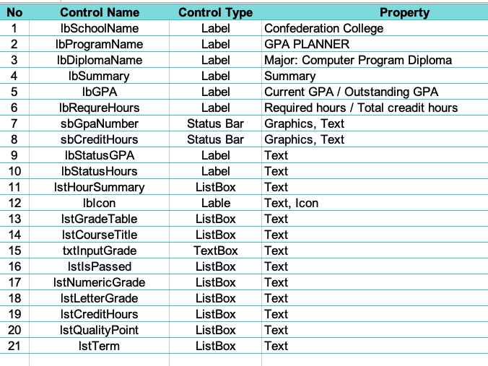
General Elective 2 | 50.0 | Passed | 1.0 | D | 45 | 45 | 1
OOP with Net II | 61.0 | Passed | 2.0 | C | 45 | 90 | 2
Event-driven Programming .NET | 80.0 | Passed | 4.0 | A | 45 | 180 | 2
Advanced Web Applications | 50.0 | Passed | 1.0 | D | 45 | 45 | 2
Database Design and SQL | 40.0 | Failed | 0.0 | F | 45 | 0 | 2
User Experience Theory | 70.0 | Passed | 3.0 | B | 45 | 135 | 2
Communications for Technology | 50.0 | Passed | 1.0 | D | 45 | 45 | 2
Mathematics I | 70.0 | Passed | 3.0 | B | 75 | 225 | 2
Design Patterns and Testing | 59.0 | Passed | 1.0 | D | 42 | 42 | 3
Critical Thinking & Analysis II | 59.0 | Passed | 1.0 | D | 42 | 42 | 3
Req Analysis and Process Modelling | 90.0 | Passed | 4.0 | A | 42 | 168 | 3
Software Config Management | 0.0 | Failed | 0.0 | F | 42 | 0 | 3
ASP.NET | 100.0 | Passed | 4.0 | A | 42 | 168 | 3
General Elective 3 | 100.0 | Passed | 4.0 | A | 42 | 168 | 3
OOP with JAVA | 50.0 | Passed | 1.0 | D | 42 | 42 | 3
Mobile Computing |  | Required |  |  | 45 |  | 4
Major Project |  | Required |  |  | 45 |  | 4
OO Analysis and Design |  | Required |  |  | 45 |  | 4
Open Source Programming |  | Required |  |  | 45 |  | 4
Preparing for the Workplace |  | Required |  |  | 45 |  | 4
CP Work Placement |  | Required |  |  | 150 |  | 4
Networks and Data Security |  | Required |  |  | 45 |  | 4
Avg, GPA, Sum, Sum | 0.0 |  | 1.52 |  | 1329 | 2025

ListMethod
Confederation College
GPA PLANNER
Major : Computer Programmer

Summary (You have to meet both GPA and Required hour creadit for graduation)

1
2
3
Current GPA (1.5) / Outstanding GPA (2.0) |  | -0.48 | You need to Increase your GPA 0.48 for graduation

4
5
6
Required Hours : 552 /1350 hours |  | 552 | You need to obtain 552 more creadit hours for graduration

7
Passed
Passed, but low grade
Failed
Requirement | Total Creadit Hours | Earned Hours | Requried Hours
Major | 1197 | 690.0 | 507
Elective | 132 | 87.0 | 45
TOTAL | 1329 | 777 | 552
10
11
12
13
14
8
9
15
Course title | Enter Percentage Grade | Passed | Numeric Grade | Letter Grade | Credit Hours | Quality Points | Term | Percentage grade | Letter Grade | Numeric Grade
Persuasive Writing | 79.2 | Passed | 3.0 | B | 45 | 135 | 1 | 0 | F | 0.0
Critical Thinking & Analysis I | 79.2 | Passed | 3.0 | B | 45 | 135 | 1 | 50 | D | 1.0
OOP with NET I | 99.0 | Passed | 4.0 | A | 45 | 180 | 1 | 60 | C | 2.0
Web Programming & Design | 97.0 | Passed | 4.0 | A | 45 | 180 | 1 | 70 | B | 3.0
General Elective 1 | 20.0 | Failed | 0.0 | F | 45 | 0 | 1 | 80 | A | 4.0
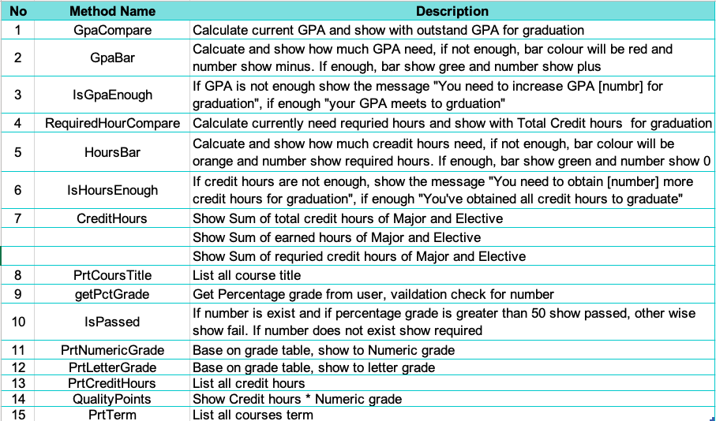
General Elective 2 | 50.0 | Passed | 1.0 | D | 45 | 45 | 1
OOP with Net II | 61.0 | Passed | 2.0 | C | 45 | 90 | 2
Event-driven Programming .NET | 80.0 | Passed | 4.0 | A | 45 | 180 | 2
Advanced Web Applications | 50.0 | Passed | 1.0 | D | 45 | 45 | 2
Database Design and SQL | 40.0 | Failed | 0.0 | F | 45 | 0 | 2
User Experience Theory | 70.0 | Passed | 3.0 | B | 45 | 135 | 2
Communications for Technology | 50.0 | Passed | 1.0 | D | 45 | 45 | 2
Mathematics I | 70.0 | Passed | 3.0 | B | 75 | 225 | 2
Design Patterns and Testing | 59.0 | Passed | 1.0 | D | 42 | 42 | 3
Critical Thinking & Analysis II | 59.0 | Passed | 1.0 | D | 42 | 42 | 3
Req Analysis and Process Modelling | 90.0 | Passed | 4.0 | A | 42 | 168 | 3
Software Config Management | 0.0 | Failed | 0.0 | F | 42 | 0 | 3
ASP.NET | 100.0 | Passed | 4.0 | A | 42 | 168 | 3
General Elective 3 | 100.0 | Passed | 4.0 | A | 42 | 168 | 3
OOP with JAVA | 50.0 | Passed | 1.0 | D | 42 | 42 | 3
Mobile Computing |  | Required |  |  | 45 |  | 4
Major Project |  | Required |  |  | 45 |  | 4
OO Analysis and Design |  | Required |  |  | 45 |  | 4
Open Source Programming |  | Required |  |  | 45 |  | 4
Preparing for the Workplace |  | Required |  |  | 45 |  | 4
CP Work Placement |  | Required |  |  | 150 |  | 4
Networks and Data Security |  | Required |  |  | 45 |  | 4
Avg, GPA, Sum, Sum | 65.2 |  | 1.52 |  | 1329 | 2025

