di-4-ANNEPS
Excitation |  |  |  |  | Di-4-Anepps optimal range
Brightline | 534 | 30 | link |  | 500 | 555

Emission
Brightline | 641 | 75 | link |  | 625 | 714

Dichroic | 580 |  | link | FF580-FDi01

 |  |  |  |  |  |  | LED spectrum | Link

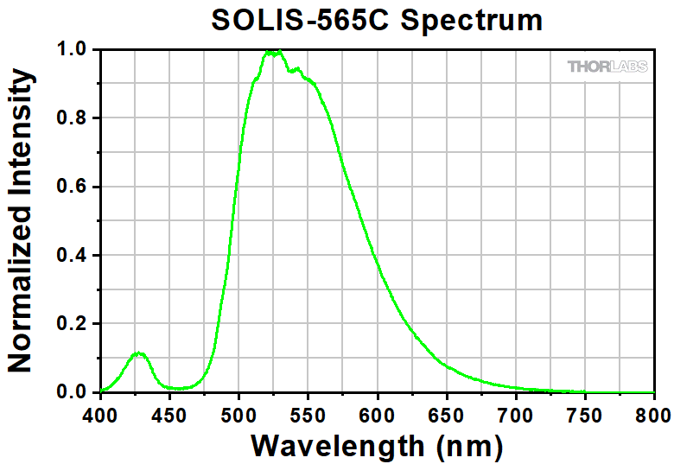
Excitation | 605 | 70
Emmision
Dichroic

 | 59022m | 350 | 1 | 350 | https://www.chroma.com/products/parts/59022m
Chroma | 79001-ET-Fura | 975 | 1 | 975
Thorlabs | M340L5 | 421 | 1 | 421
 | M375L4 | 194 | 1 | 194
 | DSM-2RM | 700 | 2 | 1400
 | Dichroic | 300 | 2 | 600
 | cage plate | 44 | 1 | 44
 | collimator | 33 | 1 | 33
 | solis collim | 30 | 1 | 30
 | LED driver | 527 | 1 | 527

 |  |  |  | 4224

 | https://www.omegafilters.com/product/3648 |  |  |  | For neurobiotin
 | https://www.omegafilters.com/product/3951
 | https://www.chroma.com/products/parts/et645-75m
 | https://www.chroma.com/products/parts/t760lpxr

 | 625 | 775
 | 775
 | 775

