di-4-ANNEPS
Excitation |  |  |  |  | Di-4-Anepps optimal range
Brightline | 534 | 30 | link |  | 500 | 555

Emission
Brightline | 641 | 75 | link |  | 625 | 714

Dichroic | 580 |  | link | FF580-FDi01

 |  |  |  |  |  |  | LED spectrum | Link

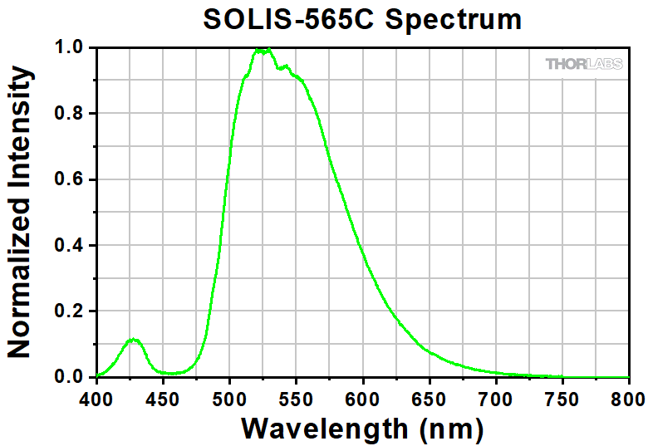
Excitation | 605 | 70
Emmision
Dichroic

 |  |  |  |  | For neurobiotin

