Summary
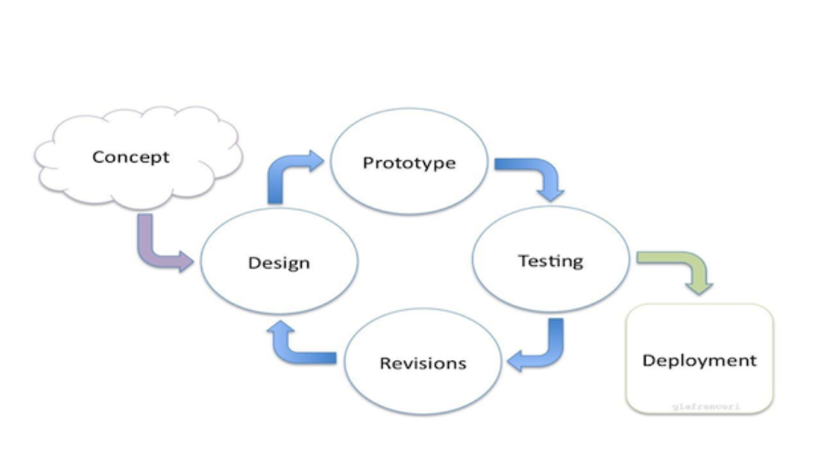

1 | Please update the code for respective use cases
2 | Python code is primary
3 | Java script is secondary

 | References:

 | https://picamera.readthedocs.io/en/release-1.13/api_streams.html

 | 2018-04-22
Read on: | Mpeg Streaming
 | picamera API Usages

