Burn-down-Sprint 1
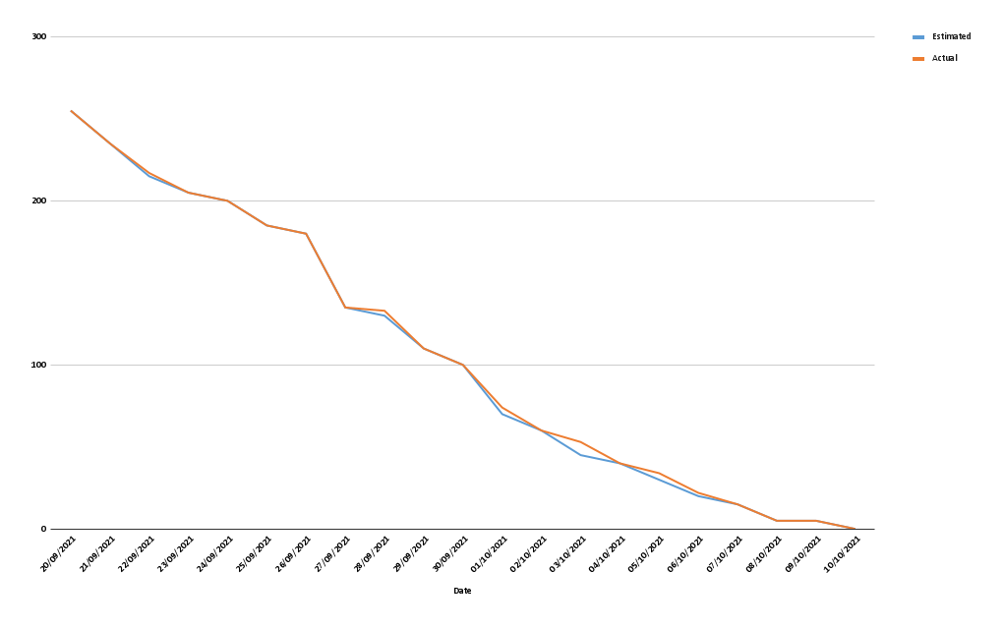
Estimated | Actual | Date
255 | 255 | 20/09/2021
235 | 235 | 21/09/2021
215 | 217 | 22/09/2021
205 | 205 | 23/09/2021
200 | 200 | 24/09/2021
185 | 185 | 25/09/2021
180 | 180 | 26/09/2021
135 | 135 | 27/09/2021
130 | 133 | 28/09/2021
110 | 110 | 29/09/2021
100 | 100 | 30/09/2021
70 | 74 | 01/10/2021
60 | 60 | 02/10/2021
45 | 53 | 03/10/2021
40 | 40 | 04/10/2021
30 | 34 | 05/10/2021
20 | 22 | 06/10/2021
15 | 15 | 07/10/2021
5 | 5 | 08/10/2021
5 | 5 | 09/10/2021
0 | 0 | 10/10/2021

