FFNN2RNN
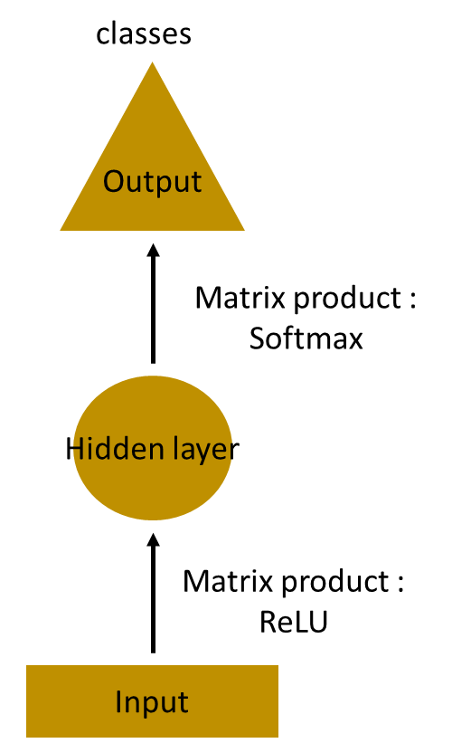
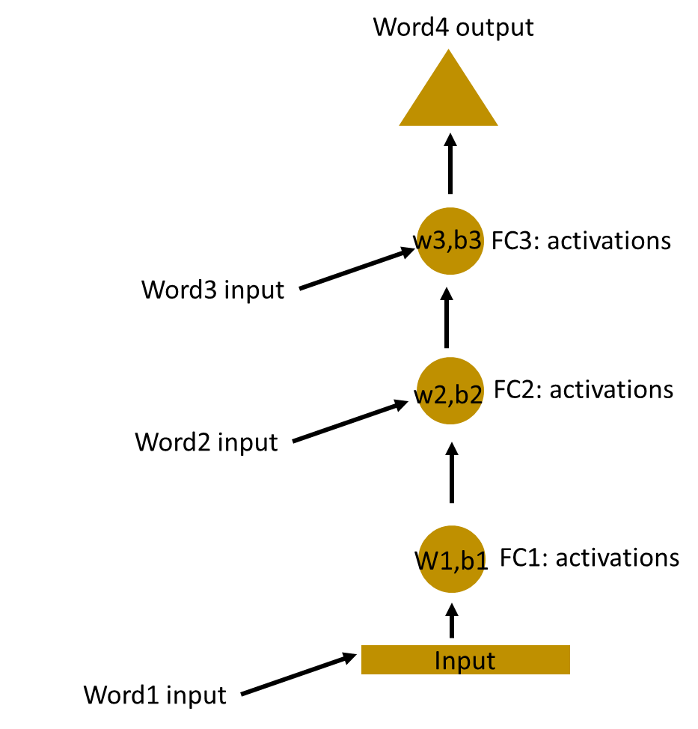


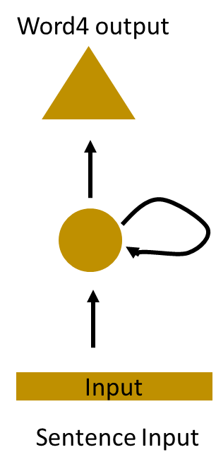

Formulas1
Let’s take a simple task at first. Let’s take a character level RNN where we have a word “Hello”. So we provide the first 4 letters i.e. h,e,l,l and ask the network to predict the last letter i.e.’o’. So here the vocabulary of the task is just 4 letters {h,e,l,o}. In real case scenarios involving natural language processing, the vocabularies include the words in entire wikipedia database, or all the words in a language. Here for simplicity we have taken a very small set of vocabulary.

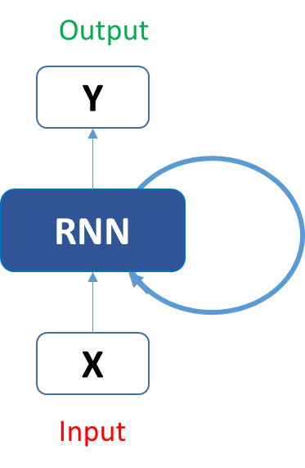

Let’s see how the above structure be used to predict the fifth letter in the word “hello”. In the above structure, the blue RNN block, applies something called as a recurrence formula to the input vector and also its previous state. In this case, the letter “h” has nothing preceding it, let’s take the letter “e”. So at the time the letter “e” is supplied to the network, a recurrence formula is applied to the letter “e” and the previous state which is the letter “h”. These are known as various time steps of the input. So if at time t, the input is “e”, at time t-1, the input was “h”. The recurrence formula is applied to e and h both. and we get a new state.

The formula for the current state can be written as –

Here, Ht is the new state, ht-1 is the previous state while xt is the current input. We now have a state of the previous input instead of the input itself, because the input neuron would have applied the transformations on our previous input. So each successive input is called as a time step.
In this case we have four inputs to be given to the network, during a recurrence formula, the same function and the same weights are applied to the network at each time step.

step7
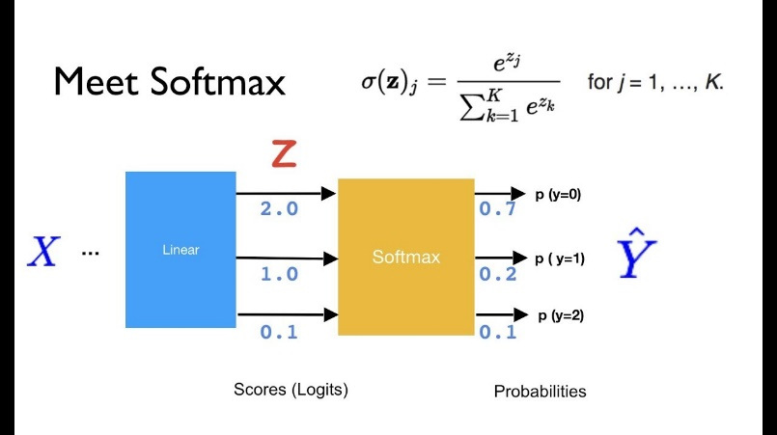
The probability for a particular letter from the vocabulary can be calculated by applying the softmax function. so we shall have softmax(yt)

 |  |  | 1.906074329 |  |  | 0.419748 | h
Classwise probabilities for next letter | = | Softmax ( | 1.1377912745 | ) | = | 0.194682 | e
 |  |  | 0.95666366335 |  |  | 0.162429 | l
 |  |  | 1.2742277168 |  |  | 0.223141 | o

If we convert these probabilities to understand the prediction, we see that the model says that the letter after “e” should be h, since the highest probability is for the letter “h”. Does this mean we have done something wrong? No, so here we have hardly trained the network. We have just shown it two letters. So it pretty much hasn’t learnt anything yet.
Now the next BIG question that faces us is how does Back propagation work in case of a Recurrent Neural Network. How are the weights updated while there is a feedback loop?

step8
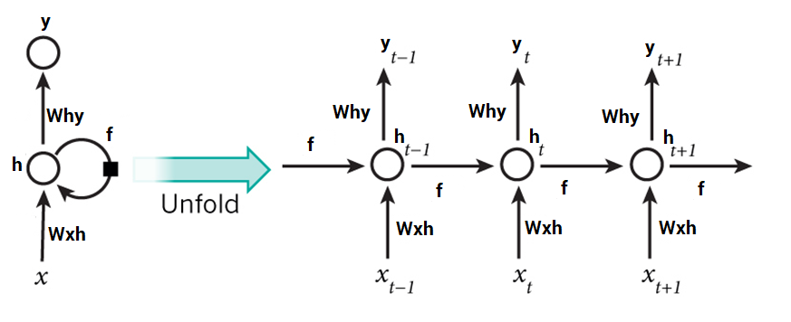
To imagine how weights would be updated in case of a recurrent neural network, might be a bit of a challenge. So to understand and visualize the back propagation, let’s unroll the network at all the time steps. In an RNN we may or may not have outputs at each time step.
In case of a forward propagation, the inputs enter and move forward at each time step. In case of a backward propagation in this case, we are figuratively going back in time to change the weights, hence we call it the Back propagation through time(BPTT).

