Wired
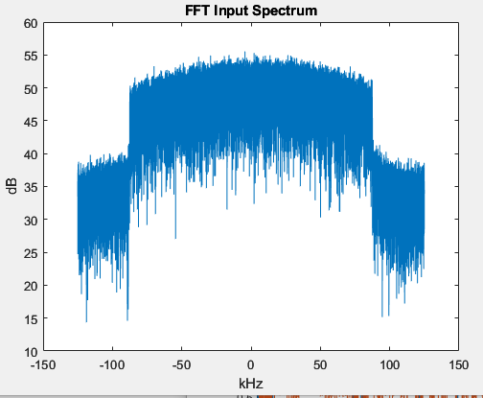
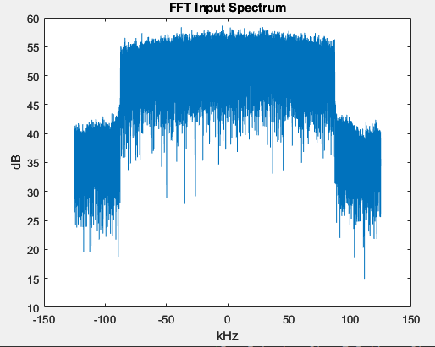
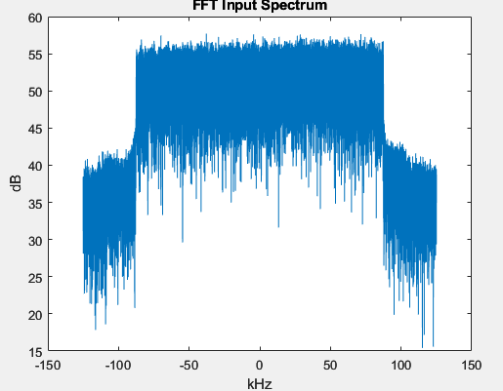
 | Version | NFFT | ModOrder | CP (samples) | ZP (%) | GP (ms) | Ifft Gain (dB) | TX Gain (dB) | Sync Gain (dB) | Avg Pow (dBFS) | Peak Power (dBFS) | PAPR (dB) | 4096 Nfft, 2M, 256 CP, 30% ZP, 5ms GP, -5dB TX gain, -1dB Sync Gain Wired
Max Power: |  |  |  |  |  |  |  | 12.25 | -1 | -11 | -0.00675 | -10.99325 | Rx Gain (dB) | Avg Pow (dBFS) | Peak Power (dBFS) | PAPR (dB) | Triggered OTR | Packet SER (%) | Sync Thresh
 | Old | 4096 | 2 | 256 | 30 | 5 | -4 | -5 | -1 | -45.67 | -17.51187 | -28.15813 | 45 | -25.8 | -9.30364 | 16.49636 | Yes |  | 0x70000
 |  |  |  |  |  |  |  |  |  |  |  |  | 44 | -25.6 | -9.30221 | 16.29779 | Yes |  | 0x70000
 |  |  |  |  |  |  |  |  |  |  |  |  | 43 | -27.4 | -9.41345 | 17.98655 | Yes |  | 0x70000
 |  |  |  |  |  |  |  |  |  |  |  |  | 40 | -30.3 | -9.81959 | 20.48041 | Yes | 0.4189 | 0x70000
 |  |  |  |  |  |  |  |  |  |  |  |  | 39 | -31.36 | -10.2309 | 21.1291 | Yes | 0.3724 | 0x70000
 |  |  |  |  |  |  |  |  |  |  |  |  | 38 | -32.29 | -10.7419 | 21.5481 | Yes | 0.3258 | 0x70000
 |  |  |  |  |  |  |  |  |  |  |  |  | 37 | -33.1 | -11.118 | 21.982 | Yes | 0.512 | 0x70000
 |  |  |  |  |  |  |  |  |  |  |  |  | 36 | -34.1 | -11.6 | 22.5 | No | 0.4189 | 0x70000
 |  |  |  |  |  |  |  |  |  |  |  |  | 35 | -35.1 | -12.15119 | 22.94881 | No | 0.3258 | 0x70000

 | Version | NFFT | ModOrder | CP (samples) | ZP (%) | GP (ms) | Ifft Gain (dB) | TX Gain (dB) | Sync Gain (dB) | Avg Pow (dBFS) | Peak Power (dBFS) | PAPR (dB) | 4096 Nfft, 2M, 256 CP, 30% ZP, 5ms GP, -5dB TX gain, -1dB Sync Gain Wired
Max Power: |  |  |  |  |  |  | -7 | 7.288 | 4.3 | -11.165 | -0.03553 | -11.12947 | Rx Gain (dB) | Avg Pow (dBFS) | Peak Power (dBFS) | PAPR (dB) | Triggered OTR | Packet SER (%) | Sync Thresh
 | Up to date | 4096 | 2 | 256 | 30 | 5

 |  |  |  |  |  |  |  | `

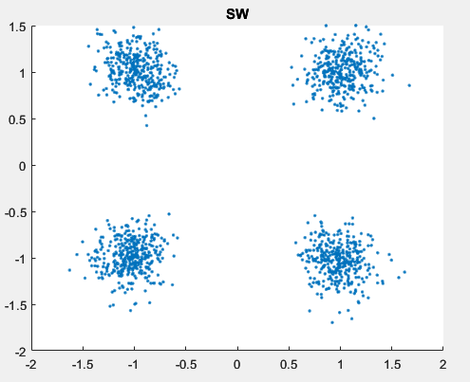
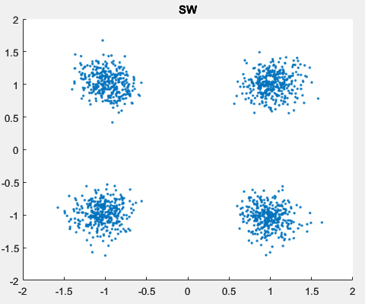
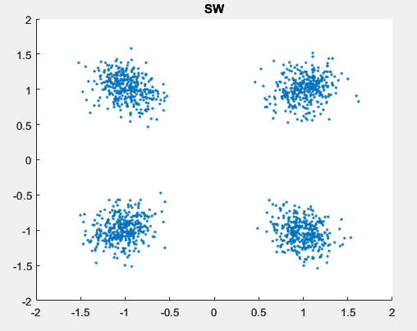
 | Version | NFFT | ModOrder | CP (samples) | ZP (%) | GP (ms) | Ifft Gain (dB) | TX Gain (dB) | Sync Gain (dB) | Avg Pow (dBFS) | Peak Power (dBFS) | PAPR (dB) | 4096 Nfft, 2M, 256 CP, 30% ZP, 5ms GP, -5dB TX gain, -1dB Sync Gain Wired
Max Power: |  |  |  |  |  |  | -7 | 4.915 | 5.7 | -13.7679 | 0.00096 | -13.76886 | Rx Gain (dB) | Avg Pow (dBFS) | Peak Power (dBFS) | PAPR (dB) | Triggered OTR | Packet SER (%) | Sync Thresh | FIR DUC | CIC DUC |  | FIR DUC
 | Up to date | 4096 | 4 | 256 | 30 | 5 |  |  |  |  |  |  |  |  |  |  |  |  |  | CIC DDC | CIC DDC |  | FIR DDC

 | Version | NFFT | ModOrder | CP (samples) | ZP (%) | GP (ms) | Ifft Gain (dB) | TX Gain (dB) | Sync Gain (dB) | Avg Pow (dBFS) | Peak Power (dBFS) | PAPR (dB) | 4096 Nfft, 2M, 256 CP, 30% ZP, 5ms GP, -5dB TX gain, -1dB Sync Gain Wired
Max Power: |  |  |  |  |  |  | -16 | 7.52 | 8.5 | -12.75529 | -0.01506 | -12.74023 | Rx Gain (dB) | Avg Pow (dBFS) | Peak Power (dBFS) | PAPR (dB) | Triggered OTR | Packet SER (%) | Sync Thresh
 | Up to date | 4096 | 8 | 256 | 30 | 5

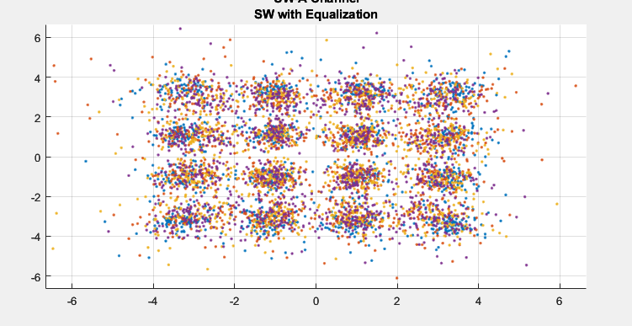
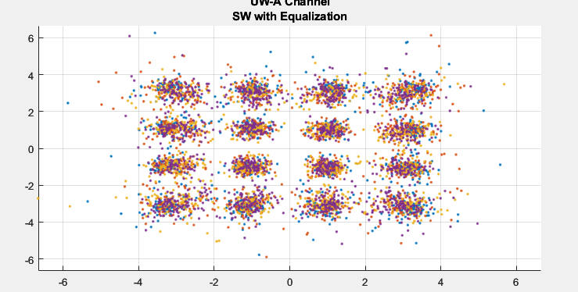
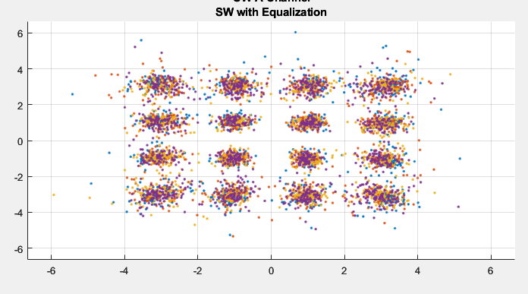
 | Version | NFFT | ModOrder | CP (samples) | ZP (%) | GP (ms) | Ifft Gain (dB) | TX Gain (dB) | Sync Gain (dB) | Avg Pow (dBFS) | Peak Power (dBFS) | PAPR (dB) | 4096 Nfft, 2M, 256 CP, 30% ZP, 5ms GP, -5dB TX gain, -1dB Sync Gain Wired |  |  |  |  |  |  | CIC DUC |  | FIR DUC |  | FIR DUC
Max Power: |  |  |  |  |  |  | -16 | 6.4374 | 9 | -11.45365 | -0.00667 | -11.44698 | Rx Gain (dB) | Avg Pow (dBFS) | Peak Power (dBFS) | PAPR (dB) | Triggered OTR | Packet SER (%) | Sync Thresh | CIC DDC |  | CIC DDC |  | FIR DDC
 | Up to date | 4096 | 16 | 256 | 30 | 5 |  |  |  |  |  |  |  |  |  |  |  |  |  | 0.08169 BER |  | 0.026183 BER |  | 0.016582 BER
 |  |  |  |  |  |  |  |  |  |  |  |  |  |  |  |  |  |  |  | Fc: 275 kHz |  | Fc: 275 kHz |  | Fc: 275 kHz

