Лист1
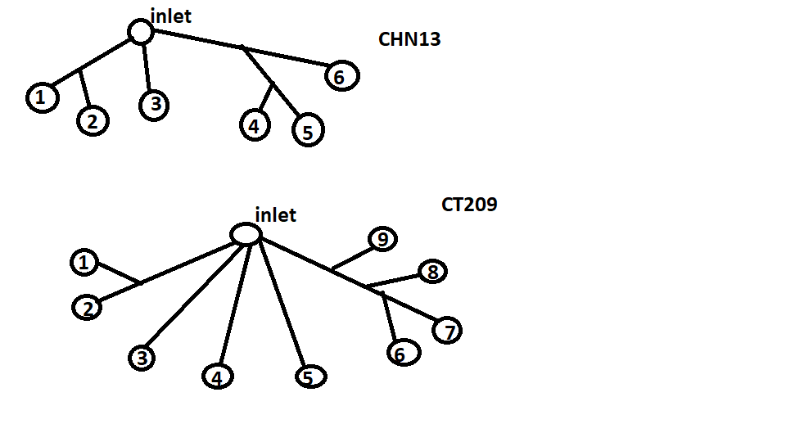
CHN13 | Volumetric flowrate | Mass flowrate | Inlet Static P (pa)=12870
1 | 1.63027E-06 | 0.001728
2 | 9.0554E-07 | 0.000960
3 | 3.67565E-07 | 0.000390
4 | 9.9414E-07 | 0.001054
5 | 1.00783E-06 | 0.001068
6 | 2.26961E-06 | 0.002406

CT209 | Volumetric flowrate | Mass flowrate | Inlet Static P (pa)=12070
1 | 7.666E-07 | 0.000812596
2 | 2.9443E-06 | 0.003120958
3 | 8.56279E-07 | 0.00090765574
4 | 3.4197E-07 | 0.0003624882
5 | 5.8509E-07 | 0.0006201954
6 | 3.5003E-07 | 0.0003710318
7 | 2.95398E-06 | 0.0031312188
8 | 1.517E-09 | 1.60802E-06
9 | 4.4946E-07 | 0.0004764276

