AreaRatio_FlowRatio
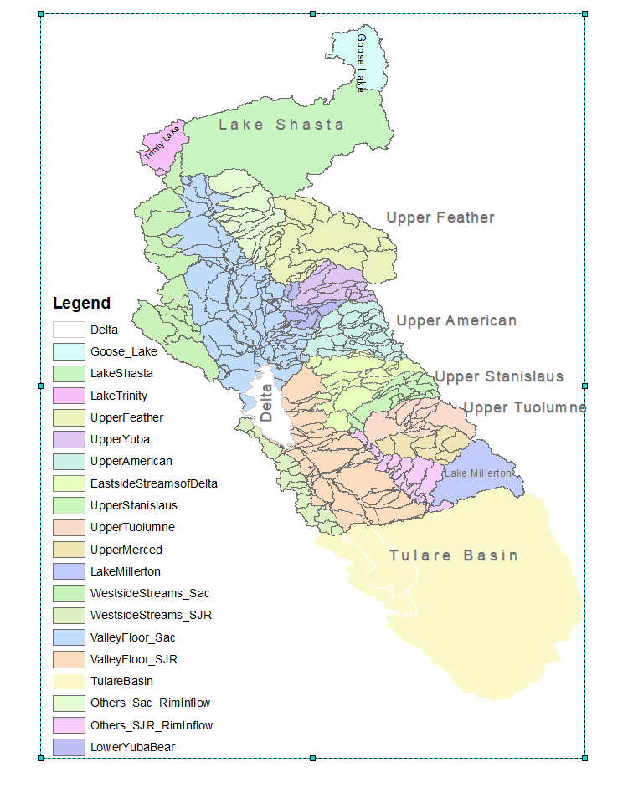

ID | Regions | Acreage | Mean Flow (TAF,1922 to 2020) | Area Ratio | Flow Ratio |  | Unimpaired Flow | TAF
0 | Goose Lake | 696,399 | 0 | 2% | 0% |  | MOK079FNF | 728
1 | LakeShasta-1 | 4,216,609 | 5,571 | 11% | 17% |  | UNIMP_FOLS | 2609
2 | UpperFeather | 2,305,037 | 4,325 | 6% | 14% |  | UNIMP_ME | 953
3 | UpperYuba | 709,791 | 2,194 | 2% | 7% |  | UNIMP_OROV | 4306
4 | UpperAmerican | 1,189,780 | 2,702 | 3% | 8% |  | UNIMP_SHAS | 5569
5 | UpperStanislaus | 637,576 | 1,151 | 2% | 4% |  | UNIMP_SJ | 1713
6 | UpperTuolumne | 980,207 | 1,840 | 3% | 6% |  | UNIMP_SRBB | 8131
7 | UpperMerced | 663,089 | 956 | 2% | 3% |  | UNIMP_ST | 1118
8 | LakeMillerton | 1,048,192 | 1,745 | 3% | 5% |  | UNIMP_TRIN | 1266
9 | EastsideStreams of Delta | 1,356,755 | 1,474 | 3% | 5% |  | UNIMP_TU | 1844
10 | WestsideStreams_Sac | 2,277,139 | 2,474 | 6% | 8% |  | UNIMP_YUBA | 2259
11 | WestsideStreams_SJR | 774,722 | 86 | 2% | 0.3%
12 | ValleyFloor_Sac | 4,576,150 | 2,113 | 12% | 7%
13 | ValleyFloor_SJR | 3,151,894 | 262 | 8% | 1%
14 | TulareBasin | 10,752,166 | 0 | 28% | 0%
15 | LakeTrinity+2 | 460,158 | 1,269 | 1% | 4%
16 | Others_Sac_Riminflow | 1,251,676 | 2,042 | 3% | 6%
17 | Others_SJR_RimInflow | 761,740 | 281 | 2% | 1%
18 | LowerYubaBear RimInflow | 361,732 | 584 | 1% | 2%
19 | Delta | 679,699 | 835 | 2% | 3% | 100%

 | SacBasin | 17,584,313 | 21,420 | 45% | 68%
 | SJRBasin | 8,017,419 | 6,321 | 21% | 20% | 100%
 | EastsideStreams of Delta | 1,356,755 | 1,474 | 3% | 5%
 | Delta | 679,699 | 835 | 2% | 3%
 | LakeTrinity+ | 460,158 | 1,269 | 1% | 4%
 | TulareBasin | 10,752,166 | 0 | 28% | 0%

 | RimWatershed (include Trinity+ and Goose Lake) | 19,690,602 | 28,694 | 51% | 92%
 | ValleyFloor (include Tulare and Delta) | 19,159,908 | 3,209 | 49% | 10%

1: Excluding Goose Lake subwatershed |  |  | 2.Including local inflow to Lake Lewiston

