HELP
How to get what you need out of AD-AN-AWA Register

If you open this in Excel you can very easily sort and select what you need. You can then print that as your custom Schedule. Or just work on it in the Spreadsheet to save printing.
Click on the AD-AN Register Tab below to get the complete list. |  |  | There is also a useful list of links to websites from which to get your ADs etc in the Website List tab.
There are about 2,500 items for every glider in Australia in this sheet. You don't want to look at all of these. But it will quickly and easily select what you want and hide the rest.

If you don't know how to sort follow these pictures: |  | Just click the icon | in the heading to get the drop down list.
Most times you will only select using the |  | column.

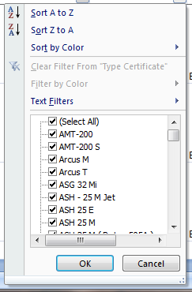
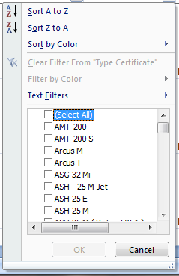
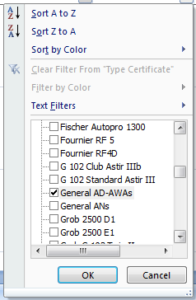
This gives: | Click the (Select All) box |  |  | Select a box of the info you want
 | to unselect all the items: |  |  | eg this gives you all General AD-AWAs

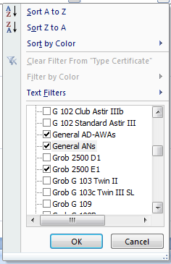
You can even get a list of all ADs and ANs for your glider type.
Just select all the items you want.
eg this gives you all General ADs and ANs and Grob 2500 E1 ADs

You can do this on any column and you can sort them. It deletes nothing and you can get them all back by selecting (Select All) again.
You can use the one spreadsheet for any glider.
You can then select or sort your list further as you like.
Try it. It is very easy and powerful.

