WSH
WoodSpring Suites
Report Projects
Notes: Please make sure all the raw data has been saved in the server before running the projects

01
02
03
04
 | Raw Data Checking Links
 | Download Link | Server Link
 | Email | Transactions_DFA
 | Email | Transactions_Cross-Env
 | GA Raw Data | Transactions_GA
Step 1:
Update Transaction Raw File
- Find the lastest trx_raw file and open it
- Find =+ replace to +
- Fliter out ECRM and sub total
- Ord Value exclude empty
- Exclude revenue lower than $10
- Copy all the data
Step 2:
Update Transaction File
- Find the lastest trx file, copy and rename to current week file, then open it
- Paste data in the transaction tab
- Fill the data around
- Remove duplicate
- Find all the #N/A
Notes: Due to the amount of data, suggest to manuall fill formulas data, remove duplicate and fix #N/A (Alreday applied in the code)
Step 3:
Update Campaign_Wk Tab
- Find latest display file and open it
1. Delete creative not set and sub total
2. Zero out GDN
3. Apply Media IQ weekly cost adjustment
4. Filter out ECRM
5. Copy all the data
- Copy last week report Generator and rename to current week
- Open reportgenerator and paste display data into campaign_wk tab
- Find lastest SEM file and open it
1. Filter out sub total
2. Copy all the data
- Paste SEM data into campaign_wk tab
- Change date
- File rest of data
Notes: Another cost adjustments need to be applied manually
Step 4:
Update All the another Tabs
- Open MTD Display raw data
1. Zero out GDN
2. Apply Media IQ weekly cost adjustment
3. Filterout ECRM and Sub total
4. Copy all the data
- Open MTD SEM raw data, filter out sub total and copy data
- Paste Display and SEM data into MTD tab
- Fill all the data in the MTD tab
- Open cross_env file, copy data and paste on the Cross_Env tab
- Open ECRM file, copy data and paste on the ECRM tab
- Open Attribution file, copy data and paste on the attriibution tab
Notes: sometimes it will cause some problems, double check when its done
 | Email | Display_MTD
 | Email | Display_WK
 | Email | SEM_MTD
 | Email | SEM_WK
 | Attribution_Raw | Attribution
Notes:

PCC
Polynesian Cultural Center
Report Projects
Notes: Please make sure all the raw has been saved in the server before running the projects

01
02
03
04
 | Raw Data Checking Links
 | Download Link | Server Link
 | Email | Transactions_DFA
 | Email | Transactions_Cross-Env
 | Email | Display_WK
Step 1:
Update Transaction File
- Find the lastest trx_raw file and open it
- Find =+ replace to +
- Fliter out ORD value Null and sub total
- Exclude revenue equal to zero
- Copy all the data
- Find the lastest trx file, copy and rename to current week, then open it
- Paste data in the transaction tab
- Fill the rest of the data
- Remove duplicate
- Replace all the #N/A to unavailable
Step 2:
Update Report Generator File
- Copy last week report Generator and rename to current week
- Paste data in the transaction tab and fill the rest of cells
- Find latest display file and open it
1. Delete creative not set and sub total
2. Apply OVB weekly cost adjustment
3. Copy all the data
- Open reportgenerator and paste display data into campaign_wk tab
- Find lastest SEM file and open it
1. Filter out sub total
2. Copy all the data
- Paste SEM data into campaign_wk tab
- Change date
- File the rest of the data
- Open cross_env file, copy data and paste on the Cross_Env tab
- Open Attribution file, copy data and paste on the attriibution tab
Notes: Another cost adjustments need to be applied manually
Step 3: (Only need for monthly report)
Update Campaign_Mth Tab
- Find latest display file and open it
1. Delete creative not set and sub total
2. Zero out GDN
3. Apply monthly cost adjustment
5. Copy all the data
- Copy last week report Generator, rename to current monthly and save it in the monthly reportgenerator folder
- Open reportgenerator and paste display data into campaign_mthtab
- Find lastest SEM file and open it
1. Filter out sub total
2. Copy all the data
- Paste SEM data into campaign_mth tab
- Change date
- File rest of data
- Open Attribution file, copy data and paste on the attriibution mth tab
Notes: Another cost adjustments need to be applied manually
Step 4:
Update Dates
 | Email | SEM_WK
 | Attribution_Raw | Attribution
Notes:

BCPL
Bahamas Paradise Cruise Line
Report Projects
Notes: Please make sure all the raw has been saved in the server before running the projects

01
02
03
04
 | Raw Data Checking Links
 | Download Link | Server Link
 | Email | Transactions_DFA
 | Email | Transactions_Cross-Env
 | Email | Display_WK
Step 1:
Update Transaction File
- Find the lastest trx_raw file and open it
- Find =+ replace to +
- Fliter out ORD value Null and sub total
- Exclude revenue equal to zero
- Copy all the data
- Find the lastest trx file, copy and rename to current week file, then open it
- Paste data in the transaction tab
- Fill the data around
- Remove duplicate
- Replace all the #N/A to unavailable
Step 2:
Update Report Generator File
- Copy last week report Generator and rename to current week
- Paste data in the transaction tab and fill the rest of cells
- Find latest display file and open it
1. Delete creative not set and sub total
2. Apply weekly cost adjustment and zero out / delete GDN display, native publishers
3. Copy all the data
- Open reportgenerator and paste display data into campaign_wk tab
- Find lastest SEM file and open it
1. Filter out sub total
2. Copy all the data
- Paste SEM data into campaign_wk tab
- Change date
- File rest of data
- Open cross_env file, copy data and paste on the Cross_Env tab
- Open Attribution file, copy data and paste on the attriibution tab
- Open MTD Display raw data
1. Zero out GDN
2. Apply Media IQ weekly cost adjustmentF 3. Filterout ECRM and Sub total
4. Copy all the data
- Open SEM raw data, filter out sub total and copy data
- Paste Display and SEM data into MTD tab
- Fill all the data in the MTD tab
- Open cross_env file, copy data and paste on the Cross_Env tab
- Open ECRM file, copy data and paste on the ECRM tab
- Open Attribution file, copy data and paste on the attriibution tab
Notes: sometimes it will cause some problems, double check when its done
Goal:
1. Filters all the dates
2. Automatically save all the raw files in the server
Notes
1. Check GDN zero out code
2. Add zero out code for two native publishers
 | Email | SEM_WK
 | Attribution_Raw | Attribution

VISUAL BASIC CODE
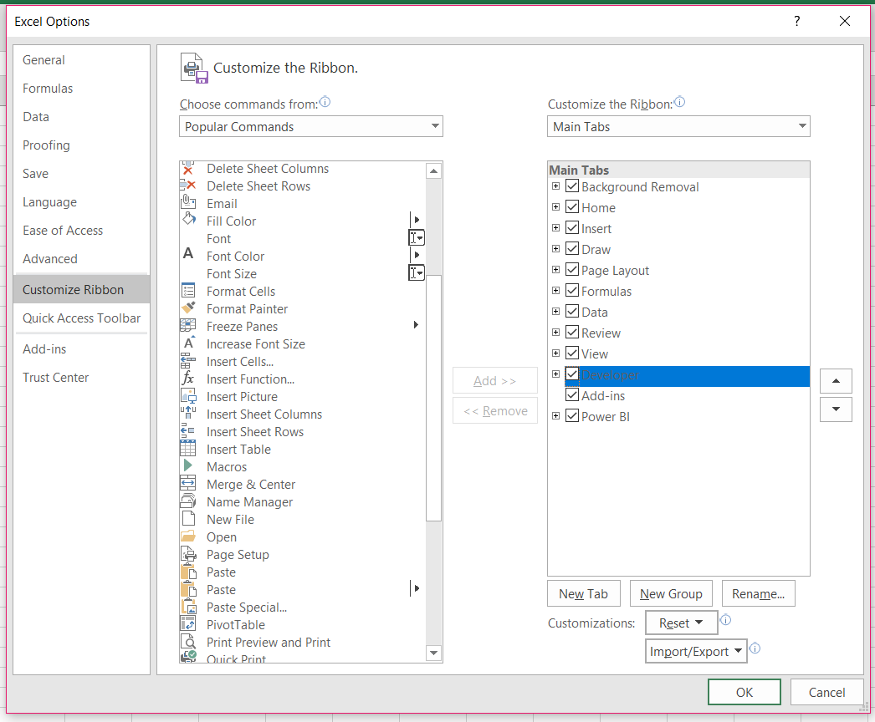

ATTRIBUTION SCREEN SHOT
PCC
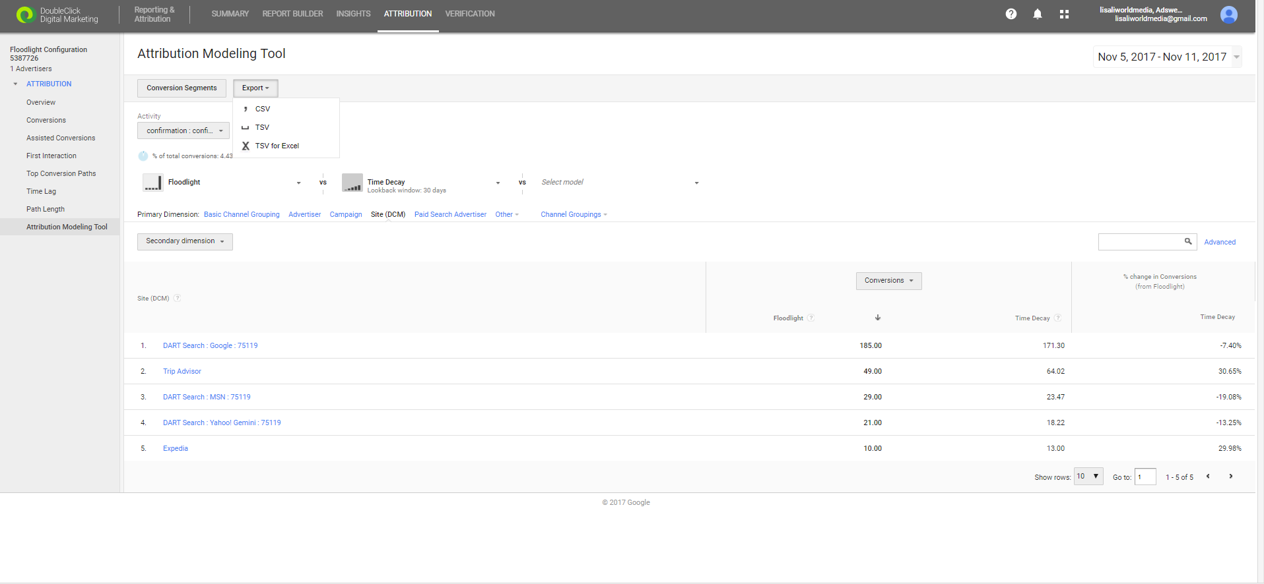

WSH

