Tabelle1
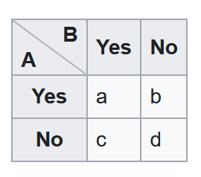
 | Words | Word_replaced | Word_replaced |  | raw | percent | mean_valence | sd_valence | mean_degree | sd_degree | comment_1 | comment_2 | comment_3 | comment_4 | comment_5 | comment_6 | comment_7 | comment_8 | comment_9 | comment_10 | comment_11 | comment_12 | comment_13 | comment_14
3 | A viable solution | A | A |  | 1 | 1.72 | 3 |  | 6 |  | A viable solution to tackle global warming.
4 | abuse of power | B | D |  | 1 | 1.72 | -3 |  | 4
5 | acceptability of SAI | C | E |  | 58 | 100 | 0.01724137931 | 0.57708825408 | 8.7413793103 | 6.6637546574 | the acceptability of the concept. | Could be a good thing to reduce temperatures | depending on agreenment | maybe | Not a solution | Will everyone accept it | Unsure | Is it acceptable? do the benefits outweigh the costs? who decides? what is the cost of not using SAI? what are the benefits? psychologically is it better to do something rather than nothing even if it's not the best option? Does using SIA mean people think it climate warming problem is 'fixed' ? What are the other options/alternatives? what if SIA doesn't work? What is it does work?
6 | Acceptance | Acceptability | Acceptance |  | 1 | 1.72 | -1 |  | 3 |  | May be hard to be accepted by all countries.
7 | acceptance in society | Acceptability | Societal Acceptance |  | 1 | 1.72 | 0 |  | 2
8 | Accountabilty | Accountabilty | Accountabilty |  | 1 | 1.72 | -2 |  | 1 |  | How is the deployment of SAI accountable? and to whom?
9 | accountable for disaster | Accountabilty | Accountabilty |  | 1 | 1.72 | -1 |  | 1 |  | if the worst happens what will the consequences be?

 |  |  | 0.42857142857

 |  |  | R1 | R2 | R3
 |  |  | 1
 |  |  | 0.7 | 1
 |  |  | 0.2 | 0.2 | 1

