Sheet1
File name | Date | Sample ID | Replicate number | Mouse ID | Sex | Age | Genotype | Stress-relaxation 60s | Rate of change of stress 60s | S60 clamped | Hysteresis strain energy per unit volume | Hysteresis % | Average diameter (um) | C.s.a (um squared) | C.s.a (mm squared) | Sample length (mm) | Failure force (N) - corrected | Failure stress (MPa) - corrected | Failure strain (%) - corrected | Failure extension (mm) - corrected | Max modulus (sliding window) | Stress at max modulus (sliding window) | Strain at max modulus (sliding window) | Time at max modulus (s) | Force at max modulus (N) | Displacement at max modulus (mm) | SNR preconditioning | SNR hold | SNR failure | SNR preconditioning pass | SNR hold pass | SNR failure pass | Residual preconditioning | Residual hold | Residual failure | Residual preconditioning pass | Residual hold pass | Residual failure pass | Range preconditioning | Range hold | Range failure | Range preconditioning pass | Range hold pass | Range failure pass | Preconditioning pass | Hold pass | Failure pass | Force-Time plot | Force-Extension plot
210330 MRC Sample A10Data.csv | 30.03.2021 | A | 10 | 156.3 | F | 8wks | Tm1b Wt | 29.191338077 | -0.013137919158 | FALSE | 0.028165367652 | 33.906420755 | 207.4026667 | 33784.58227 | 0.033784582 | 14.331 | 0.172 | 5.091079712 | 4.5565557184 | 0.653 | 151.57676869 | 2.0719510456 | 0.025120368432 | 786.42 | 0.165 | 0.36 | 49.883556761 | 34.060196836 | 55.589619671 | TRUE | TRUE | TRUE | 0.026878687614 | 0.040043216997 | 0.024969885104 | TRUE | TRUE | TRUE | 0.166 | 0.118 | 0.209 | TRUE | TRUE | TRUE | TRUE | TRUE | TRUE | 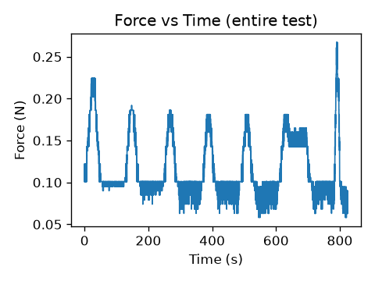 results/test/plots/210330_Sample_A10_force_time.png | 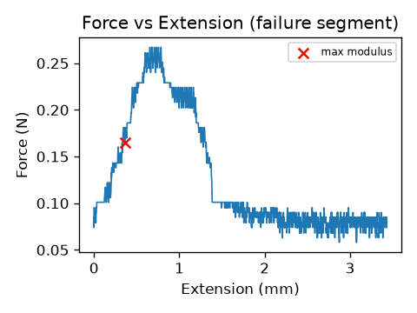 results/test/plots/210330_Sample_A10_force_extension.png
210330 MRC Sample A1Data.csv | 30.03.2021 | A | 1 | 156.3 | F | 8wks | Tm1b Wt | 22.166044736 | -0.015746442902 | FALSE | 0.017229894238 | 32.558360627 | 181.414 | 25848.2699 | 0.02584827 | 14.34 | 0.257 | 9.9426383274 | 5.1255230126 | 0.735 | 379.60050837 | 5.4162232134 | 0.030543933054 | 787.39 | -0.126 | 0.438 | 84.985448432 | 69.108752859 | 106.61430525 | TRUE | TRUE | TRUE | 0.019193302546 | 0.023158413176 | 0.01781724242 | TRUE | TRUE | TRUE | 0.171 | 0.144 | 0.284 | TRUE | TRUE | TRUE | TRUE | TRUE | TRUE | 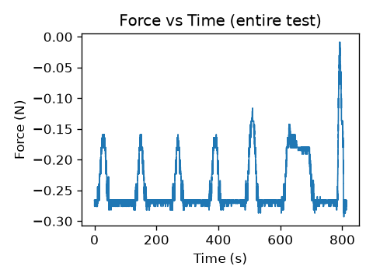 results/test/plots/210330_Sample_A1_force_time.png | 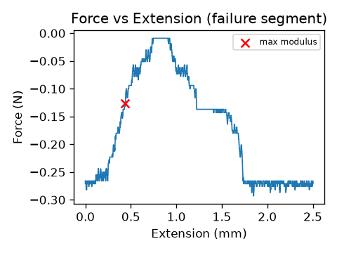 results/test/plots/210330_Sample_A1_force_extension.png
210330 MRC Sample A2Data.csv | 30.03.2021 | A | 2 | 156.3 | F | 8wks | Tm1b Wt | 24.954439255 | -0.024766476015 | FALSE | 0.039596074538 | 33.863703918 | 166.145 | 21680.25737 | 0.021680257 | 14 | 0.611 | 28.182322746 | 13.885714286 | 1.944 | 592.05268226 | 6.9187371718 | 0.026642857143 | 786.68 | 0.197 | 0.373 | 76.015402129 | 54.256640094 | 237.83082138 | TRUE | TRUE | TRUE | 0.020102600642 | 0.030638658474 | 0.008882438524 | TRUE | TRUE | TRUE | 0.198 | 0.15 | 0.627 | TRUE | TRUE | TRUE | TRUE | TRUE | TRUE | 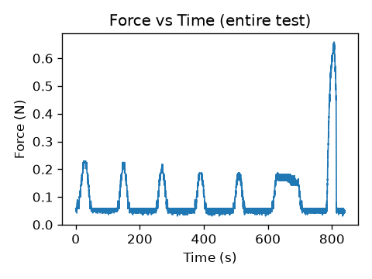 results/test/plots/210330_Sample_A2_force_time.png | 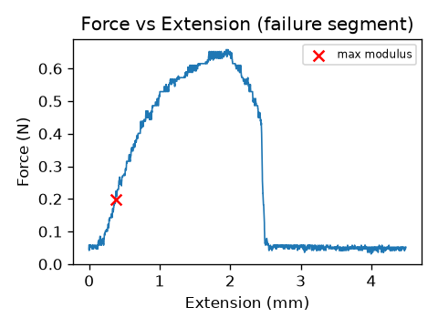 results/test/plots/210330_Sample_A2_force_extension.png
210330 MRC Sample A3Data.csv | 30.03.2021 | A | 3 | 156.3 | F | 8wks | Tm1b Wt | 16.240505845 | -0.019286727191 | FALSE | 0.015539192271 | 21.869453988 | 137.292 | 14804.04323 | 0.014804043 | 14 | 0.493 | 33.301713593 | 7.3928571429 | 1.035 | 853.21830834 | 7.2953043976 | 0.024428571429 | 786.3 | -0.201 | 0.342 | 47.057050677 | 60.592834975 | 188.18373219 | TRUE | TRUE | TRUE | 0.038289314767 | 0.025682186925 | 0.015838679321 | TRUE | TRUE | TRUE | 0.123 | 0.129 | 0.498 | TRUE | TRUE | TRUE | TRUE | TRUE | TRUE | 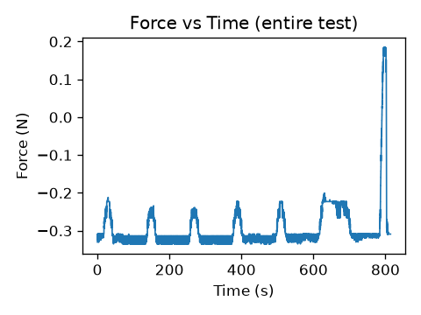 results/test/plots/210330_Sample_A3_force_time.png | 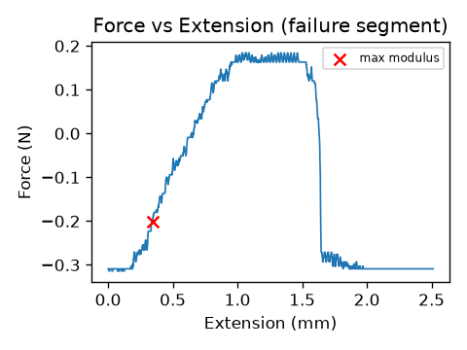 results/test/plots/210330_Sample_A3_force_extension.png
210330 MRC Sample A4Data.csv | 30.03.2021 | A | 4 | 156.3 | F | 8wks | Tm1b Wt | 31.023047407 | -0.033134193468 | FALSE | 0.03389434522 | 29.071435091 | 139.3526667 | 15251.77709 | 0.015251777 | 14.001 | 0.434 | 28.455700605 | 14.163274052 | 1.983 | 574.53608855 | 3.2127403908 | 0.022284122563 | 785.92 | 0.101 | 0.312 | 46.781229392 | 39.815066015 | 148.86448936 | TRUE | TRUE | TRUE | 0.037506044316 | 0.052263565036 | 0.017809519244 | TRUE | TRUE | TRUE | 0.155 | 0.117 | 0.46 | TRUE | TRUE | TRUE | TRUE | TRUE | TRUE | 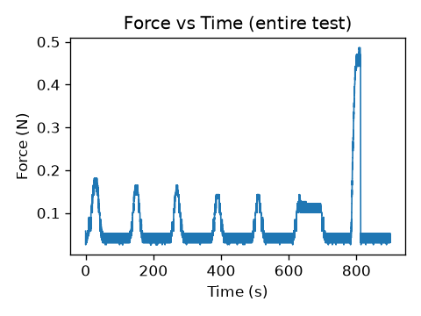 results/test/plots/210330_Sample_A4_force_time.png | 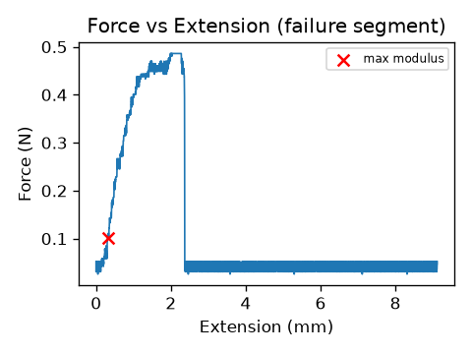 results/test/plots/210330_Sample_A4_force_extension.png
210330 MRC Sample A5Data.csv | 30.03.2021 | A | 5 | 156.3 | F | 8wks | Tm1b Wt | 24.993539776 | -0.02935752962 | FALSE | 0.049632205354 | 46.002416623 | 170.9096667 | 22941.57002 | 0.02294157 | 14.001 | 0.637 | 27.76619037 | 27.912291979 | 3.908 | 751.47007801 | 14.689491608 | 0.10713520463 | 801.16 | -0.009 | 1.5 | 49.854091412 | 59.263124618 | 138.58435719 | TRUE | TRUE | TRUE | 0.029585908164 | 0.027877416392 | 0.028443056793 | TRUE | TRUE | TRUE | 0.192 | 0.192 | 0.642 | TRUE | TRUE | TRUE | TRUE | TRUE | TRUE | 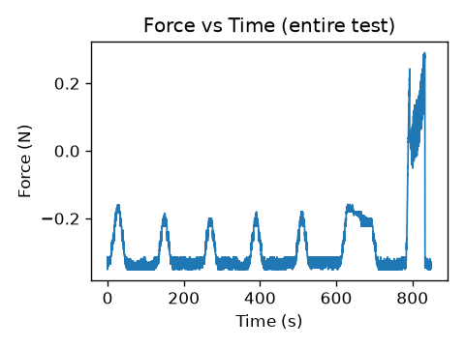 results/test/plots/210330_Sample_A5_force_time.png | 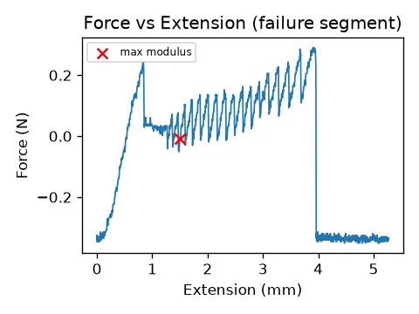 results/test/plots/210330_Sample_A5_force_extension.png
210330 MRC Sample A7Data.csv | 30.03.2021 | A | 7 | 156.3 | F | 8wks | Tm1b Wt | 12.55840052 | -0.01394841825 | FALSE | 0.06272516505 | 45.340273979 | 143.5226667 | 16178.22502 | 0.016178225 | 13.999 | 0.611 | 37.766813108 | 19.101364383 | 2.674 | 747.79764084 | 7.2937544137 | 0.02664476034 | 786.69 | 0.122 | 0.373 | 60.098721421 | 54.092791066 | 215.27086507 | TRUE | TRUE | TRUE | 0.029250748657 | 0.035531659679 | 0.01185420822 | TRUE | TRUE | TRUE | 0.177 | 0.134 | 0.627 | TRUE | TRUE | TRUE | TRUE | TRUE | TRUE | 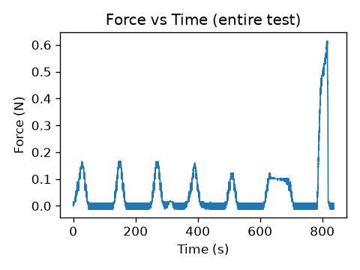 results/test/plots/210330_Sample_A7_force_time.png | 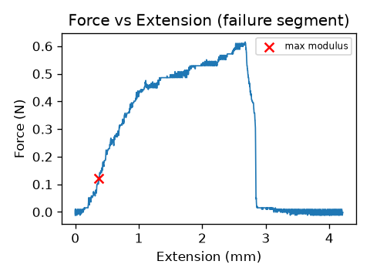 results/test/plots/210330_Sample_A7_force_extension.png
210330 MRC Sample A9Data.csv | 30.03.2021 | A | 9 | 156.3 | F | 8wks | Tm1b Wt | 9.796854026 | -0.015723493755 | FALSE | 0.039392188089 | 29.07179379 | 120.313 | 11368.80961 | 0.01136881 | 14 | 0.568 | 49.96125364 | 13.485714286 | 1.888 | 1044.1438127 | 14.073592575 | 0.030785714286 | 787.43 | 0.202 | 0.431 | 53.195734067 | 57.373674823 | 171.33818223 | TRUE | TRUE | TRUE | 0.035737463609 | 0.034909505422 | 0.020990945241 | TRUE | TRUE | TRUE | 0.16 | 0.139 | 0.579 | TRUE | TRUE | TRUE | TRUE | TRUE | TRUE | 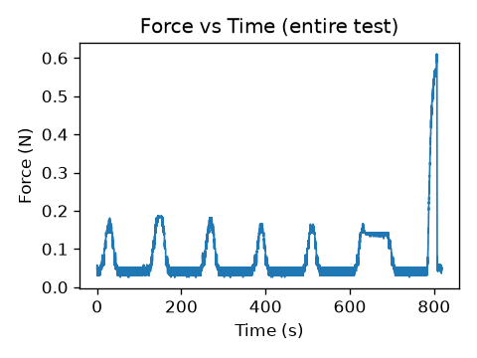 results/test/plots/210330_Sample_A9_force_time.png | 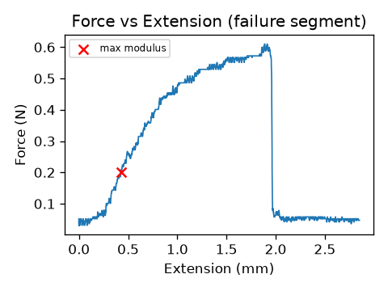 results/test/plots/210330_Sample_A9_force_extension.png
210330 MRC Sample B10Data.csv | 30.03.2021 | B | 10 | 156.5 | F | 8wks | Tm1b Wt | 12.816152751 | -0.001791287918 | FALSE | 0.012493909668 | 15.212474907 | 129.494 | 13170.10307 | 0.013170103 | 14 | 0.386 | 29.308806469 | 8.7214285714 | 1.221 | 730.18183321 | 6.1502935854 | 0.033071428571 | 787.84 | 0.224 | 0.463 | 42.866958369 | 11.198211324 | 158.60809833 | TRUE | TRUE | TRUE | 0.040916044841 | 0.10632300906 | 0.012221010207 | TRUE | FALSE | TRUE | 0.08 | 0.038 | 0.396 | TRUE | TRUE | TRUE | TRUE | FALSE | TRUE | 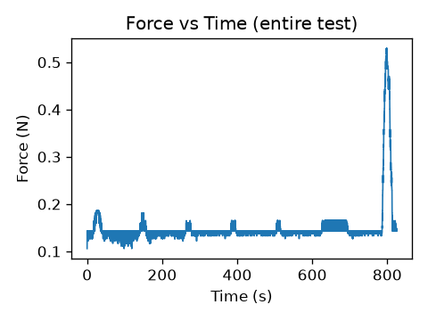 results/test/plots/210330_Sample_B10_force_time.png | 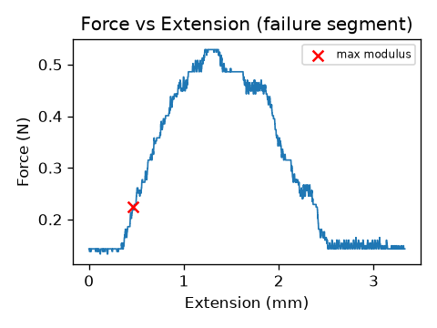 results/test/plots/210330_Sample_B10_force_extension.png
210330 MRC Sample B1Data.csv | 30.03.2021 | B | 1 | 156.5 | F | 8wks | Tm1b Wt | 12.950982019 | -0.0072248002336 | FALSE | 0.027614697228 | 33.053471051 | 179.37 | 25269.08392 | 0.025269084 | 14 | 0.199 | 7.8752359998 | 4.8428571429 | 0.678 | 259.41561025 | 4.2739974271 | 0.03 | 787.29 | 0.176 | 0.42 | 31.430957858 | 42.277065695 | 64.872174091 | TRUE | TRUE | TRUE | 0.046697871809 | 0.05202917151 | 0.02720685986 | TRUE | TRUE | TRUE | 0.128 | 0.107 | 0.209 | TRUE | TRUE | TRUE | TRUE | TRUE | TRUE | 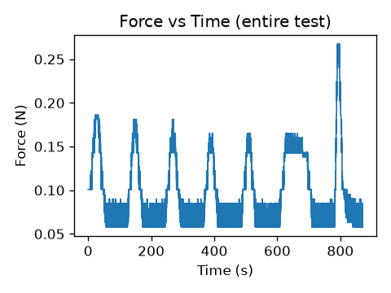 results/test/plots/210330_Sample_B1_force_time.png | 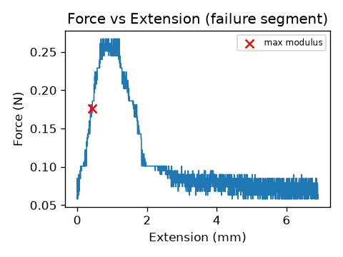 results/test/plots/210330_Sample_B1_force_extension.png
210330 MRC Sample B2Data.csv | 30.03.2021 | B | 2 | 156.5 | F | 8wks | Tm1b Wt | 1.392947626 | -0.0011641718648 | FALSE | 0.0073504685956 | 28.001782893 | 194.3963333 | 29680.14507 | 0.029680145 | 14 | 0.594 | 20.013379315 | 7.5571428571 | 1.058 | 384.73517673 | 10.107767331 | 0.038928571429 | 788.9 | 0.401 | 0.545 | 60.998353979 | 71.704936101 | 133.80339731 | TRUE | TRUE | TRUE | 0.035450000323 | 0.031075892669 | 0.030929516568 | TRUE | TRUE | TRUE | 0.171 | 0.166 | 0.594 | TRUE | TRUE | TRUE | TRUE | TRUE | TRUE | 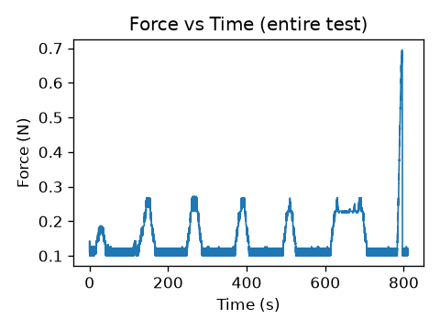 results/test/plots/210330_Sample_B2_force_time.png | 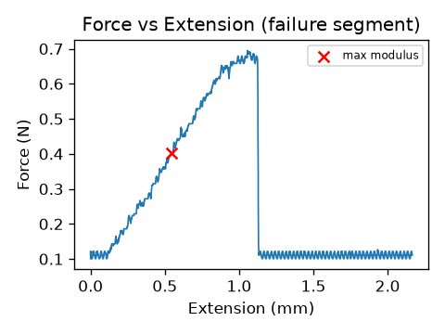 results/test/plots/210330_Sample_B2_force_extension.png
210330 MRC Sample B3Data.csv | 30.03.2021 | B | 3 | 156.5 | F | 8wks | Tm1b Wt | 24.022842972 | -0.024824035286 | FALSE | 0.049572607807 | 41.468436895 | 177.088 | 24630.21187 | 0.024630212 | 14 | 0.423 | 17.174030008 | 6.6285714286 | 0.928 | 409.23146531 | 8.282510926 | 0.032142857143 | 787.69 | 0.31 | 0.45 | 56.904359002 | 66.537739238 | 138.2875712 | TRUE | TRUE | TRUE | 0.031250364354 | 0.030445342776 | 0.023639760517 | TRUE | TRUE | TRUE | 0.192 | 0.166 | 0.428 | TRUE | TRUE | TRUE | TRUE | TRUE | TRUE | 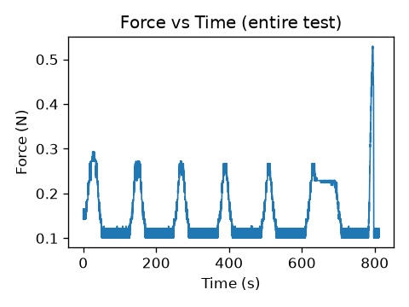 results/test/plots/210330_Sample_B3_force_time.png | 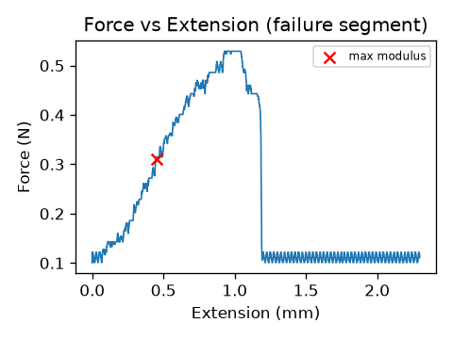 results/test/plots/210330_Sample_B3_force_extension.png
210330 MRC Sample B4Data.csv | 30.03.2021 | B | 4 | 156.5 | F | 8wks | Tm1b Wt | 13.238941608 | -0.021746903049 | FALSE | 0.047022926718 | 35.556648533 | 223.92 | 39379.9946 | 0.039379995 | 14.001 | 1.168 | 29.659729515 | 7.3066209556 | 1.023 | 545.04372915 | 15.236162422 | 0.035640311406 | 788.3 | 0.743 | 0.499 | 185.20587724 | 156.20703429 | 189.20448142 | TRUE | TRUE | TRUE | 0.010044305297 | 0.012006075515 | 0.02250975929 | TRUE | TRUE | TRUE | 0.45 | 0.45 | 1.21 | TRUE | TRUE | TRUE | TRUE | TRUE | TRUE | 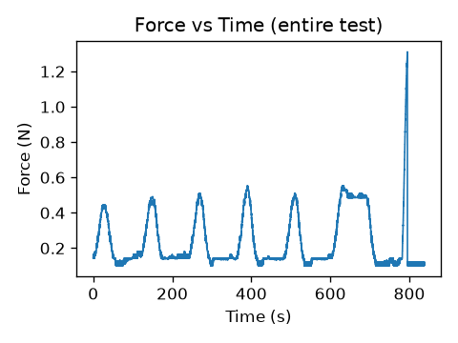 results/test/plots/210330_Sample_B4_force_time.png | 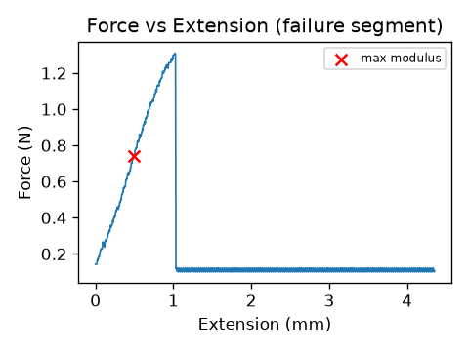 results/test/plots/210330_Sample_B4_force_extension.png
210330 MRC Sample B5Data.csv | 30.03.2021 | B | 5 | 156.5 | F | 8wks | Tm1b Wt | 5.6975380738 | -0.014413069949 | FALSE | 0.092288842859 | 30.51824614 | 100.7156667 | 7966.800561 | 0.007966801 | 14 | 0.461 | 57.865133069 | 7.0571428571 | 0.988 | 989.59935498 | 32.384391175 | 0.041285714286 | 789.33 | 0.401 | 0.578 | 67.429829977 | 57.449046663 | 122.58723682 | TRUE | TRUE | TRUE | 0.023747210642 | 0.035871111149 | 0.035030921878 | TRUE | TRUE | TRUE | 0.145 | 0.134 | 0.471 | TRUE | TRUE | TRUE | TRUE | TRUE | TRUE | 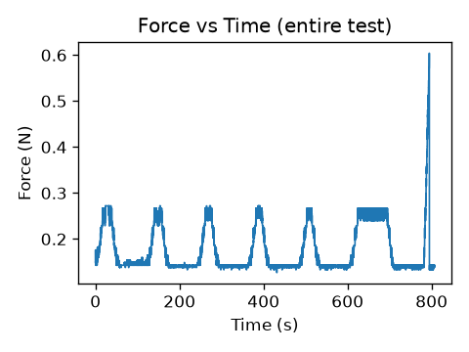 results/test/plots/210330_Sample_B5_force_time.png | 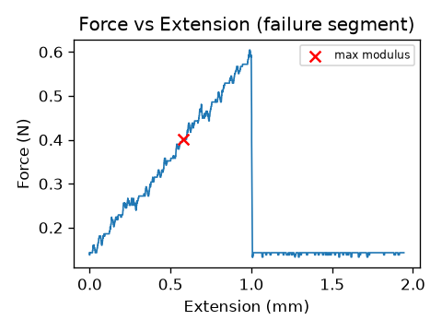 results/test/plots/210330_Sample_B5_force_extension.png
210330 MRC Sample B7Data.csv | 30.03.2021 | B | 7 | 156.5 | F | 8wks | Tm1b Wt | 81.314946655 | -0.015341351107 | FALSE | 0.04220314678 | 52.485328128 | 204.748 | 32925.26035 | 0.03292526 | 14 | 0.333 | 10.11381535 | 9.2285714286 | 1.292 | 251.09918364 | 0.66817999311 | 0.025357142857 | 786.46 | 0.165 | 0.355 | 47.294591775 | 18.521281366 | 160.15692687 | TRUE | TRUE | TRUE | 0.029623097113 | 0.069069941068 | 0.01120578056 | TRUE | TRUE | TRUE | 0.171 | 0.054 | 0.349 | TRUE | TRUE | TRUE | TRUE | TRUE | TRUE | 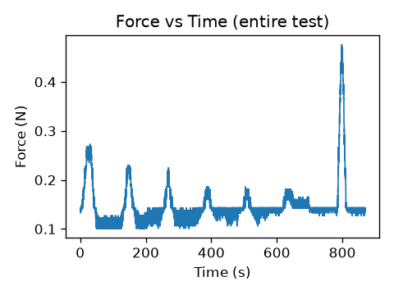 results/test/plots/210330_Sample_B7_force_time.png | 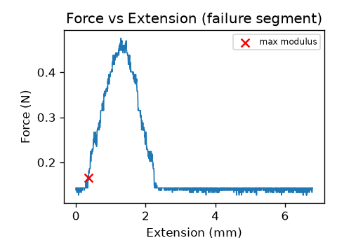 results/test/plots/210330_Sample_B7_force_extension.png
210330 MRC Sample B8Data.csv | 30.03.2021 | B | 8 | 156.5 | F | 8wks | Tm1b Wt | 9.5046085629 | -0.025636562826 | FALSE | 0.063534732851 | 30.440990451 | 108.513 | 9248.11927 | 0.009248119 | 14 | 0.681 | 73.636595723 | 8.0214285714 | 1.123 | 1182.6227203 | 27.897564899 | 0.036142857143 | 788.4 | 0.401 | 0.506 | 80.577650312 | 78.205350332 | 134.79393783 | TRUE | TRUE | TRUE | 0.01993978575 | 0.02319630225 | 0.031174102266 | TRUE | TRUE | TRUE | 0.176 | 0.177 | 0.702 | TRUE | TRUE | TRUE | TRUE | TRUE | TRUE | 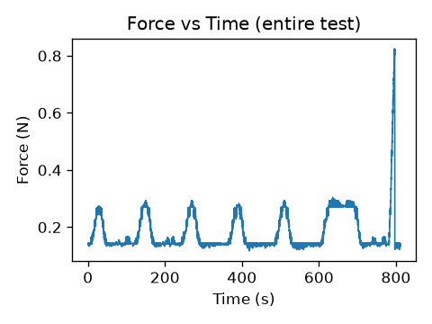 results/test/plots/210330_Sample_B8_force_time.png | 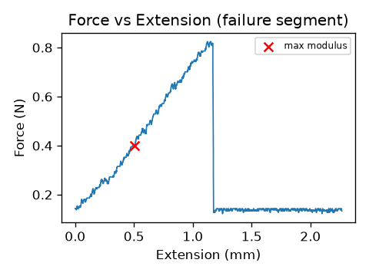 results/test/plots/210330_Sample_B8_force_extension.png
210330 MRC Sample C10Data.csv | 30.03.2021 | C | 10 | 180.2 | F | 8wks | Tm1b Wt | 2.8419526607 | -0.0038984985719 | FALSE | 0.16676208078 | 45.607424083 | 139.0203333 | 15179.11783 | 0.015179118 | 14.001 | 0.375 | 24.704992741 | 15.970287837 | 2.236 | 457.10549218 | 8.827917406 | 0.02585529605 | 786.54 | 0.288 | 0.362 | 49.716719128 | 49.601985521 | 158.11767499 | TRUE | TRUE | TRUE | 0.017856378507 | 0.036491921676 | 0.014661105189 | TRUE | TRUE | TRUE | 0.263 | 0.14 | 0.396 | TRUE | TRUE | TRUE | TRUE | TRUE | TRUE | 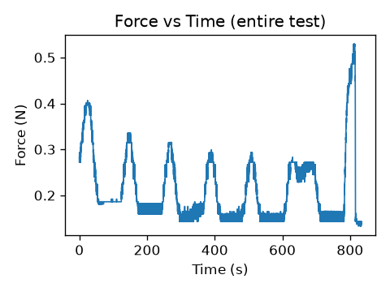 results/test/plots/210330_Sample_C10_force_time.png | 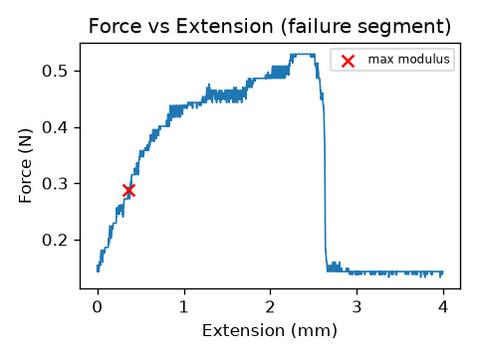 results/test/plots/210330_Sample_C10_force_extension.png
210330 MRC Sample C1Data.csv | 30.03.2021 | C | 1 | 180.2 | F | 8wks | Tm1b Wt | 11.057859603 | -0.0029518666869 | FALSE | 0.015617388851 | 39.457939307 | 168.4156667 | 22276.90532 | 0.022276905 | 14.001 | 0.118 | 5.2969656243 | 5.1210627812 | 0.717 | 161.83122851 | 0.76312216621 | 0.018284408257 | 785.19 | 0.16 | 0.256 | 39.061417245 | 21.387172438 | 71.482721235 | TRUE | TRUE | TRUE | 0.040455704753 | 0.07689696047 | 0.023491736313 | TRUE | TRUE | TRUE | 0.069 | 0.053 | 0.128 | TRUE | TRUE | TRUE | TRUE | TRUE | TRUE | 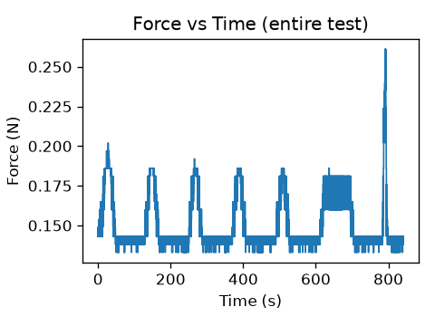 results/test/plots/210330_Sample_C1_force_time.png | 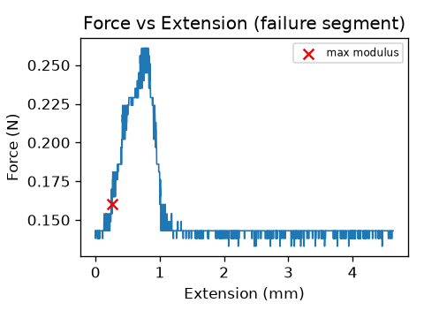 results/test/plots/210330_Sample_C1_force_extension.png
210330 MRC Sample C2Data.csv | 30.03.2021 | C | 2 | 180.2 | F | 8wks | Tm1b Wt | 5.9032752159 | -0.00078230158794 | FALSE | 0.12667172193 | 75.196712784 | 128.1366667 | 12895.45665 | 0.012895457 | 14 | 0.343 | 26.5985145 | 18.364285714 | 2.571 | 604.08732949 | 14.578777627 | 0.0365 | 788.46 | 0.331 | 0.511 | 26.725271028 | 13.397344066 | 112.7988251 | TRUE | TRUE | TRUE | 0.029425727966 | 0.10932682335 | 0.027420586191 | TRUE | FALSE | TRUE | 0.102 | 0.038 | 0.348 | TRUE | TRUE | TRUE | TRUE | FALSE | TRUE | 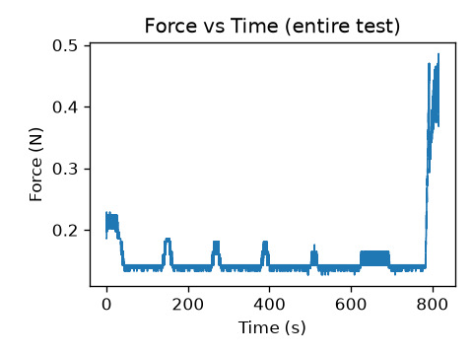 results/test/plots/210330_Sample_C2_force_time.png | 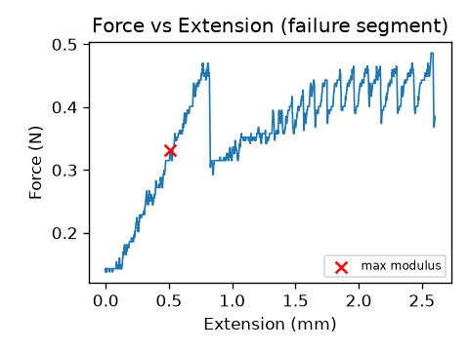 results/test/plots/210330_Sample_C2_force_extension.png
210330 MRC Sample C3.2Data.csv | 30.03.2021 | C | 3 | 180.2 | F | 8wks | Tm1b Wt | 28.527379595 | -0.0022045757077 | FALSE | 0.0052424959417 | 12.268939697 | 176.4836667 | 24462.39181 | 0.024462392 | 14 | 0.231 | 9.4430667287 | 9.5357142857 | 1.335 | 227.69067779 | 1.7578003002 | 0.0365 | 788.46 | 0.186 | 0.511 | 55.735850128 | 11.797214867 | 95.337761295 | TRUE | TRUE | TRUE | 0.033014810647 | 0.12274377989 | 0.019337364901 | TRUE | FALSE | TRUE | 0.075 | 0.032 | 0.241 | TRUE | TRUE | TRUE | TRUE | FALSE | TRUE | 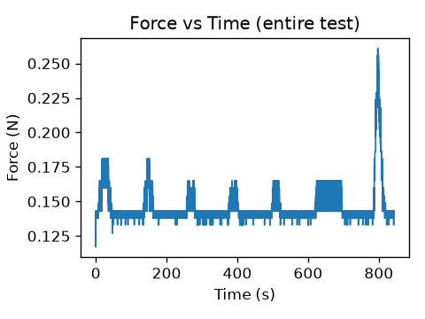 results/test/plots/210330_Sample_C3_force_time.png | 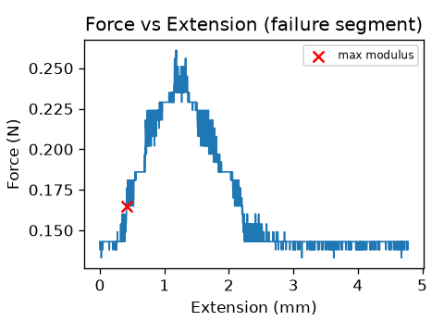 results/test/plots/210330_Sample_C3_force_extension.png
210330 MRC Sample C3Data.csv | 30.03.2021 | C | 3 | 180.2 | F | 8wks | Tm1b Wt | 35.456910399 | -0.0026588526696 | FALSE | 0.011579314202 | 28.126802912 | 176.4836667 | 24462.39181 | 0.024462392 | 14.001 | 0.118 | 4.8237310562 | 8.4422541247 | 1.182 | 128.99355121 | 0.89933968845 | 0.029926433826 | 787.28 | 0.165 | 0.419 | 26.564322789 | 11.412760201 | 60.066852612 | TRUE | TRUE | TRUE | 0.041561705223 | 0.12489741362 | 0.026183561258 | TRUE | FALSE | TRUE | 0.064 | 0.032 | 0.128 | TRUE | TRUE | TRUE | TRUE | FALSE | TRUE | results/test/plots/210330_Sample_C3_force_time.png | results/test/plots/210330_Sample_C3_force_extension.png
210330 MRC Sample C4Data.csv | 30.03.2021 | C | 4 | 180.2 | F | 8wks | Tm1b Wt | 2.7453348448 | -0.0012925111937 | FALSE | 0.02509204364 | 28.023516119 | 143.5433333 | 16182.88453 | 0.016182885 | 14 | 0.236 | 14.58330823 | 7.0642857143 | 0.989 | 501.70064816 | 4.6345259204 | 0.028571428571 | 786.98 | 0.218 | 0.4 | 44.656122585 | 36.13489847 | 114.61836073 | TRUE | TRUE | TRUE | 0.031652829952 | 0.036306129575 | 0.015904311649 | TRUE | TRUE | TRUE | 0.112 | 0.07 | 0.252 | TRUE | TRUE | TRUE | TRUE | TRUE | TRUE | 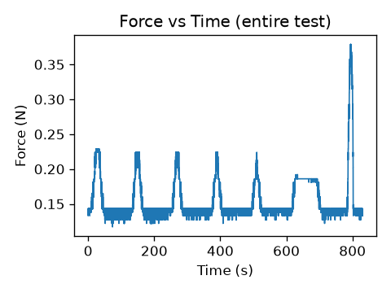 results/test/plots/210330_Sample_C4_force_time.png | 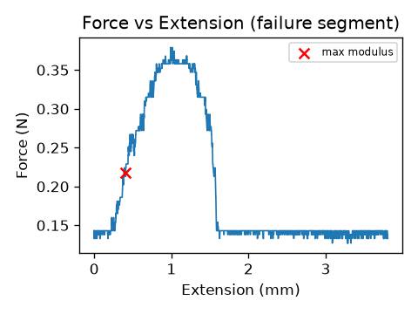 results/test/plots/210330_Sample_C4_force_extension.png
210330 MRC Sample C5Data.csv | 30.03.2021 | C | 5 | 180.2 | F | 8wks | Tm1b Wt | 85.63348839 | -0.0081998513255 | FALSE | 0.05089787721 | 63.836238152 | 151.0146667 | 17911.34249 | 0.017911342 | 14 | 0.327 | 18.256588479 | 11.478571429 | 1.607 | 351.26809506 | 8.3745818711 | 0.063785714286 | 793.35 | 0.293 | 0.893 | 66.410715417 | 15.366452559 | 130.69751928 | TRUE | TRUE | TRUE | 0.023250408024 | 0.077192957529 | 0.014226132002 | TRUE | TRUE | TRUE | 0.097 | 0.032 | 0.337 | TRUE | TRUE | TRUE | TRUE | TRUE | TRUE | 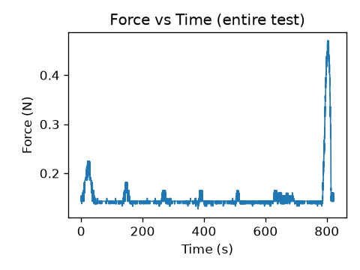 results/test/plots/210330_Sample_C5_force_time.png | 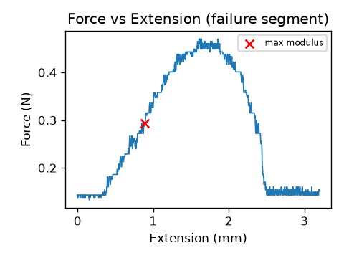 results/test/plots/210330_Sample_C5_force_extension.png
210330 MRC Sample C6Data.csv | 30.03.2021 | C | 6 | 180.2 | F | 8wks | Tm1b Wt | 14.80361393 | -0.00069902347709 | FALSE | 0.0019661656985 | 7.5181088779 | 210.427 | 34777.05551 | 0.034777056 | 14 | 0.477 | 13.715939613 | 10.057142857 | 1.408 | 327.16958273 | 4.9457895458 | 0.043428571429 | 789.7 | 0.31 | 0.608 | 17.85792897 | 3.9599236371 | 203.96322559 | TRUE | TRUE | TRUE | 0.049020153394 | 0.11166989488 | 0.0097485053658 | TRUE | FALSE | TRUE | 0.075 | 0.037 | 0.498 | TRUE | TRUE | TRUE | TRUE | FALSE | TRUE | 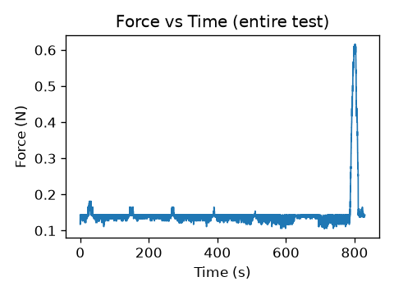 results/test/plots/210330_Sample_C6_force_time.png | 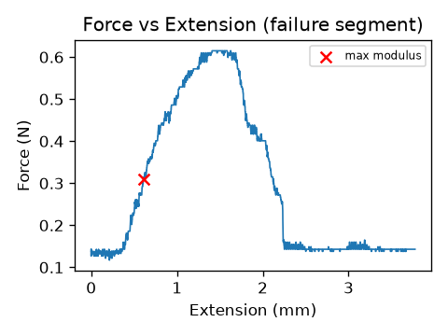 results/test/plots/210330_Sample_C6_force_extension.png
210330 MRC Sample C7Data.csv | 30.03.2021 | C | 7 | 180.2 | F | 8wks | Tm1b Wt | -56.153832368 | 0.0038651019723 | FALSE | 0.064560083552 | 50.919524815 | 148.529 | 17326.56194 | 0.017326562 | 14.001 | 0.257 | 14.832717535 | 5.4353260481 | 0.761 | 640.9527886 | 1.558301064 | 0.026712377687 | 786.7 | 0.165 | 0.374 | 55.170662546 | 8.9616304939 | 89.284338713 | TRUE | TRUE | TRUE | 0.024422715655 | 0.079464047933 | 0.017899085798 | TRUE | TRUE | TRUE | 0.161 | 0.059 | 0.273 | TRUE | TRUE | TRUE | TRUE | TRUE | TRUE | 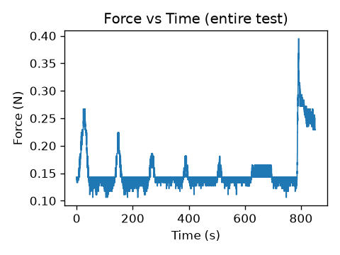 results/test/plots/210330_Sample_C7_force_time.png | 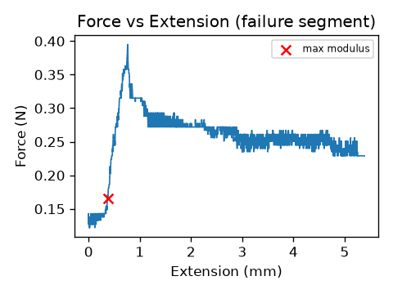 results/test/plots/210330_Sample_C7_force_extension.png
210330 MRC Sample C8Data.csv | 30.03.2021 | C | 8 | 180.2 | F | 8wks | Tm1b Wt | 46.573068581 | -0.029836059497 | FALSE | 0.028144394033 | 36.461609704 | 161.0143333 | 20361.93082 | 0.020361931 | 14.001 | 0.375 | 18.41672089 | 8.1279908578 | 1.138 | 443.322459 | 5.2549043605 | 0.027855153203 | 786.9 | 0.218 | 0.39 | 56.924752587 | 34.063069142 | 119.82841669 | TRUE | TRUE | TRUE | 0.025884518875 | 0.039736769741 | 0.018235272334 | TRUE | TRUE | TRUE | 0.187 | 0.123 | 0.385 | TRUE | TRUE | TRUE | TRUE | TRUE | TRUE | 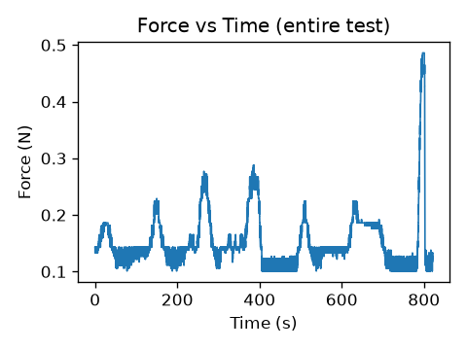 results/test/plots/210330_Sample_C8_force_time.png | 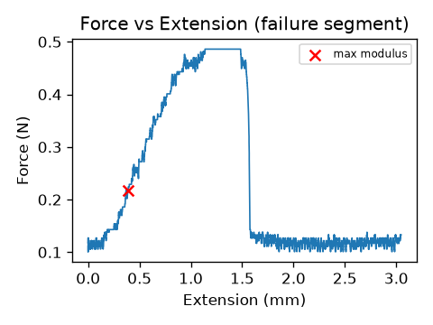 results/test/plots/210330_Sample_C8_force_extension.png
210330 MRC Sample C9Data.csv | 30.03.2021 | C | 9 | 180.2 | F | 8wks | Tm1b Wt | 20.449430738 | -0.020639762311 | FALSE | 0.1183636762 | 43.468520087 | 172.8653333 | 23469.6005 | 0.023469601 | 14 | 0.327 | 13.932916883 | 7.9428571429 | 1.112 | 348.16985105 | 7.5416706062 | 0.028285714286 | 786.99 | 0.326 | 0.396 | 40.539369857 | 60.589228205 | 101.34310815 | TRUE | TRUE | TRUE | 0.016896682591 | 0.030873737483 | 0.021409704229 | TRUE | TRUE | TRUE | 0.3 | 0.156 | 0.375 | TRUE | TRUE | TRUE | TRUE | TRUE | TRUE |  results/test/plots/210330_Sample_C9_force_time.png |  results/test/plots/210330_Sample_C9_force_extension.png
210407 MRC Sample A10Data.csv | 07.04.2021 | A | 10 | 104.1 | F | 8wks | Tm1b Het | 64.122459842 | -0.022156680155 | FALSE | 0.075867692466 | 62.394074688 | 129.085 | 13087.04029 | 0.01308704 | 14 | 0.074 | 5.6544489816 | 5.1 | 0.714 | 203.41787105 | 2.4451671272 | 0.039 | 788.9 | 0.029 | 0.546 | 9.940824951 | 17.154403031 | 30.125957024 | TRUE | TRUE | TRUE | 0.041453508524 | 0.077691120092 | 0.043853469017 | TRUE | TRUE | TRUE | 0.09 | 0.058 | 0.095 | TRUE | TRUE | TRUE | TRUE | TRUE | TRUE |  results/test/plots/210407_Sample_A10_force_time.png |  results/test/plots/210407_Sample_A10_force_extension.png
210407 MRC Sample A10bData.csv | 07.04.2021 | A | 10 | 104.1 | F | 8wks | Tm1b Het | 1.1455941275 | -0.00083857462693 | FALSE | 0.022887954992 | 24.574144615 | 129.085 | 13087.04029 | 0.01308704 | 14.001 | 0.221 | 16.886935472 | 5.4924648239 | 0.769 | 481.18778645 | 4.8139227816 | 0.025498178702 | 786.47 | 0.05 | 0.357 | 26.820391989 | 33.591210274 | 86.38702719 | TRUE | TRUE | TRUE | 0.05638200338 | 0.057643688075 | 0.023976719746 | TRUE | TRUE | TRUE | 0.095 | 0.079 | 0.232 | TRUE | TRUE | TRUE | TRUE | TRUE | TRUE | results/test/plots/210407_Sample_A10_force_time.png | results/test/plots/210407_Sample_A10_force_extension.png
210407 MRC Sample A1Data.csv | 07.04.2021 | A | 1 | 104.1 | F | 8wks | Tm1b Het | 19.546558194 | -0.01101068626 | FALSE | 0.032325251184 | 44.885837498 | 125.5006667 | 12370.34885 | 0.012370349 | 14 | 0.237 | 19.158715732 | 9.4357142857 | 1.321 | 439.35267835 | 2.1018000381 | 0.026642857143 | 786.68 | 0.045 | 0.373 | 22.762571042 | 17.930368229 | 86.466796331 | TRUE | TRUE | TRUE | 0.078131353467 | 0.090961490823 | 0.017937278778 | TRUE | FALSE | TRUE | 0.068 | 0.063 | 0.264 | TRUE | TRUE | TRUE | TRUE | FALSE | TRUE |  results/test/plots/210407_Sample_A1_force_time.png |  results/test/plots/210407_Sample_A1_force_extension.png

