Graphic_GobletSystem
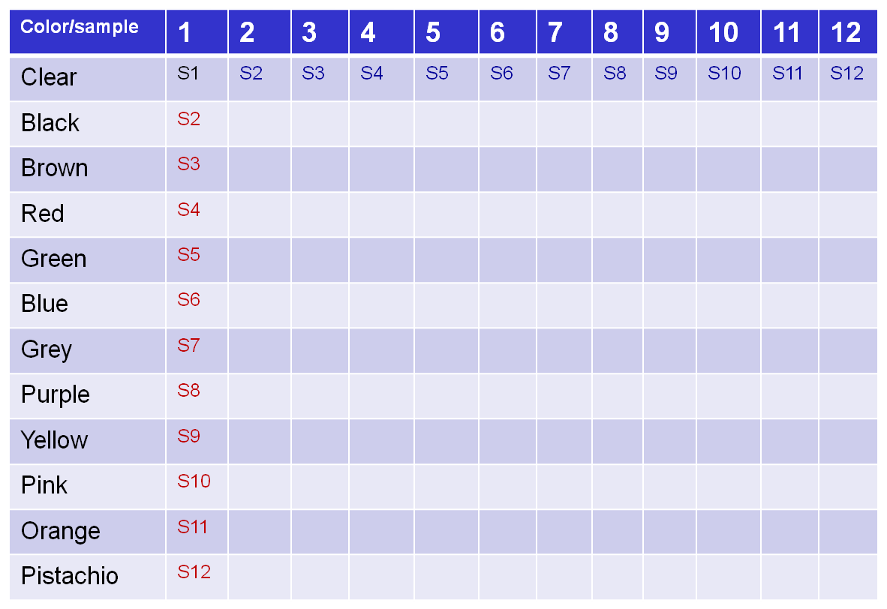
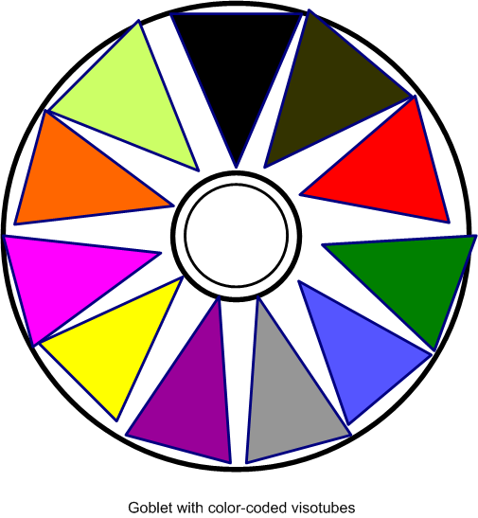
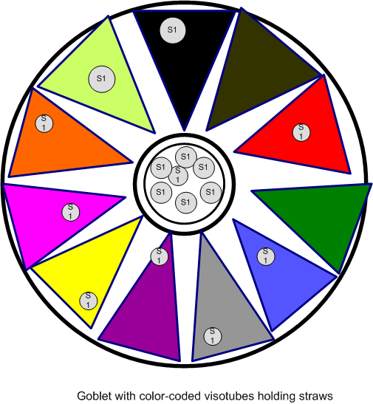
uUse case for LN2 freezer containers: ‘Goblet’ system
–LN2 freezer holds 9 (3x3) Goblet cannisters (racks)
–Goblet cannister (rack) holds 0-6 Goblets (round cannisters)
–Goblet holds 12 visotubes (color-coded) [1 round and 11 triangular]
–Visotube holds 12-14 straws
–Straw holds 1 sample (3 sizes: 2 ml, 0.5 ml, 0.3 ml)
uChallenges
–Round pattern – no obvious x,y start: use color codes
–How to display in GUI? – can’t ‘order’ single space that holds 12 samples
uSo…….

 | Use either 12X1 or 1X12 FillPattern based on color code and maxNumber of straws/Visotube

